BRAZIL_EXOG10
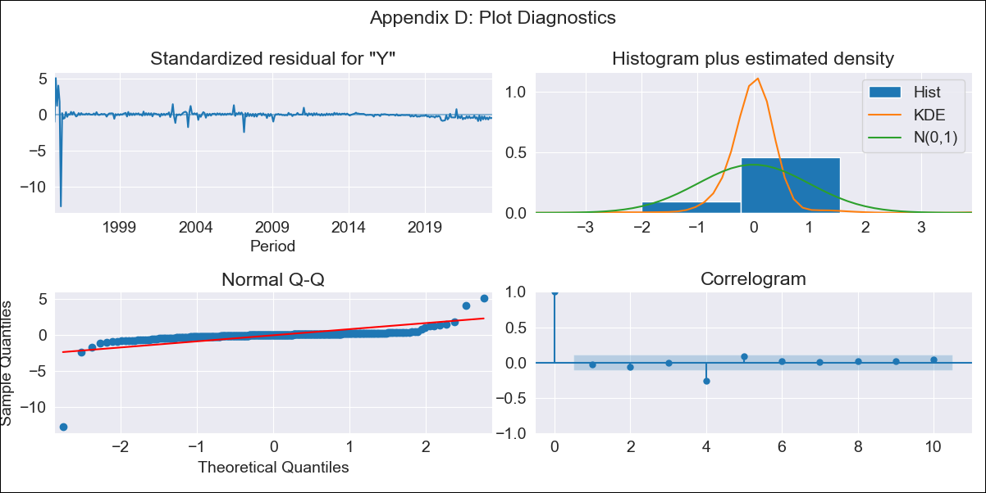
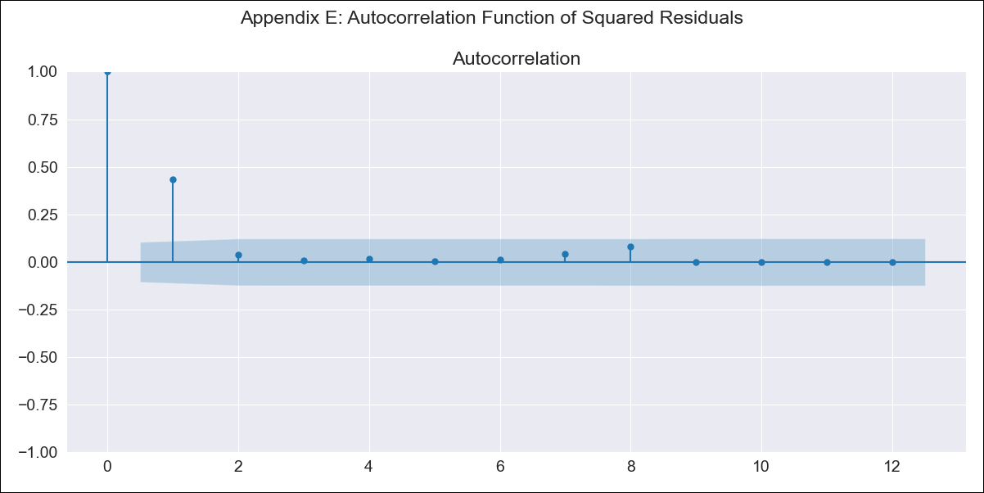
BRAZIL_EXOG10 - Inflation - Next 12 months forecast as of: 2023-06-01

Model | SARIMAX - [(2, 0, 2), (0, 0, 0, 12)] | Exogenous Variables | exchange rates, interest rates (discount rate), interest rates(bond yield), m1 money supply
Training Data | 1994-07-01 to 2022-03-01
Test Data | 2022-03-01 to 2023-06-01

Date | Inflation Change YoY % | Lower Bound - 95% Confidence Interval | Upper Bound - 95% Confidence Interval
2023-07-01 | 50.26 | -135.44 | 235.95
2023-08-01 | 82.07 | -180.37 | 344.51
2023-09-01 | 118.74 | -177.48 | 414.96
2023-10-01 | 141.61 | -185.35 | 468.58
2023-11-01 | 170.7 | -172.25 | 513.65
2023-12-01 | 188.39 | -169.79 | 546.57
2024-01-01 | 210.04 | -156.53 | 576.6
2024-02-01 | 221.28 | -153.32 | 595.87
2024-03-01 | 237.56 | -141.6 | 616.72
2024-04-01 | 248.35 | -135.16 | 631.87
2024-05-01 | 262.32 | -123.74 | 648.37
2024-06-01 | 271.51 | -116.93 | 659.96

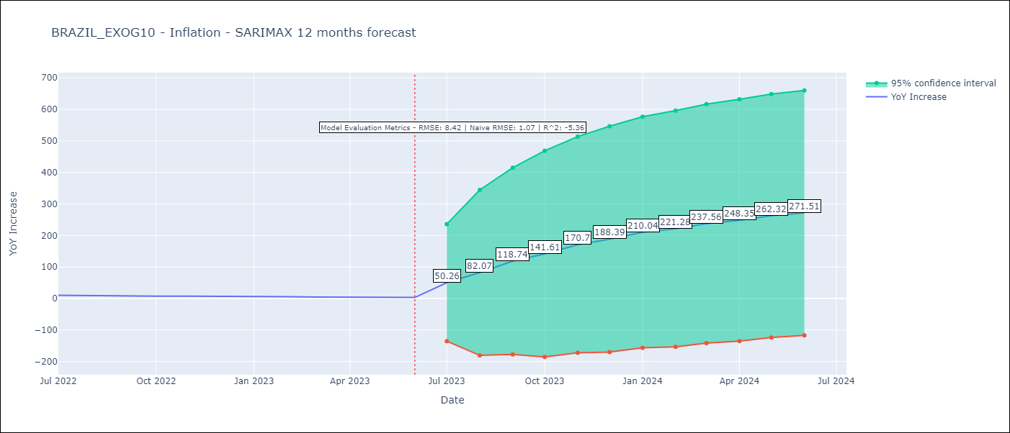

Test Metrics
RMSE | 8.42
Naive RMSE | 1.05
R^2 | -5.36

Test Predictions
Date | Predicted | Actual
2022-03-01 | -7.13 | 11.3
2022-04-01 | 13.64 | 12.13
2022-05-01 | 0.44 | 11.73
2022-06-01 | 1.45 | 11.89
2022-07-01 | 0.61 | 10.07
2022-08-01 | 0.62 | 8.73
2022-09-01 | 0.56 | 7.17
2023-02-01 | 0.57 | 5.6
2023-03-01 | 0.56 | 4.65
2023-04-01 | 0.56 | 4.18
2023-05-01 | 0.56 | 3.94
2023-06-01 | 0.56 | 3.16

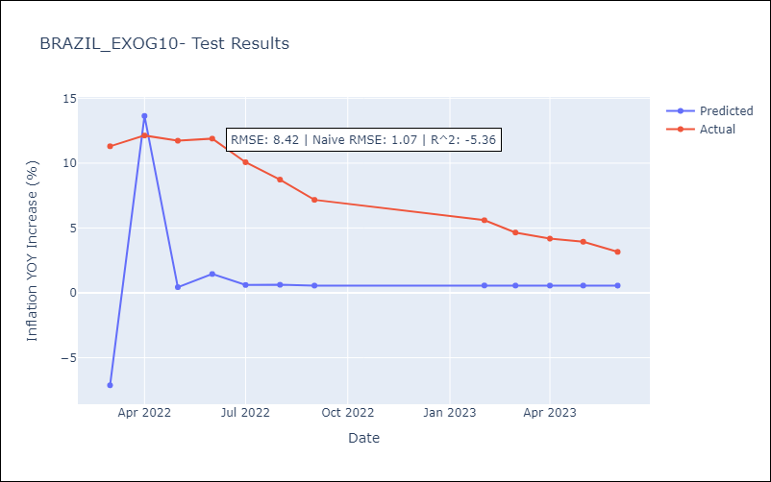

Appendix A: Model Summary
Model | SARIMAX(2, 0, 2)
Sample | 07-01-1994- 06-01-2023
No. of Observations | 348
Terms | P-value (Statistical significance)
exchange rates | 0.000
interest rates (discount rate) | 0.127
interest rates(bond yield) | 0.000
m1 money supply | 0.008
ar.L1 | 0.553
ar.L2 | 0.000
ma.L1 | 0.000
ma.L2 | 0.916
sigma2 | 0.000
Assumptions | P-value | Interpretation
Ljung-Box (L1) | 0.59 | Residuals are independent.
Heteroskedasticity | 0.00 | Residuals have different variances.
Jarque-Bera | 0.00 | Residuals are not normally distributed.
Skew | -8.84 | Negative skew - Model overestimates the mean.
Kurtosis | 152.58 | Residuals contain more extreme outliers than in a normal distribution.

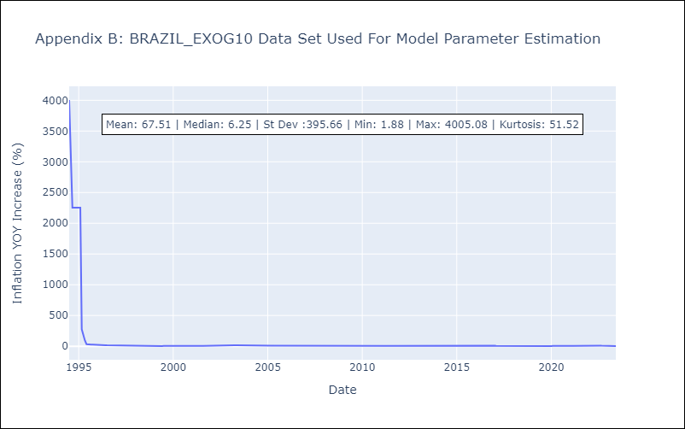

Appendix C: Residuals Analysis
Mean | 16.25
Variance | 80747.82
White Noise? | No - Correlation at Lags [ 1 2 3 4 5 6 7 8 9 10 11 12]
Heteroskedastic? - ARCH | Yes
Normal? | No

