Brazil000
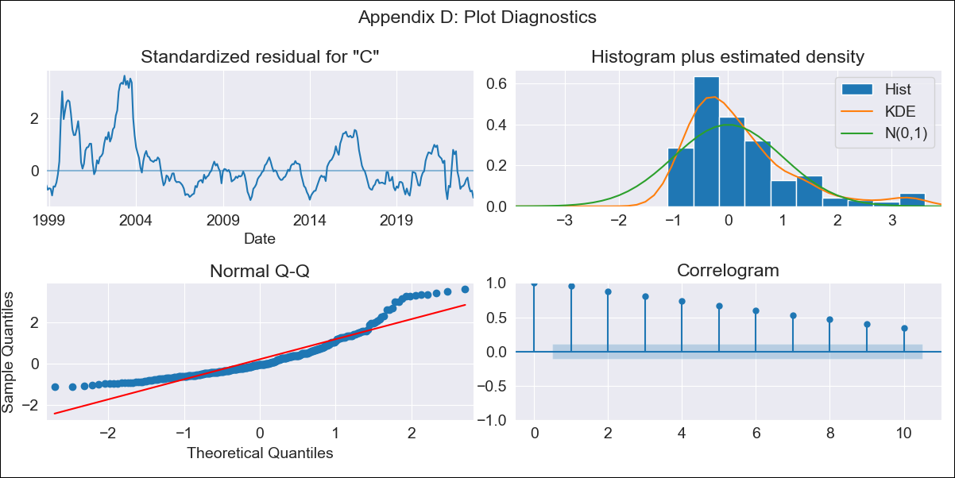
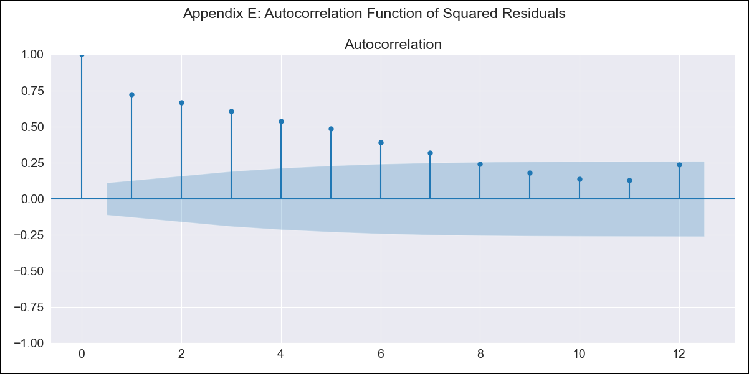
Brazil000 - Inflation - Next 12 months forecast as of: 2023-06-01

Model | SARIMAX - [(0, 0, 0), (1, 0, 1, 12)] | Exogenous Variables | Exchange Rate - U.S Dollar, Interest Rates (Discount Rate), Interest Rates (Gov Securities/Treasury Bills), LRUNTTTTBRM156S, M1 Money Supply, m2 money supply
Training Data | 1997-10-01 to 2022-07-01
Test Data | 2022-07-01 to 2023-06-01

Date | Inflation Change YoY % | Lower Bound - 95% Confidence Interval | Upper Bound - 95% Confidence Interval
2023-07-01 | 5.09 | 0.54 | 9.63
2023-08-01 | 4.96 | 0.41 | 9.51
2023-09-01 | 4.58 | 0.03 | 9.13
2023-10-01 | 4.66 | 0.12 | 9.21
2023-11-01 | 3.92 | -0.62 | 8.47
2023-12-01 | 3.77 | -0.78 | 8.31
2024-01-01 | 3.79 | -0.76 | 8.33
2024-02-01 | 3.38 | -1.16 | 7.93
2024-03-01 | 3.38 | -1.17 | 7.92
2024-04-01 | 3.34 | -1.2 | 7.89
2024-05-01 | 3.17 | -1.37 | 7.72
2024-06-01 | 2.87 | -1.68 | 7.41

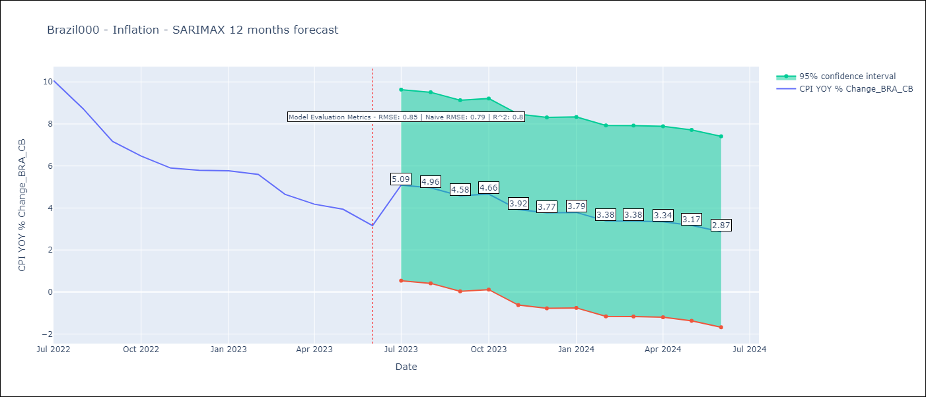

Test Metrics
RMSE | 0.85
Naive RMSE | 0.92
R^2 | 0.8

Test Predictions
Date | Predicted | Actual
2022-07-01 | 10.39 | 10.07
2022-08-01 | 9.71 | 8.73
2022-09-01 | 8.7 | 7.17
2022-10-01 | 8.28 | 6.47
2022-11-01 | 5.95 | 5.9
2022-12-01 | 5.69 | 5.79
2023-01-01 | 5.92 | 5.77
2023-02-01 | 5.09 | 5.6
2023-03-01 | 5.19 | 4.65
2023-04-01 | 5.12 | 4.18
2023-05-01 | 4.38 | 3.94
2023-06-01 | 3.73 | 3.16

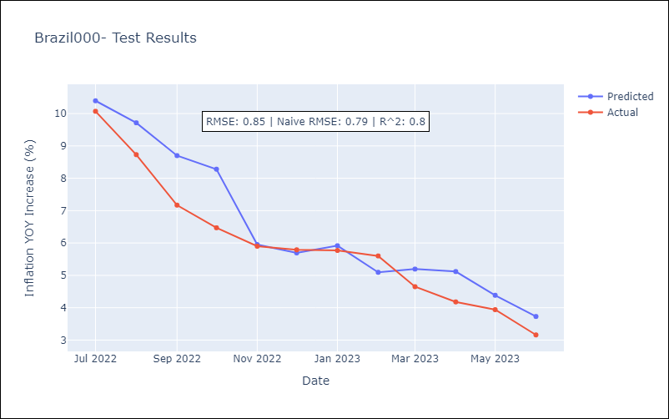

Appendix A: Model Summary
Model | SARIMAX(1, 0, [1], 12)
Sample | 10-01-1997- 06-01-2023
No. of Observations | 309
Terms | P-value (Statistical significance)
Exchange Rate - U.S Dollar | 0.003
Interest Rates (Discount Rate) | 0.000
Interest Rates (Gov Securities/Treasury Bills) | 0.014
LRUNTTTTBRM156S | 0.030
M1 Money Supply | 0.026
m2 money supply | 0.060
ar.S.L12 | 0.000
ma.S.L12 | 0.824
sigma2 | 0.826
Assumptions | P-value | Interpretation
Ljung-Box (L1) | 0.00 | Residuals are not independent.
Heteroskedasticity | 0.00 | Residuals have different variances.
Jarque-Bera | 0.00 | Residuals are not normally distributed.
Skew | 1.44 | Positive skew - model underestimates the mean.
Kurtosis | 5.04 | Residuals contain more extreme outliers than in a normal distribution.

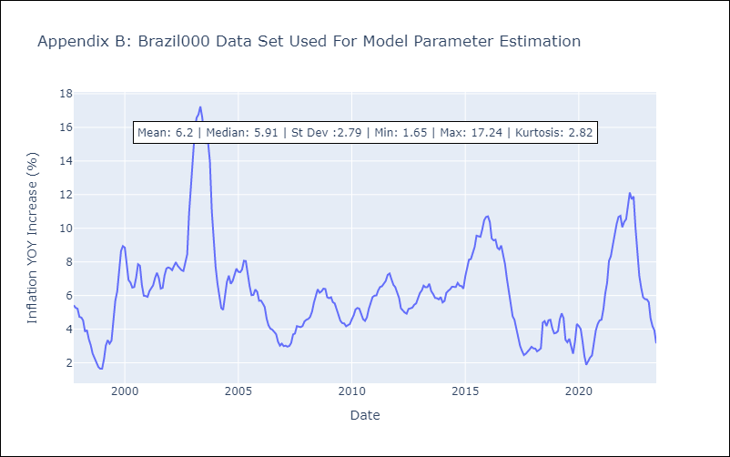

Appendix C: Residuals Analysis
Mean | 0.72
Variance | 7.18
White Noise? | No - Correlation at Lags [ 1 2 3 4 5 6 7 8 9 10 11 12]
Heteroskedastic? - ARCH | Yes
Normal? | No

