Brazil003
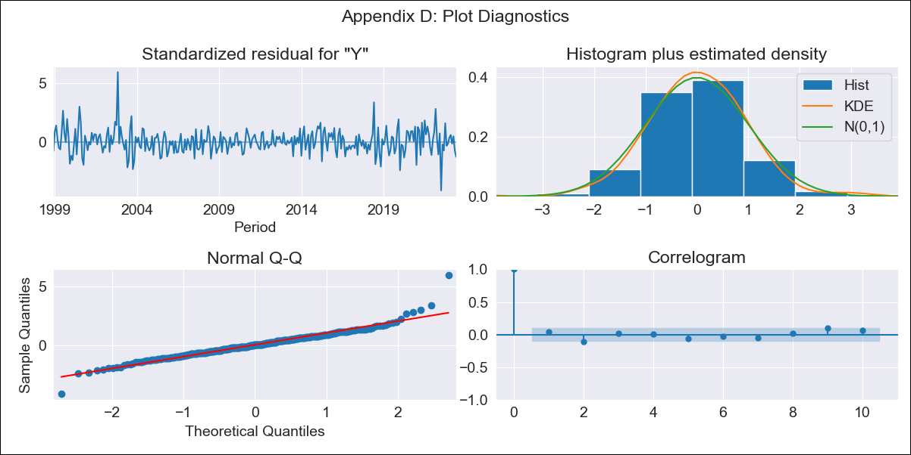
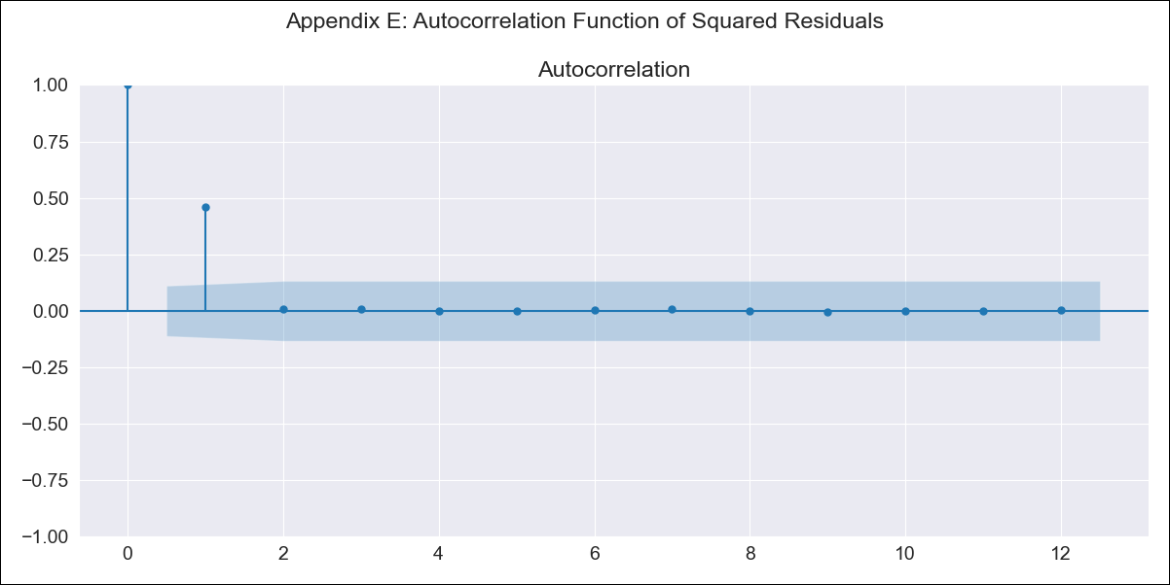
Brazil003 - Inflation - Next 12 months forecast as of: 2023-06-01

Model | SARIMAX - [(2, 0, 1), (0, 0, 1, 12)] | Exogenous Variables | Exchange Rate - U.S Dollar, Interest Rates (Discount Rate), Interest Rates (Gov Securities/Treasury Bills), LRUNTTTTBRM156S, M1 Money Supply, m2 money supply
Training Data | 1997-10-01 to 2022-07-01
Test Data | 2022-07-01 to 2023-06-01

Date | Inflation Change YoY % | Lower Bound - 95% Confidence Interval | Upper Bound - 95% Confidence Interval
2023-07-01 | 3.82 | 3.18 | 4.47
2023-08-01 | 4.16 | 2.93 | 5.39
2023-09-01 | 4.63 | 2.83 | 6.43
2023-10-01 | 4.47 | 2.12 | 6.81
2023-11-01 | 4.47 | 1.62 | 7.33
2023-12-01 | 4.48 | 1.15 | 7.82
2024-01-01 | 4.36 | 0.59 | 8.14
2024-02-01 | 4.1 | -0.09 | 8.29
2024-03-01 | 3.96 | -0.62 | 8.54
2024-04-01 | 3.7 | -1.25 | 8.64
2024-05-01 | 3.72 | -1.57 | 9
2024-06-01 | 4.05 | -1.56 | 9.66

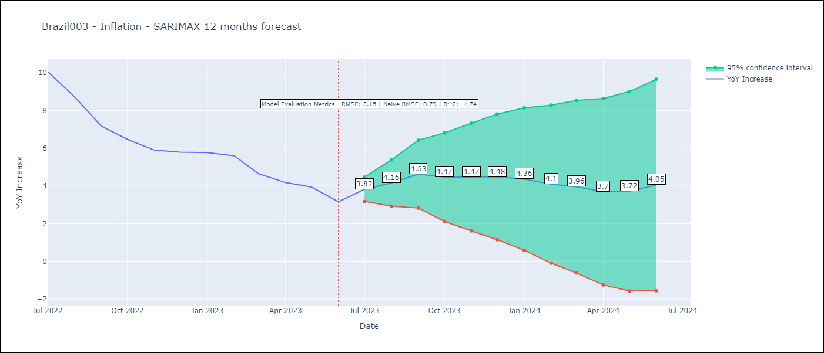

Test Metrics
RMSE | 3.15
Naive RMSE | 0.92
R^2 | -1.74

Test Predictions
Date | Predicted | Actual
2022-07-01 | 11.51 | 10.07
2022-08-01 | 11.02 | 8.73
2022-09-01 | 10.38 | 7.17
2022-10-01 | 9.77 | 6.47
2022-11-01 | 9.37 | 5.9
2022-12-01 | 9.43 | 5.79
2023-01-01 | 9.32 | 5.77
2023-02-01 | 8.92 | 5.6
2023-03-01 | 7.92 | 4.65
2023-04-01 | 7.19 | 4.18
2023-05-01 | 7 | 3.94
2023-06-01 | 6.67 | 3.16

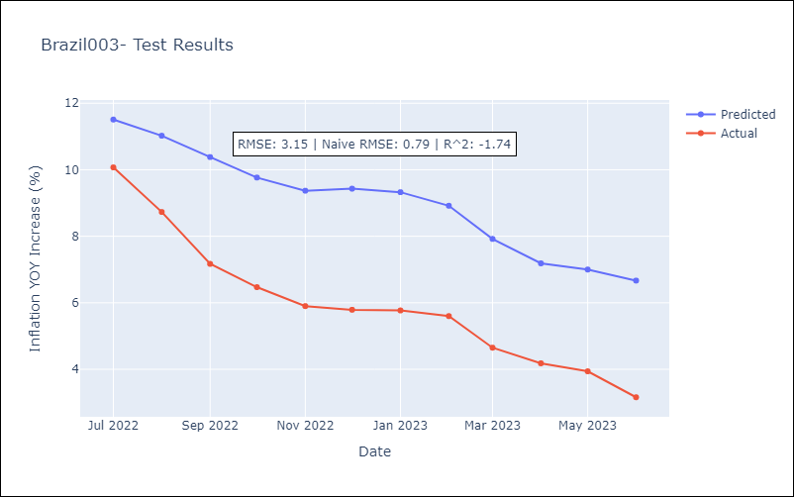

Appendix A: Model Summary
Model | SARIMAX(2, 0, 1)x(0, 0, 1, 12)
Sample | 10-01-1997- 06-01-2023
No. of Observations | 309
Terms | P-value (Statistical significance)
Exchange Rate - U.S Dollar | 0.023
Interest Rates (Discount Rate) | 0.069
Interest Rates (Gov Securities/Treasury Bills) | 0.766
LRUNTTTTBRM156S | 0.671
M1 Money Supply | 0.318
m2 money supply | 0.308
ar.L1 | 0.000
ar.L2 | 0.000
ma.L1 | 0.390
ma.S.L12 | 0.000
sigma2 | 0.000
Assumptions | P-value | Interpretation
Ljung-Box (L1) | 0.43 | Residuals are independent.
Heteroskedasticity | 0.46 | Residuals have the same variance.
Jarque-Bera | 0.00 | Residuals are not normally distributed.
Skew | 0.60 | Positive skew - model underestimates the mean.
Kurtosis | 7.50 | Residuals contain more extreme outliers than in a normal distribution.

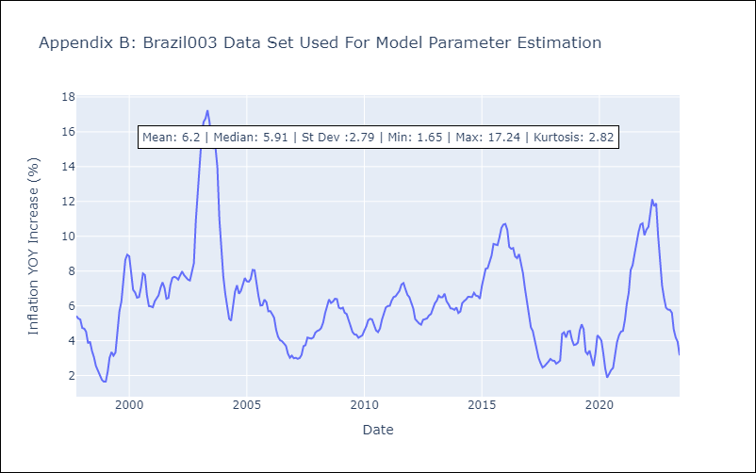

Appendix C: Residuals Analysis
Mean | 0.02
Variance | 0.29
White Noise? | No - Correlation at Lags [ 1 2 3 4 5 6 7 8 9 10 11 12]
Heteroskedastic? - ARCH | No
Normal? | No

