ARG
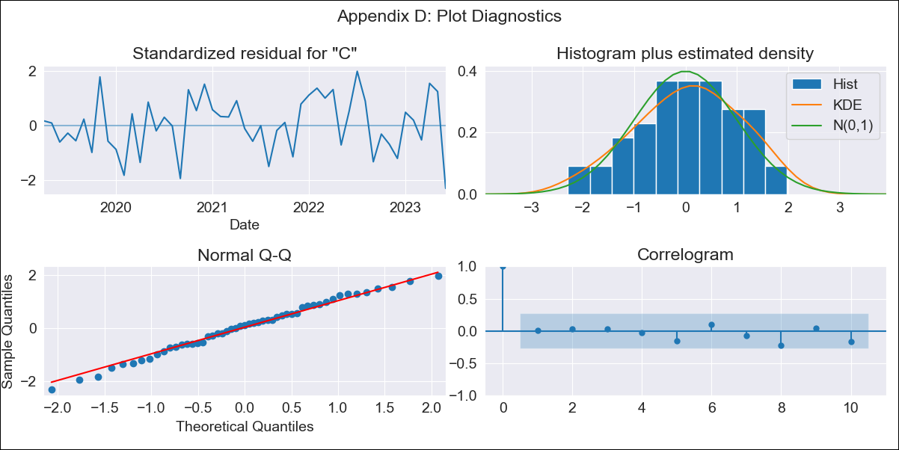
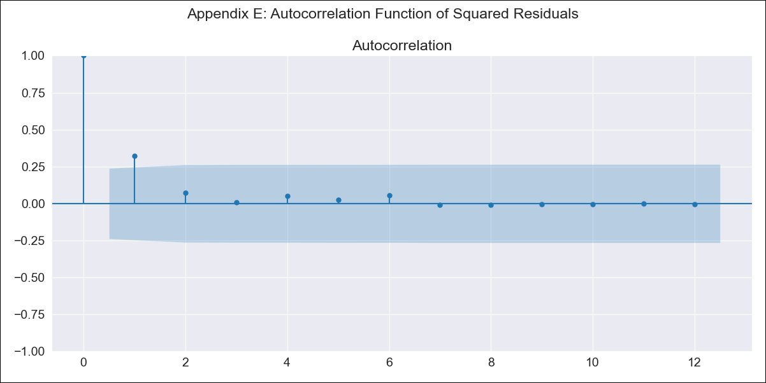
ARG - Inflation - Next 12 months forecast as of: 2023-06-01

Model | SARIMAX - [(2, 2, 0), (1, 0, 0, 12)] | Exogenous Variables | exchange rate, m1 money supply, m2 money supply, exchange rate (real broad effective)
Training Data | 2017-12-01 to 2022-07-01
Test Data | 2022-07-01 to 2023-06-01

Date | Inflation Change YoY % | Lower Bound - 95% Confidence Interval | Upper Bound - 95% Confidence Interval
2023-07-01 | 117.1 | 114.11 | 120.1
2023-08-01 | 118.66 | 113 | 124.31
2023-09-01 | 120.43 | 112.06 | 128.81
2023-10-01 | 121.93 | 110.3 | 133.57
2023-11-01 | 123.64 | 108.36 | 138.92
2023-12-01 | 126.27 | 107.08 | 145.45
2024-01-01 | 128.27 | 104.89 | 151.65
2024-02-01 | 130.27 | 102.41 | 158.13
2024-03-01 | 133.1 | 100.51 | 165.68
2024-04-01 | 134.8 | 97.25 | 172.35
2024-05-01 | 135.49 | 92.73 | 178.24
2024-06-01 | 138.81 | 90.64 | 186.97

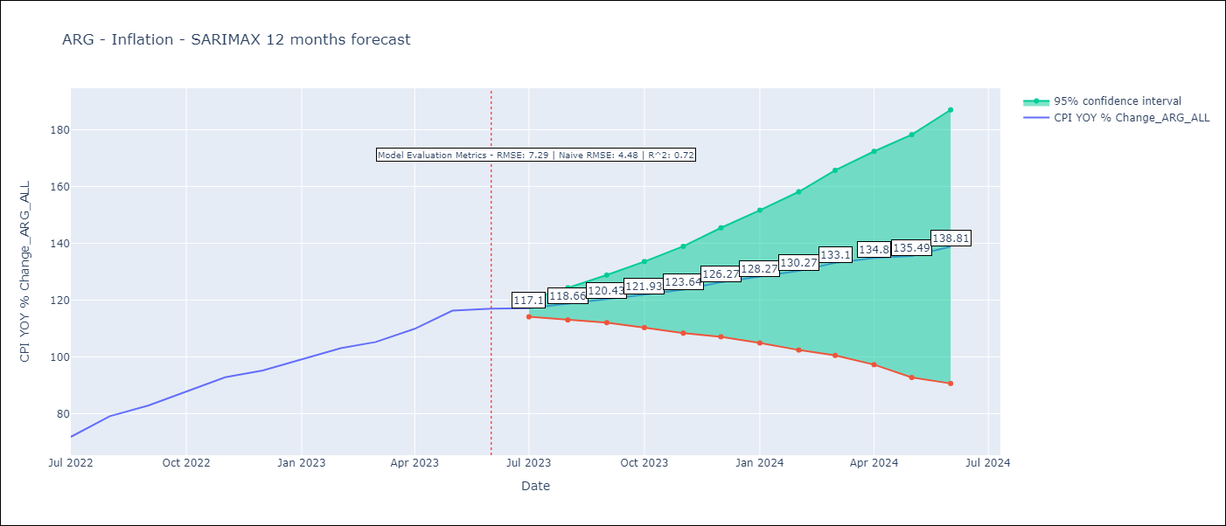

Test Metrics
RMSE | 7.29
Naive RMSE | 4.72
R^2 | 0.72

Test Predictions
Date | Predicted | Actual
2022-07-01 | 67.71 | 71.83
2022-08-01 | 72.9 | 79.11
2022-09-01 | 77.38 | 82.9
2022-10-01 | 81.15 | 87.8
2022-11-01 | 85.43 | 92.82
2022-12-01 | 89.3 | 95.19
2023-01-01 | 92.65 | 99.01
2023-02-01 | 95.98 | 103.06
2023-03-01 | 99.21 | 105.25
2023-04-01 | 101.87 | 109.89
2023-05-01 | 104.97 | 116.26
2023-06-01 | 106.98 | 116.97

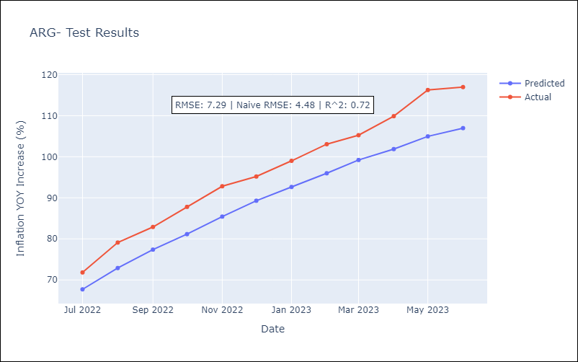

Appendix A: Model Summary
Model | SARIMAX(2, 2, 0)x(1, 0, 0, 12)
Sample | 12-01-2017- 06-01-2023
No. of Observations | 67
Terms | P-value (Statistical significance)
exchange rate | 0.293
m1 money supply | 0.477
m2 money supply | 0.589
exchange rate (real broad effective) | 0.468
ar.L1 | 0.008
ar.L2 | 0.031
ar.S.L12 | 0.008
sigma2 | 0.000
Assumptions | P-value | Interpretation
Ljung-Box (L1) | 0.94 | Residuals are independent.
Heteroskedasticity | 0.18 | Residuals have the same variance.
Jarque-Bera | 0.59 | Residuals are normally distributed.
Skew | -0.22 | Negative skew - Model overestimates the mean.
Kurtosis | 2.46 | Residuals do not contain more extreme outliers than in a normal distribution.

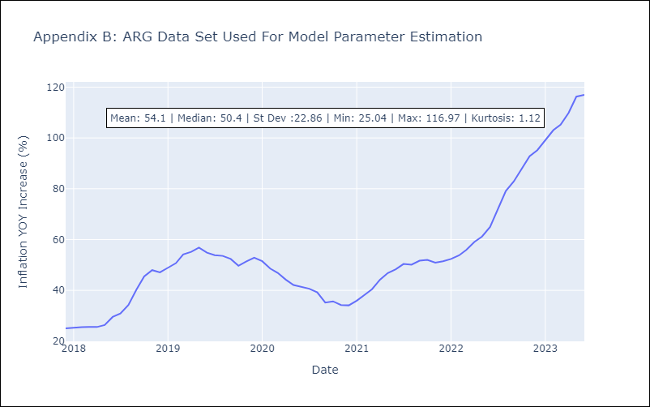

Appendix C: Residuals Analysis
Mean | 0.18
Variance | 14.35
White Noise? | No - Correlation at Lags [1]
Heteroskedastic? - ARCH | No
Normal? | No

BRA
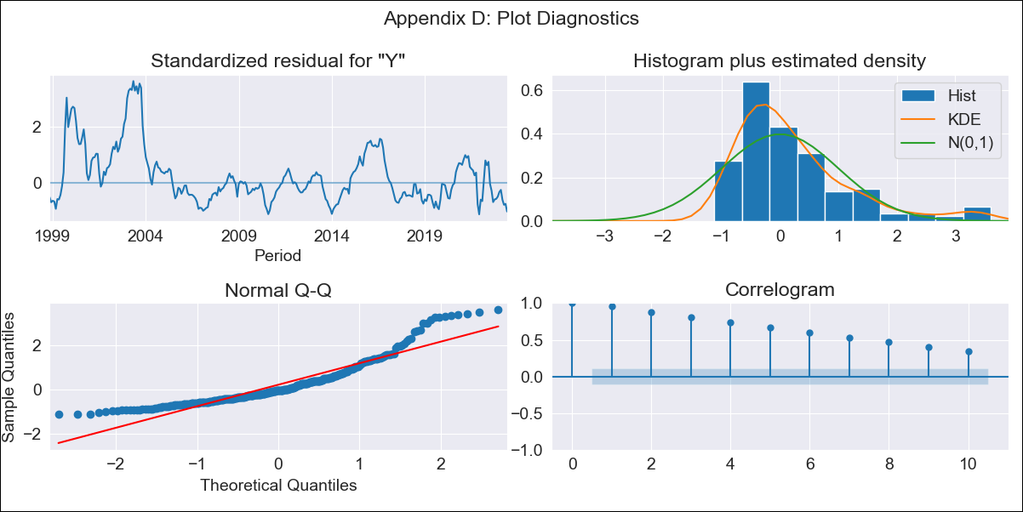
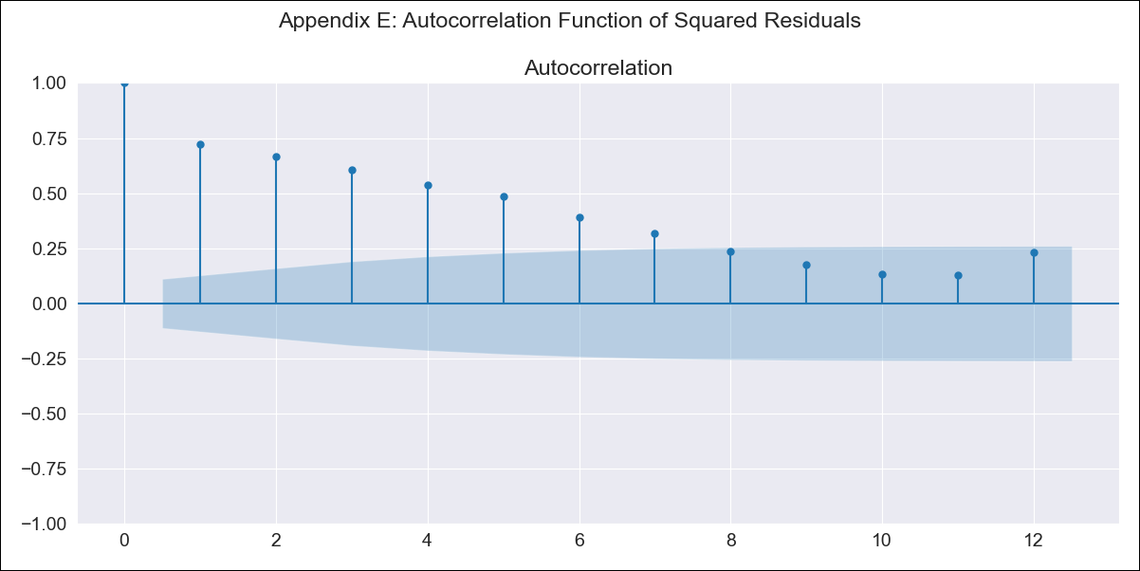
BRA - Inflation - Next 12 months forecast as of: 2023-06-01

Model | SARIMAX - [(0, 0, 0), (1, 0, 1, 12)] | Exogenous Variables | Exchange Rate - U.S Dollar, Interest Rates (Discount Rate), Interest Rates (Gov Securities/Treasury Bills), Unemployment, M1 Money Supply, m2 money supply
Training Data | 1997-10-01 to 2022-07-01
Test Data | 2022-07-01 to 2023-06-01

Date | Inflation Change YoY % | Lower Bound - 95% Confidence Interval | Upper Bound - 95% Confidence Interval
2023-07-01 | 5.08 | 0.55 | 9.6
2023-08-01 | 4.95 | 0.42 | 9.48
2023-09-01 | 4.57 | 0.04 | 9.1
2023-10-01 | 4.66 | 0.13 | 9.19
2023-11-01 | 3.9 | -0.62 | 8.43
2023-12-01 | 3.75 | -0.78 | 8.27
2024-01-01 | 3.78 | -0.74 | 8.31
2024-02-01 | 3.38 | -1.15 | 7.9
2024-03-01 | 3.38 | -1.15 | 7.9
2024-04-01 | 3.35 | -1.18 | 7.87
2024-05-01 | 3.18 | -1.35 | 7.7
2024-06-01 | 2.87 | -1.65 | 7.4

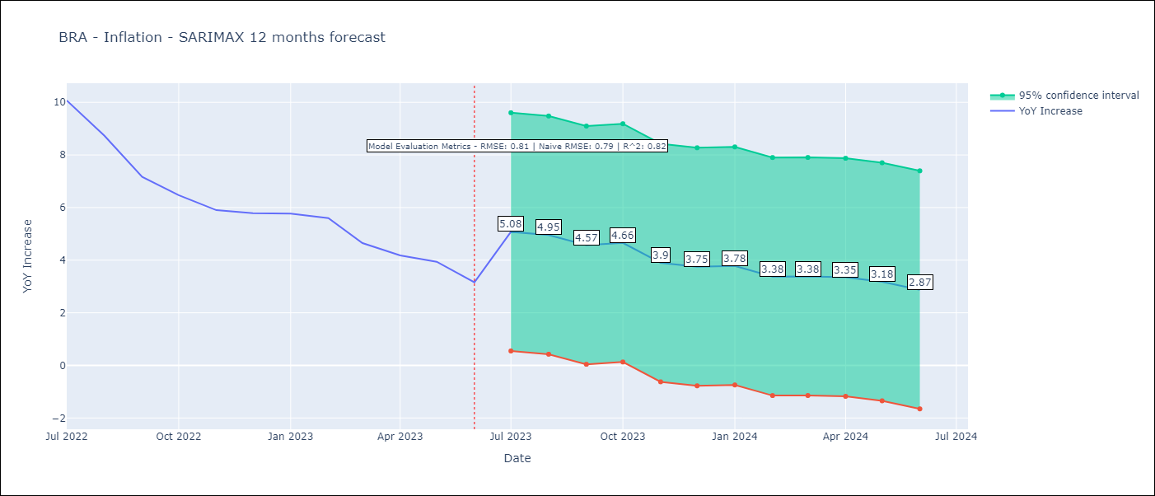

Test Metrics
RMSE | 0.81
Naive RMSE | 0.92
R^2 | 0.82

Test Predictions
Date | Predicted | Actual
2022-07-01 | 10.2 | 10.07
2022-08-01 | 9.55 | 8.73
2022-09-01 | 8.58 | 7.17
2022-10-01 | 8.17 | 6.47
2022-11-01 | 5.93 | 5.9
2022-12-01 | 5.68 | 5.79
2023-01-01 | 5.9 | 5.77
2023-02-01 | 5.11 | 5.6
2023-03-01 | 5.22 | 4.65
2023-04-01 | 5.15 | 4.18
2023-05-01 | 4.45 | 3.94
2023-06-01 | 3.81 | 3.16

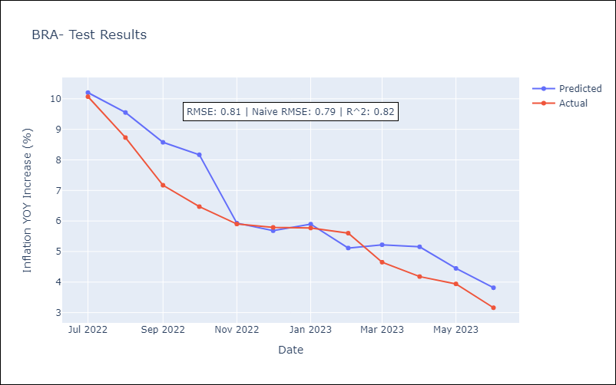

Appendix A: Model Summary
Model | SARIMAX(1, 0, [1], 12)
Sample | 10-01-1997- 06-01-2023
No. of Observations | 309
Terms | P-value (Statistical significance)
Exchange Rate - U.S Dollar | 0.002
Interest Rates (Discount Rate) | 0.000
Interest Rates (Gov Securities/Treasury Bills) | 0.009
Unemployment | 0.029
M1 Money Supply | 0.027
m2 money supply | 0.069
ar.S.L12 | 0.000
ma.S.L12 | 0.987
sigma2 | 0.987
Assumptions | P-value | Interpretation
Ljung-Box (L1) | 0.00 | Residuals are not independent.
Heteroskedasticity | 0.00 | Residuals have different variances.
Jarque-Bera | 0.00 | Residuals are not normally distributed.
Skew | 1.45 | Positive skew - model underestimates the mean.
Kurtosis | 5.05 | Residuals contain more extreme outliers than in a normal distribution.

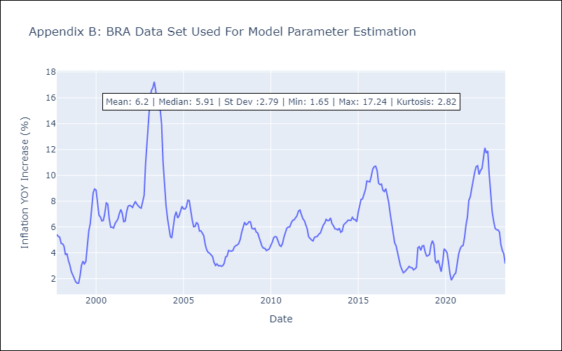

Appendix C: Residuals Analysis
Mean | 0.71
Variance | 7.16
White Noise? | No - Correlation at Lags [ 1 2 3 4 5 6 7 8 9 10 11 12]
Heteroskedastic? - ARCH | Yes
Normal? | No

mx_clean
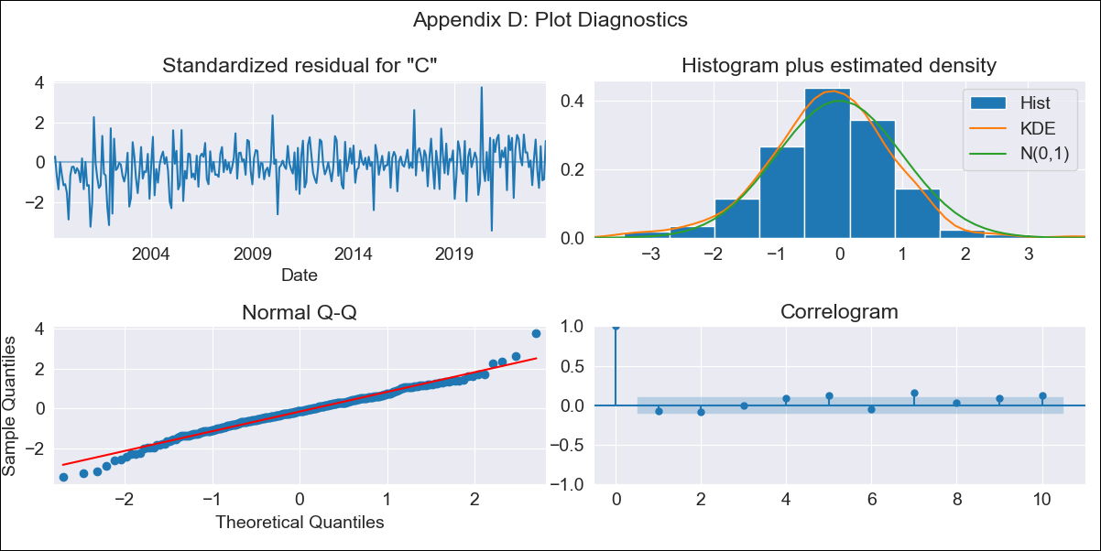

mx_clean - Inflation - Next 12 months forecast as of: 2023-07-01

Model | SARIMAX - [(1, 1, 0), (0, 0, 1, 12)] | Exogenous Variables | exchange rate, interest rate (gov securities/treasury bills), interest rate (90-day rates/yields), hourly earnings (manufacturing), energy CPI
Training Data | 1998-01-01 to 2022-08-01
Test Data | 2022-08-01 to 2023-07-01

Date | Inflation Change YoY % | Lower Bound - 95% Confidence Interval | Upper Bound - 95% Confidence Interval
2023-08-01 | 4.48 | 3.95 | 5.01
2023-09-01 | 4.33 | 3.33 | 5.34
2023-10-01 | 4.37 | 2.92 | 5.82
2023-11-01 | 4.52 | 2.66 | 6.38
2023-12-01 | 4.59 | 2.35 | 6.83
2024-01-01 | 4.52 | 1.93 | 7.1
2024-02-01 | 4.47 | 1.57 | 7.37
2024-03-01 | 4.69 | 1.5 | 7.88
2024-04-01 | 4.59 | 1.13 | 8.05
2024-05-01 | 4.77 | 1.05 | 8.48
2024-06-01 | 5.04 | 1.09 | 8.99
2024-07-01 | 5.2 | 1.02 | 9.38

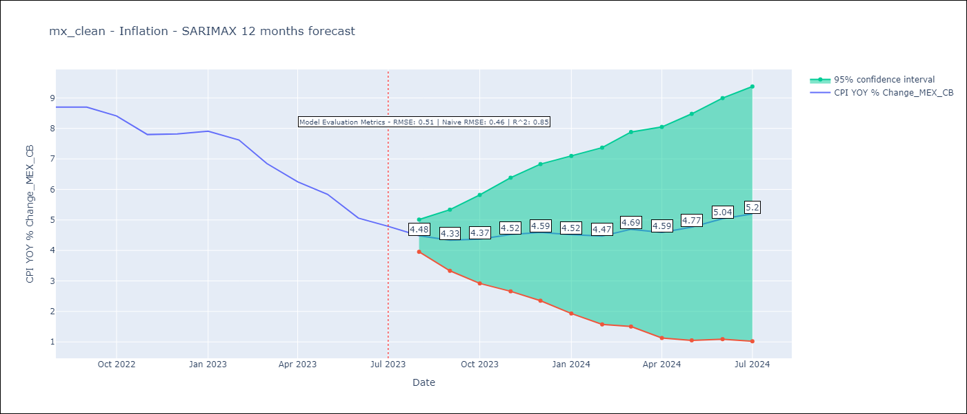

Test Metrics
RMSE | 0.51
Naive RMSE | 0.47
R^2 | 0.85

Test Predictions
Date | Predicted | Actual
2022-08-01 | 8.51 | 8.7
2022-09-01 | 8.46 | 8.7
2022-10-01 | 8.35 | 8.41
2022-11-01 | 7.99 | 7.8
2022-12-01 | 8.12 | 7.82
2023-01-01 | 8.13 | 7.91
2023-02-01 | 7.8 | 7.62
2023-03-01 | 7.34 | 6.85
2023-04-01 | 6.57 | 6.25
2023-05-01 | 6.41 | 5.84
2023-06-01 | 6 | 5.06
2023-07-01 | 5.94 | 4.79

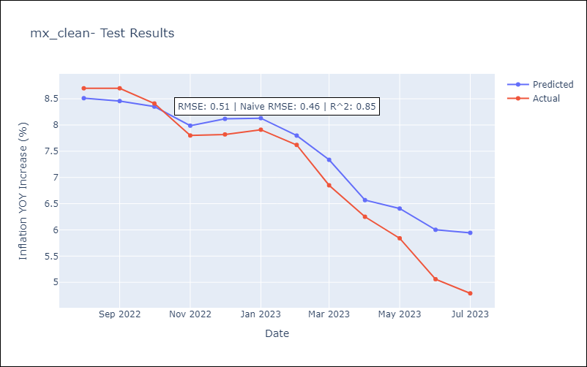

Appendix A: Model Summary
Model | SARIMAX(1, 1, 0)x(0, 0, [1], 12)
Sample | 01-01-1998- 07-01-2023
No. of Observations | 307
Terms | P-value (Statistical significance)
exchange rate | 0.385
interest rate (gov securities/treasury bills) | 0.657
interest rate (90-day rates/yields) | 0.842
hourly earnings (manufacturing) | 0.768
energy CPI | 0.000
ar.L1 | 0.000
ma.S.L12 | 0.000
sigma2 | 0.000
Assumptions | P-value | Interpretation
Ljung-Box (L1) | 0.20 | Residuals are independent.
Heteroskedasticity | 0.17 | Residuals have the same variance.
Jarque-Bera | 0.00 | Residuals are not normally distributed.
Skew | -0.17 | Negative skew - Model overestimates the mean.
Kurtosis | 4.19 | Residuals contain more extreme outliers than in a normal distribution.

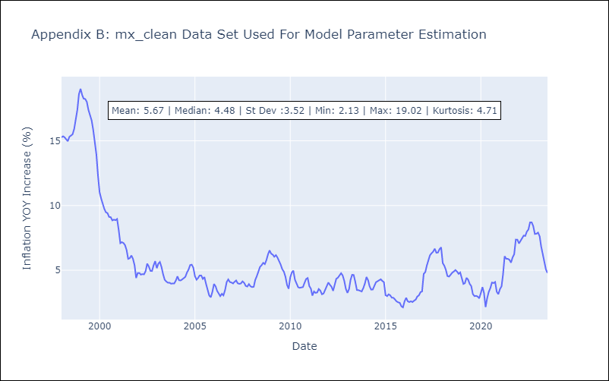

Appendix C: Residuals Analysis
Mean | -0.01
Variance | 0.83
White Noise? | No - Correlation at Lags [ 1 2 3 4 5 6 7 8 9 10 11 12]
Heteroskedastic? - ARCH | Yes
Normal? | No

MEX
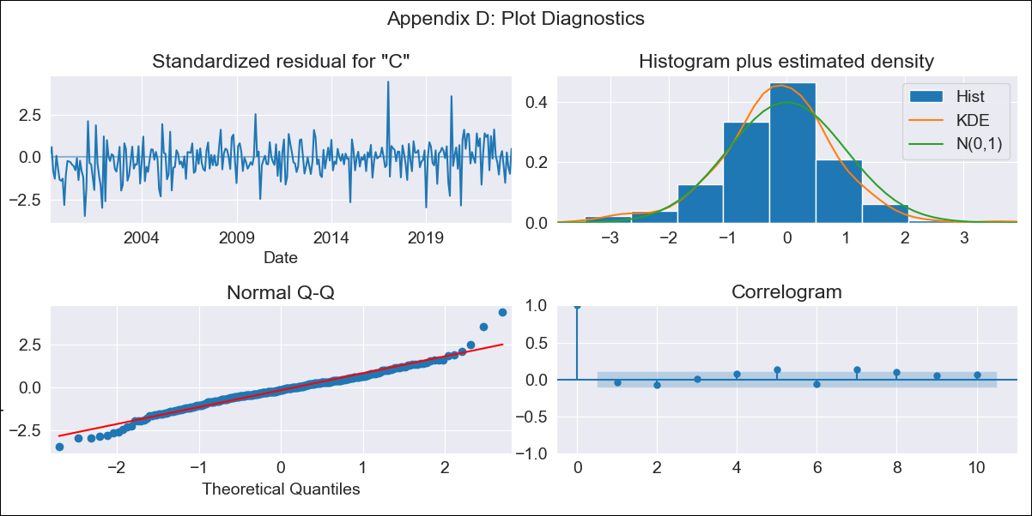

MEX - Inflation - Next 12 months forecast as of: 2023-07-01

Model | SARIMAX - [(1, 1, 0), (0, 0, 1, 12)] | Exogenous Variables | exchange rate, interest rate (gov securities/treasury bills), interest rate (90-day rates/yields), hourly earnings (manufacturing), energy CPI
Training Data | 1998-01-01 to 2022-08-01
Test Data | 2022-08-01 to 2023-07-01

Date | Inflation Change YoY % | Lower Bound - 95% Confidence Interval | Upper Bound - 95% Confidence Interval
2023-08-01 | 4.41 | 3.86 | 4.96
2023-09-01 | 4.22 | 3.2 | 5.25
2023-10-01 | 4.28 | 2.82 | 5.74
2023-11-01 | 4.49 | 2.63 | 6.34
2023-12-01 | 4.62 | 2.41 | 6.82
2024-01-01 | 4.63 | 2.11 | 7.16
2024-02-01 | 4.79 | 1.98 | 7.61
2024-03-01 | 5.23 | 2.15 | 8.31
2024-04-01 | 5.45 | 2.11 | 8.78
2024-05-01 | 5.8 | 2.24 | 9.36
2024-06-01 | 6.26 | 2.47 | 10.04
2024-07-01 | 6.47 | 2.48 | 10.46

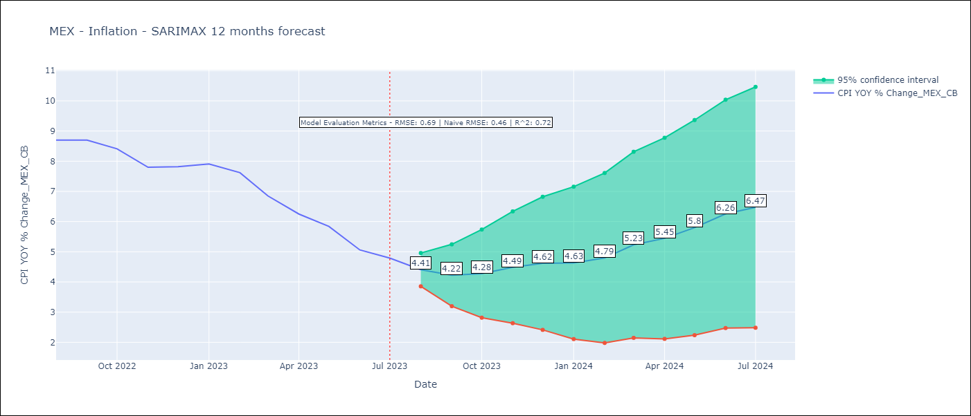

Test Metrics
RMSE | 0.69
Naive RMSE | 0.47
R^2 | 0.72

Test Predictions
Date | Predicted | Actual
2022-08-01 | 8.26 | 8.7
2022-09-01 | 7.99 | 8.7
2022-10-01 | 7.7 | 8.41
2022-11-01 | 7.48 | 7.8
2022-12-01 | 7.76 | 7.82
2023-01-01 | 7.97 | 7.91
2023-02-01 | 7.75 | 7.62
2023-03-01 | 7.42 | 6.85
2023-04-01 | 6.96 | 6.25
2023-05-01 | 6.72 | 5.84
2023-06-01 | 6.24 | 5.06
2023-07-01 | 5.96 | 4.79

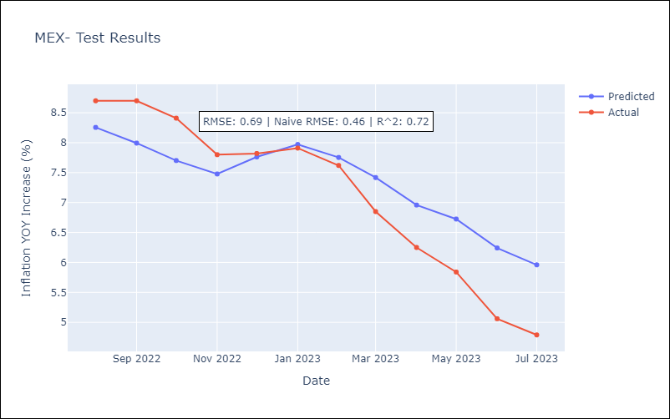

Appendix A: Model Summary
Model | SARIMAX(1, 1, 0)x(0, 0, [1], 12)
Sample | 01-01-1998- 07-01-2023
No. of Observations | 307
Terms | P-value (Statistical significance)
exchange rate | 0.689
interest rate (gov securities/treasury bills) | 0.792
interest rate (90-day rates/yields) | 0.987
hourly earnings (manufacturing) | 0.458
energy CPI | 0.000
ar.L1 | 0.000
ma.S.L12 | 0.000
sigma2 | 0.000
Assumptions | P-value | Interpretation
Ljung-Box (L1) | 0.50 | Residuals are independent.
Heteroskedasticity | 0.49 | Residuals have the same variance.
Jarque-Bera | 0.00 | Residuals are not normally distributed.
Skew | 0.08 | Positive skew - model underestimates the mean.
Kurtosis | 5.26 | Residuals contain more extreme outliers than in a normal distribution.

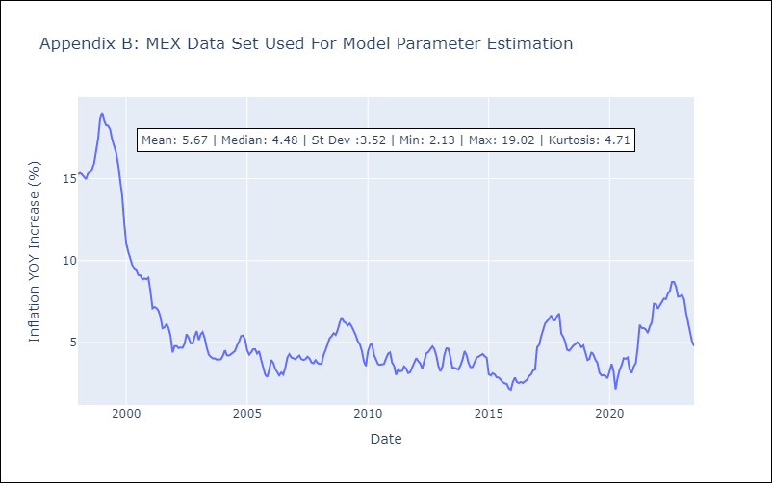

Appendix C: Residuals Analysis
Mean | -0.02
Variance | 0.33
White Noise? | No - Correlation at Lags [1]
Heteroskedastic? - ARCH | No
Normal? | No

CHL


CHL - Inflation - Next 12 months forecast as of: 2023-07-01

Model | SARIMAX - [(1, 1, 1), (0, 0, 1, 12)] | Exogenous Variables | interest rates (90-day rates/yields), interest rates (long term government bond yields), unemployment, m1 money supply, spot exchange rate
Training Data | 2005-07-01 to 2022-08-01
Test Data | 2022-08-01 to 2023-07-01

Date | Inflation Change YoY % | Lower Bound - 95% Confidence Interval | Upper Bound - 95% Confidence Interval
2023-08-01 | 5.6 | 4.81 | 6.4
2023-09-01 | 5.27 | 3.95 | 6.59
2023-10-01 | 5.31 | 3.49 | 7.13
2023-11-01 | 4.82 | 2.52 | 7.11
2023-12-01 | 4.8 | 2.04 | 7.55
2024-01-01 | 4.83 | 1.64 | 8.02
2024-02-01 | 5 | 1.39 | 8.6
2024-03-01 | 5.28 | 1.28 | 9.28
2024-04-01 | 5.57 | 1.19 | 9.95
2024-05-01 | 5.94 | 1.21 | 10.67
2024-06-01 | 6.12 | 1.05 | 11.19
2024-07-01 | 6.35 | 0.95 | 11.74

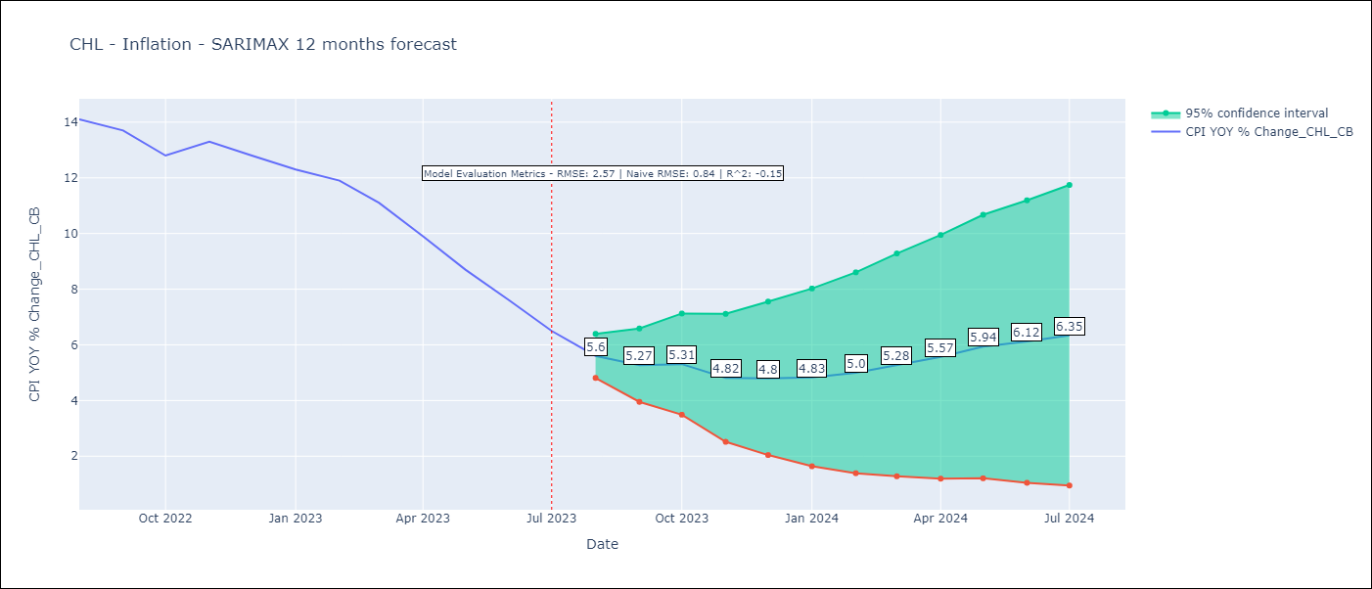

Test Metrics
RMSE | 2.57
Naive RMSE | 0.86
R^2 | -0.15

Test Predictions
Date | Predicted | Actual
2022-08-01 | 13.46 | 14.1
2022-09-01 | 13.41 | 13.7
2022-10-01 | 13.42 | 12.8
2022-11-01 | 13.58 | 13.3
2022-12-01 | 13.61 | 12.8
2023-01-01 | 13.65 | 12.3
2023-02-01 | 13.87 | 11.9
2023-03-01 | 13.69 | 11.1
2023-04-01 | 13.06 | 9.9
2023-05-01 | 12.58 | 8.7
2023-06-01 | 11.81 | 7.6
2023-07-01 | 11.22 | 6.5

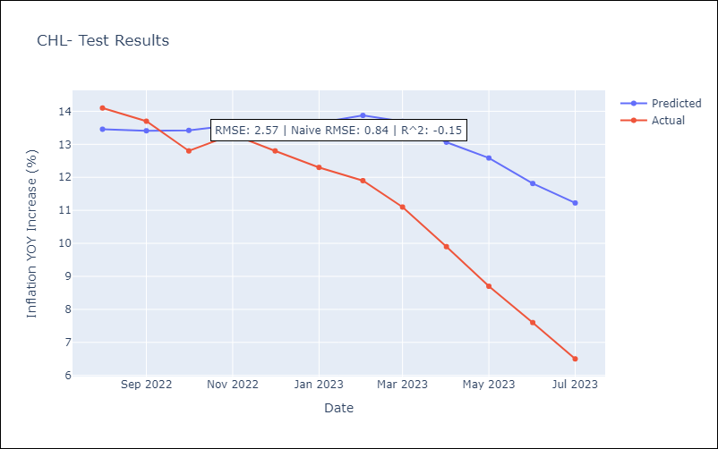

Appendix A: Model Summary
Model | SARIMAX(1, 1, 1)x(0, 0, 1, 12)
Sample | 07-01-2005- 07-01-2023
No. of Observations | 217
Terms | P-value (Statistical significance)
interest rates (90-day rates/yields) | 0.000
interest rates (long term government bond yields) | 0.168
unemployment | 0.218
m1 money supply | 0.593
spot exchange rate | 0.040
ar.L1 | 0.000
ma.L1 | 0.000
ma.S.L12 | 0.000
sigma2 | 0.000
Assumptions | P-value | Interpretation
Ljung-Box (L1) | 0.88 | Residuals are independent.
Heteroskedasticity | 0.02 | Residuals have different variances.
Jarque-Bera | 0.08 | Residuals are normally distributed.
Skew | -0.06 | Negative skew - Model overestimates the mean.
Kurtosis | 3.76 | Residuals contain more extreme outliers than in a normal distribution.

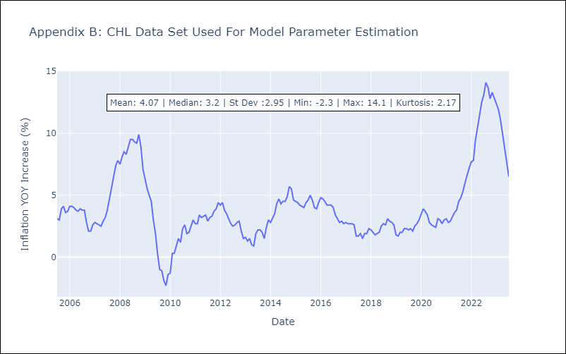

Appendix C: Residuals Analysis
Mean | 0.03
Variance | 0.35
White Noise? | No - Correlation at Lags [1 2 3 4 5]
Heteroskedastic? - ARCH | Yes
Normal? | No

COL
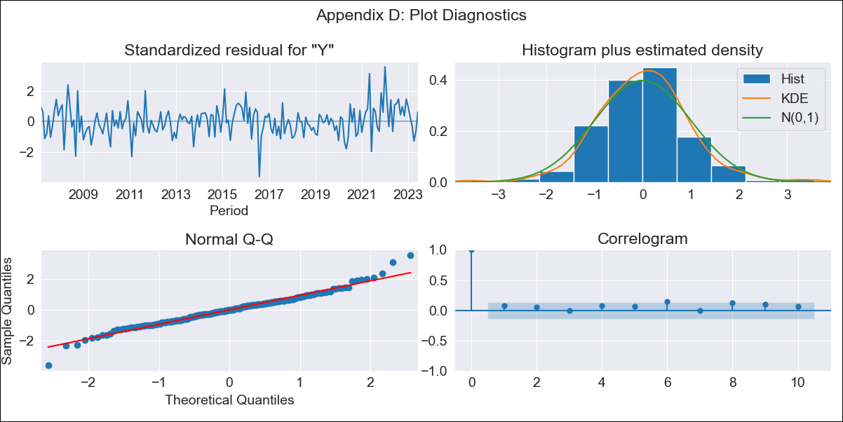

COL - Inflation - Next 12 months forecast as of: 2023-06-01

Model | SARIMAX - [(2, 0, 1), (3, 0, 0, 12)] | Exogenous Variables | interest rates (long term bond yields), m1 money supply, exchange rate, uncertainty index
Training Data | 2004-01-01 to 2022-07-01
Test Data | 2022-07-01 to 2023-06-01

Date | Inflation Change YoY % | Lower Bound - 95% Confidence Interval | Upper Bound - 95% Confidence Interval
2023-07-01 | 11.88 | 11.36 | 12.4
2023-08-01 | 11.54 | 10.59 | 12.49
2023-09-01 | 11.35 | 9.98 | 12.71
2023-10-01 | 11.08 | 9.32 | 12.84
2023-11-01 | 10.86 | 8.73 | 13
2023-12-01 | 10.57 | 8.08 | 13.05
2024-01-01 | 10.19 | 7.37 | 13
2024-02-01 | 9.95 | 6.83 | 13.07
2024-03-01 | 9.94 | 6.52 | 13.36
2024-04-01 | 10.1 | 6.41 | 13.8
2024-05-01 | 10.45 | 6.49 | 14.41
2024-06-01 | 10.49 | 6.28 | 14.7

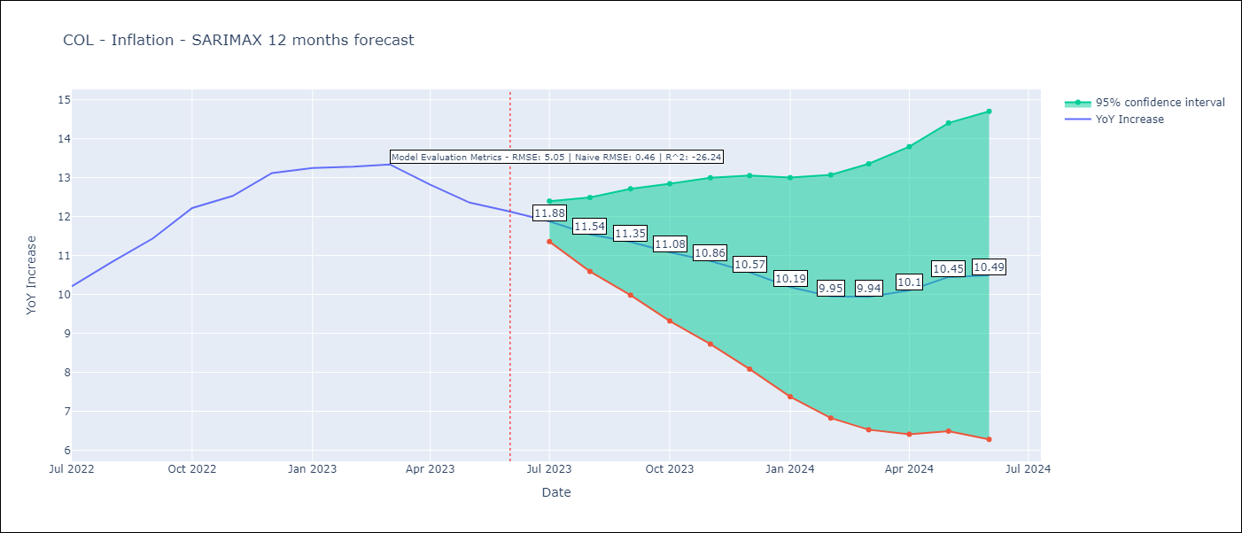

Test Metrics
RMSE | 5.05
Naive RMSE | 0.47
R^2 | -26.24

Test Predictions
Date | Predicted | Actual
2022-07-01 | 9.8 | 10.21
2022-08-01 | 9.58 | 10.84
2022-09-01 | 9.43 | 11.44
2022-10-01 | 9.34 | 12.22
2022-11-01 | 8.91 | 12.53
2022-12-01 | 8.58 | 13.12
2023-01-01 | 7.7 | 13.25
2023-02-01 | 6.96 | 13.28
2023-03-01 | 6.54 | 13.34
2023-04-01 | 5.94 | 12.82
2023-05-01 | 5.64 | 12.36
2023-06-01 | 5.18 | 12.13

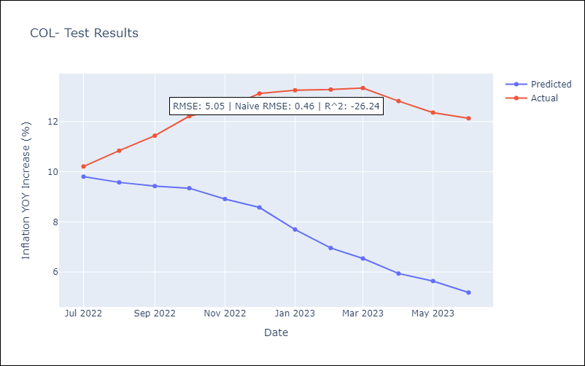

Appendix A: Model Summary
Model | SARIMAX(2, 0, 1)x(3, 0, [], 12)
Sample | 01-01-2004- 06-01-2023
No. of Observations | 234
Terms | P-value (Statistical significance)
interest rates (long term bond yields) | 0.933
m1 money supply | 0.235
exchange rate | 0.442
uncertainty index | 0.728
ar.L1 | 0.000
ar.L2 | 0.000
ma.L1 | 0.340
ar.S.L12 | 0.000
ar.S.L24 | 0.001
ar.S.L36 | 0.556
sigma2 | 0.000
Assumptions | P-value | Interpretation
Ljung-Box (L1) | 0.30 | Residuals are independent.
Heteroskedasticity | 0.48 | Residuals have the same variance.
Jarque-Bera | 0.00 | Residuals are not normally distributed.
Skew | 0.16 | Positive skew - model underestimates the mean.
Kurtosis | 4.73 | Residuals contain more extreme outliers than in a normal distribution.

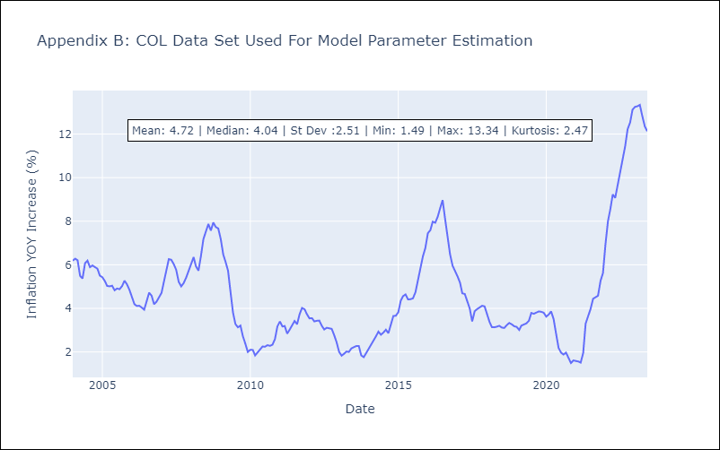

Appendix C: Residuals Analysis
Mean | 0.01
Variance | 0.08
White Noise? | Yes
Heteroskedastic? - ARCH | Yes
Normal? | No

