chl_clean


chl_clean - Inflation - Next 12 months forecast as of: 2023-07-01

Model | SARIMAX - [(1, 1, 1), (0, 0, 1, 12)] | Exogenous Variables | interest rates (90-day rates/yields), interest rates (long term government bond yields), unemployment, M1 Money Supply, spot exchange rate
Training Data | 2005-07-01 to 2022-08-01
Test Data | 2022-08-01 to 2023-07-01

Date | Inflation Change YoY % | Lower Bound - 95% Confidence Interval | Upper Bound - 95% Confidence Interval
2023-08-01 | 5.59 | 4.8 | 6.38
2023-09-01 | 5.24 | 3.93 | 6.55
2023-10-01 | 5.26 | 3.45 | 7.07
2023-11-01 | 4.76 | 2.46 | 7.05
2023-12-01 | 4.73 | 1.97 | 7.49
2024-01-01 | 4.76 | 1.55 | 7.97
2024-02-01 | 4.88 | 1.24 | 8.52
2024-03-01 | 5.11 | 1.05 | 9.16
2024-04-01 | 5.36 | 0.91 | 9.8
2024-05-01 | 5.69 | 0.86 | 10.51
2024-06-01 | 5.85 | 0.66 | 11.03
2024-07-01 | 6.06 | 0.52 | 11.59

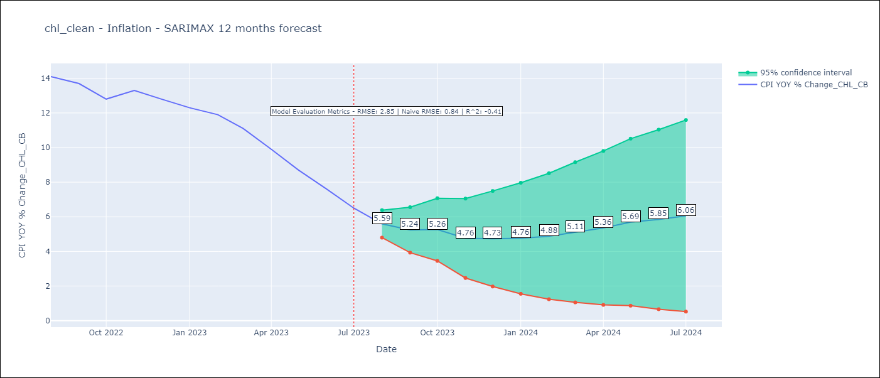

Test Metrics
RMSE | 2.85
Naive RMSE | 0.86
R^2 | -0.41

Test Predictions
Date | Predicted | Actual
2022-08-01 | 13.44 | 14.1
2022-09-01 | 13.41 | 13.7
2022-10-01 | 13.44 | 12.8
2022-11-01 | 13.62 | 13.3
2022-12-01 | 13.68 | 12.8
2023-01-01 | 13.75 | 12.3
2023-02-01 | 14.04 | 11.9
2023-03-01 | 13.94 | 11.1
2023-04-01 | 13.39 | 9.9
2023-05-01 | 13 | 8.7
2023-06-01 | 12.31 | 7.6
2023-07-01 | 11.8 | 6.5

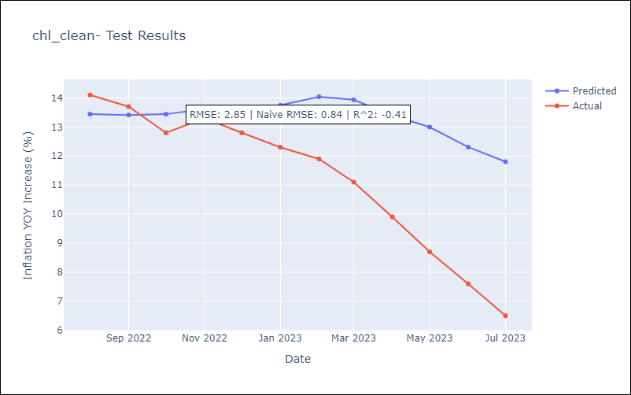

Appendix A: Model Summary
Model | SARIMAX(1, 1, 1)x(0, 0, 1, 12)
Sample | 07-01-2005- 07-01-2023
No. of Observations | 217
Terms | P-value (Statistical significance)
interest rates (90-day rates/yields) | 0.000
interest rates (long term government bond yields) | 0.136
unemployment | 0.251
M1 Money Supply | 0.898
spot exchange rate | 0.063
ar.L1 | 0.000
ma.L1 | 0.000
ma.S.L12 | 0.000
sigma2 | 0.000
Assumptions | P-value | Interpretation
Ljung-Box (L1) | 0.98 | Residuals are independent.
Heteroskedasticity | 0.02 | Residuals have different variances.
Jarque-Bera | 0.08 | Residuals are normally distributed.
Skew | -0.08 | Negative skew - Model overestimates the mean.
Kurtosis | 3.75 | Residuals contain more extreme outliers than in a normal distribution.

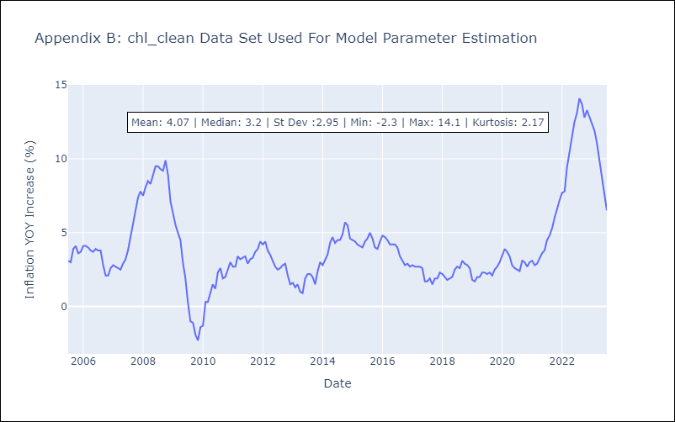

Appendix C: Residuals Analysis
Mean | 0.02
Variance | 0.23
White Noise? | Yes
Heteroskedastic? - ARCH | Yes
Normal? | No

