Chile
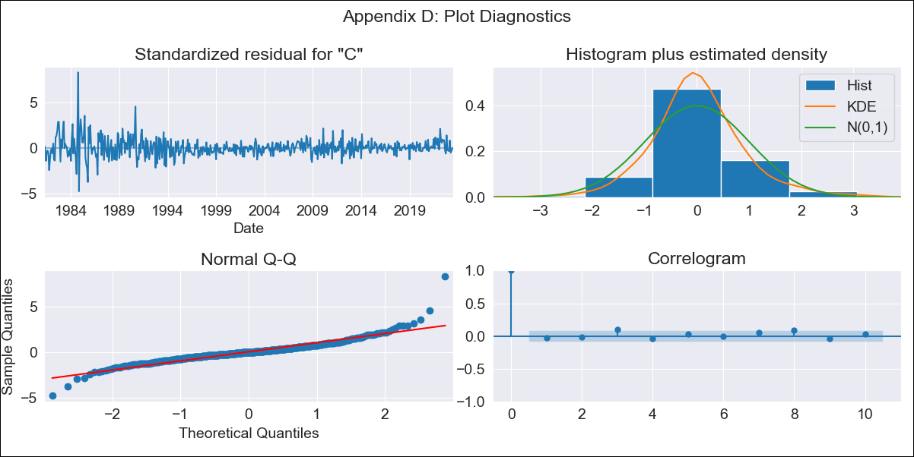
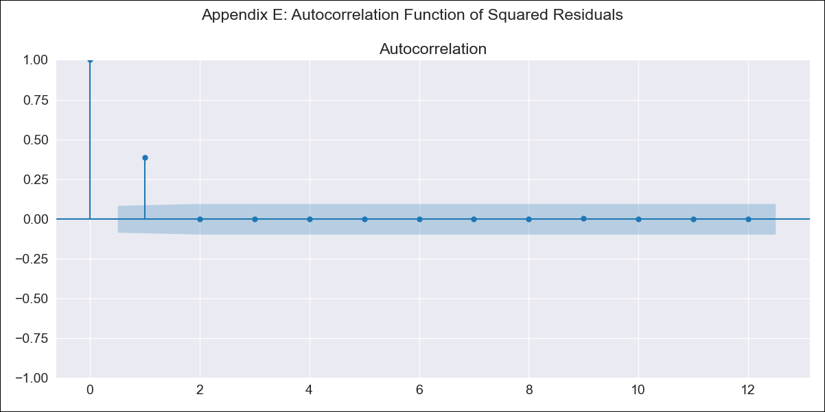
CHL-DO4 - Inflation - Next 12 months forecast as of: 2023-07-01

Model | SARIMAX - [(2, 0, 2), (0, 0, 1, 12)] | Exogenous Variables | spot exchange rate
Training Data | 1980-01-01 to 2022-08-01
Test Data | 2022-08-01 to 2023-07-01

Date | Inflation Change YoY % | Lower Bound - 95% Confidence Interval | Upper Bound - 95% Confidence Interval
2023-08-01 | 5.39 | 3.99 | 6.79
2023-09-01 | 5 | 2.5 | 7.51
2023-10-01 | 5.07 | 1.64 | 8.5
2023-11-01 | 4.18 | -0.08 | 8.44
2023-12-01 | 3.86 | -1.16 | 8.88
2024-01-01 | 3.83 | -1.88 | 9.55
2024-02-01 | 4.01 | -2.35 | 10.36
2024-03-01 | 3.53 | -3.42 | 10.49
2024-04-01 | 3.61 | -3.9 | 11.13
2024-05-01 | 3.84 | -4.2 | 11.87
2024-06-01 | 3.94 | -4.59 | 12.47
2024-07-01 | 4.01 | -4.98 | 13

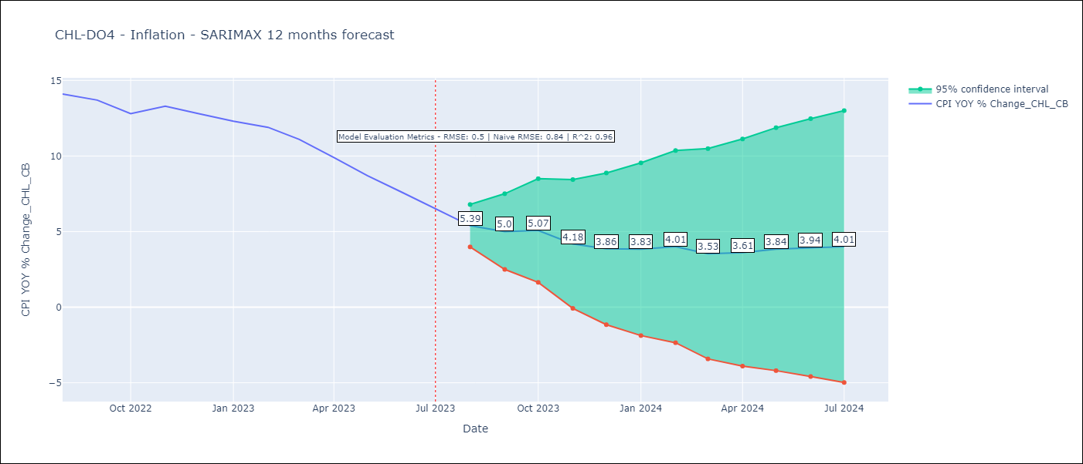

Test Metrics
RMSE | 0.5
Naive RMSE | 0.84
R^2 | 0.96

Test Predictions
Date | Predicted | Actual
2022-08-01 | 13.5 | 14.1
2022-09-01 | 13.19 | 13.7
2022-10-01 | 12.83 | 12.8
2022-11-01 | 12.61 | 13.3
2022-12-01 | 12.01 | 12.8
2023-01-01 | 11.74 | 12.3
2023-02-01 | 11.79 | 11.9
2023-03-01 | 10.58 | 11.1
2023-04-01 | 9.65 | 9.9
2023-05-01 | 8.86 | 8.7
2023-06-01 | 8.02 | 7.6
2023-07-01 | 7.11 | 6.5

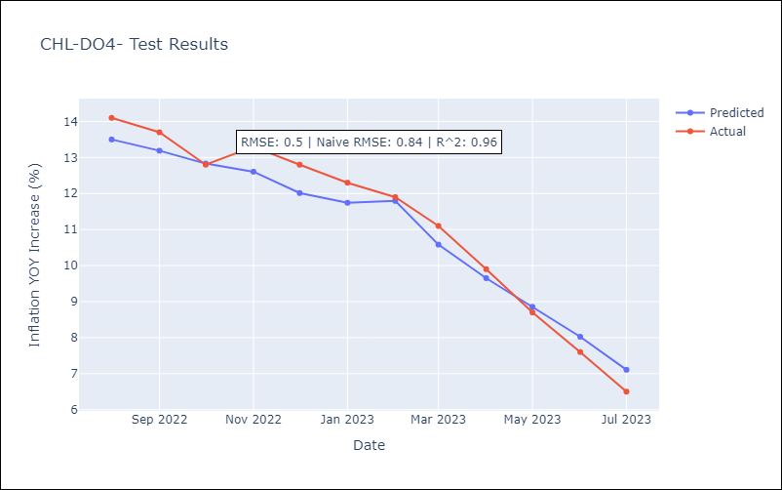

Appendix A: Model Summary
Model | SARIMAX(2, 0, 2)x(0, 0, [1], 12)
Sample | 01-01-1980- 07-01-2023
No. of Observations | 523
Terms | P-value (Statistical significance)
spot exchange rate | 0.111
ar.L1 | 0.000
ar.L2 | 0.000
ma.L1 | 0.004
ma.L2 | 0.004
ma.S.L12 | 0.000
sigma2 | 0.000
Assumptions | P-value | Interpretation
Ljung-Box (L1) | 0.48 | Residuals are independent.
Heteroskedasticity | 0.00 | Residuals have different variances.
Jarque-Bera | 0.00 | Residuals are not normally distributed.
Skew | 1.20 | Positive skew - model underestimates the mean.
Kurtosis | 14.09 | Residuals contain more extreme outliers than in a normal distribution.

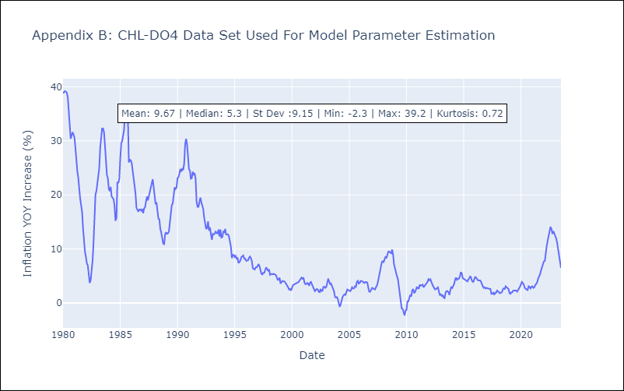

Appendix C: Residuals Analysis
Mean | 0.03
Variance | 4.83
White Noise? | No - Correlation at Lags [ 1 2 3 4 5 6 7 8 9 10 11 12]
Heteroskedastic? - ARCH | Yes
Normal? | No

Mexico
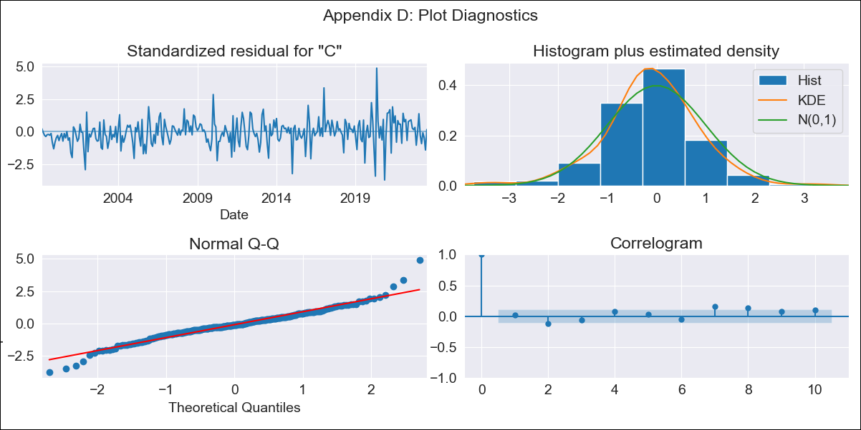

mx_clean - Inflation - Next 12 months forecast as of: 2023-07-01

Model | SARIMAX - [(1, 1, 0), (0, 0, 1, 12)] | Exogenous Variables | exchange rate, interest rate (gov securities/treasury bills), interest rate (90-day rates/yields), hourly earnings (manufacturing), energy CPI
Training Data | 1998-01-01 to 2022-08-01
Test Data | 2022-08-01 to 2023-07-01

Date | Inflation Change YoY % | Lower Bound - 95% Confidence Interval | Upper Bound - 95% Confidence Interval
2023-08-01 | 4.6 | 1.4 | 1.65
2023-09-01 | 4.48 | 1.3 | 1.7
2023-10-01 | 4.5 | 1.24 | 1.76
2023-11-01 | 4.59 | 1.22 | 1.83
2023-12-01 | 4.62 | 1.18 | 1.88
2024-01-01 | 4.55 | 1.13 | 1.9
2024-02-01 | 4.5 | 1.08 | 1.93
2024-03-01 | 4.58 | 1.07 | 1.97
2024-04-01 | 4.51 | 1.02 | 1.99
2024-05-01 | 4.59 | 1.02 | 2.03
2024-06-01 | 4.84 | 1.04 | 2.11
2024-07-01 | 5.14 | 1.08 | 2.2

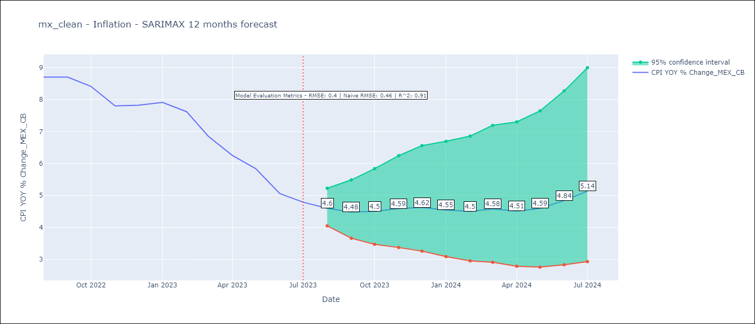

Test Metrics
RMSE | 0.4
Naive RMSE | 0.47
R^2 | 0.91

Test Predictions
Date | Predicted | Actual
2022-08-01 | 8.36 | 8.7
2022-09-01 | 8.13 | 8.7
2022-10-01 | 8 | 8.41
2022-11-01 | 7.73 | 7.8
2022-12-01 | 7.85 | 7.82
2023-01-01 | 7.58 | 7.91
2023-02-01 | 7.18 | 7.62
2023-03-01 | 6.71 | 6.85
2023-04-01 | 5.98 | 6.25
2023-05-01 | 5.77 | 5.84
2023-06-01 | 5.49 | 5.06
2023-07-01 | 5.63 | 4.79

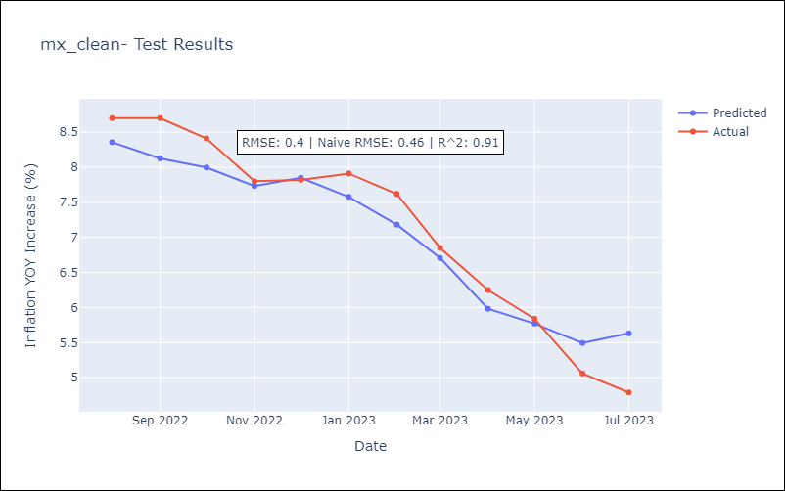

Appendix A: Model Summary
Model | SARIMAX(1, 1, 0)x(0, 0, [1], 12)
Sample | 01-01-1998- 07-01-2023
No. of Observations | 307
Terms | P-value (Statistical significance)
exchange rate | 0.007
interest rate (gov securities/treasury bills) | 0.947
interest rate (90-day rates/yields) | 0.472
hourly earnings (manufacturing) | 0.820
energy CPI | 0.000
ar.L1 | 0.000
ma.S.L12 | 0.000
sigma2 | 0.000
Assumptions | P-value | Interpretation
Ljung-Box (L1) | 0.75 | Residuals are independent.
Heteroskedasticity | 0.00 | Residuals have different variances.
Jarque-Bera | 0.00 | Residuals are not normally distributed.
Skew | 0.13 | Positive skew - model underestimates the mean.
Kurtosis | 6.03 | Residuals contain more extreme outliers than in a normal distribution.

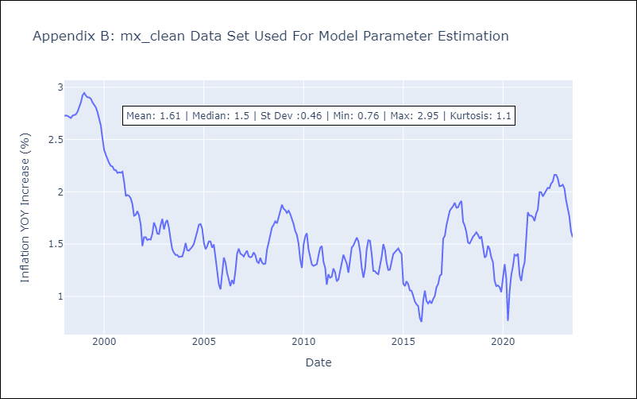

Appendix C: Residuals Analysis
Mean | 0.0
Variance | 0.03
White Noise? | Yes
Heteroskedastic? - ARCH | Yes
Normal? | No

Brazil
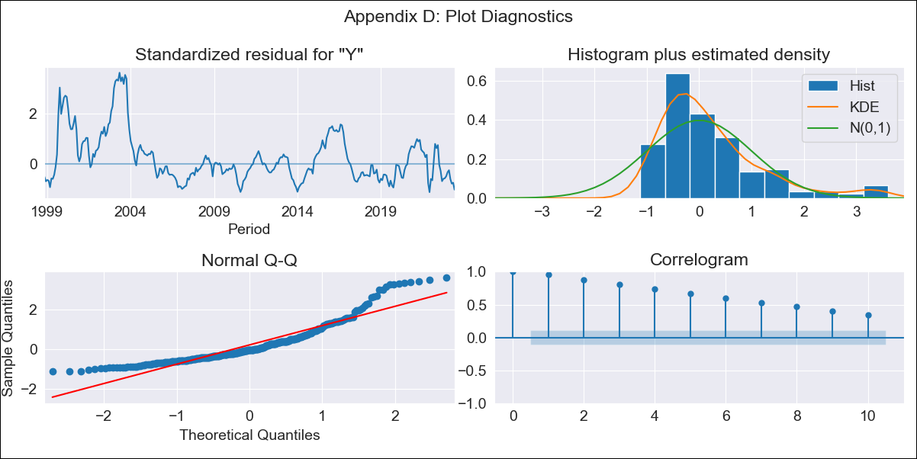
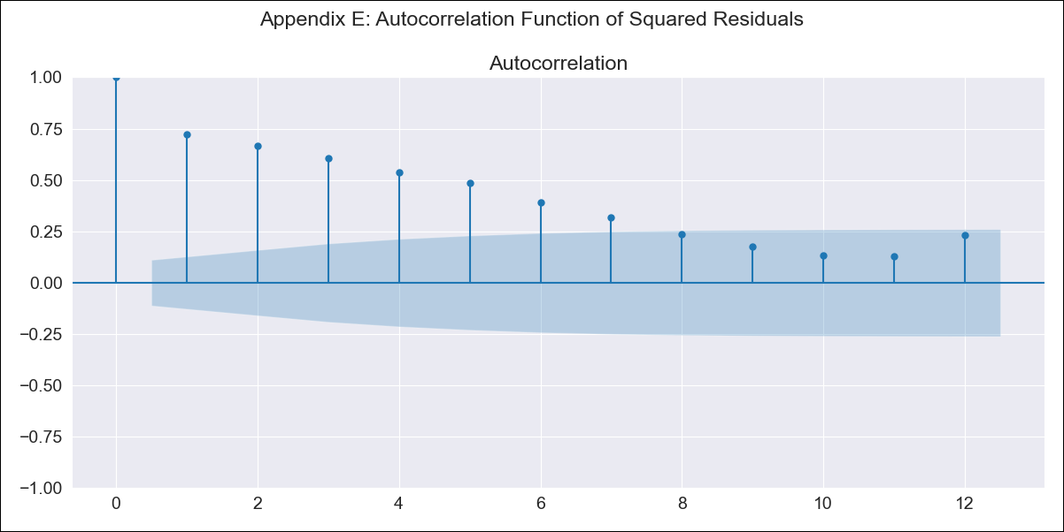
BRA912__1 - Inflation - Next 12 months forecast as of: 2023-06-01

Model | SARIMAX - [(0, 0, 0), (1, 0, 1, 12)] | Exogenous Variables | Exchange Rate - U.S Dollar, Interest Rates (Discount Rate), Interest Rates (Gov Securities/Treasury Bills), Unemployment, M1 Money Supply, m2 money supply
Training Data | 1997-10-01 to 2022-07-01
Test Data | 2022-07-01 to 2023-06-01

Date | Inflation Change YoY % | Lower Bound - 95% Confidence Interval | Upper Bound - 95% Confidence Interval
2023-07-01 | 5.24 | 0.71 | 9.76
2023-08-01 | 5.24 | 0.71 | 9.77
2023-09-01 | 5.01 | 0.49 | 9.54
2023-10-01 | 5.16 | 0.63 | 9.69
2023-11-01 | 4.63 | 0.1 | 9.15
2023-12-01 | 4.69 | 0.17 | 9.22
2024-01-01 | 4.98 | 0.45 | 9.5
2024-02-01 | 4.93 | 0.4 | 9.45
2024-03-01 | 5.11 | 0.58 | 9.63
2024-04-01 | 5.25 | 0.72 | 9.77
2024-05-01 | 5.24 | 0.72 | 9.77
2024-06-01 | 5.16 | 0.64 | 9.69

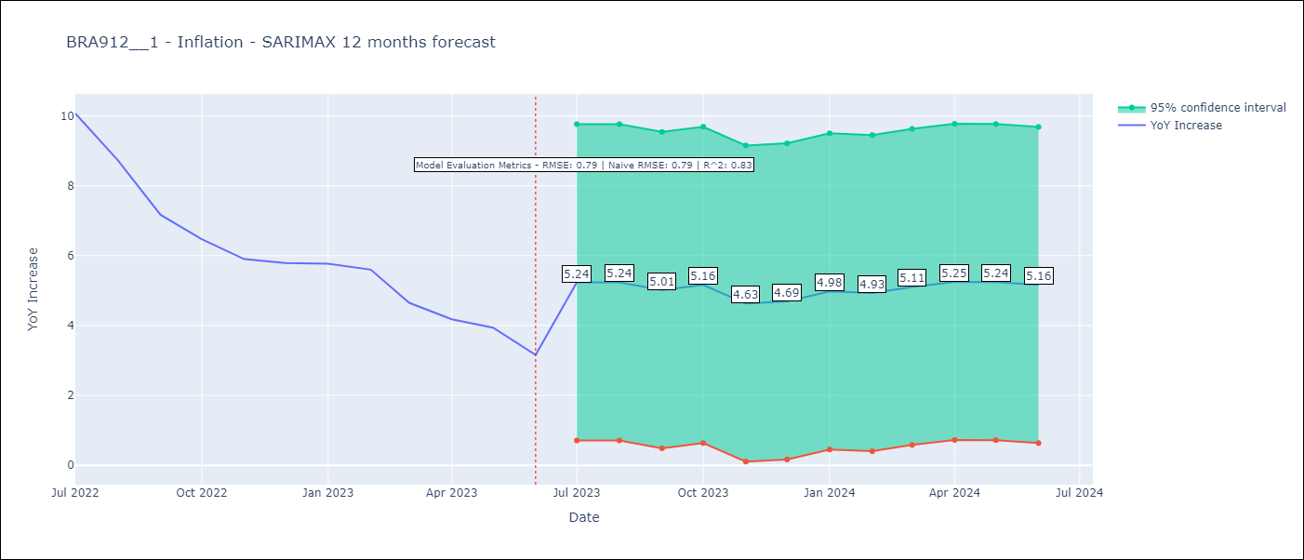

Test Metrics
RMSE | 0.79
Naive RMSE | 0.79
R^2 | 0.83

Test Predictions
Date | Predicted | Actual
2022-07-01 | 10.1 | 10.07
2022-08-01 | 9.45 | 8.73
2022-09-01 | 8.46 | 7.17
2022-10-01 | 8.02 | 6.47
2022-11-01 | 5.92 | 5.9
2022-12-01 | 5.6 | 5.79
2023-01-01 | 5.78 | 5.77
2023-02-01 | 5.09 | 5.6
2023-03-01 | 5.21 | 4.65
2023-04-01 | 5.18 | 4.18
2023-05-01 | 4.59 | 3.94
2023-06-01 | 4.1 | 3.16

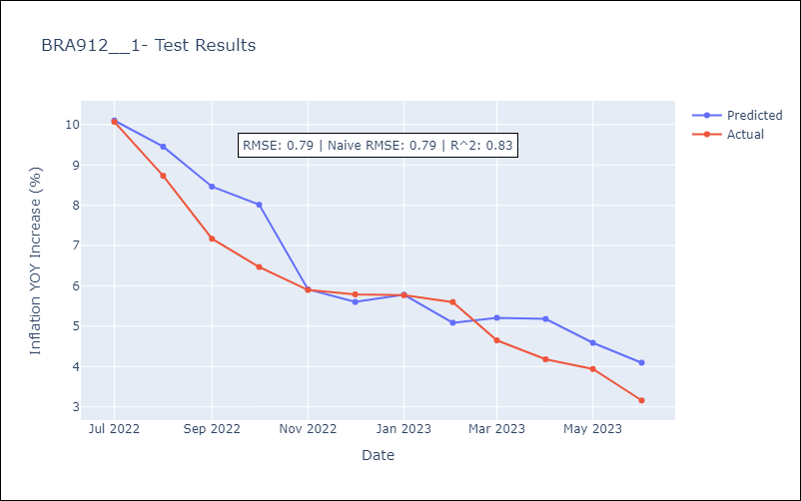

Appendix A: Model Summary
Model | SARIMAX(1, 0, [1], 12)
Sample | 10-01-1997- 06-01-2023
No. of Observations | 309
Terms | P-value (Statistical significance)
Exchange Rate - U.S Dollar | 0.002
Interest Rates (Discount Rate) | 0.000
Interest Rates (Gov Securities/Treasury Bills) | 0.009
Unemployment | 0.029
M1 Money Supply | 0.027
m2 money supply | 0.069
ar.S.L12 | 0.000
ma.S.L12 | 0.987
sigma2 | 0.987
Assumptions | P-value | Interpretation
Ljung-Box (L1) | 0.00 | Residuals are not independent.
Heteroskedasticity | 0.00 | Residuals have different variances.
Jarque-Bera | 0.00 | Residuals are not normally distributed.
Skew | 1.45 | Positive skew - model underestimates the mean.
Kurtosis | 5.05 | Residuals contain more extreme outliers than in a normal distribution.

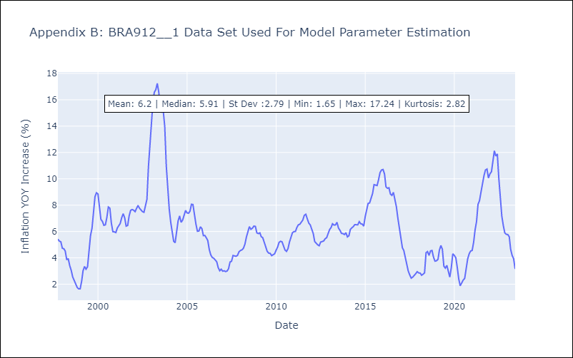

Appendix C: Residuals Analysis
Mean | 0.71
Variance | 7.16
White Noise? | No - Correlation at Lags [ 1 2 3 4 5 6 7 8 9 10 11 12]
Heteroskedastic? - ARCH | Yes
Normal? | No

Honduras
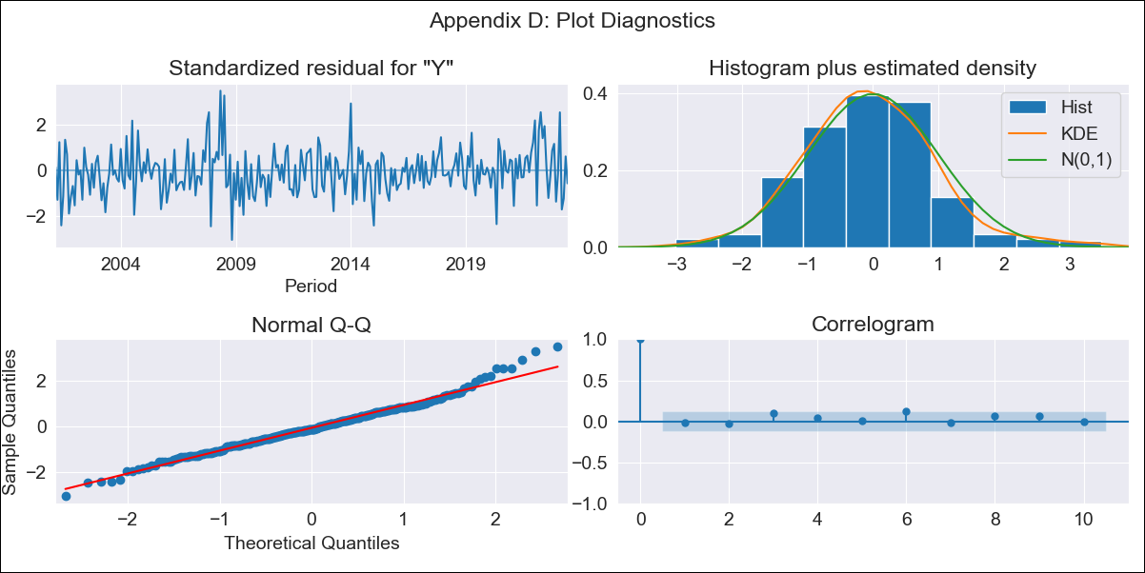

HND1999 - Inflation - Next 12 months forecast as of: 2023-06-01

Model | ARIMA - [(1, 1, 0), (2, 0, 0, 12)]
Training Data | 1999-01-01 to 2022-07-01
Test Data | 2022-07-01 to 2023-06-01

Date | Inflation Change YoY % | Lower Bound - 95% Confidence Interval | Upper Bound - 95% Confidence Interval
2023-07-01 | 5.2 | 4.45 | 5.94
2023-08-01 | 5.42 | 4.15 | 6.69
2023-09-01 | 5.63 | 3.92 | 7.34
2023-10-01 | 5.51 | 3.42 | 7.59
2023-11-01 | 5.2 | 2.79 | 7.61
2023-12-01 | 5.54 | 2.84 | 8.24
2024-01-01 | 5.87 | 2.91 | 8.83
2024-02-01 | 5.16 | 1.95 | 8.36
2024-03-01 | 5.5 | 2.07 | 8.93
2024-04-01 | 6.18 | 2.54 | 9.82
2024-05-01 | 6.55 | 2.71 | 10.39
2024-06-01 | 6.86 | 2.83 | 10.89

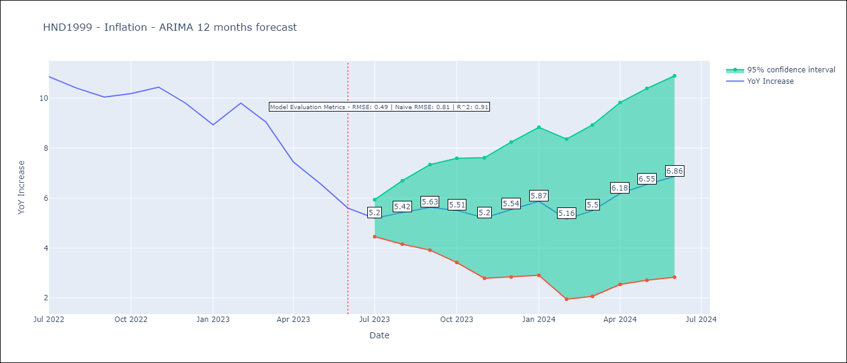

Test Metrics
RMSE | 0.49
Naive RMSE | 0.8
R^2 | 0.91

Test Predictions
Date | Predicted | Actual
2022-07-01 | 10.83 | 10.86
2022-08-01 | 10.83 | 10.4
2022-09-01 | 10.76 | 10.04
2022-10-01 | 10.69 | 10.18
2022-11-01 | 10.43 | 10.44
2022-12-01 | 10.11 | 9.8
2023-01-01 | 9.45 | 8.93
2023-02-01 | 9.42 | 9.8
2023-03-01 | 8.98 | 9.05
2023-04-01 | 8 | 7.44
2023-05-01 | 7.17 | 6.58
2023-06-01 | 6.43 | 5.6

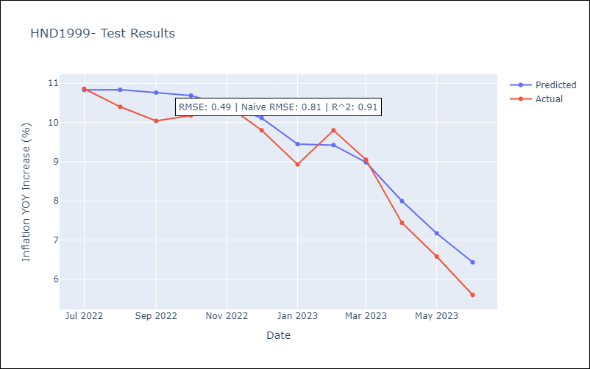

Appendix A: Model Summary
Model | ARIMA(1, 1, 0)x(2, 0, 0, 12)
Sample | 01-01-1999- 06-01-2023
No. of Observations | 294
Terms | P-value (Statistical significance)
ar.L1 | 0.000
ar.S.L12 | 0.000
ar.S.L24 | 0.000
sigma2 | 0.000
Assumptions | P-value | Interpretation
Ljung-Box (L1) | 0.84 | Residuals are independent.
Heteroskedasticity | 0.08 | Residuals have the same variance.
Jarque-Bera | 0.00 | Residuals are not normally distributed.
Skew | 0.35 | Positive skew - model underestimates the mean.
Kurtosis | 3.93 | Residuals contain more extreme outliers than in a normal distribution.

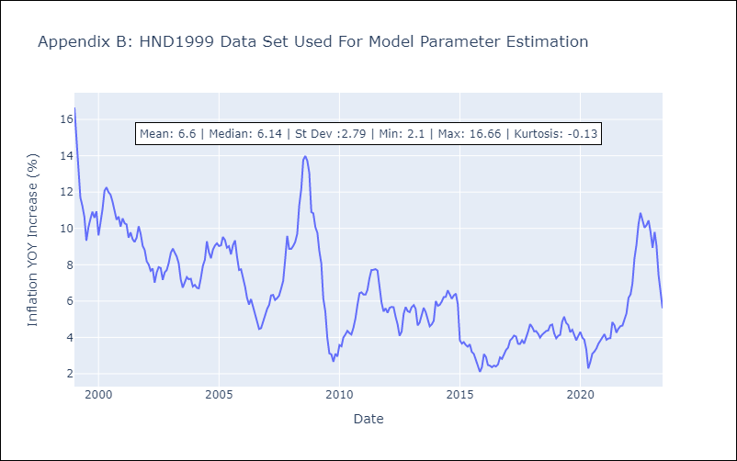

Appendix C: Residuals Analysis
Mean | 0.02
Variance | 1.27
Independent? | No
Heteroskedastic? - Breusch-Pagan | Yes
Heteroskedastic? - Goldfeld-Quandt | Yes
Heteroskedastic? - White | Yes
Heteroskedastic? - ARCH | Yes
Normal? | No

Guatemala
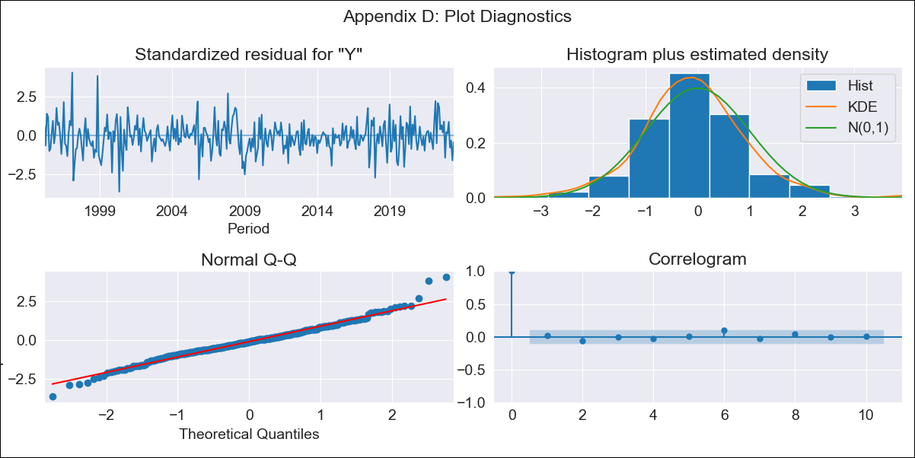

GTM1994 - Inflation - Next 12 months forecast as of: 2023-06-01

Model | ARIMA - [(1, 1, 0), (0, 0, 1, 12)]
Training Data | 1994-01-01 to 2022-07-01
Test Data | 2022-07-01 to 2023-06-01

Date | Inflation Change YoY % | Lower Bound - 95% Confidence Interval | Upper Bound - 95% Confidence Interval
2023-07-01 | 4.18 | 3.24 | 5.13
2023-08-01 | 3.64 | 2.05 | 5.23
2023-09-01 | 3.36 | 1.23 | 5.49
2023-10-01 | 2.89 | 0.31 | 5.46
2023-11-01 | 3.31 | 0.34 | 6.27
2023-12-01 | 3.37 | 0.06 | 6.68
2024-01-01 | 3.34 | -0.29 | 6.96
2024-02-01 | 2.96 | -0.96 | 6.88
2024-03-01 | 3.15 | -1.04 | 7.33
2024-04-01 | 3.35 | -1.09 | 7.79
2024-05-01 | 4.08 | -0.6 | 8.76
2024-06-01 | 4.52 | -0.38 | 9.43

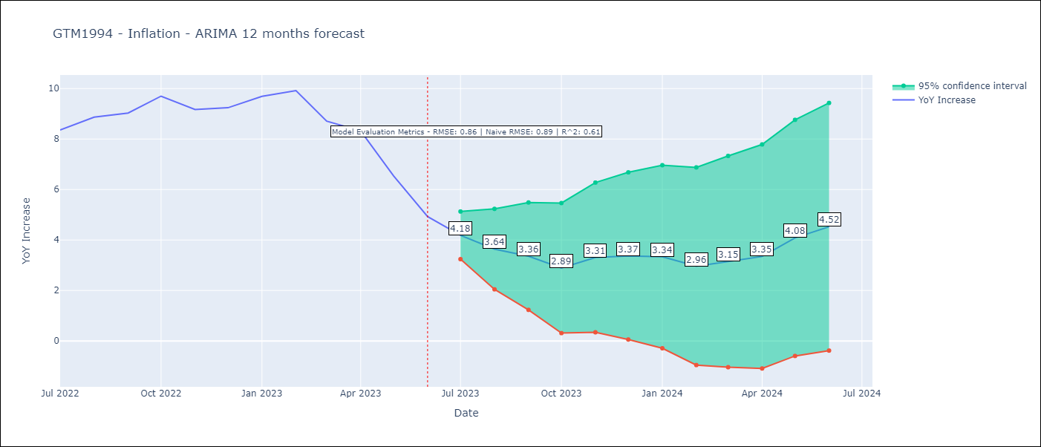

Test Metrics
RMSE | 0.86
Naive RMSE | 0.88
R^2 | 0.61

Test Predictions
Date | Predicted | Actual
2022-07-01 | 8.16 | 8.36
2022-08-01 | 8.27 | 8.87
2022-09-01 | 8.18 | 9.03
2022-10-01 | 8.33 | 9.7
2022-11-01 | 8.3 | 9.17
2022-12-01 | 8.44 | 9.24
2023-01-01 | 8.85 | 9.69
2023-02-01 | 8.63 | 9.92
2023-03-01 | 7.64 | 8.71
2023-04-01 | 7.49 | 8.32
2023-05-01 | 6.57 | 6.54
2023-06-01 | 5.49 | 4.93

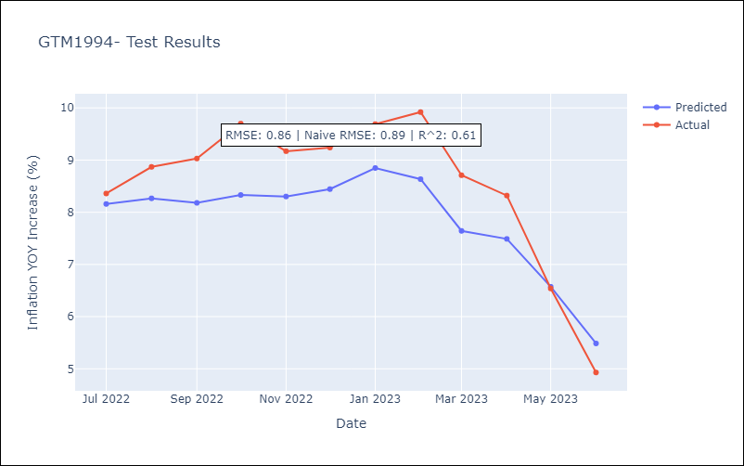

Appendix A: Model Summary
Model | ARIMA(1, 1, 0)x(0, 0, [1], 12)
Sample | 01-01-1994- 06-01-2023
No. of Observations | 354
Terms | P-value (Statistical significance)
ar.L1 | 0.000
ma.S.L12 | 0.000
sigma2 | 0.000
Assumptions | P-value | Interpretation
Ljung-Box (L1) | 0.67 | Residuals are independent.
Heteroskedasticity | 0.03 | Residuals have different variances.
Jarque-Bera | 0.00 | Residuals are not normally distributed.
Skew | 0.20 | Positive skew - model underestimates the mean.
Kurtosis | 4.68 | Residuals contain more extreme outliers than in a normal distribution.

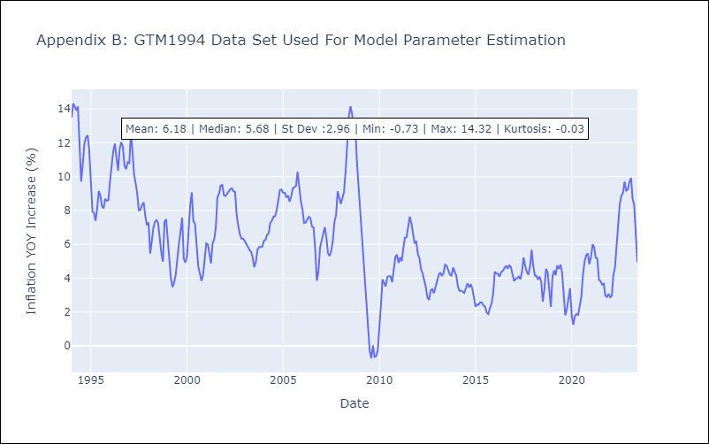

Appendix C: Residuals Analysis
Mean | -0.02
Variance | 0.81
Independent? | No
Heteroskedastic? - Breusch-Pagan | Yes
Heteroskedastic? - Goldfeld-Quandt | Yes
Heteroskedastic? - White | Yes
Heteroskedastic? - ARCH | Yes
Normal? | No

Paraguay
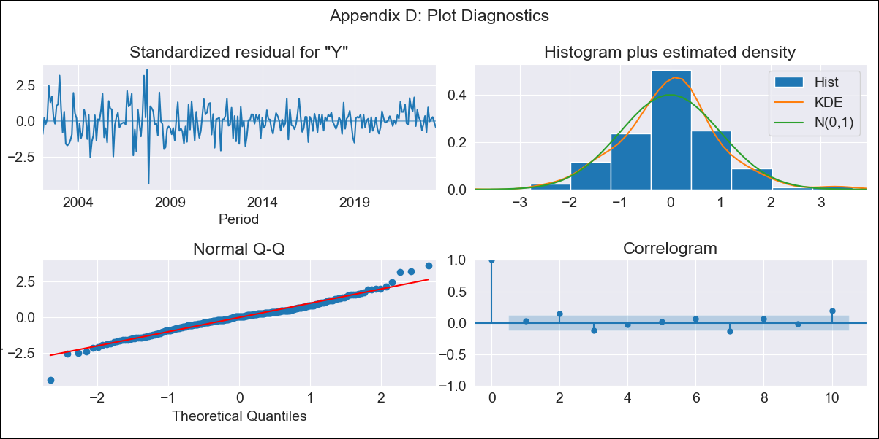

PRY2000 - Inflation - Next 12 months forecast as of: 2023-06-01

Model | ARIMA - [(0, 1, 1), (2, 0, 0, 12)]
Training Data | 2000-01-01 to 2022-07-01
Test Data | 2022-07-01 to 2023-06-01

Date | Inflation Change YoY % | Lower Bound - 95% Confidence Interval | Upper Bound - 95% Confidence Interval
2023-07-01 | 4.26 | 2.48 | 6.04
2023-08-01 | 4.51 | 1.79 | 7.22
2023-09-01 | 5.12 | 1.73 | 8.52
2023-10-01 | 5.64 | 1.67 | 9.6
2023-11-01 | 5.52 | 1.06 | 9.98
2023-12-01 | 5.92 | 1.01 | 10.83
2024-01-01 | 5.69 | 0.37 | 11
2024-02-01 | 5.86 | 0.16 | 11.55
2024-03-01 | 5.88 | -0.17 | 11.94
2024-04-01 | 6.06 | -0.33 | 12.45
2024-05-01 | 6.39 | -0.32 | 13.09
2024-06-01 | 7 | -0.01 | 14.01

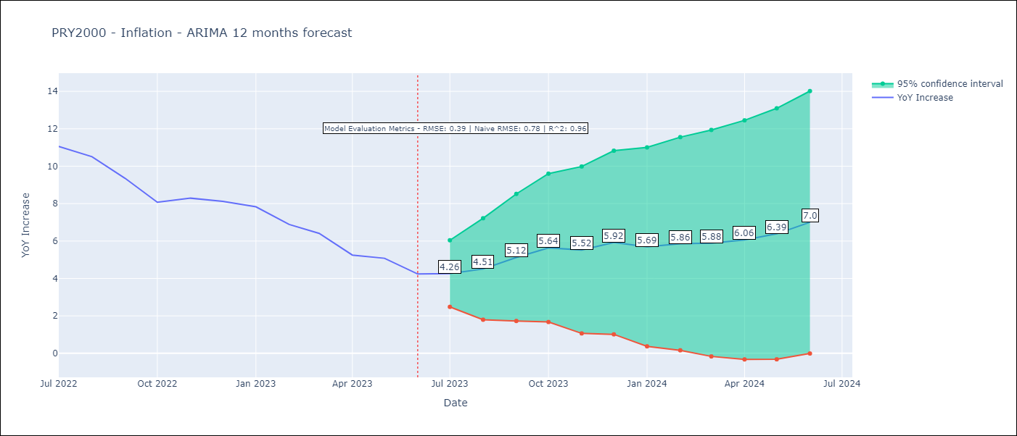

Test Metrics
RMSE | 0.39
Naive RMSE | 0.76
R^2 | 0.96

Test Predictions
Date | Predicted | Actual
2022-07-01 | 10.81 | 11.05
2022-08-01 | 10.2 | 10.51
2022-09-01 | 9.6 | 9.35
2022-10-01 | 8.6 | 8.07
2022-11-01 | 8.51 | 8.29
2022-12-01 | 9 | 8.12
2023-01-01 | 7.92 | 7.83
2023-02-01 | 6.86 | 6.88
2023-03-01 | 6.24 | 6.41
2023-04-01 | 4.77 | 5.25
2023-05-01 | 4.62 | 5.08
2023-06-01 | 4.16 | 4.24

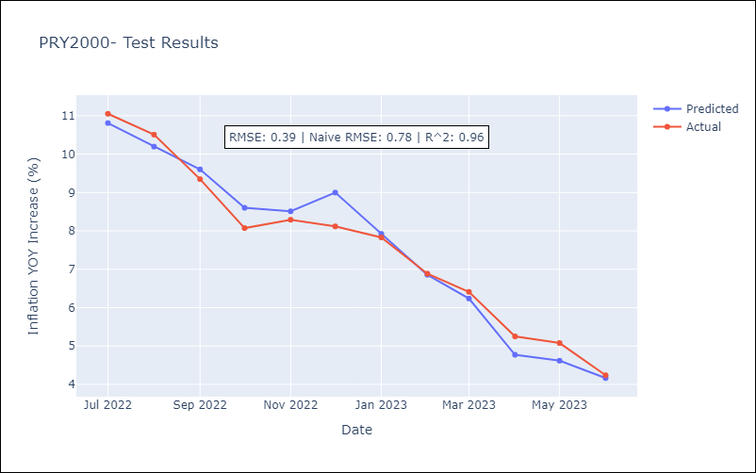

Appendix A: Model Summary
Model | ARIMA(0, 1, 1)x(2, 0, [], 12)
Sample | 01-01-2000- 06-01-2023
No. of Observations | 282
Terms | P-value (Statistical significance)
ma.L1 | 0.003
ar.S.L12 | 0.000
ar.S.L24 | 0.000
sigma2 | 0.000
Assumptions | P-value | Interpretation
Ljung-Box (L1) | 0.69 | Residuals are independent.
Heteroskedasticity | 0.00 | Residuals have different variances.
Jarque-Bera | 0.00 | Residuals are not normally distributed.
Skew | -0.03 | Negative skew - Model overestimates the mean.
Kurtosis | 5.02 | Residuals contain more extreme outliers than in a normal distribution.

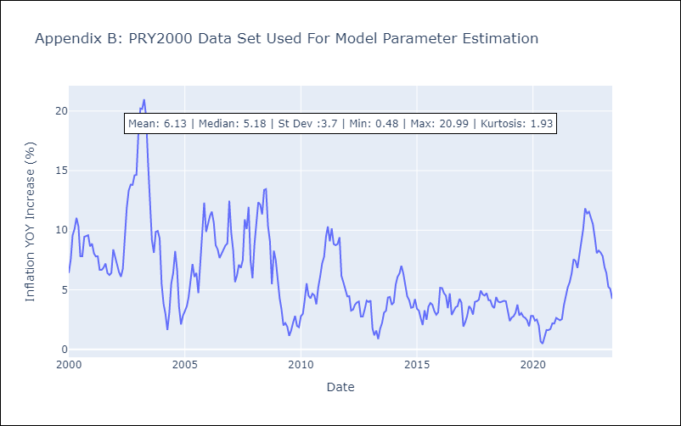

Appendix C: Residuals Analysis
Mean | 0.04
Variance | 1.02
Independent? | No
Heteroskedastic? - Breusch-Pagan | Yes
Heteroskedastic? - Goldfeld-Quandt | Yes
Heteroskedastic? - White | Yes
Heteroskedastic? - ARCH | Yes
Normal? | No

Dominican Republic
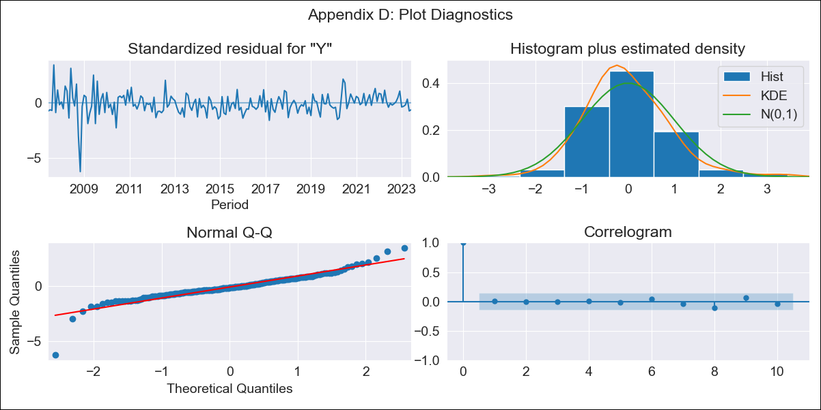

DOM - Inflation - Next 12 months forecast as of: 2023-06-01

Model | ARIMA - [(0, 1, 3), (0, 0, 2, 12)]
Training Data | 2005-01-01 to 2022-07-01
Test Data | 2022-07-01 to 2023-06-01

Date | Inflation Change YoY % | Lower Bound - 95% Confidence Interval | Upper Bound - 95% Confidence Interval
2023-07-01 | 3.83 | 2.72 | 4.94
2023-08-01 | 3.94 | 1.99 | 5.89
2023-09-01 | 4.03 | 1.34 | 6.71
2023-10-01 | 4.06 | 0.74 | 7.37
2023-11-01 | 3.87 | 0.02 | 7.72
2023-12-01 | 3.13 | -1.19 | 7.44
2024-01-01 | 3.07 | -1.67 | 7.81
2024-02-01 | 3.27 | -1.85 | 8.4
2024-03-01 | 3.48 | -2 | 8.96
2024-04-01 | 3.47 | -2.35 | 9.29
2024-05-01 | 3.9 | -2.24 | 10.04
2024-06-01 | 4.42 | -2.02 | 10.86

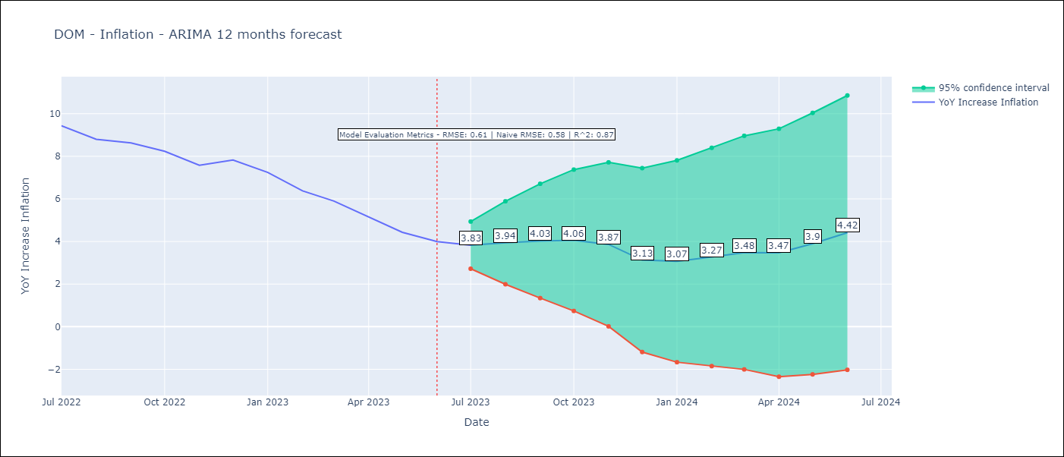

Test Metrics
RMSE | 0.61
Naive RMSE | 0.58
R^2 | 0.87

Test Predictions
Date | Predicted | Actual
2022-07-01 | 9.45 | 9.43
2022-08-01 | 8.92 | 8.8
2022-09-01 | 8.83 | 8.63
2022-10-01 | 8.41 | 8.24
2022-11-01 | 7.46 | 7.58
2022-12-01 | 6.95 | 7.83
2023-01-01 | 6.23 | 7.24
2023-02-01 | 5.46 | 6.38
2023-03-01 | 5.13 | 5.9
2023-04-01 | 4.27 | 5.15
2023-05-01 | 3.9 | 4.43
2023-06-01 | 3.95 | 4

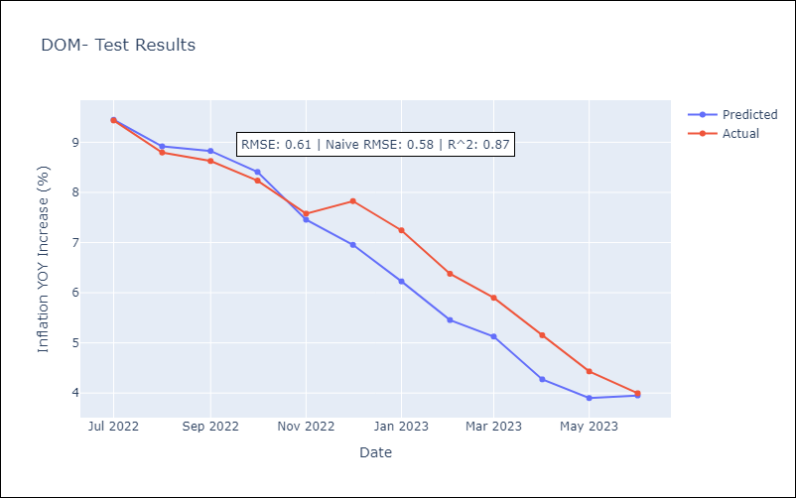

Appendix A: Model Summary
Model | ARIMA(0, 1, 3)x(0, 0, [1, 2], 12)
Sample | 01-01-2005- 06-01-2023
No. of Observations | 222
Terms | P-value (Statistical significance)
ma.L1 | 0.000
ma.L2 | 0.022
ma.L3 | 0.175
ma.S.L12 | 0.000
ma.S.L24 | 0.084
sigma2 | 0.000
Assumptions | P-value | Interpretation
Ljung-Box (L1) | 0.94 | Residuals are independent.
Heteroskedasticity | 0.00 | Residuals have different variances.
Jarque-Bera | 0.00 | Residuals are not normally distributed.
Skew | -0.72 | Negative skew - Model overestimates the mean.
Kurtosis | 10.56 | Residuals contain more extreme outliers than in a normal distribution.

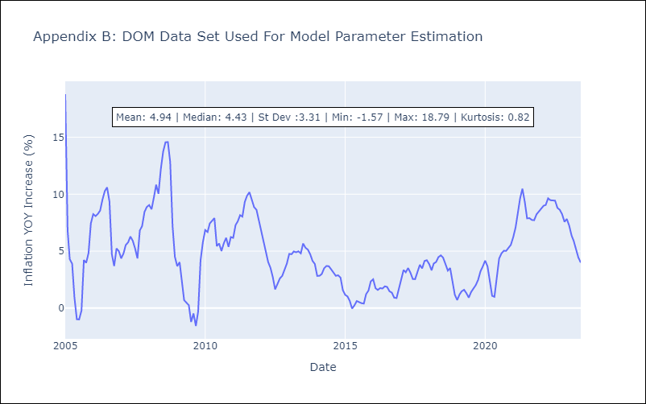

Appendix C: Residuals Analysis
Mean | -0.01
Variance | 2.97
White Noise? | No - Correlation at Lags [ 1 2 3 4 5 6 7 8 9 10 11 12]
Heteroskedastic? - ARCH | No
Normal? | No

Costa Rica
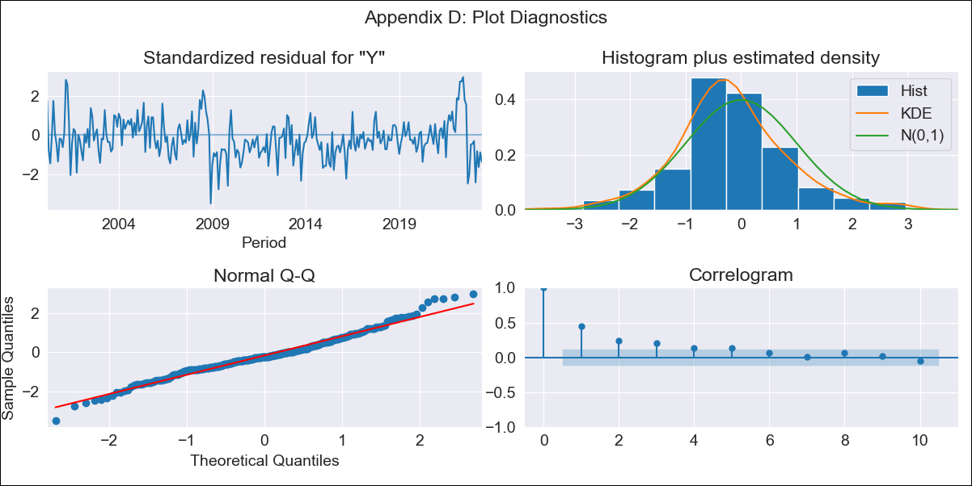

CRI1999 - Inflation - Next 12 months forecast as of: 2023-06-01

Model | ARIMA - [(0, 1, 0), (0, 0, 1, 12)]
Training Data | 1999-01-01 to 2022-07-01
Test Data | 2022-07-01 to 2023-06-01

Date | Inflation Change YoY % | Lower Bound - 95% Confidence Interval | Upper Bound - 95% Confidence Interval
2023-07-01 | -1.74 | -2.81 | -0.66
2023-08-01 | -2.35 | -3.87 | -0.83
2023-09-01 | -1.37 | -3.23 | 0.49
2023-10-01 | -0.59 | -2.74 | 1.56
2023-11-01 | -0.4 | -2.8 | 2
2023-12-01 | -0.22 | -2.85 | 2.42
2024-01-01 | -0.1 | -2.94 | 2.75
2024-02-01 | 0.86 | -2.18 | 3.9
2024-03-01 | 1.19 | -2.04 | 4.41
2024-04-01 | 1.83 | -1.57 | 5.23
2024-05-01 | 2.18 | -1.38 | 5.75
2024-06-01 | 2.72 | -1 | 6.44

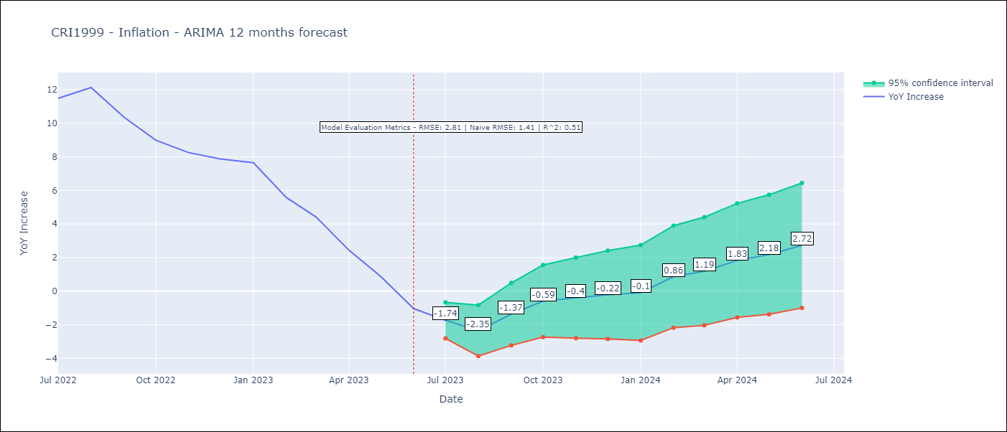

Test Metrics
RMSE | 2.81
Naive RMSE | 1.41
R^2 | 0.51

Test Predictions
Date | Predicted | Actual
2022-07-01 | 10.48 | 11.48
2022-08-01 | 10.27 | 12.13
2022-09-01 | 9.9 | 10.37
2022-10-01 | 9.63 | 8.99
2022-11-01 | 9.17 | 8.26
2022-12-01 | 9.05 | 7.88
2023-01-01 | 8.97 | 7.65
2023-02-01 | 8.25 | 5.58
2023-03-01 | 7.58 | 4.42
2023-04-01 | 6.56 | 2.44
2023-05-01 | 5.53 | 0.88
2023-06-01 | 4.43 | -1.04

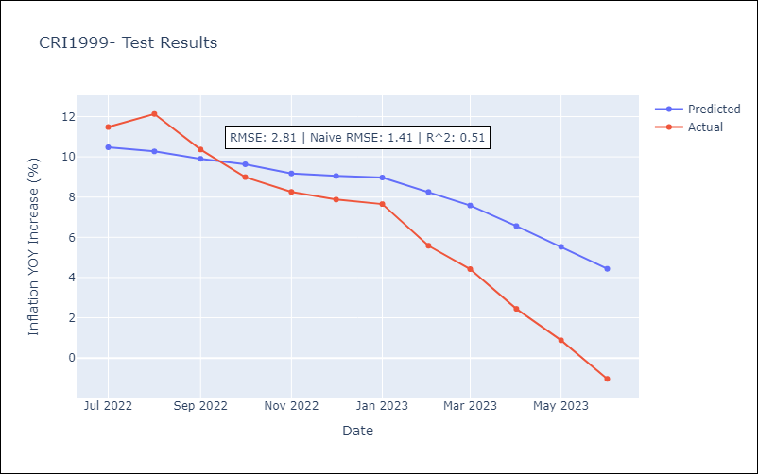

Appendix A: Model Summary
Model | ARIMA(0, 1, 0)x(0, 0, [1], 12)
Sample | 01-01-1999- 06-01-2023
No. of Observations | 294
Terms | P-value (Statistical significance)
ma.S.L12 | 0.000
sigma2 | 0.000
Assumptions | P-value | Interpretation
Ljung-Box (L1) | 0.00 | Residuals are not independent.
Heteroskedasticity | 0.44 | Residuals have the same variance.
Jarque-Bera | 0.00 | Residuals are not normally distributed.
Skew | 0.27 | Positive skew - model underestimates the mean.
Kurtosis | 4.03 | Residuals contain more extreme outliers than in a normal distribution.

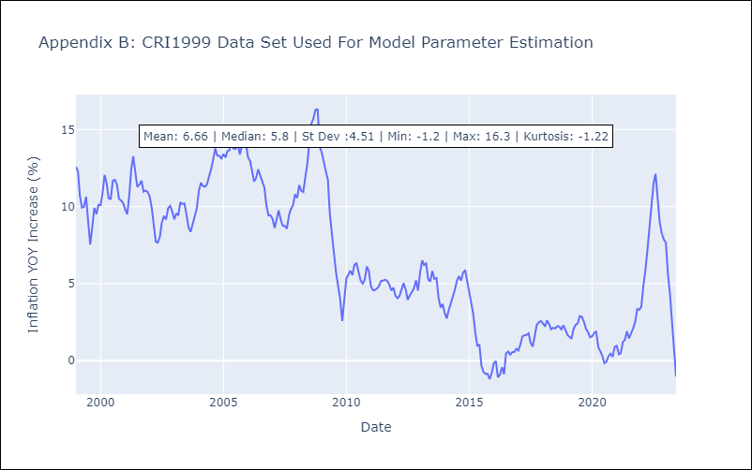

Appendix C: Residuals Analysis
Mean | -0.06
Variance | 0.88
Independent? | No
Heteroskedastic? - Breusch-Pagan | No
Heteroskedastic? - Goldfeld-Quandt | Yes
Heteroskedastic? - White | Yes
Heteroskedastic? - ARCH | Yes
Normal? | No

Uruguay
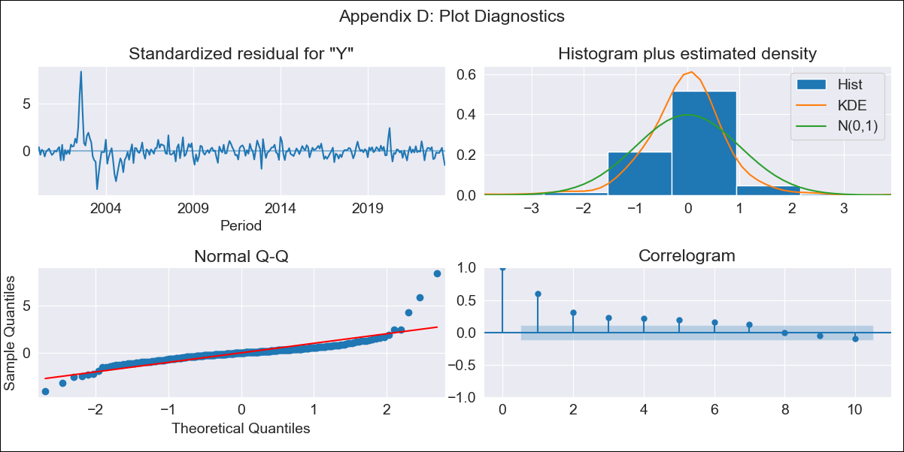

URY1999 - Inflation - Next 12 months forecast as of: 2023-06-01

Model | ARIMA - [(0, 1, 0), (1, 0, 0, 12)]
Training Data | 1999-01-01 to 2022-07-01
Test Data | 2022-07-01 to 2023-06-01

Date | Inflation Change YoY % | Lower Bound - 95% Confidence Interval | Upper Bound - 95% Confidence Interval
2023-07-01 | 5.85 | 4.31 | 7.39
2023-08-01 | 5.86 | 3.69 | 8.04
2023-09-01 | 5.67 | 3 | 8.33
2023-10-01 | 6.09 | 3.02 | 9.17
2023-11-01 | 6.37 | 2.94 | 9.81
2023-12-01 | 6.45 | 2.69 | 10.22
2024-01-01 | 6.57 | 2.5 | 10.64
2024-02-01 | 6.81 | 2.46 | 11.16
2024-03-01 | 6.91 | 2.3 | 11.52
2024-04-01 | 6.78 | 1.92 | 11.64
2024-05-01 | 7.02 | 1.92 | 12.12
2024-06-01 | 7.56 | 2.23 | 12.88

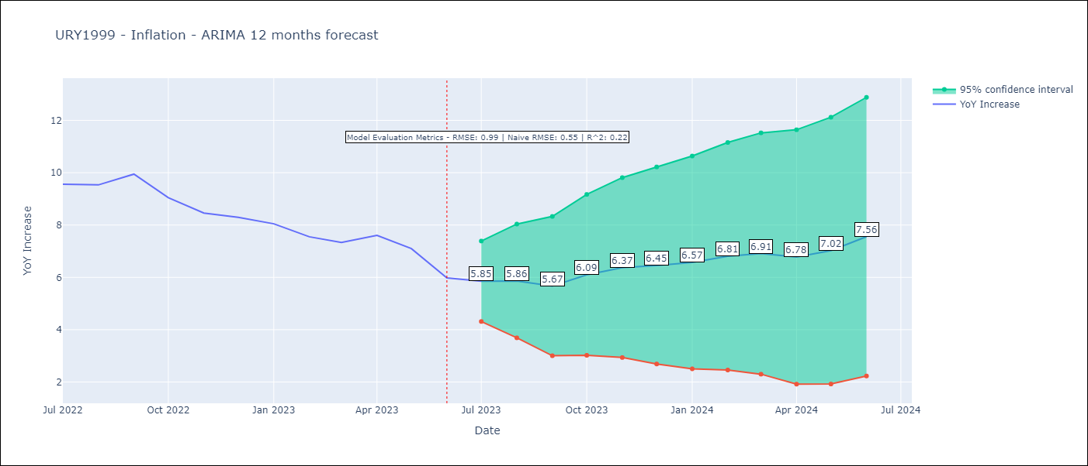

Test Metrics
RMSE | 0.99
Naive RMSE | 0.53
R^2 | 0.22

Test Predictions
Date | Predicted | Actual
2022-07-01 | 9.3 | 9.56
2022-08-01 | 9.16 | 9.53
2022-09-01 | 9.25 | 9.95
2022-10-01 | 9.02 | 9.05
2022-11-01 | 9.03 | 8.46
2022-12-01 | 8.99 | 8.29
2023-01-01 | 8.9 | 8.05
2023-02-01 | 8.57 | 7.55
2023-03-01 | 8.32 | 7.33
2023-04-01 | 8.32 | 7.61
2023-05-01 | 8.32 | 7.1
2023-06-01 | 8.36 | 5.98
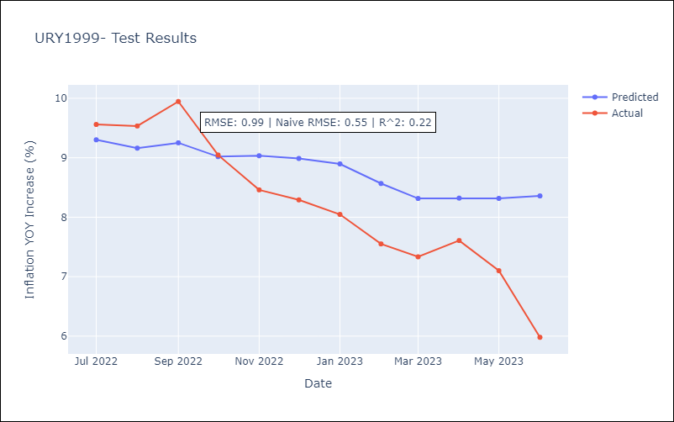

Appendix A: Model Summary
Model | ARIMA(0, 1, 0)x(1, 0, 0, 12)
Sample | 01-01-1999- 06-01-2023
No. of Observations | 294
Terms | P-value (Statistical significance)
ar.S.L12 | 0.000
sigma2 | 0.000
Assumptions | P-value | Interpretation
Ljung-Box (L1) | 0.00 | Residuals are not independent.
Heteroskedasticity | 0.00 | Residuals have different variances.
Jarque-Bera | 0.00 | Residuals are not normally distributed.
Skew | 2.54 | Positive skew - model underestimates the mean.
Kurtosis | 24.58 | Residuals contain more extreme outliers than in a normal distribution.

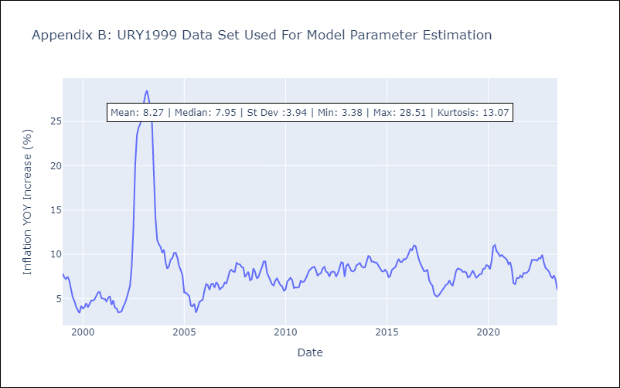

Appendix C: Residuals Analysis
Mean | 0.03
Variance | 0.82
Independent? | No
Heteroskedastic? - Breusch-Pagan | Yes
Heteroskedastic? - Goldfeld-Quandt | Yes
Heteroskedastic? - White | Yes
Heteroskedastic? - ARCH | Yes
Normal? | No

