mx_clean
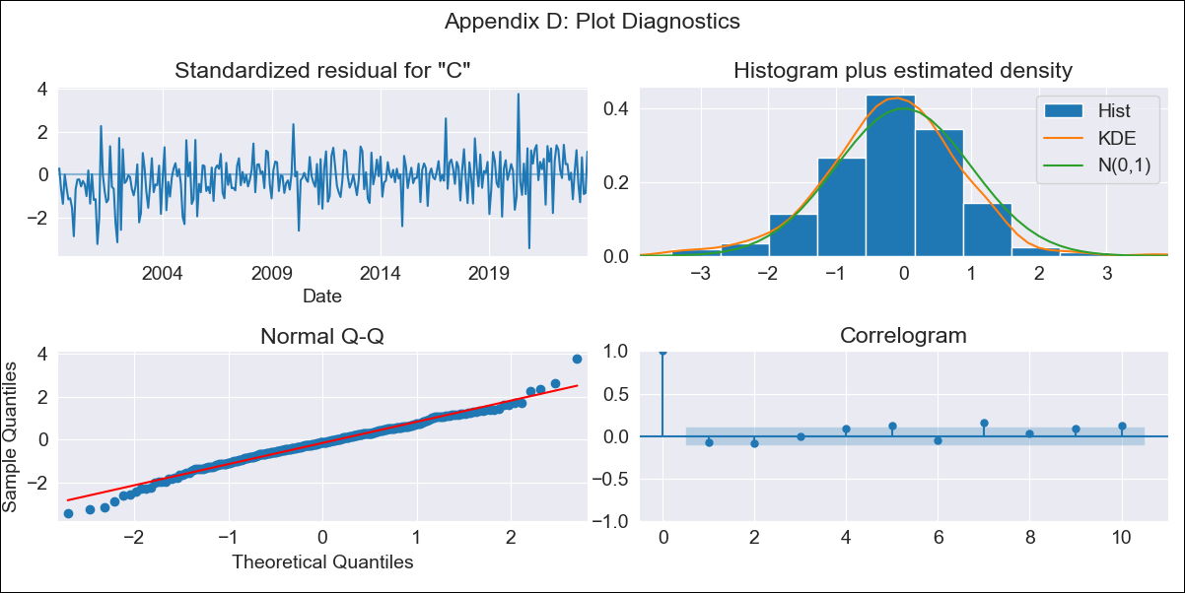

mx_clean - Inflation - Next 12 months forecast as of: 2023-07-01

Model | SARIMAX - [(1, 1, 0), (0, 0, 1, 12)] | Exogenous Variables | exchange rate, interest rate (gov securities/treasury bills), interest rate (90-day rates/yields), hourly earnings (manufacturing), energy CPI
Training Data | 1998-01-01 to 2022-08-01
Test Data | 2022-08-01 to 2023-07-01

Date | Inflation Change YoY % | Lower Bound - 95% Confidence Interval | Upper Bound - 95% Confidence Interval
2023-08-01 | 4.48 | 3.95 | 5.01
2023-09-01 | 4.33 | 3.33 | 5.34
2023-10-01 | 4.37 | 2.92 | 5.82
2023-11-01 | 4.52 | 2.66 | 6.38
2023-12-01 | 4.59 | 2.35 | 6.83
2024-01-01 | 4.52 | 1.93 | 7.1
2024-02-01 | 4.47 | 1.57 | 7.37
2024-03-01 | 4.69 | 1.5 | 7.88
2024-04-01 | 4.59 | 1.13 | 8.05
2024-05-01 | 4.77 | 1.05 | 8.48
2024-06-01 | 5.04 | 1.09 | 8.99
2024-07-01 | 5.2 | 1.02 | 9.38

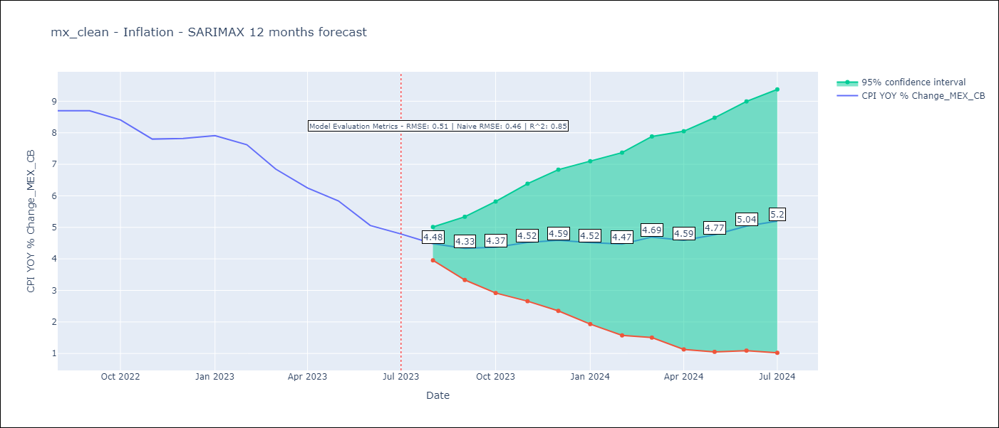

Test Metrics
RMSE | 0.51
Naive RMSE | 0.47
R^2 | 0.85

Test Predictions
Date | Predicted | Actual
2022-08-01 | 8.51 | 8.7
2022-09-01 | 8.46 | 8.7
2022-10-01 | 8.35 | 8.41
2022-11-01 | 7.99 | 7.8
2022-12-01 | 8.12 | 7.82
2023-01-01 | 8.13 | 7.91
2023-02-01 | 7.8 | 7.62
2023-03-01 | 7.34 | 6.85
2023-04-01 | 6.57 | 6.25
2023-05-01 | 6.41 | 5.84
2023-06-01 | 6 | 5.06
2023-07-01 | 5.94 | 4.79

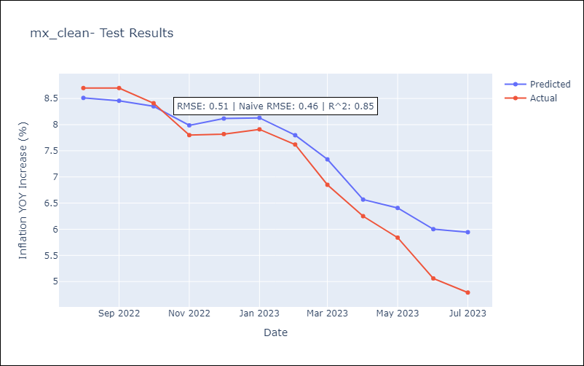

Appendix A: Model Summary
Model | SARIMAX(1, 1, 0)x(0, 0, [1], 12)
Sample | 01-01-1998- 07-01-2023
No. of Observations | 307
Terms | P-value (Statistical significance)
exchange rate | 0.385
interest rate (gov securities/treasury bills) | 0.657
interest rate (90-day rates/yields) | 0.842
hourly earnings (manufacturing) | 0.768
energy CPI | 0.000
ar.L1 | 0.000
ma.S.L12 | 0.000
sigma2 | 0.000
Assumptions | P-value | Interpretation
Ljung-Box (L1) | 0.20 | Residuals are independent.
Heteroskedasticity | 0.17 | Residuals have the same variance.
Jarque-Bera | 0.00 | Residuals are not normally distributed.
Skew | -0.17 | Negative skew - Model overestimates the mean.
Kurtosis | 4.19 | Residuals contain more extreme outliers than in a normal distribution.

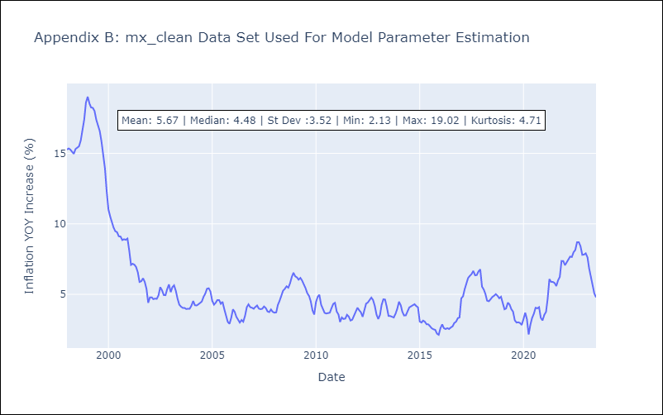

Appendix C: Residuals Analysis
Mean | -0.01
Variance | 0.83
White Noise? | No - Correlation at Lags [ 1 2 3 4 5 6 7 8 9 10 11 12]
Heteroskedastic? - ARCH | Yes
Normal? | No

