co_clean
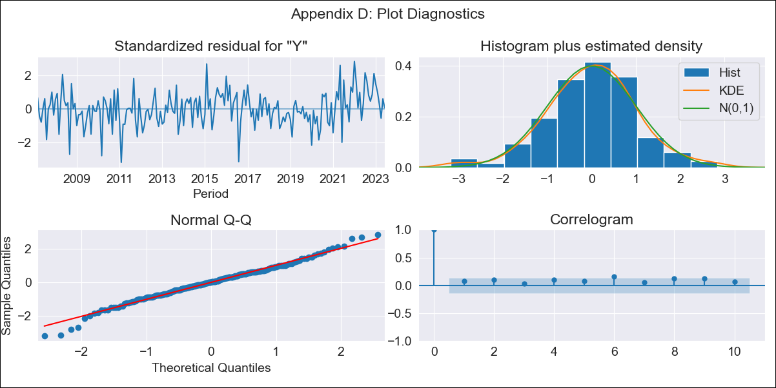
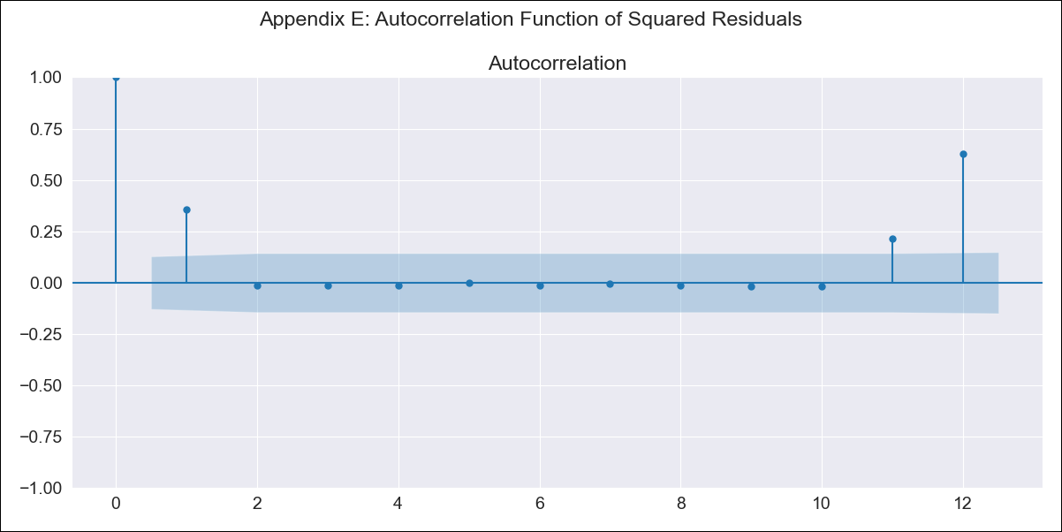
co_clean - Inflation - Next 12 months forecast as of: 2023-06-01

Model | SARIMAX - [(2, 0, 1), (3, 0, 0, 12)] | Exogenous Variables | interest rates (long term bond yields), m1 money supply
Training Data | 2004-01-01 to 2022-07-01
Test Data | 2022-07-01 to 2023-06-01

Date | Inflation Change YoY % | Lower Bound - 95% Confidence Interval | Upper Bound - 95% Confidence Interval
2023-07-01 | 11.74 | 11.21 | 12.26
2023-08-01 | 11.01 | 10.04 | 11.98
2023-09-01 | 10.56 | 9.17 | 11.96
2023-10-01 | 10.11 | 8.32 | 11.91
2023-11-01 | 9.48 | 7.31 | 11.65
2023-12-01 | 8.7 | 6.18 | 11.21
2024-01-01 | 7.46 | 4.63 | 10.3
2024-02-01 | 6.52 | 3.39 | 9.66
2024-03-01 | 6.06 | 2.64 | 9.48
2024-04-01 | 5.71 | 2.02 | 9.4
2024-05-01 | 5.68 | 1.74 | 9.62
2024-06-01 | 5.24 | 1.06 | 9.41

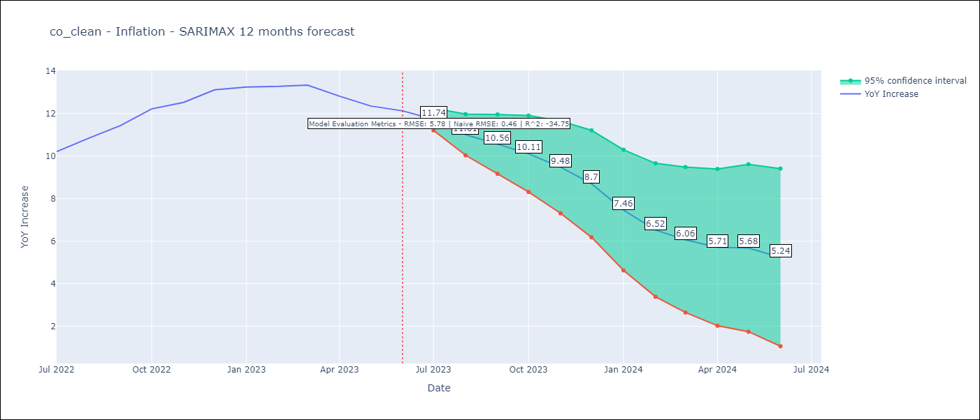

Test Metrics
RMSE | 5.78
Naive RMSE | 0.47
R^2 | -34.75

Test Predictions
Date | Predicted | Actual
2022-07-01 | 9.44 | 10.21
2022-08-01 | 9.13 | 10.84
2022-09-01 | 8.88 | 11.44
2022-10-01 | 8.93 | 12.22
2022-11-01 | 8.53 | 12.53
2022-12-01 | 8.09 | 13.12
2023-01-01 | 7.12 | 13.25
2023-02-01 | 6.15 | 13.28
2023-03-01 | 5.67 | 13.34
2023-04-01 | 4.92 | 12.82
2023-05-01 | 4.39 | 12.36
2023-06-01 | 4.03 | 12.13

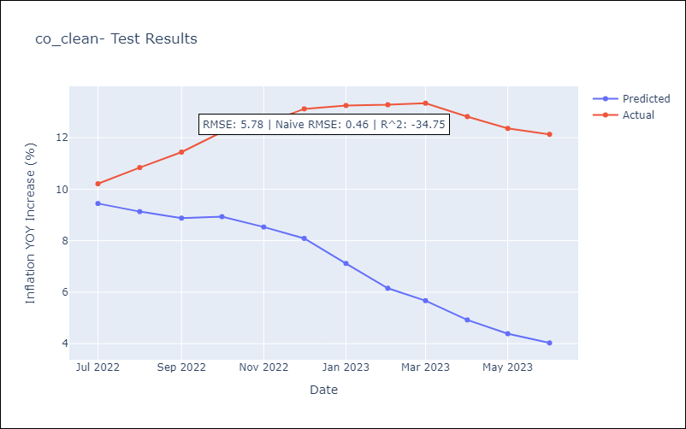

Appendix A: Model Summary
Model | SARIMAX(2, 0, 1)x(3, 0, [], 12)
Sample | 01-01-2004- 06-01-2023
No. of Observations | 234
Terms | P-value (Statistical significance)
interest rates (long term bond yields) | 0.873
m1 money supply | 0.003
ar.L1 | 0.000
ar.L2 | 0.000
ma.L1 | 0.433
ar.S.L12 | 0.000
ar.S.L24 | 0.000
ar.S.L36 | 0.000
sigma2 | 0.000
Assumptions | P-value | Interpretation
Ljung-Box (L1) | 0.27 | Residuals are independent.
Heteroskedasticity | 0.81 | Residuals have the same variance.
Jarque-Bera | 0.06 | Residuals are normally distributed.
Skew | -0.17 | Negative skew - Model overestimates the mean.
Kurtosis | 3.75 | Residuals contain more extreme outliers than in a normal distribution.

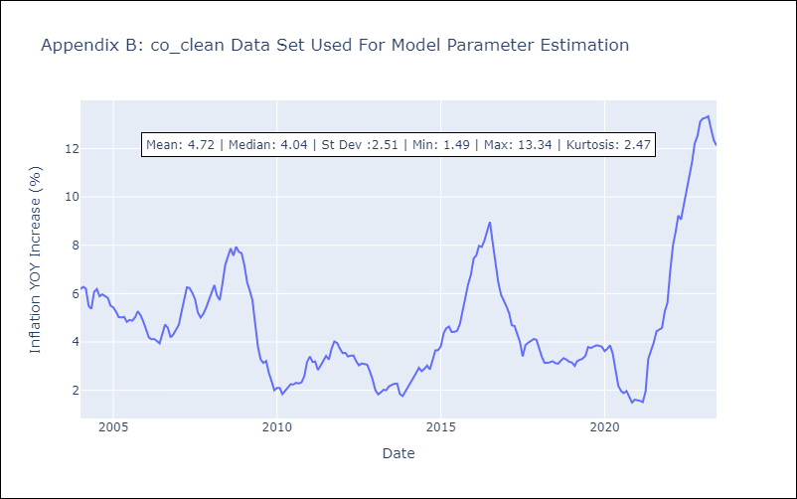

Appendix C: Residuals Analysis
Mean | 0.02
Variance | 0.66
White Noise? | No - Correlation at Lags [ 1 2 3 4 5 6 7 8 9 10 11 12]
Heteroskedastic? - ARCH | Yes
Normal? | No

