BRA_N
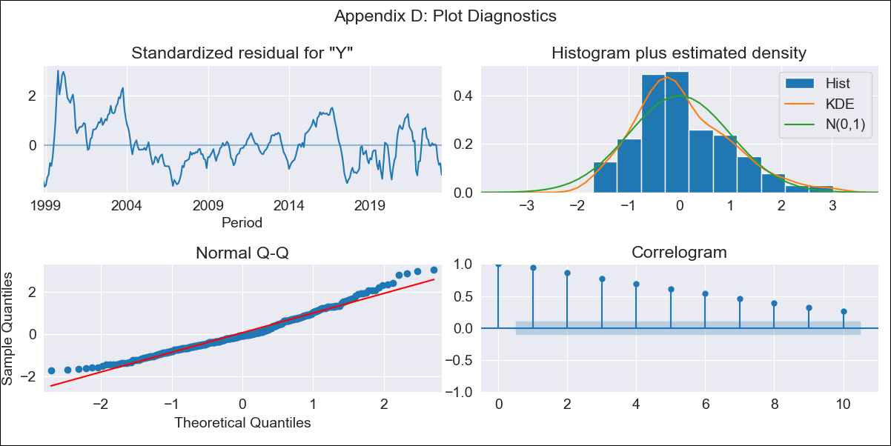
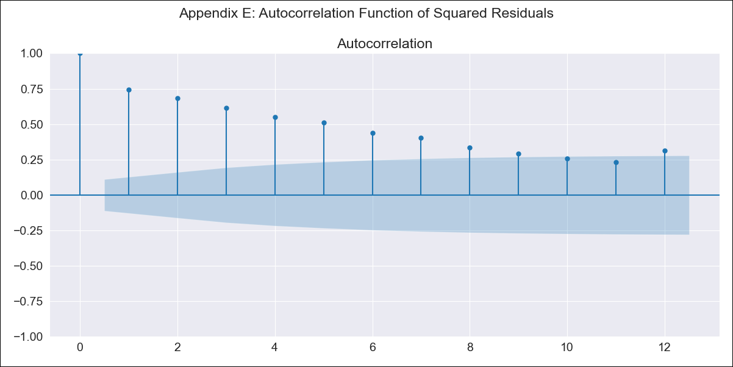
BRA_N - Inflation - Next 12 months forecast as of: 2023-06-01

Model | SARIMAX - [(0, 0, 0), (1, 0, 1, 12)] | Exogenous Variables | Exchange Rate - U.S Dollar, Interest Rates (Discount Rate), Interest Rates (Gov Securities/Treasury Bills), Unemployment, M1 Money Supply, m2 money supply
Training Data | 1997-10-01 to 2022-07-01
Test Data | 2022-07-01 to 2023-06-01

Date | Inflation Change YoY % | Lower Bound - 95% Confidence Interval | Upper Bound - 95% Confidence Interval
2023-07-01 | 1.56 | 0.72 | 2.4
2023-08-01 | 1.55 | 0.71 | 2.39
2023-09-01 | 1.49 | 0.65 | 2.33
2023-10-01 | 1.55 | 0.71 | 2.39
2023-11-01 | 1.35 | 0.51 | 2.19
2023-12-01 | 1.36 | 0.52 | 2.2
2024-01-01 | 1.45 | 0.61 | 2.29
2024-02-01 | 1.42 | 0.58 | 2.26
2024-03-01 | 1.44 | 0.6 | 2.28
2024-04-01 | 1.42 | 0.58 | 2.26
2024-05-01 | 1.36 | 0.52 | 2.2
2024-06-01 | 1.27 | 0.43 | 2.11

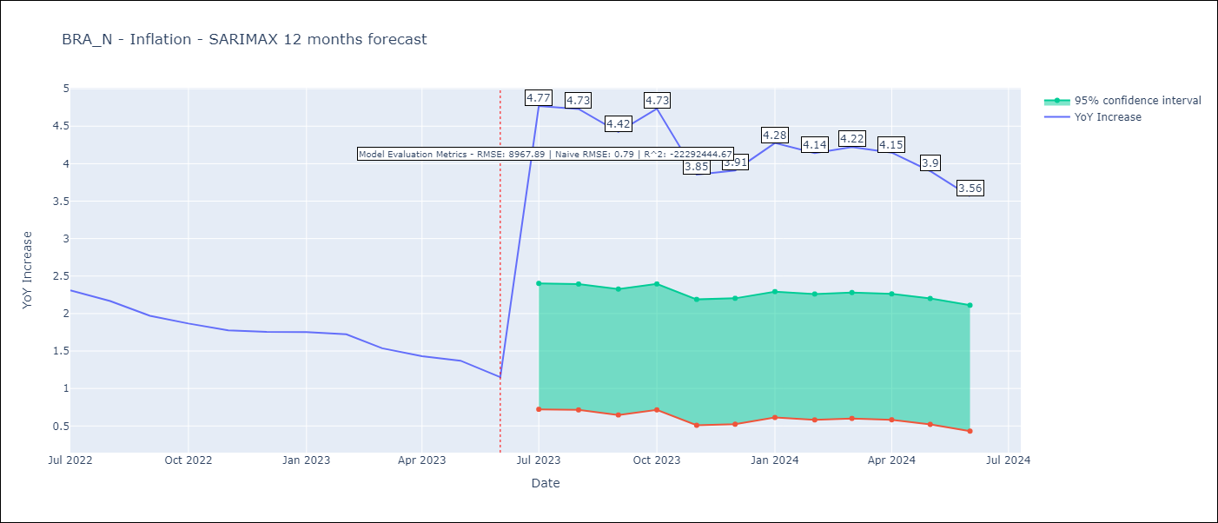

Test Metrics
RMSE | 8967.89
Naive RMSE | 0.92
R^2 | -22292444.67

Test Predictions
Date | Predicted | Actual
2022-07-01 | 26971.61 | 10.07
2022-08-01 | 14053.85 | 8.73
2022-09-01 | 5302.52 | 7.17
2022-10-01 | 3528.12 | 6.47
2022-11-01 | 376.06 | 5.9
2022-12-01 | 293.17 | 5.79
2023-01-01 | 363.84 | 5.77
2023-02-01 | 166.38 | 5.6
2023-03-01 | 185.16 | 4.65
2023-04-01 | 173.23 | 4.18
2023-05-01 | 85.4 | 3.94
2023-06-01 | 45.34 | 3.16

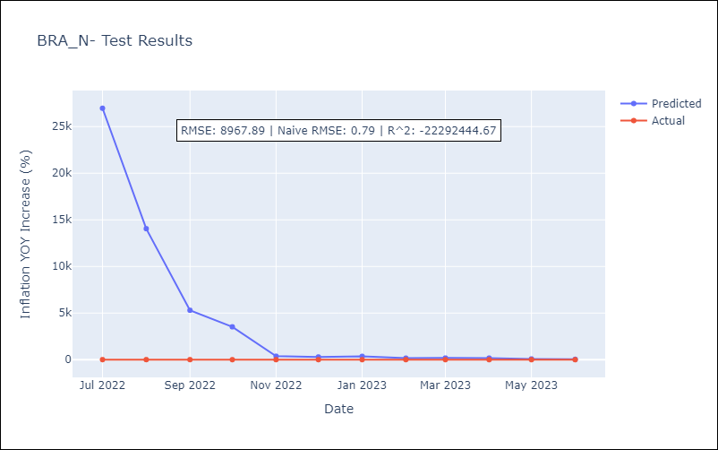

Appendix A: Model Summary
Model | SARIMAX(1, 0, [1], 12)
Sample | 10-01-1997- 06-01-2023
No. of Observations | 309
Terms | P-value (Statistical significance)
Exchange Rate - U.S Dollar | 0.001
Interest Rates (Discount Rate) | 0.000
Interest Rates (Gov Securities/Treasury Bills) | 0.000
Unemployment | 0.001
M1 Money Supply | 0.007
m2 money supply | 0.837
ar.S.L12 | 0.000
ma.S.L12 | 0.000
sigma2 | 0.000
Assumptions | P-value | Interpretation
Ljung-Box (L1) | 0.00 | Residuals are not independent.
Heteroskedasticity | 0.00 | Residuals have different variances.
Jarque-Bera | 0.00 | Residuals are not normally distributed.
Skew | 0.65 | Positive skew - model underestimates the mean.
Kurtosis | 3.30 | Residuals contain more extreme outliers than in a normal distribution.

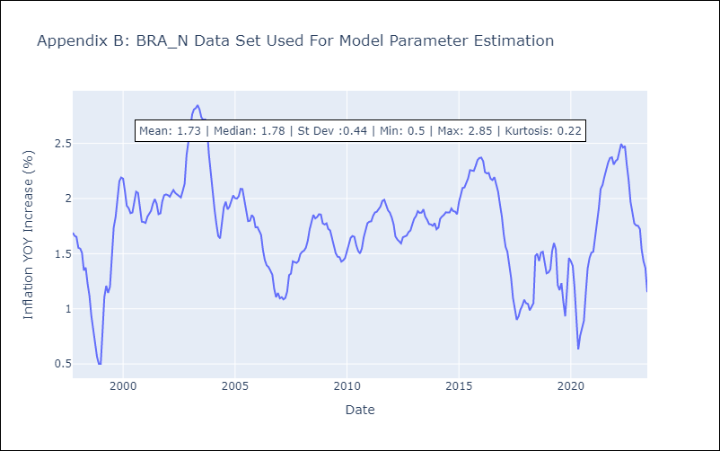

Appendix C: Residuals Analysis
Mean | 0.08
Variance | 0.26
White Noise? | No - Correlation at Lags [ 1 2 3 4 5 6 7 8 9 10 11 12]
Heteroskedastic? - ARCH | Yes
Normal? | No

