chl_clean
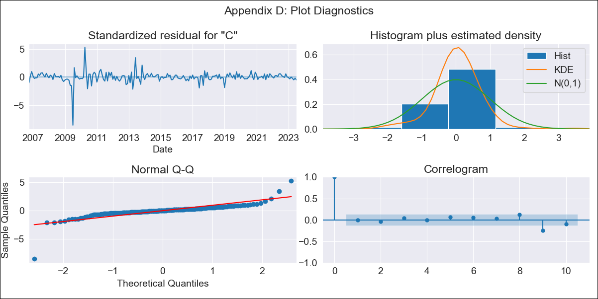

chl_clean - Inflation - Next 12 months forecast as of: 2023-07-01

Model | SARIMAX - [(1, 1, 1), (0, 0, 1, 12)] | Exogenous Variables | interest rates (90-day rates/yields), interest rates (long term government bond yields), unemployment, M1 Money Supply, spot exchange rate
Training Data | 2005-07-01 to 2022-08-01
Test Data | 2022-08-01 to 2023-07-01

Date | Inflation Change YoY % | Lower Bound - 95% Confidence Interval | Upper Bound - 95% Confidence Interval
2023-08-01 | 6.06 | 1.4 | 2.21
2023-09-01 | 5.7 | 1.11 | 2.37
2023-10-01 | 5.5 | 0.91 | 2.49
2023-11-01 | 5.45 | 0.77 | 2.62
2023-12-01 | 5.45 | 0.65 | 2.74
2024-01-01 | 5.44 | 0.55 | 2.84
2024-02-01 | 5.39 | 0.44 | 2.93
2024-03-01 | 5.58 | 0.39 | 3.05
2024-04-01 | 5.47 | 0.28 | 3.12
2024-05-01 | 5.63 | 0.23 | 3.23
2024-06-01 | 5.63 | 0.16 | 3.3
2024-07-01 | 5.69 | 0.09 | 3.38

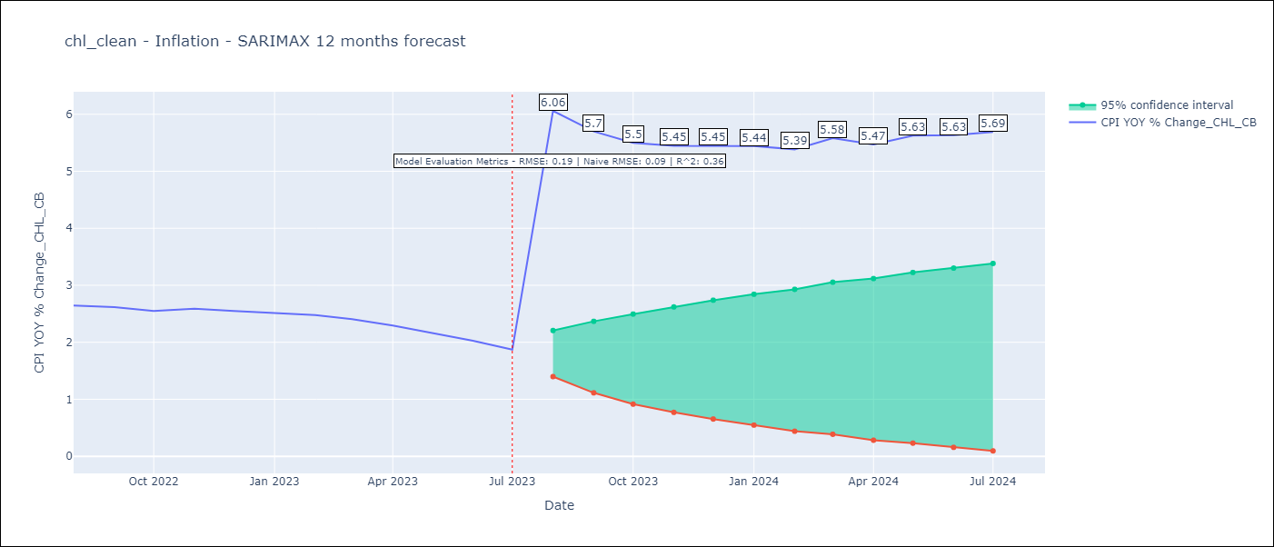

Test Metrics
RMSE | 0.19
Naive RMSE | 0.86
R^2 | 0.36

Test Predictions
Date | Predicted | Actual
2022-08-01 | 2.51 | 2.65
2022-09-01 | 2.46 | 2.62
2022-10-01 | 2.4 | 2.55
2022-11-01 | 2.41 | 2.59
2022-12-01 | 2.42 | 2.55
2023-01-01 | 2.41 | 2.51
2023-02-01 | 2.43 | 2.48
2023-03-01 | 2.43 | 2.41
2023-04-01 | 2.39 | 2.29
2023-05-01 | 2.35 | 2.16
2023-06-01 | 2.33 | 2.03
2023-07-01 | 2.3 | 1.87

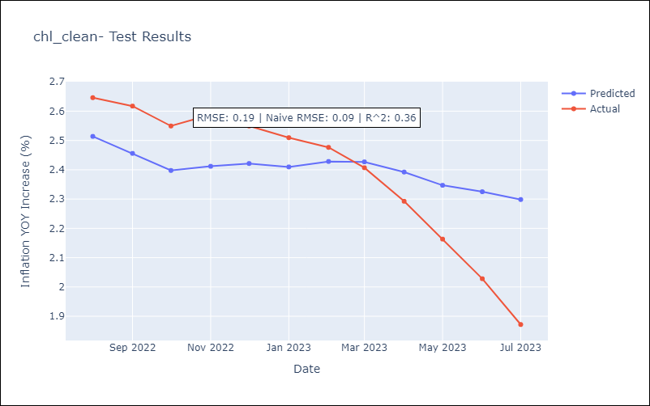

Appendix A: Model Summary
Model | SARIMAX(1, 1, 1)x(0, 0, 1, 12)
Sample | 07-01-2005- 07-01-2023
No. of Observations | 217
Terms | P-value (Statistical significance)
interest rates (90-day rates/yields) | 0.709
interest rates (long term government bond yields) | 0.339
unemployment | 0.843
M1 Money Supply | 0.500
spot exchange rate | 0.519
ar.L1 | 0.965
ma.L1 | 0.702
ma.S.L12 | 0.000
sigma2 | 0.000
Assumptions | P-value | Interpretation
Ljung-Box (L1) | 0.97 | Residuals are independent.
Heteroskedasticity | 0.00 | Residuals have different variances.
Jarque-Bera | 0.00 | Residuals are not normally distributed.
Skew | -2.51 | Negative skew - Model overestimates the mean.
Kurtosis | 36.29 | Residuals contain more extreme outliers than in a normal distribution.

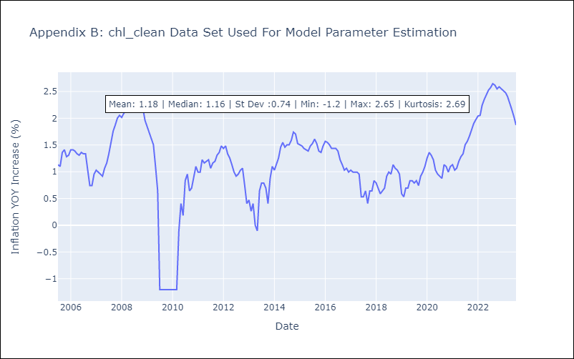

Appendix C: Residuals Analysis
Mean | 0.01
Variance | 0.05
White Noise? | Yes
Heteroskedastic? - ARCH | Yes
Normal? | No

