mx_clean
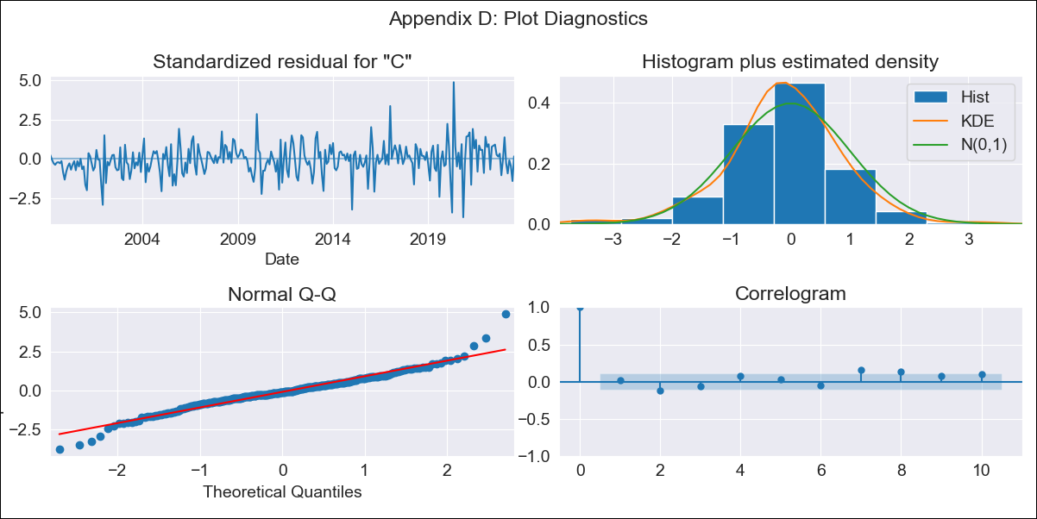

mx_clean - Inflation - Next 12 months forecast as of: 2023-07-01

Model | SARIMAX - [(1, 1, 0), (0, 0, 1, 12)] | Exogenous Variables | exchange rate, interest rate (gov securities/treasury bills), interest rate (90-day rates/yields), hourly earnings (manufacturing), energy CPI
Training Data | 1998-01-01 to 2022-08-01
Test Data | 2022-08-01 to 2023-07-01

Date | Inflation Change YoY % | Lower Bound - 95% Confidence Interval | Upper Bound - 95% Confidence Interval
2023-08-01 | 4.6 | 1.4 | 1.65
2023-09-01 | 4.48 | 1.3 | 1.7
2023-10-01 | 4.5 | 1.24 | 1.76
2023-11-01 | 4.59 | 1.22 | 1.83
2023-12-01 | 4.62 | 1.18 | 1.88
2024-01-01 | 4.55 | 1.13 | 1.9
2024-02-01 | 4.5 | 1.08 | 1.93
2024-03-01 | 4.58 | 1.07 | 1.97
2024-04-01 | 4.51 | 1.02 | 1.99
2024-05-01 | 4.59 | 1.02 | 2.03
2024-06-01 | 4.84 | 1.04 | 2.11
2024-07-01 | 5.14 | 1.08 | 2.2

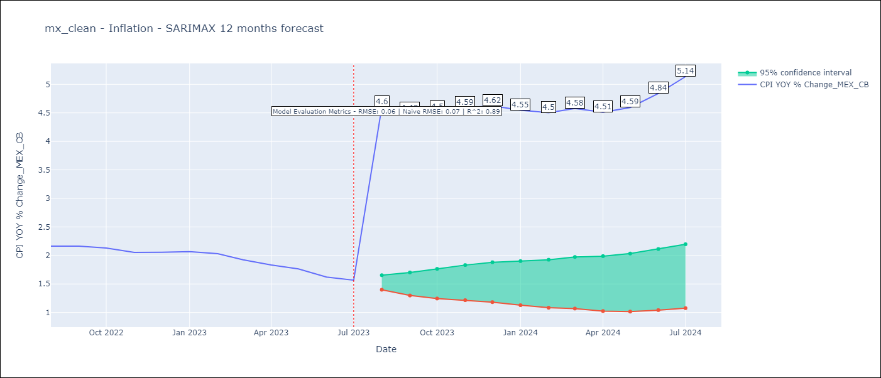

Test Metrics
RMSE | 0.06
Naive RMSE | 0.47
R^2 | 0.89

Test Predictions
Date | Predicted | Actual
2022-08-01 | 2.12 | 2.16
2022-09-01 | 2.1 | 2.16
2022-10-01 | 2.08 | 2.13
2022-11-01 | 2.05 | 2.05
2022-12-01 | 2.06 | 2.06
2023-01-01 | 2.03 | 2.07
2023-02-01 | 1.97 | 2.03
2023-03-01 | 1.9 | 1.92
2023-04-01 | 1.79 | 1.83
2023-05-01 | 1.75 | 1.76
2023-06-01 | 1.7 | 1.62
2023-07-01 | 1.73 | 1.57

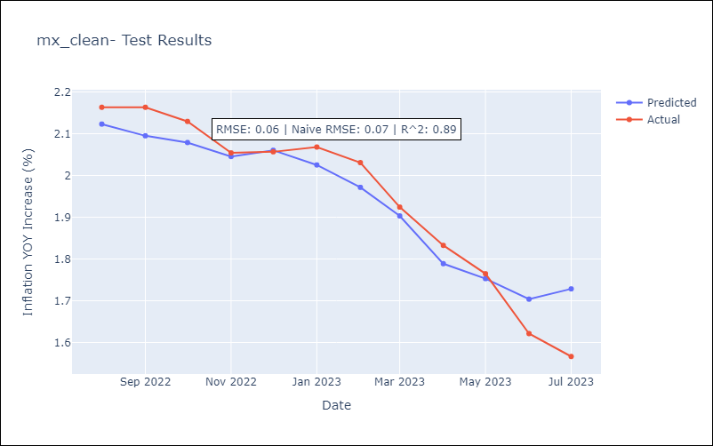

Appendix A: Model Summary
Model | SARIMAX(1, 1, 0)x(0, 0, [1], 12)
Sample | 01-01-1998- 07-01-2023
No. of Observations | 307
Terms | P-value (Statistical significance)
exchange rate | 0.007
interest rate (gov securities/treasury bills) | 0.947
interest rate (90-day rates/yields) | 0.472
hourly earnings (manufacturing) | 0.820
energy CPI | 0.000
ar.L1 | 0.000
ma.S.L12 | 0.000
sigma2 | 0.000
Assumptions | P-value | Interpretation
Ljung-Box (L1) | 0.75 | Residuals are independent.
Heteroskedasticity | 0.00 | Residuals have different variances.
Jarque-Bera | 0.00 | Residuals are not normally distributed.
Skew | 0.13 | Positive skew - model underestimates the mean.
Kurtosis | 6.03 | Residuals contain more extreme outliers than in a normal distribution.

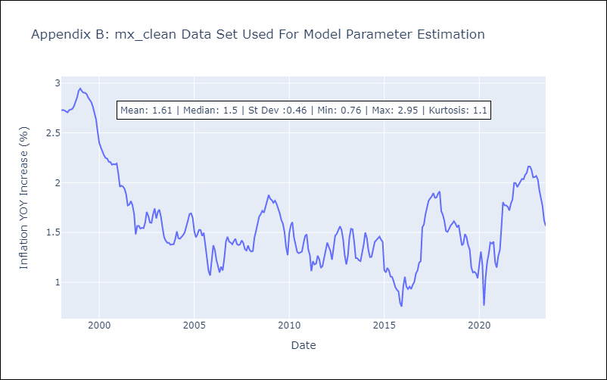

Appendix C: Residuals Analysis
Mean | 0.0
Variance | 0.03
White Noise? | Yes
Heteroskedastic? - ARCH | Yes
Normal? | No

