ARG
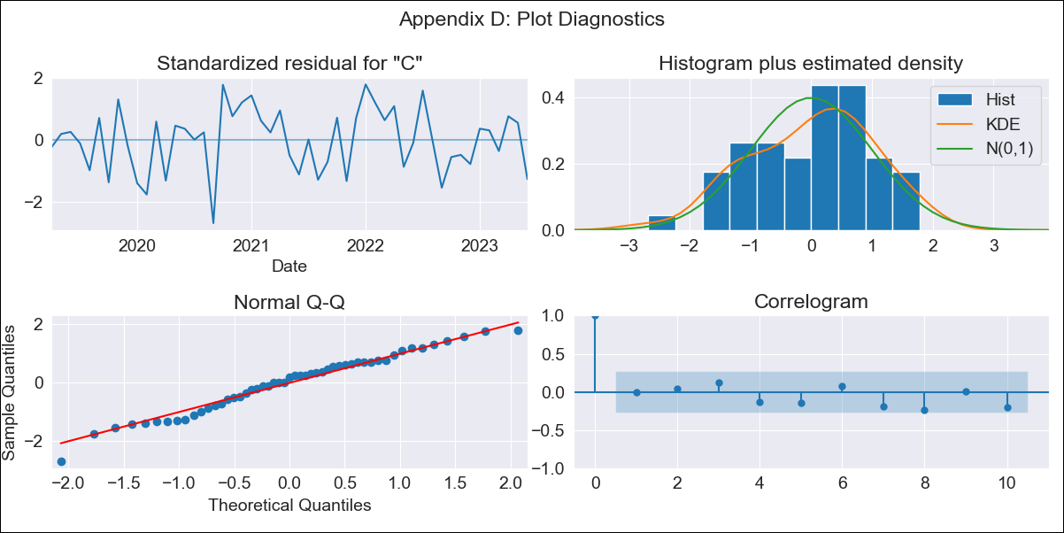
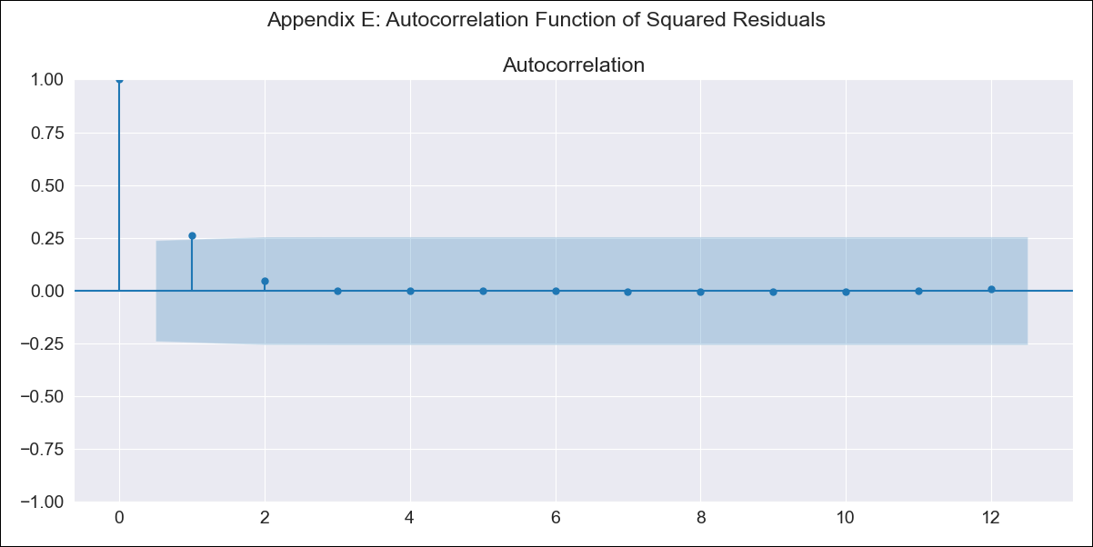
ARG - Inflation - Next 12 months forecast as of: 2023-06-01

Model | SARIMAX - [(2, 2, 0), (1, 0, 0, 12)] | Exogenous Variables | exchange rate, m1 money supply, m2 money supply, exchange rate (real broad effective)
Training Data | 2017-12-01 to 2022-07-01
Test Data | 2022-07-01 to 2023-06-01

Date | Inflation Change YoY % | Lower Bound - 95% Confidence Interval | Upper Bound - 95% Confidence Interval
2023-07-01 | 115.76 | 4.7 | 4.81
2023-08-01 | 116.21 | 4.65 | 4.86
2023-09-01 | 117.81 | 4.61 | 4.93
2023-10-01 | 118.98 | 4.55 | 5.01
2023-11-01 | 120.27 | 4.49 | 5.09
2023-12-01 | 122.78 | 4.42 | 5.2
2024-01-01 | 124.72 | 4.35 | 5.3
2024-02-01 | 126.8 | 4.28 | 5.41
2024-03-01 | 129.94 | 4.2 | 5.53
2024-04-01 | 131.92 | 4.11 | 5.65
2024-05-01 | 132.69 | 4.01 | 5.76
2024-06-01 | 136.37 | 3.93 | 5.91

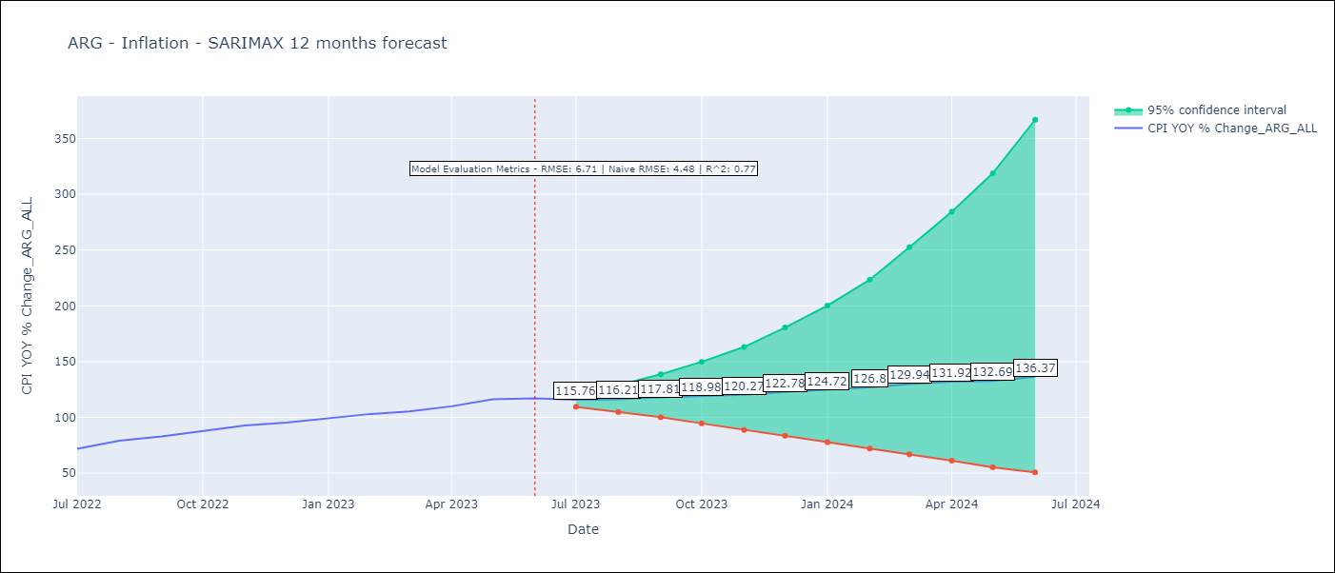

Test Metrics
RMSE | 6.71
Naive RMSE | 4.72
R^2 | 0.77

Test Predictions
Date | Predicted | Actual
2022-07-01 | 67.91 | 71.83
2022-08-01 | 74.05 | 79.11
2022-09-01 | 79.92 | 82.9
2022-10-01 | 84.87 | 87.8
2022-11-01 | 91.13 | 92.82
2022-12-01 | 97.06 | 95.19
2023-01-01 | 102.41 | 99.01
2023-02-01 | 108.14 | 103.06
2023-03-01 | 114.13 | 105.25
2023-04-01 | 119.37 | 109.89
2023-05-01 | 125.77 | 116.26
2023-06-01 | 130.35 | 116.97

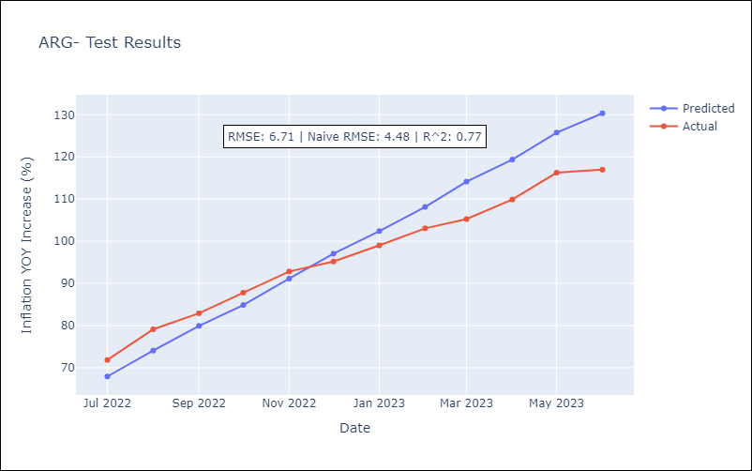

Appendix A: Model Summary
Model | SARIMAX(2, 2, 0)x(1, 0, 0, 12)
Sample | 12-01-2017- 06-01-2023
No. of Observations | 67
Terms | P-value (Statistical significance)
exchange rate | 0.206
m1 money supply | 0.602
m2 money supply | 0.801
exchange rate (real broad effective) | 0.611
ar.L1 | 0.003
ar.L2 | 0.667
ar.S.L12 | 0.001
sigma2 | 0.000
Assumptions | P-value | Interpretation
Ljung-Box (L1) | 0.98 | Residuals are independent.
Heteroskedasticity | 0.99 | Residuals have the same variance.
Jarque-Bera | 0.52 | Residuals are normally distributed.
Skew | -0.34 | Negative skew - Model overestimates the mean.
Kurtosis | 2.60 | Residuals do not contain more extreme outliers than in a normal distribution.

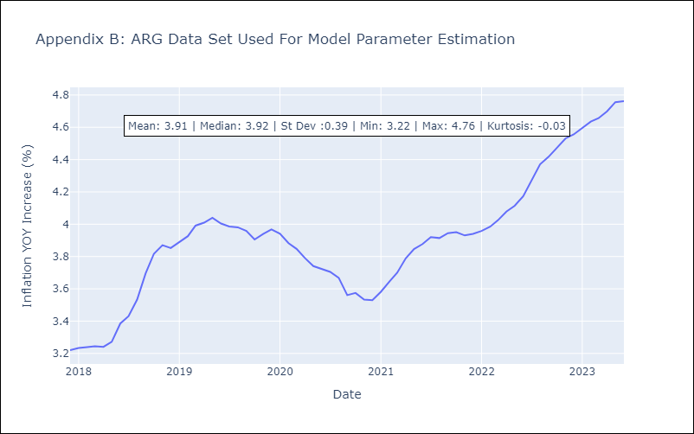

Appendix C: Residuals Analysis
Mean | 0.01
Variance | 0.2
White Noise? | No - Correlation at Lags [1 2 3]
Heteroskedastic? - ARCH | Yes
Normal? | No

BRA
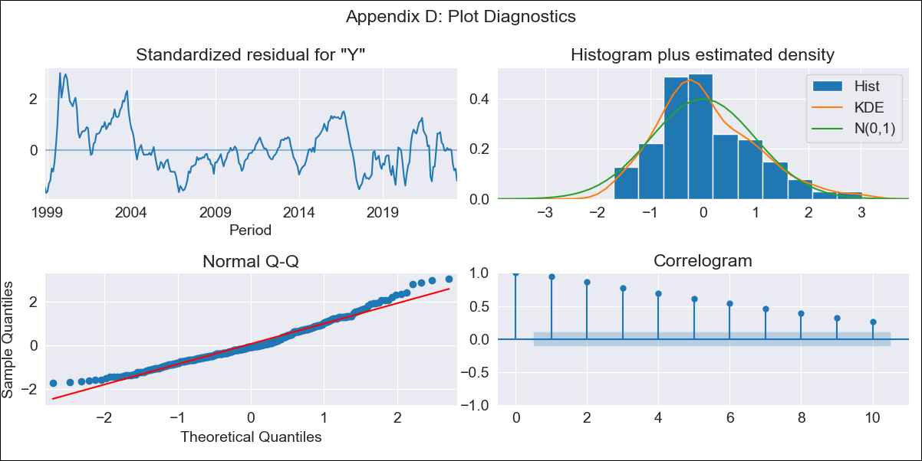
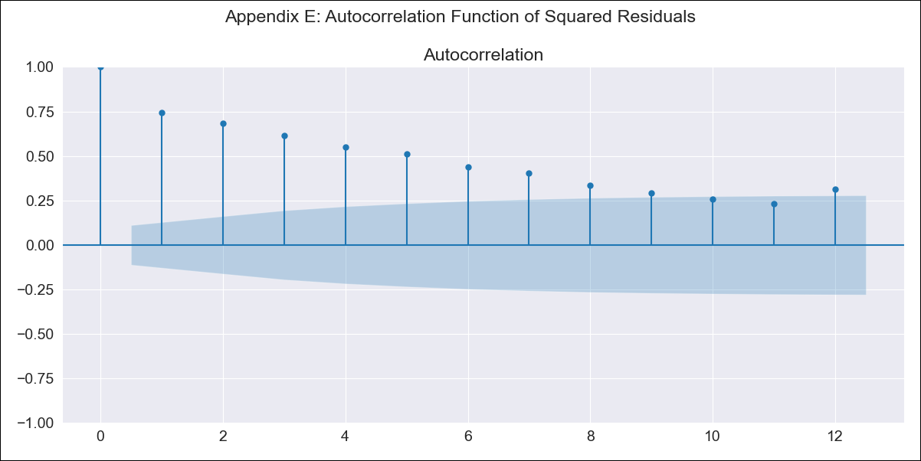
BRA - Inflation - Next 12 months forecast as of: 2023-06-01

Model | SARIMAX - [(0, 0, 0), (1, 0, 1, 12)] | Exogenous Variables | Exchange Rate - U.S Dollar, Interest Rates (Discount Rate), Interest Rates (Gov Securities/Treasury Bills), Unemployment, M1 Money Supply, m2 money supply
Training Data | 1997-10-01 to 2022-07-01
Test Data | 2022-07-01 to 2023-06-01

Date | Inflation Change YoY % | Lower Bound - 95% Confidence Interval | Upper Bound - 95% Confidence Interval
2023-07-01 | 4.77 | 0.72 | 2.4
2023-08-01 | 4.73 | 0.71 | 2.39
2023-09-01 | 4.42 | 0.65 | 2.33
2023-10-01 | 4.73 | 0.71 | 2.39
2023-11-01 | 3.85 | 0.51 | 2.19
2023-12-01 | 3.91 | 0.52 | 2.2
2024-01-01 | 4.28 | 0.61 | 2.29
2024-02-01 | 4.14 | 0.58 | 2.26
2024-03-01 | 4.22 | 0.6 | 2.28
2024-04-01 | 4.15 | 0.58 | 2.26
2024-05-01 | 3.9 | 0.52 | 2.2
2024-06-01 | 3.56 | 0.43 | 2.11

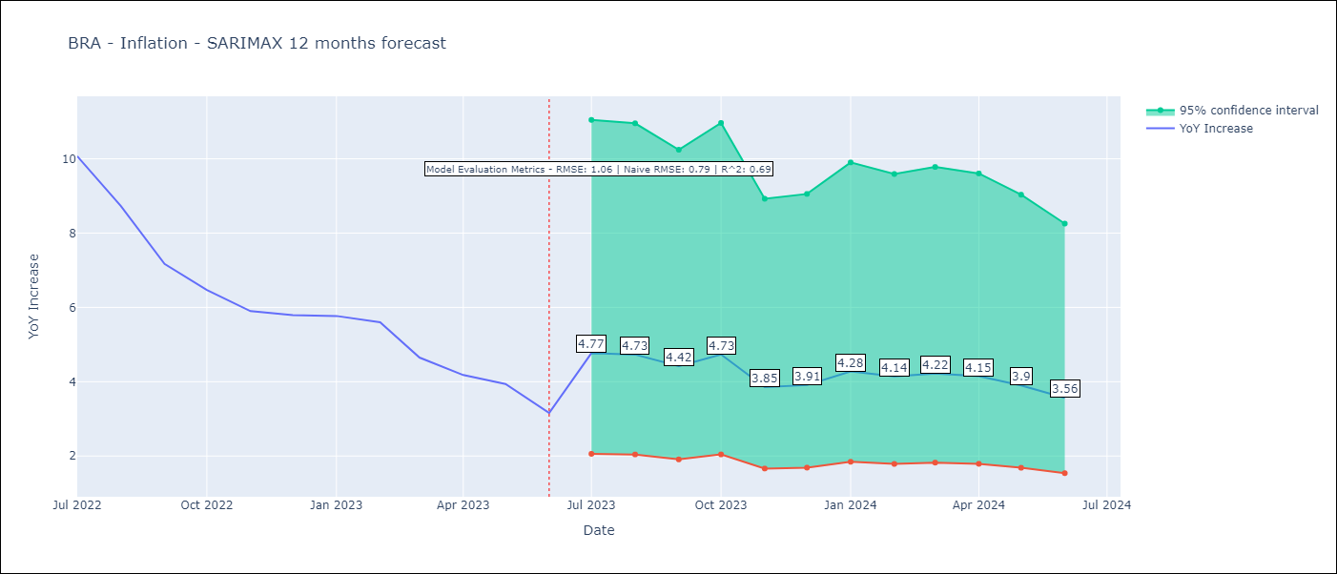

Test Metrics
RMSE | 1.06
Naive RMSE | 0.92
R^2 | 0.69

Test Predictions
Date | Predicted | Actual
2022-07-01 | 8.85 | 10.07
2022-08-01 | 8 | 8.73
2022-09-01 | 6.47 | 7.17
2022-10-01 | 6.41 | 6.47
2022-11-01 | 3.81 | 5.9
2022-12-01 | 4.04 | 5.79
2023-01-01 | 4.65 | 5.77
2023-02-01 | 4.26 | 5.6
2023-03-01 | 4.63 | 4.65
2023-04-01 | 4.65 | 4.18
2023-05-01 | 4.06 | 3.94
2023-06-01 | 3.69 | 3.16

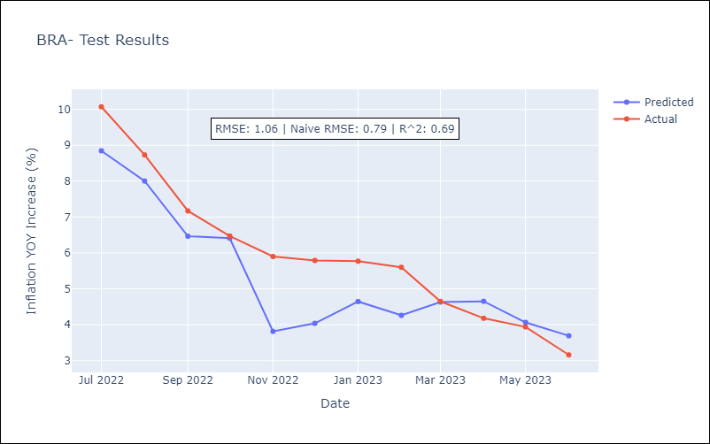

Appendix A: Model Summary
Model | SARIMAX(1, 0, [1], 12)
Sample | 10-01-1997- 06-01-2023
No. of Observations | 309
Terms | P-value (Statistical significance)
Exchange Rate - U.S Dollar | 0.001
Interest Rates (Discount Rate) | 0.000
Interest Rates (Gov Securities/Treasury Bills) | 0.000
Unemployment | 0.001
M1 Money Supply | 0.007
m2 money supply | 0.837
ar.S.L12 | 0.000
ma.S.L12 | 0.000
sigma2 | 0.000
Assumptions | P-value | Interpretation
Ljung-Box (L1) | 0.00 | Residuals are not independent.
Heteroskedasticity | 0.00 | Residuals have different variances.
Jarque-Bera | 0.00 | Residuals are not normally distributed.
Skew | 0.65 | Positive skew - model underestimates the mean.
Kurtosis | 3.30 | Residuals contain more extreme outliers than in a normal distribution.

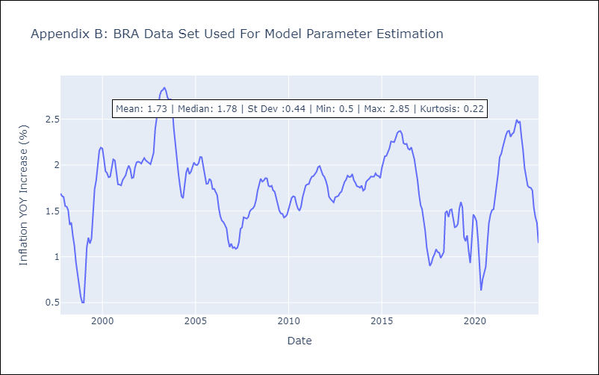

Appendix C: Residuals Analysis
Mean | 0.08
Variance | 0.26
White Noise? | No - Correlation at Lags [ 1 2 3 4 5 6 7 8 9 10 11 12]
Heteroskedastic? - ARCH | Yes
Normal? | No

CHL
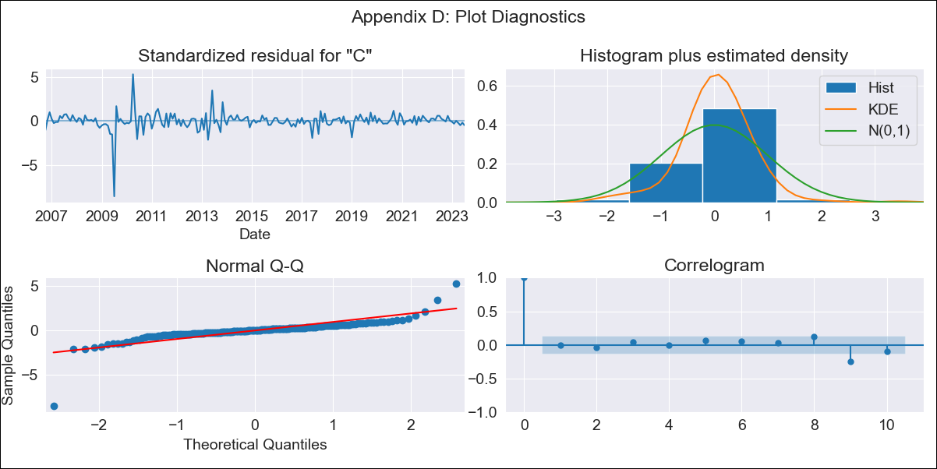

CHL - Inflation - Next 12 months forecast as of: 2023-07-01

Model | SARIMAX - [(1, 1, 1), (0, 0, 1, 12)] | Exogenous Variables | interest rates (90-day rates/yields), interest rates (long term government bond yields), unemployment, M1 Money Supply, spot exchange rate
Training Data | 2005-07-01 to 2022-08-01
Test Data | 2022-08-01 to 2023-07-01

Date | Inflation Change YoY % | Lower Bound - 95% Confidence Interval | Upper Bound - 95% Confidence Interval
2023-08-01 | 6.06 | 1.4 | 2.21
2023-09-01 | 5.7 | 1.11 | 2.37
2023-10-01 | 5.5 | 0.91 | 2.49
2023-11-01 | 5.45 | 0.77 | 2.62
2023-12-01 | 5.45 | 0.65 | 2.74
2024-01-01 | 5.44 | 0.55 | 2.84
2024-02-01 | 5.39 | 0.44 | 2.93
2024-03-01 | 5.58 | 0.39 | 3.05
2024-04-01 | 5.47 | 0.28 | 3.12
2024-05-01 | 5.63 | 0.23 | 3.23
2024-06-01 | 5.63 | 0.16 | 3.3
2024-07-01 | 5.69 | 0.09 | 3.38

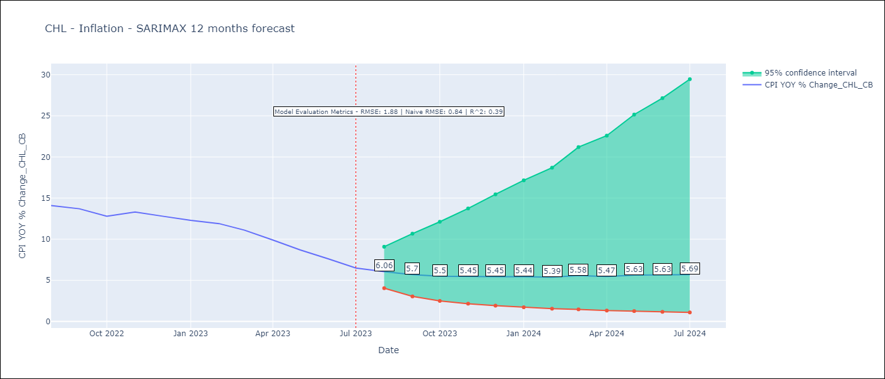

Test Metrics
RMSE | 1.88
Naive RMSE | 0.86
R^2 | 0.39

Test Predictions
Date | Predicted | Actual
2022-08-01 | 12.35 | 14.1
2022-09-01 | 11.66 | 13.7
2022-10-01 | 11 | 12.8
2022-11-01 | 11.16 | 13.3
2022-12-01 | 11.26 | 12.8
2023-01-01 | 11.13 | 12.3
2023-02-01 | 11.34 | 11.9
2023-03-01 | 11.32 | 11.1
2023-04-01 | 10.94 | 9.9
2023-05-01 | 10.45 | 8.7
2023-06-01 | 10.23 | 7.6
2023-07-01 | 9.96 | 6.5

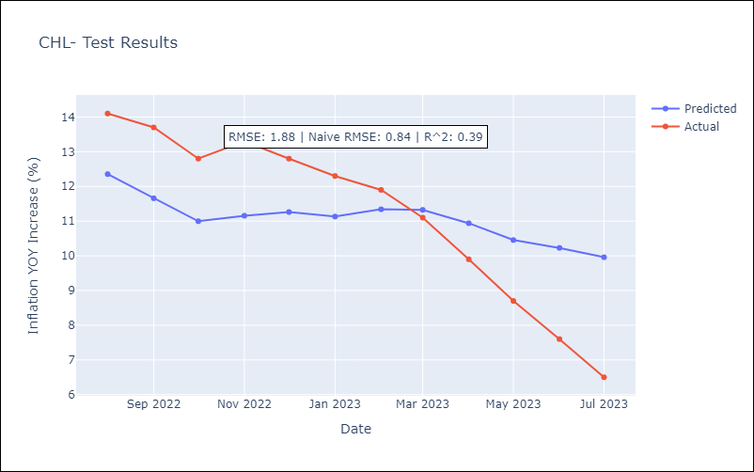

Appendix A: Model Summary
Model | SARIMAX(1, 1, 1)x(0, 0, 1, 12)
Sample | 07-01-2005- 07-01-2023
No. of Observations | 217
Terms | P-value (Statistical significance)
interest rates (90-day rates/yields) | 0.709
interest rates (long term government bond yields) | 0.339
unemployment | 0.843
M1 Money Supply | 0.500
spot exchange rate | 0.519
ar.L1 | 0.965
ma.L1 | 0.702
ma.S.L12 | 0.000
sigma2 | 0.000
Assumptions | P-value | Interpretation
Ljung-Box (L1) | 0.97 | Residuals are independent.
Heteroskedasticity | 0.00 | Residuals have different variances.
Jarque-Bera | 0.00 | Residuals are not normally distributed.
Skew | -2.51 | Negative skew - Model overestimates the mean.
Kurtosis | 36.29 | Residuals contain more extreme outliers than in a normal distribution.

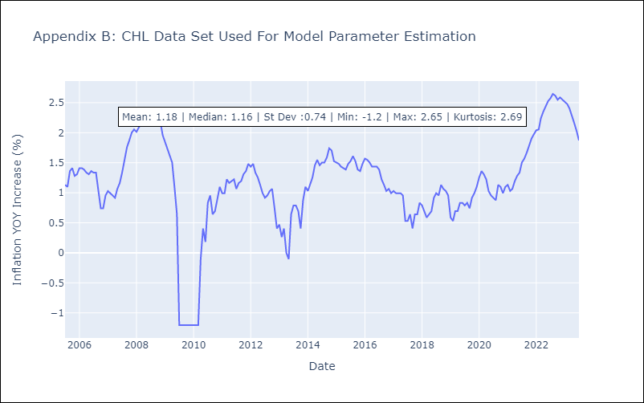

Appendix C: Residuals Analysis
Mean | 0.01
Variance | 0.05
White Noise? | Yes
Heteroskedastic? - ARCH | Yes
Normal? | No

COL
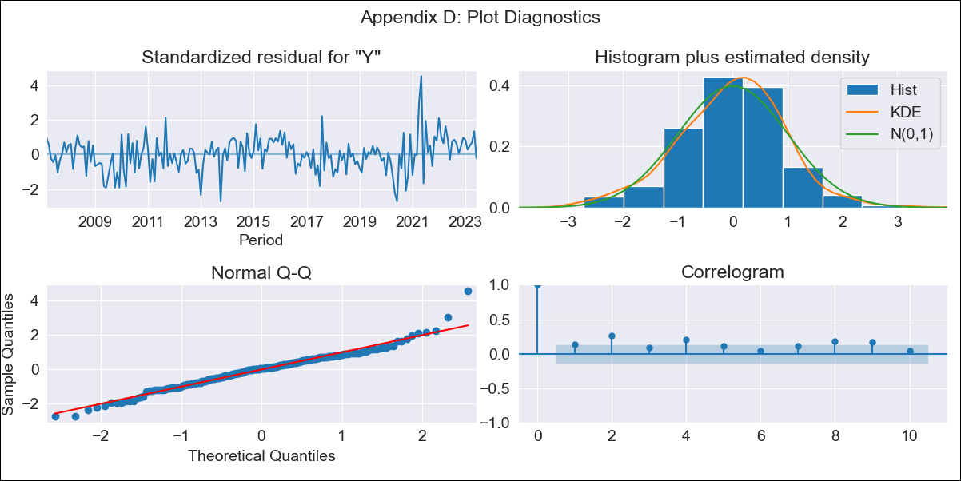

COL - Inflation - Next 12 months forecast as of: 2023-06-01

Model | SARIMAX - [(2, 0, 1), (3, 0, 0, 12)] | Exogenous Variables | interest rates (long term bond yields), m1 money supply
Training Data | 2004-01-01 to 2022-07-01
Test Data | 2022-07-01 to 2023-06-01

Date | Inflation Change YoY % | Lower Bound - 95% Confidence Interval | Upper Bound - 95% Confidence Interval
2023-07-01 | 11.57 | 2.3 | 2.59
2023-08-01 | 11.05 | 2.15 | 2.65
2023-09-01 | 10.84 | 2.06 | 2.7
2023-10-01 | 10.65 | 1.99 | 2.74
2023-11-01 | 10.33 | 1.91 | 2.76
2023-12-01 | 9.95 | 1.83 | 2.77
2024-01-01 | 9.35 | 1.72 | 2.75
2024-02-01 | 8.98 | 1.64 | 2.75
2024-03-01 | 9.02 | 1.61 | 2.79
2024-04-01 | 8.9 | 1.56 | 2.81
2024-05-01 | 8.91 | 1.53 | 2.84
2024-06-01 | 8.86 | 1.5 | 2.87

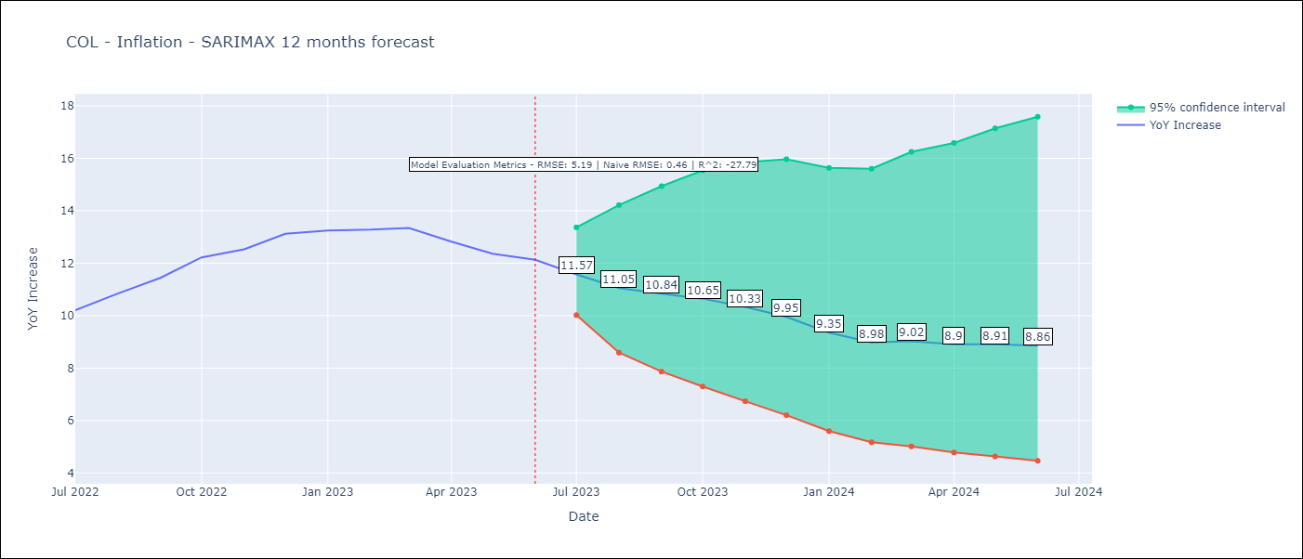

Test Metrics
RMSE | 5.19
Naive RMSE | 0.47
R^2 | -27.79

Test Predictions
Date | Predicted | Actual
2022-07-01 | 9.31 | 10.21
2022-08-01 | 9.05 | 10.84
2022-09-01 | 8.68 | 11.44
2022-10-01 | 9.09 | 12.22
2022-11-01 | 9.02 | 12.53
2022-12-01 | 8.44 | 13.12
2023-01-01 | 7.62 | 13.25
2023-02-01 | 7.12 | 13.28
2023-03-01 | 6.92 | 13.34
2023-04-01 | 6 | 12.82
2023-05-01 | 4.94 | 12.36
2023-06-01 | 4.73 | 12.13

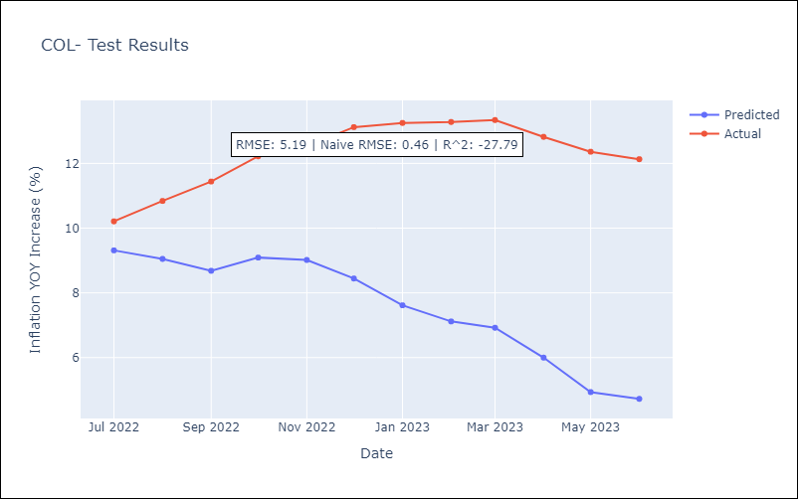

Appendix A: Model Summary
Model | SARIMAX(2, 0, 1)x(3, 0, [], 12)
Sample | 01-01-2004- 06-01-2023
No. of Observations | 234
Terms | P-value (Statistical significance)
interest rates (long term bond yields) | 0.338
m1 money supply | 0.441
ar.L1 | 0.000
ar.L2 | 0.349
ma.L1 | 0.000
ar.S.L12 | 0.000
ar.S.L24 | 0.001
ar.S.L36 | 0.586
sigma2 | 0.000
Assumptions | P-value | Interpretation
Ljung-Box (L1) | 0.06 | Residuals are independent.
Heteroskedasticity | 0.06 | Residuals have the same variance.
Jarque-Bera | 0.00 | Residuals are not normally distributed.
Skew | 0.27 | Positive skew - model underestimates the mean.
Kurtosis | 5.02 | Residuals contain more extreme outliers than in a normal distribution.

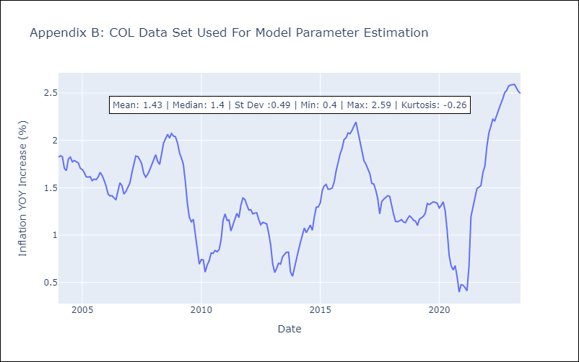

Appendix C: Residuals Analysis
Mean | 0.01
Variance | 0.02
White Noise? | No - Correlation at Lags [12]
Heteroskedastic? - ARCH | No
Normal? | No

MEX
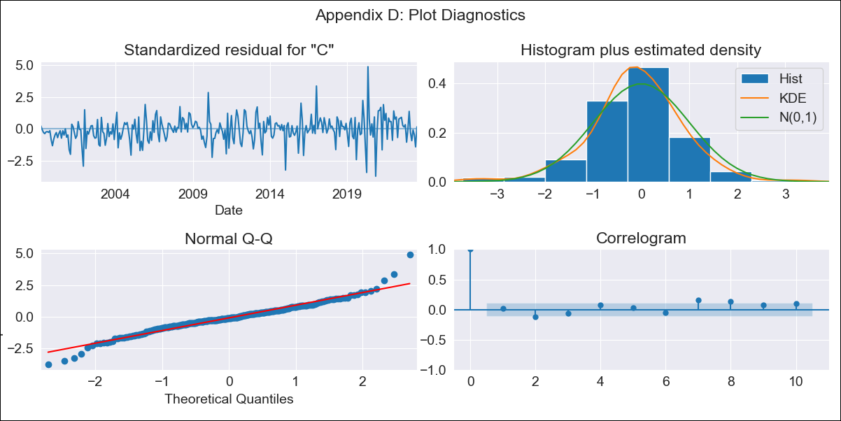

MEX - Inflation - Next 12 months forecast as of: 2023-07-01

Model | SARIMAX - [(1, 1, 0), (0, 0, 1, 12)] | Exogenous Variables | exchange rate, interest rate (gov securities/treasury bills), interest rate (90-day rates/yields), hourly earnings (manufacturing), energy CPI
Training Data | 1998-01-01 to 2022-08-01
Test Data | 2022-08-01 to 2023-07-01

Date | Inflation Change YoY % | Lower Bound - 95% Confidence Interval | Upper Bound - 95% Confidence Interval
2023-08-01 | 4.6 | 1.4 | 1.65
2023-09-01 | 4.48 | 1.3 | 1.7
2023-10-01 | 4.5 | 1.24 | 1.76
2023-11-01 | 4.59 | 1.22 | 1.83
2023-12-01 | 4.62 | 1.18 | 1.88
2024-01-01 | 4.55 | 1.13 | 1.9
2024-02-01 | 4.5 | 1.08 | 1.93
2024-03-01 | 4.58 | 1.07 | 1.97
2024-04-01 | 4.51 | 1.02 | 1.99
2024-05-01 | 4.59 | 1.02 | 2.03
2024-06-01 | 4.84 | 1.04 | 2.11
2024-07-01 | 5.14 | 1.08 | 2.2

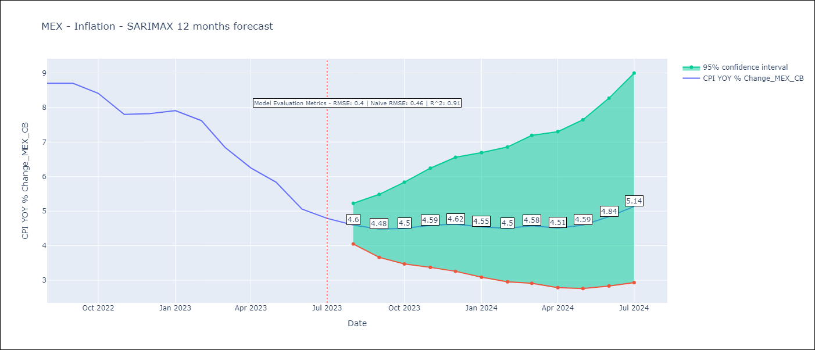

Test Metrics
RMSE | 0.4
Naive RMSE | 0.47
R^2 | 0.91

Test Predictions
Date | Predicted | Actual
2022-08-01 | 8.36 | 8.7
2022-09-01 | 8.13 | 8.7
2022-10-01 | 8 | 8.41
2022-11-01 | 7.73 | 7.8
2022-12-01 | 7.85 | 7.82
2023-01-01 | 7.58 | 7.91
2023-02-01 | 7.18 | 7.62
2023-03-01 | 6.71 | 6.85
2023-04-01 | 5.98 | 6.25
2023-05-01 | 5.77 | 5.84
2023-06-01 | 5.49 | 5.06
2023-07-01 | 5.63 | 4.79

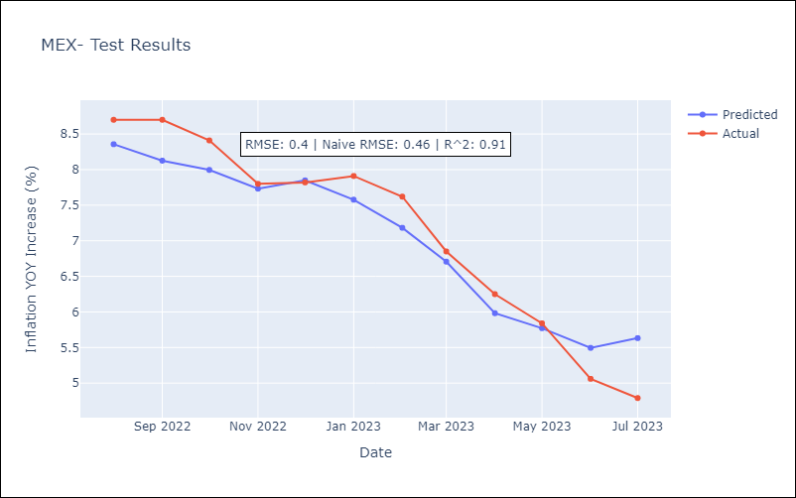

Appendix A: Model Summary
Model | SARIMAX(1, 1, 0)x(0, 0, [1], 12)
Sample | 01-01-1998- 07-01-2023
No. of Observations | 307
Terms | P-value (Statistical significance)
exchange rate | 0.007
interest rate (gov securities/treasury bills) | 0.947
interest rate (90-day rates/yields) | 0.472
hourly earnings (manufacturing) | 0.820
energy CPI | 0.000
ar.L1 | 0.000
ma.S.L12 | 0.000
sigma2 | 0.000
Assumptions | P-value | Interpretation
Ljung-Box (L1) | 0.75 | Residuals are independent.
Heteroskedasticity | 0.00 | Residuals have different variances.
Jarque-Bera | 0.00 | Residuals are not normally distributed.
Skew | 0.13 | Positive skew - model underestimates the mean.
Kurtosis | 6.03 | Residuals contain more extreme outliers than in a normal distribution.

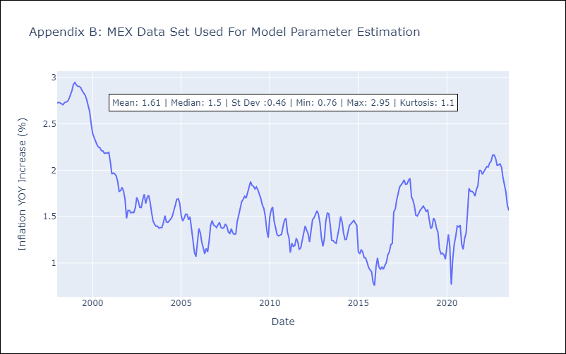

Appendix C: Residuals Analysis
Mean | 0.0
Variance | 0.03
White Noise? | Yes
Heteroskedastic? - ARCH | Yes
Normal? | No

