CHL
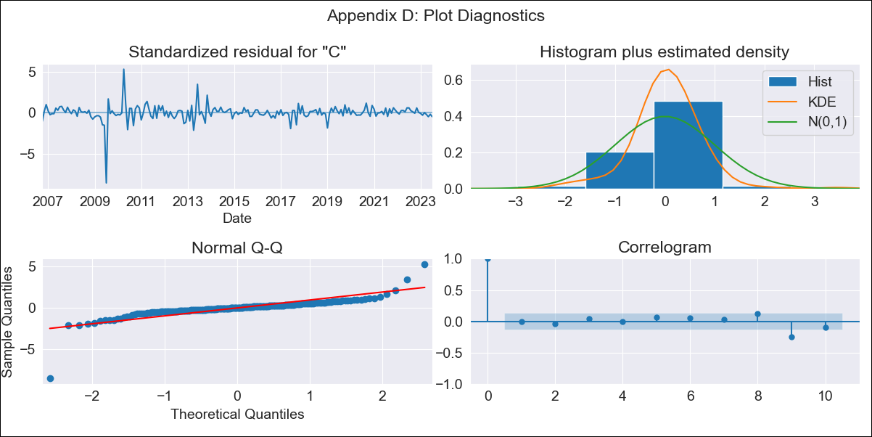

chl_clean - Inflation - Next 12 months forecast as of: 2023-07-01

Model | SARIMAX - [(1, 1, 1), (0, 0, 1, 12)] | Exogenous Variables | interest rates (90-day rates/yields), interest rates (long term government bond yields), unemployment, M1 Money Supply, spot exchange rate
Training Data | 2005-07-01 to 2022-08-01
Test Data | 2022-08-01 to 2023-07-01

Date | Inflation Change YoY % | Lower Bound - 95% Confidence Interval | Upper Bound - 95% Confidence Interval
2023-08-01 | 6.06 | 1.4 | 2.21
2023-09-01 | 5.7 | 1.11 | 2.37
2023-10-01 | 5.5 | 0.91 | 2.49
2023-11-01 | 5.45 | 0.77 | 2.62
2023-12-01 | 5.45 | 0.65 | 2.74
2024-01-01 | 5.44 | 0.55 | 2.84
2024-02-01 | 5.39 | 0.44 | 2.93
2024-03-01 | 5.58 | 0.39 | 3.05
2024-04-01 | 5.47 | 0.28 | 3.12
2024-05-01 | 5.63 | 0.23 | 3.23
2024-06-01 | 5.63 | 0.16 | 3.3
2024-07-01 | 5.69 | 0.09 | 3.38

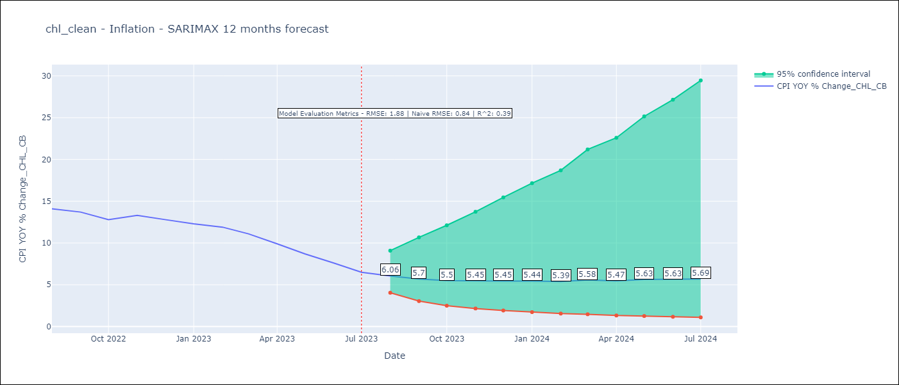

Test Metrics
RMSE | 1.88
Naive RMSE | 0.86
R^2 | 0.39

Test Predictions
Date | Predicted | Actual
2022-08-01 | 12.35 | 14.1
2022-09-01 | 11.66 | 13.7
2022-10-01 | 11 | 12.8
2022-11-01 | 11.16 | 13.3
2022-12-01 | 11.26 | 12.8
2023-01-01 | 11.13 | 12.3
2023-02-01 | 11.34 | 11.9
2023-03-01 | 11.32 | 11.1
2023-04-01 | 10.94 | 9.9
2023-05-01 | 10.45 | 8.7
2023-06-01 | 10.23 | 7.6
2023-07-01 | 9.96 | 6.5

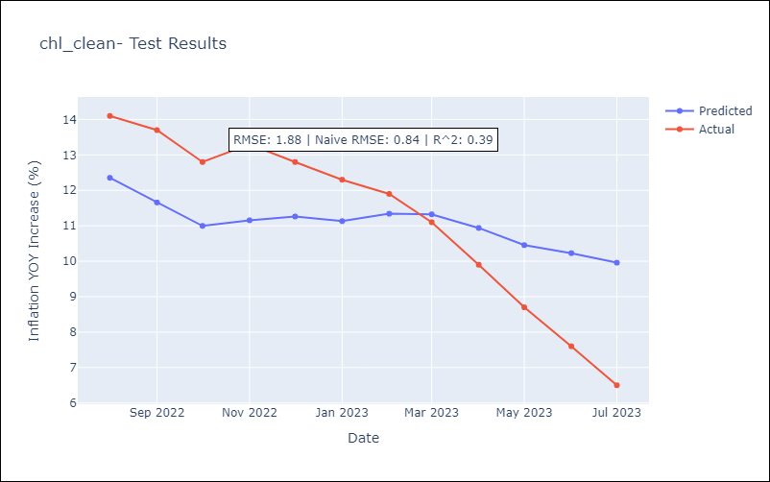

Appendix A: Model Summary
Model | SARIMAX(1, 1, 1)x(0, 0, 1, 12)
Sample | 07-01-2005- 07-01-2023
No. of Observations | 217
Terms | P-value (Statistical significance)
interest rates (90-day rates/yields) | 0.709
interest rates (long term government bond yields) | 0.339
unemployment | 0.843
M1 Money Supply | 0.500
spot exchange rate | 0.519
ar.L1 | 0.965
ma.L1 | 0.702
ma.S.L12 | 0.000
sigma2 | 0.000
Assumptions | P-value | Interpretation
Ljung-Box (L1) | 0.97 | Residuals are independent.
Heteroskedasticity | 0.00 | Residuals have different variances.
Jarque-Bera | 0.00 | Residuals are not normally distributed.
Skew | -2.51 | Negative skew - Model overestimates the mean.
Kurtosis | 36.29 | Residuals contain more extreme outliers than in a normal distribution.

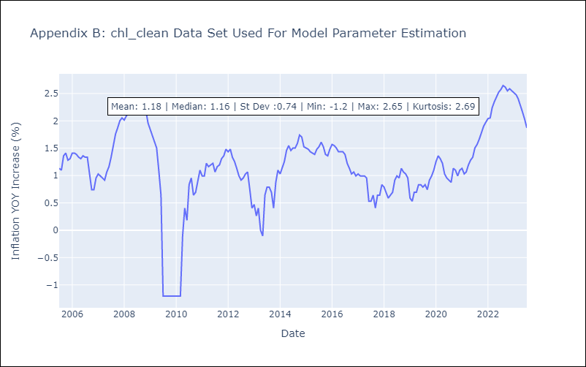

Appendix C: Residuals Analysis
Mean | 0.01
Variance | 0.05
White Noise? | Yes
Heteroskedastic? - ARCH | Yes
Normal? | No

MX
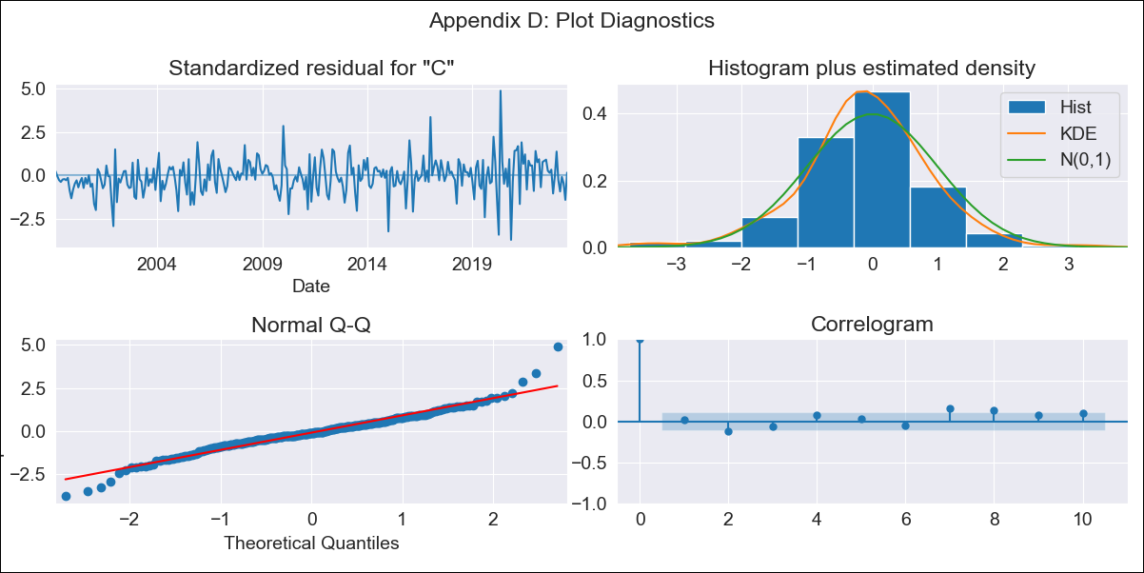

mx_clean - Inflation - Next 12 months forecast as of: 2023-07-01

Model | SARIMAX - [(1, 1, 0), (0, 0, 1, 12)] | Exogenous Variables | exchange rate, interest rate (gov securities/treasury bills), interest rate (90-day rates/yields), hourly earnings (manufacturing), energy CPI
Training Data | 1998-01-01 to 2022-08-01
Test Data | 2022-08-01 to 2023-07-01

Date | Inflation Change YoY % | Lower Bound - 95% Confidence Interval | Upper Bound - 95% Confidence Interval
2023-08-01 | 4.6 | 1.4 | 1.65
2023-09-01 | 4.48 | 1.3 | 1.7
2023-10-01 | 4.5 | 1.24 | 1.76
2023-11-01 | 4.59 | 1.22 | 1.83
2023-12-01 | 4.62 | 1.18 | 1.88
2024-01-01 | 4.55 | 1.13 | 1.9
2024-02-01 | 4.5 | 1.08 | 1.93
2024-03-01 | 4.58 | 1.07 | 1.97
2024-04-01 | 4.51 | 1.02 | 1.99
2024-05-01 | 4.59 | 1.02 | 2.03
2024-06-01 | 4.84 | 1.04 | 2.11
2024-07-01 | 5.14 | 1.08 | 2.2

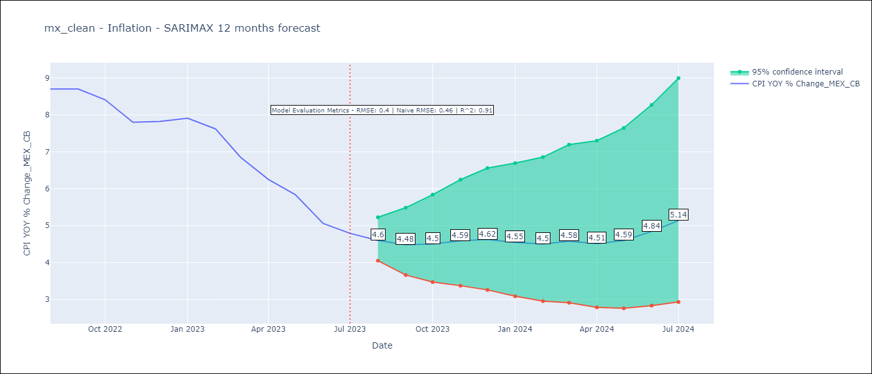

Test Metrics
RMSE | 0.4
Naive RMSE | 0.47
R^2 | 0.91

Test Predictions
Date | Predicted | Actual
2022-08-01 | 8.36 | 8.7
2022-09-01 | 8.13 | 8.7
2022-10-01 | 8 | 8.41
2022-11-01 | 7.73 | 7.8
2022-12-01 | 7.85 | 7.82
2023-01-01 | 7.58 | 7.91
2023-02-01 | 7.18 | 7.62
2023-03-01 | 6.71 | 6.85
2023-04-01 | 5.98 | 6.25
2023-05-01 | 5.77 | 5.84
2023-06-01 | 5.49 | 5.06
2023-07-01 | 5.63 | 4.79

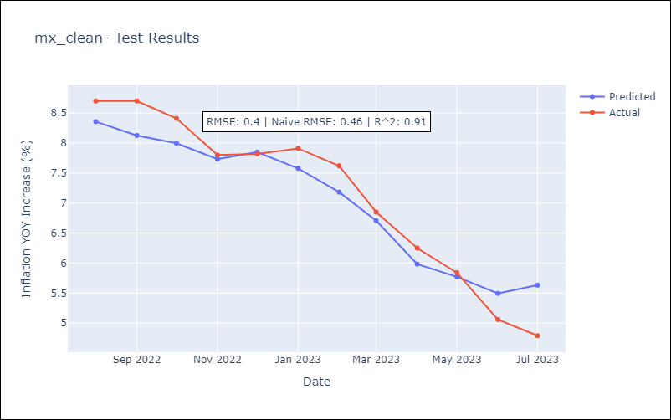

Appendix A: Model Summary
Model | SARIMAX(1, 1, 0)x(0, 0, [1], 12)
Sample | 01-01-1998- 07-01-2023
No. of Observations | 307
Terms | P-value (Statistical significance)
exchange rate | 0.007
interest rate (gov securities/treasury bills) | 0.947
interest rate (90-day rates/yields) | 0.472
hourly earnings (manufacturing) | 0.820
energy CPI | 0.000
ar.L1 | 0.000
ma.S.L12 | 0.000
sigma2 | 0.000
Assumptions | P-value | Interpretation
Ljung-Box (L1) | 0.75 | Residuals are independent.
Heteroskedasticity | 0.00 | Residuals have different variances.
Jarque-Bera | 0.00 | Residuals are not normally distributed.
Skew | 0.13 | Positive skew - model underestimates the mean.
Kurtosis | 6.03 | Residuals contain more extreme outliers than in a normal distribution.

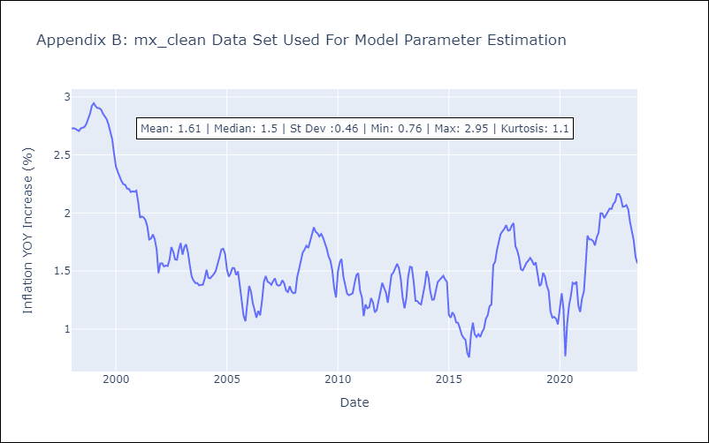

Appendix C: Residuals Analysis
Mean | 0.0
Variance | 0.03
White Noise? | Yes
Heteroskedastic? - ARCH | Yes
Normal? | No

BRA
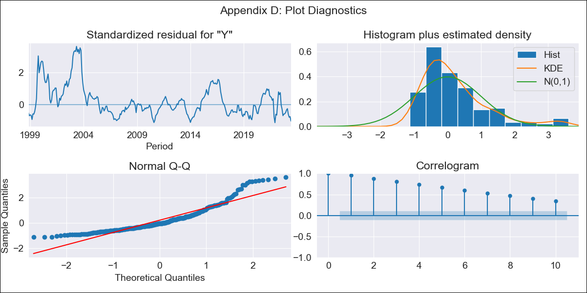
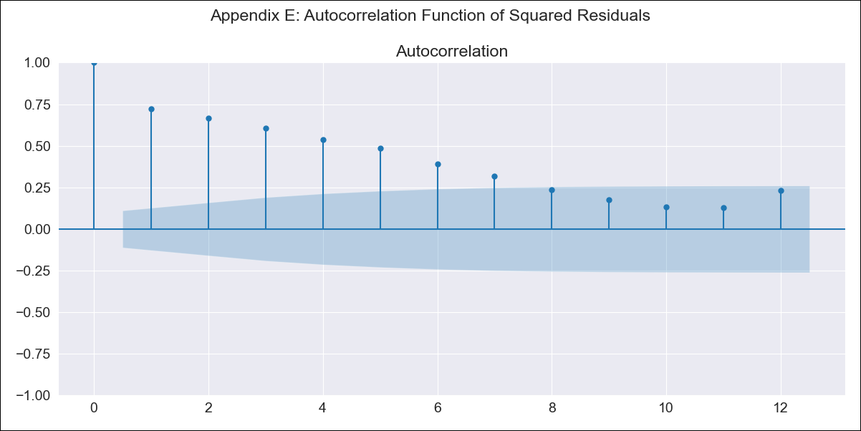
BRA - Inflation - Next 12 months forecast as of: 2023-06-01

Model | SARIMAX - [(0, 0, 0), (1, 0, 1, 12)] | Exogenous Variables | Exchange Rate - U.S Dollar, Interest Rates (Discount Rate), Interest Rates (Gov Securities/Treasury Bills), Unemployment, M1 Money Supply, m2 money supply
Training Data | 1997-10-01 to 2022-07-01
Test Data | 2022-07-01 to 2023-06-01

Date | Inflation Change YoY % | Lower Bound - 95% Confidence Interval | Upper Bound - 95% Confidence Interval
2023-07-01 | 5.08 | 0.55 | 9.6
2023-08-01 | 4.95 | 0.42 | 9.48
2023-09-01 | 4.57 | 0.04 | 9.1
2023-10-01 | 4.66 | 0.13 | 9.19
2023-11-01 | 3.9 | -0.62 | 8.43
2023-12-01 | 3.75 | -0.78 | 8.27
2024-01-01 | 3.78 | -0.74 | 8.31
2024-02-01 | 3.38 | -1.15 | 7.9
2024-03-01 | 3.38 | -1.15 | 7.9
2024-04-01 | 3.35 | -1.18 | 7.87
2024-05-01 | 3.18 | -1.35 | 7.7
2024-06-01 | 2.87 | -1.65 | 7.4

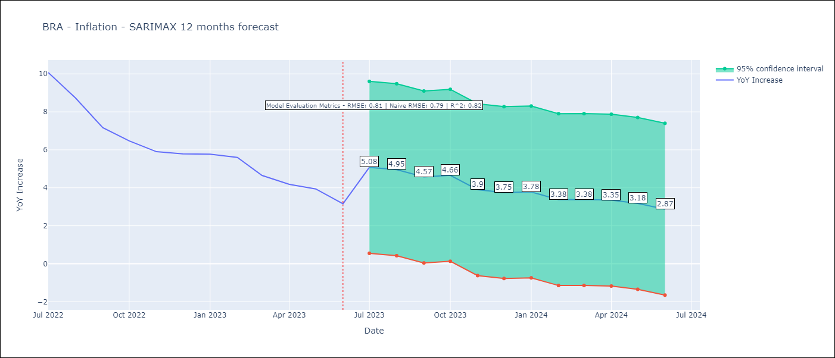

Test Metrics
RMSE | 0.81
Naive RMSE | 0.92
R^2 | 0.82

Test Predictions
Date | Predicted | Actual
2022-07-01 | 10.2 | 10.07
2022-08-01 | 9.55 | 8.73
2022-09-01 | 8.58 | 7.17
2022-10-01 | 8.17 | 6.47
2022-11-01 | 5.93 | 5.9
2022-12-01 | 5.68 | 5.79
2023-01-01 | 5.9 | 5.77
2023-02-01 | 5.11 | 5.6
2023-03-01 | 5.22 | 4.65
2023-04-01 | 5.15 | 4.18
2023-05-01 | 4.45 | 3.94
2023-06-01 | 3.81 | 3.16

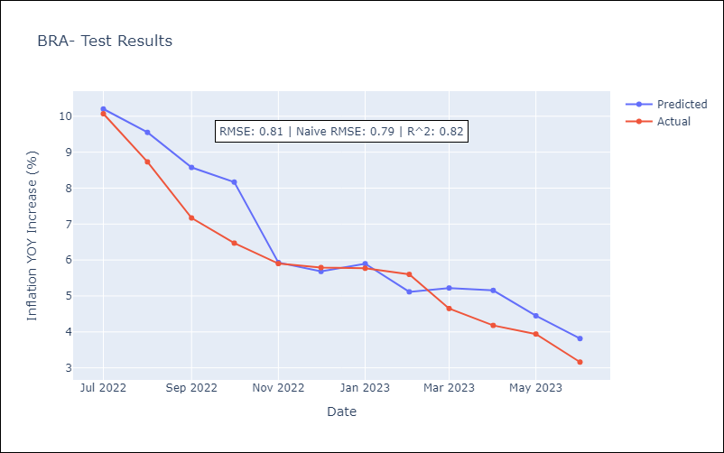

Appendix A: Model Summary
Model | SARIMAX(1, 0, [1], 12)
Sample | 10-01-1997- 06-01-2023
No. of Observations | 309
Terms | P-value (Statistical significance)
Exchange Rate - U.S Dollar | 0.002
Interest Rates (Discount Rate) | 0.000
Interest Rates (Gov Securities/Treasury Bills) | 0.009
Unemployment | 0.029
M1 Money Supply | 0.027
m2 money supply | 0.069
ar.S.L12 | 0.000
ma.S.L12 | 0.987
sigma2 | 0.987
Assumptions | P-value | Interpretation
Ljung-Box (L1) | 0.00 | Residuals are not independent.
Heteroskedasticity | 0.00 | Residuals have different variances.
Jarque-Bera | 0.00 | Residuals are not normally distributed.
Skew | 1.45 | Positive skew - model underestimates the mean.
Kurtosis | 5.05 | Residuals contain more extreme outliers than in a normal distribution.

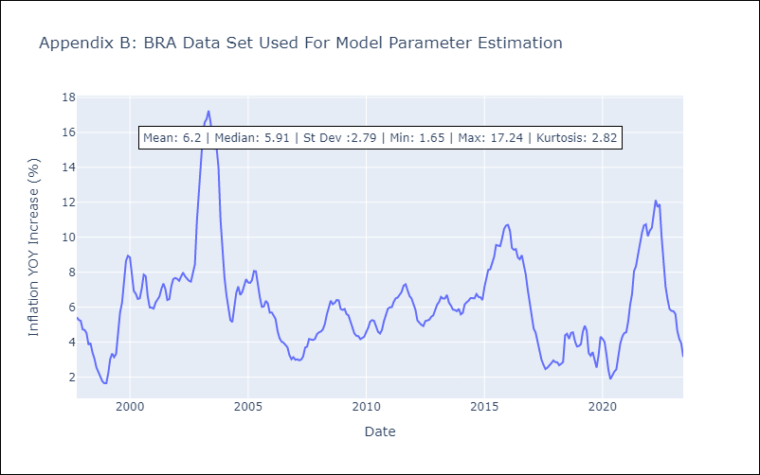

Appendix C: Residuals Analysis
Mean | 0.71
Variance | 7.16
White Noise? | No - Correlation at Lags [ 1 2 3 4 5 6 7 8 9 10 11 12]
Heteroskedastic? - ARCH | Yes
Normal? | No

