co_clean
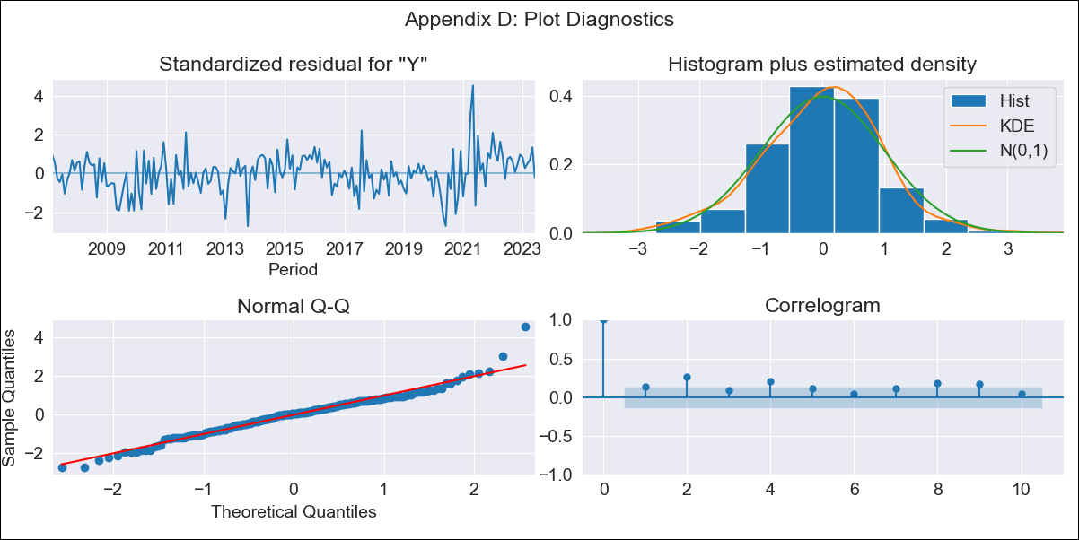

co_clean - Inflation - Next 12 months forecast as of: 2023-06-01

Model | SARIMAX - [(2, 0, 1), (3, 0, 0, 12)] | Exogenous Variables | interest rates (long term bond yields), m1 money supply
Training Data | 2004-01-01 to 2022-07-01
Test Data | 2022-07-01 to 2023-06-01

Date | Inflation Change YoY % | Lower Bound - 95% Confidence Interval | Upper Bound - 95% Confidence Interval
2023-07-01 | 11.57 | 2.3 | 2.59
2023-08-01 | 11.05 | 2.15 | 2.65
2023-09-01 | 10.84 | 2.06 | 2.7
2023-10-01 | 10.65 | 1.99 | 2.74
2023-11-01 | 10.33 | 1.91 | 2.76
2023-12-01 | 9.95 | 1.83 | 2.77
2024-01-01 | 9.35 | 1.72 | 2.75
2024-02-01 | 8.98 | 1.64 | 2.75
2024-03-01 | 9.02 | 1.61 | 2.79
2024-04-01 | 8.9 | 1.56 | 2.81
2024-05-01 | 8.91 | 1.53 | 2.84
2024-06-01 | 8.86 | 1.5 | 2.87

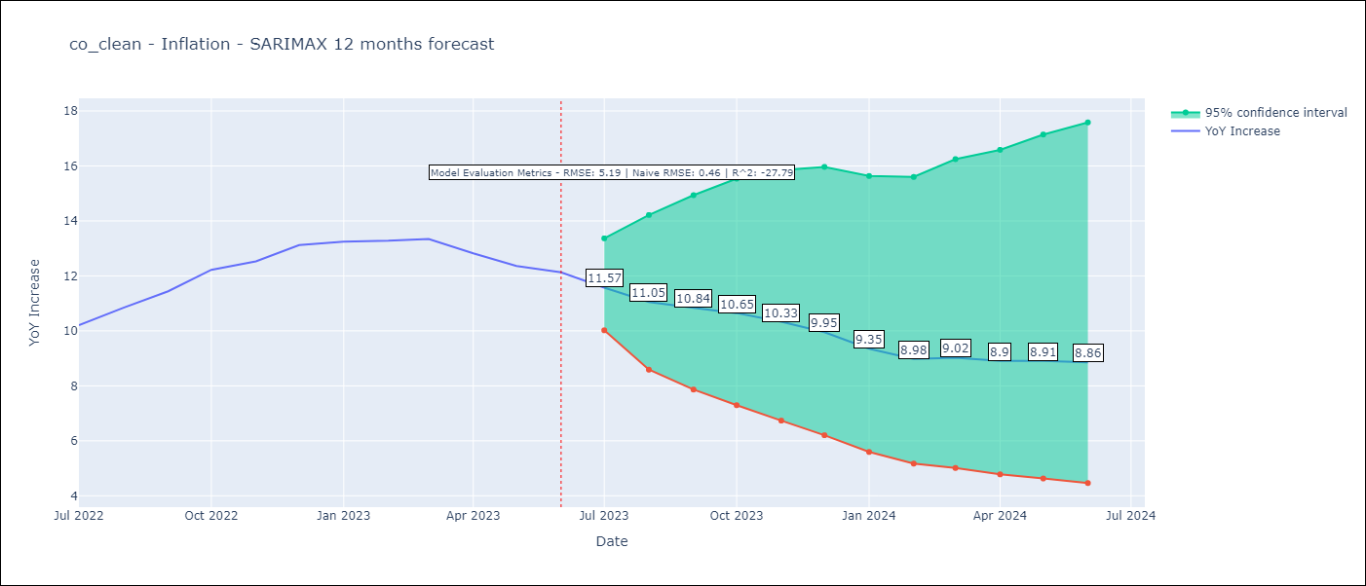

Test Metrics
RMSE | 5.19
Naive RMSE | 0.47
R^2 | -27.79

Test Predictions
Date | Predicted | Actual
2022-07-01 | 9.31 | 10.21
2022-08-01 | 9.05 | 10.84
2022-09-01 | 8.68 | 11.44
2022-10-01 | 9.09 | 12.22
2022-11-01 | 9.02 | 12.53
2022-12-01 | 8.44 | 13.12
2023-01-01 | 7.62 | 13.25
2023-02-01 | 7.12 | 13.28
2023-03-01 | 6.92 | 13.34
2023-04-01 | 6 | 12.82
2023-05-01 | 4.94 | 12.36
2023-06-01 | 4.73 | 12.13

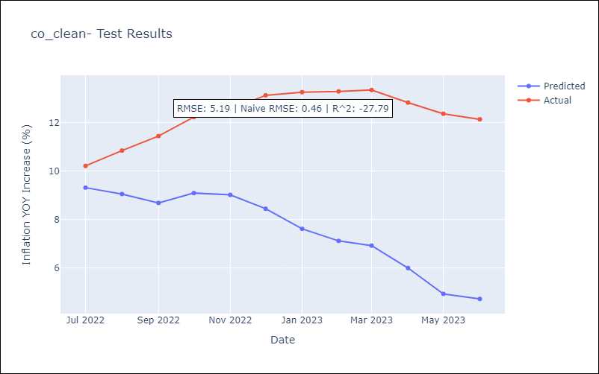

Appendix A: Model Summary
Model | SARIMAX(2, 0, 1)x(3, 0, [], 12)
Sample | 01-01-2004- 06-01-2023
No. of Observations | 234
Terms | P-value (Statistical significance)
interest rates (long term bond yields) | 0.338
m1 money supply | 0.441
ar.L1 | 0.000
ar.L2 | 0.349
ma.L1 | 0.000
ar.S.L12 | 0.000
ar.S.L24 | 0.001
ar.S.L36 | 0.586
sigma2 | 0.000
Assumptions | P-value | Interpretation
Ljung-Box (L1) | 0.06 | Residuals are independent.
Heteroskedasticity | 0.06 | Residuals have the same variance.
Jarque-Bera | 0.00 | Residuals are not normally distributed.
Skew | 0.27 | Positive skew - model underestimates the mean.
Kurtosis | 5.02 | Residuals contain more extreme outliers than in a normal distribution.

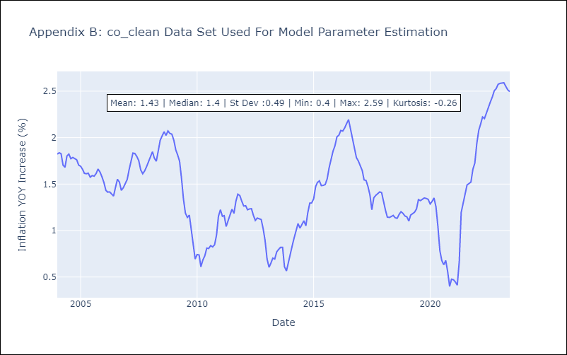

Appendix C: Residuals Analysis
Mean | 0.01
Variance | 0.02
White Noise? | No - Correlation at Lags [12]
Heteroskedastic? - ARCH | No
Normal? | No

