ARG_final
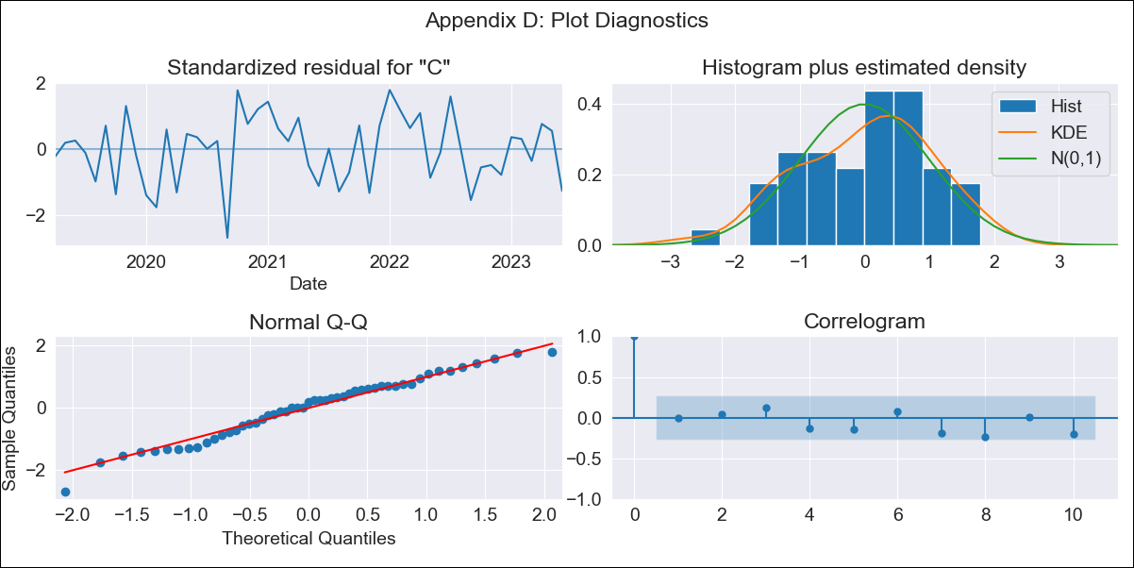
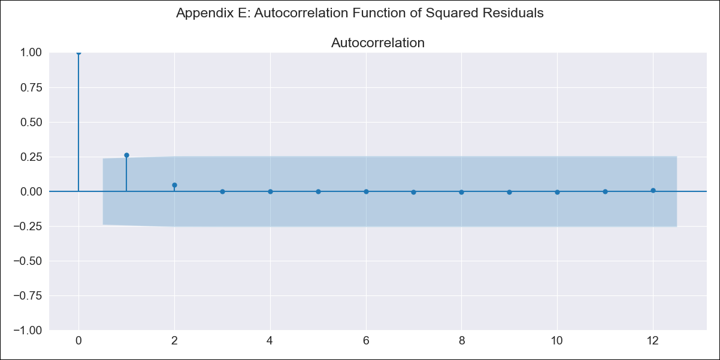
ARG_final - Inflation - Next 12 months forecast as of: 2023-06-01

Model | SARIMAX - [(2, 2, 0), (1, 0, 0, 12)] | Exogenous Variables | exchange rate, m1 money supply, m2 money supply, exchange rate (real broad effective)
Training Data | 2017-12-01 to 2022-07-01
Test Data | 2022-07-01 to 2023-06-01

Date | Inflation Change YoY % | Lower Bound - 95% Confidence Interval | Upper Bound - 95% Confidence Interval
2023-07-01 | 115.76 | 4.7 | 4.81
2023-08-01 | 116.21 | 4.65 | 4.86
2023-09-01 | 117.81 | 4.61 | 4.93
2023-10-01 | 118.98 | 4.55 | 5.01
2023-11-01 | 120.27 | 4.49 | 5.09
2023-12-01 | 122.78 | 4.42 | 5.2
2024-01-01 | 124.72 | 4.35 | 5.3
2024-02-01 | 126.8 | 4.28 | 5.41
2024-03-01 | 129.94 | 4.2 | 5.53
2024-04-01 | 131.92 | 4.11 | 5.65
2024-05-01 | 132.69 | 4.01 | 5.76
2024-06-01 | 136.37 | 3.93 | 5.91

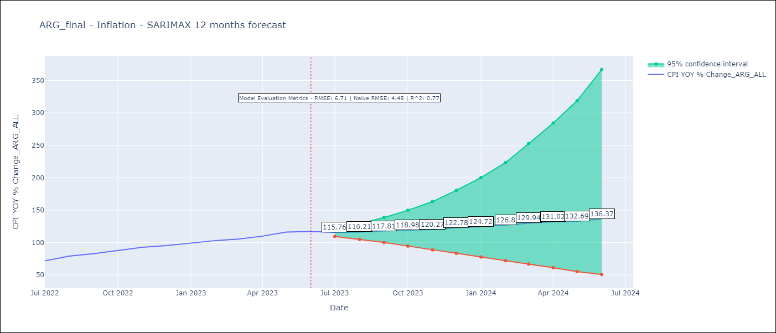

Test Metrics
RMSE | 6.71
Naive RMSE | 4.72
R^2 | 0.77

Test Predictions
Date | Predicted | Actual
2022-07-01 | 67.91 | 71.83
2022-08-01 | 74.05 | 79.11
2022-09-01 | 79.92 | 82.9
2022-10-01 | 84.87 | 87.8
2022-11-01 | 91.13 | 92.82
2022-12-01 | 97.06 | 95.19
2023-01-01 | 102.41 | 99.01
2023-02-01 | 108.14 | 103.06
2023-03-01 | 114.13 | 105.25
2023-04-01 | 119.37 | 109.89
2023-05-01 | 125.77 | 116.26
2023-06-01 | 130.35 | 116.97

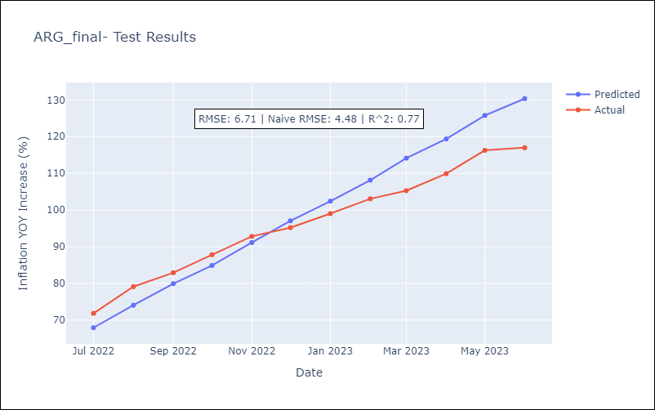

Appendix A: Model Summary
Model | SARIMAX(2, 2, 0)x(1, 0, 0, 12)
Sample | 12-01-2017- 06-01-2023
No. of Observations | 67
Terms | P-value (Statistical significance)
exchange rate | 0.206
m1 money supply | 0.602
m2 money supply | 0.801
exchange rate (real broad effective) | 0.611
ar.L1 | 0.003
ar.L2 | 0.667
ar.S.L12 | 0.001
sigma2 | 0.000
Assumptions | P-value | Interpretation
Ljung-Box (L1) | 0.98 | Residuals are independent.
Heteroskedasticity | 0.99 | Residuals have the same variance.
Jarque-Bera | 0.52 | Residuals are normally distributed.
Skew | -0.34 | Negative skew - Model overestimates the mean.
Kurtosis | 2.60 | Residuals do not contain more extreme outliers than in a normal distribution.

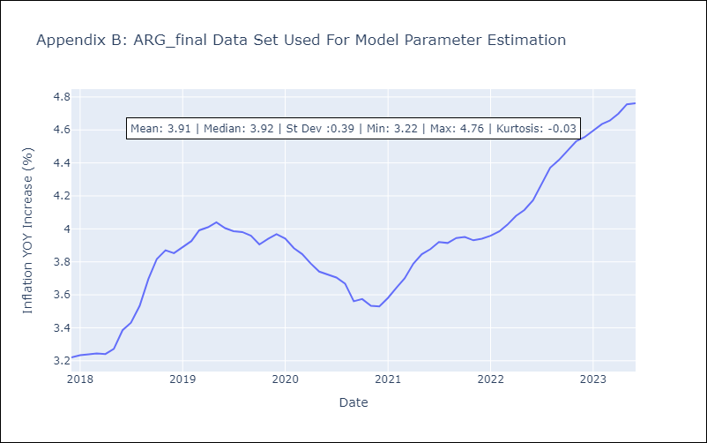

Appendix C: Residuals Analysis
Mean | 0.01
Variance | 0.2
White Noise? | No - Correlation at Lags [1 2 3]
Heteroskedastic? - ARCH | Yes
Normal? | No

