ARG_final
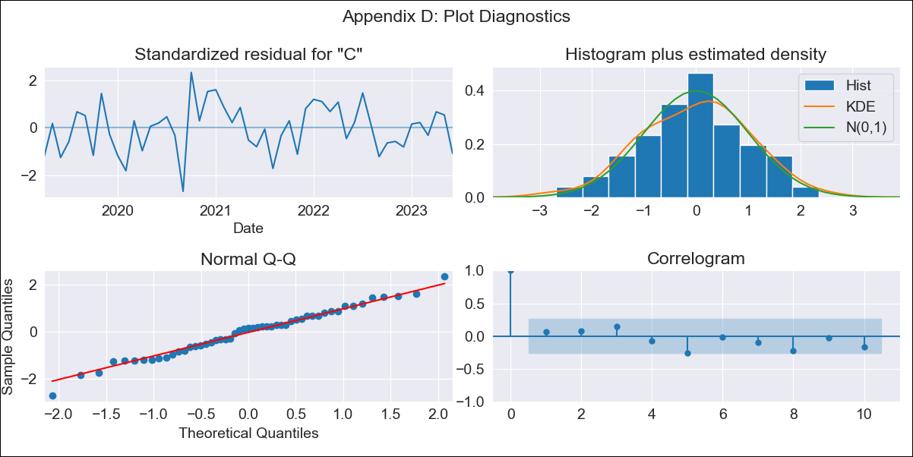
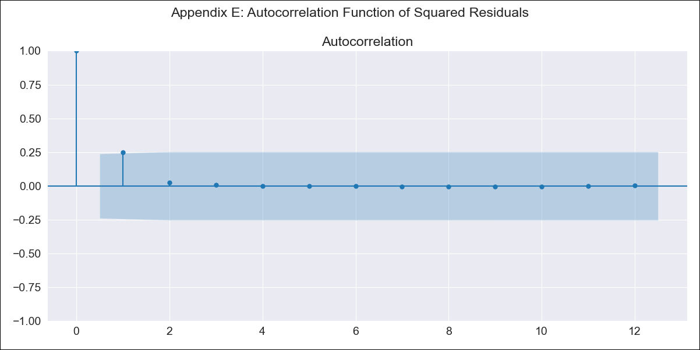
ARG_final - Inflation - Next 12 months forecast as of: 2023-06-01

Model | ARIMA - [(2, 2, 0), (1, 0, 0, 12)]
Training Data | 2017-12-01 to 2022-07-01
Test Data | 2022-07-01 to 2023-06-01

Date | Inflation Change YoY % | Lower Bound - 95% Confidence Interval | Upper Bound - 95% Confidence Interval
2023-07-01 | 4.77 | 4.71 | 4.83
2023-08-01 | 4.79 | 4.68 | 4.9
2023-09-01 | 4.81 | 4.65 | 4.98
2023-10-01 | 4.83 | 4.6 | 5.07
2023-11-01 | 4.86 | 4.55 | 5.16
2023-12-01 | 4.89 | 4.51 | 5.27
2024-01-01 | 4.92 | 4.45 | 5.39
2024-02-01 | 4.95 | 4.39 | 5.51
2024-03-01 | 4.99 | 4.33 | 5.64
2024-04-01 | 5.01 | 4.26 | 5.76
2024-05-01 | 5.04 | 4.18 | 5.89
2024-06-01 | 5.08 | 4.11 | 6.04

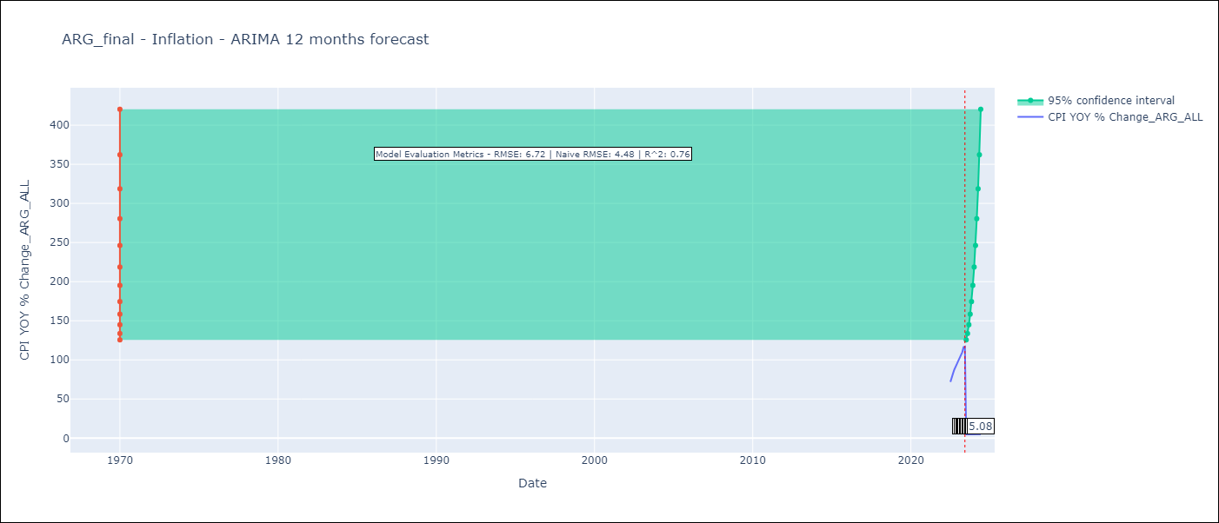

Test Metrics
RMSE | 6.72
Naive RMSE | 4.72
R^2 | 0.76

Test Predictions
Date | Predicted | Actual
2022-07-01 | 68.52 | 71.83
2022-08-01 | 73.32 | 79.11
2022-09-01 | 77.62 | 82.9
2022-10-01 | 82.8 | 87.8
2022-11-01 | 89.08 | 92.82
2022-12-01 | 94.91 | 95.19
2023-01-01 | 100.85 | 99.01
2023-02-01 | 106.87 | 103.06
2023-03-01 | 112.79 | 105.25
2023-04-01 | 118.46 | 109.89
2023-05-01 | 125.15 | 116.26
2023-06-01 | 131.2 | 116.97

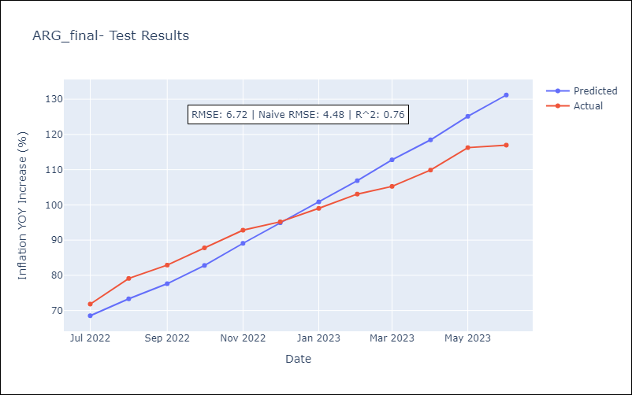

Appendix A: Model Summary
Model | ARIMA(2, 2, 0)x(1, 0, 0, 12)
Sample | 12-01-2017- 06-01-2023
No. of Observations | 67
Terms | P-value (Statistical significance)
ar.L1 | 0.000
ar.L2 | 0.075
ar.S.L12 | 0.013
sigma2 | 0.000
Assumptions | P-value | Interpretation
Ljung-Box (L1) | 0.66 | Residuals are independent.
Heteroskedasticity | 0.56 | Residuals have the same variance.
Jarque-Bera | 0.90 | Residuals are normally distributed.
Skew | -0.15 | Negative skew - Model overestimates the mean.
Kurtosis | 2.88 | Residuals do not contain more extreme outliers than in a normal distribution.

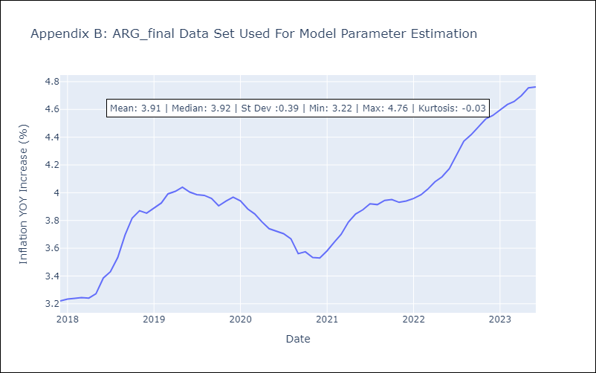

Appendix C: Residuals Analysis
Mean | 0.01
Variance | 0.21
White Noise? | No - Correlation at Lags [1 2]
Heteroskedastic? - ARCH | No
Normal? | No

