ARG_final
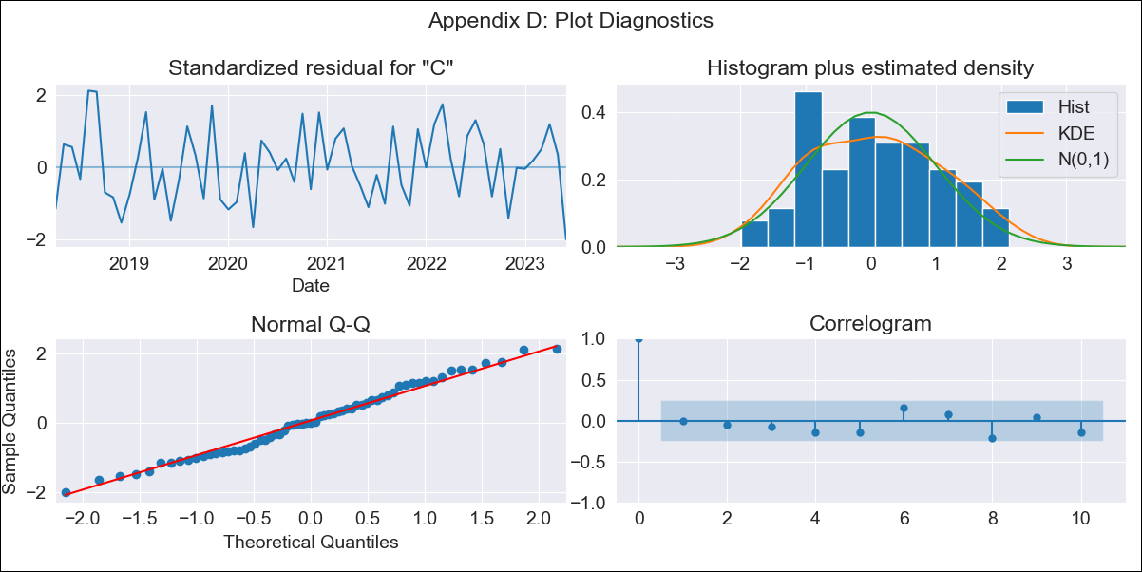
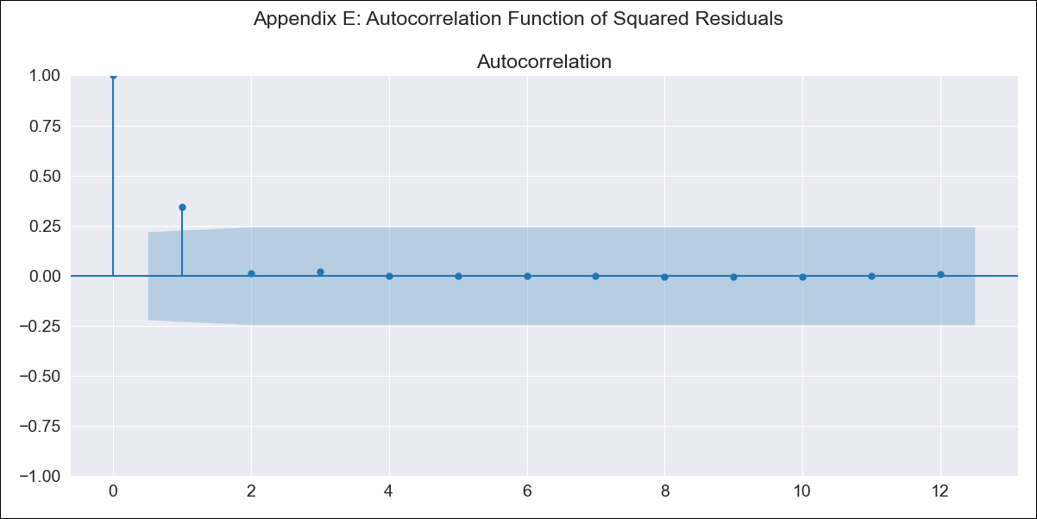
ARG_final - Inflation - Next 12 months forecast as of: 2023-06-01

Model | SARIMAX - [(2, 2, 0), (1, 0, 0, 12)] | Exogenous Variables | exchange rate, m1 money supply, m2 money supply, exchange rate (real broad effective)
Training Data | 2016-12-01 to 2022-07-01
Test Data | 2022-07-01 to 2023-06-01

Date | Inflation Change YoY % | Lower Bound - 95% Confidence Interval | Upper Bound - 95% Confidence Interval
2023-07-01 | 1794.22 | 7.47 | 7.51
2023-08-01 | 1932.71 | 7.53 | 7.61
2023-09-01 | 2066.83 | 7.57 | 7.69
2023-10-01 | 2211.16 | 7.62 | 7.78
2023-11-01 | 2356.8 | 7.66 | 7.87
2023-12-01 | 2519.13 | 7.7 | 7.97
2024-01-01 | 2693.34 | 7.74 | 8.06
2024-02-01 | 2882.02 | 7.77 | 8.16
2024-03-01 | 3100.68 | 7.81 | 8.27
2024-04-01 | 3346.66 | 7.86 | 8.38
2024-05-01 | 3603.36 | 7.89 | 8.49
2024-06-01 | 3850.59 | 7.92 | 8.59

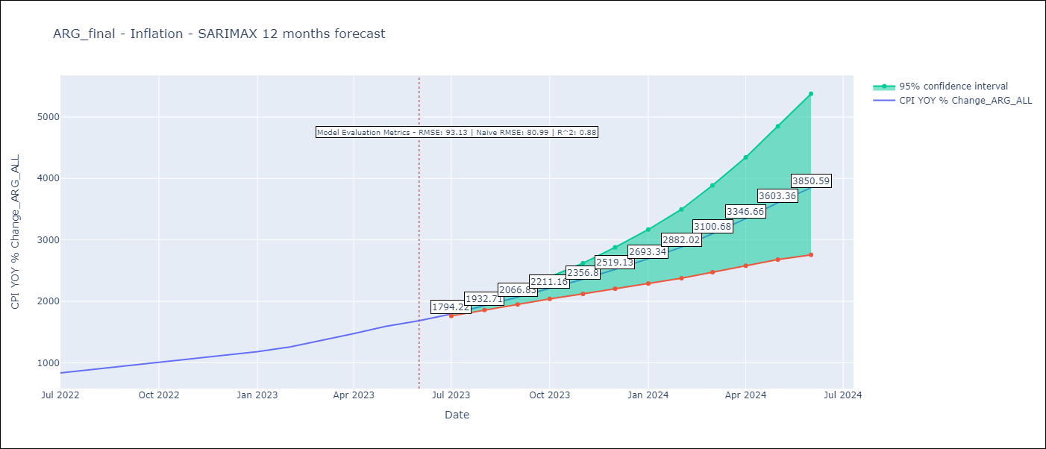

Test Metrics
RMSE | 93.13
Naive RMSE | 80.98927982334223
R^2 | 0.88

Test Predictions
Date | Predicted | Actual
2022-07-01 | 819.15 | 833.89
2022-08-01 | 859.61 | 891.85
2022-09-01 | 907.53 | 945.68
2022-10-01 | 957.5 | 1007.63
2022-11-01 | 1005.09 | 1058
2022-12-01 | 1060.23 | 1114.54
2023-01-01 | 1118.91 | 1180.97
2023-02-01 | 1185.2 | 1260
2023-03-01 | 1265.15 | 1358.5
2023-04-01 | 1347.25 | 1475.1
2023-05-01 | 1424.65 | 1592.45
2023-06-01 | 1510.65 | 1685.16

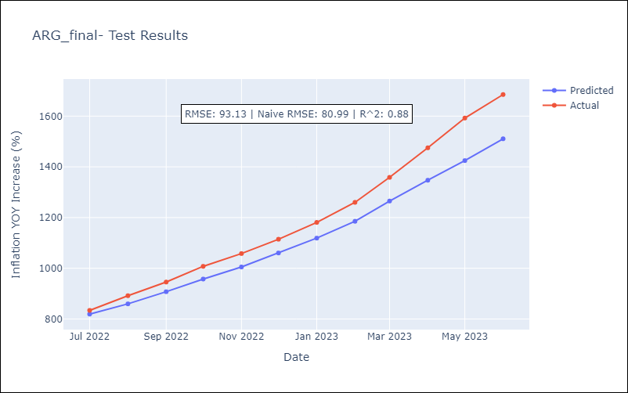

Appendix A: Model Summary
Model | SARIMAX(2, 2, 0)x(1, 0, 0, 12)
Sample | 12-01-2016- 06-01-2023
No. of Observations | 79
Terms | P-value (Statistical significance)
exchange rate | 0.470
m1 money supply | 0.096
m2 money supply | 0.116
exchange rate (real broad effective) | 0.248
ar.L1 | 0.439
ar.L2 | 0.003
ar.S.L12 | 0.005
sigma2 | 0.000
Assumptions | P-value | Interpretation
Ljung-Box (L1) | 0.99 | Residuals are independent.
Heteroskedasticity | 0.47 | Residuals have the same variance.
Jarque-Bera | 0.40 | Residuals are normally distributed.
Skew | 0.12 | Positive skew - model underestimates the mean.
Kurtosis | 2.20 | Residuals do not contain more extreme outliers than in a normal distribution.

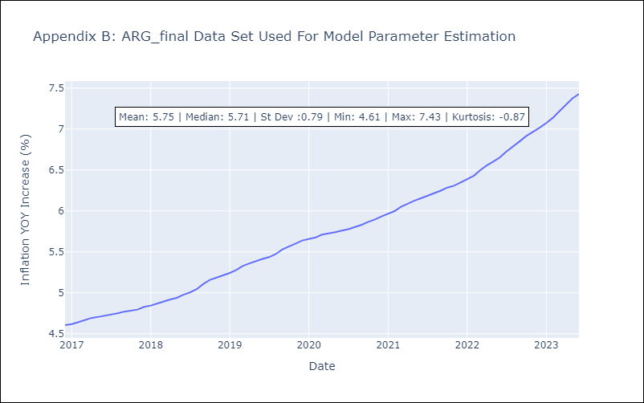

Appendix C: Residuals Analysis
Mean | 0.02
Variance | 0.39
White Noise? | No - Correlation at Lags [ 1 2 3 4 5 6 7 8 9 10 11 12]
Heteroskedastic? - ARCH | No
Normal? | No

