ARG1
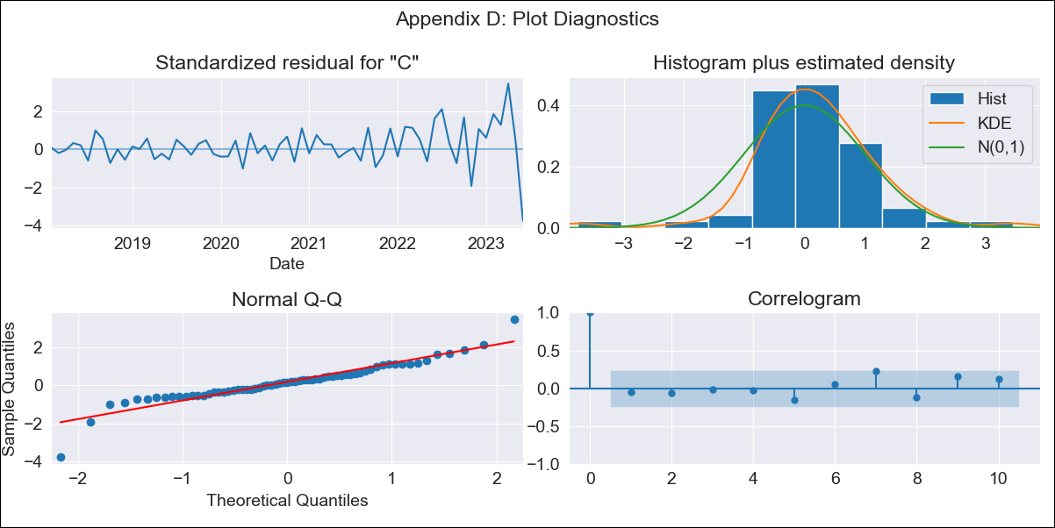
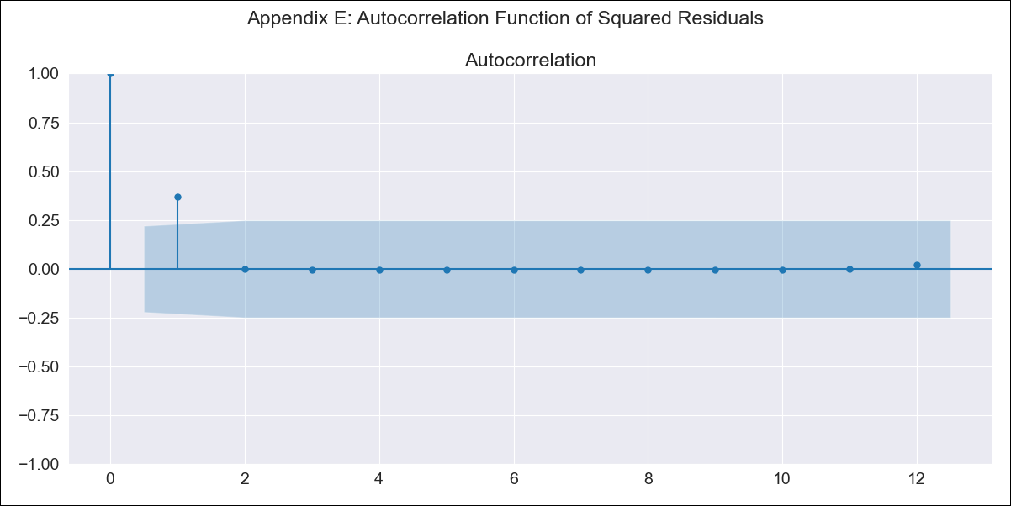
ARG1 - Inflation - Next 12 months forecast as of: 2023-06-01

Model | SARIMAX - [(0, 2, 2), (1, 0, 0, 12)] | Exogenous Variables | exchange rate, m1 money supply, m2 money supply, exchange rate (real broad effective)
Training Data | 2016-12-01 to 2022-07-01
Test Data | 2022-07-01 to 2023-06-01

Date | Inflation Change YoY % | Lower Bound - 95% Confidence Interval | Upper Bound - 95% Confidence Interval
2023-07-01 | 1783.03
2023-08-01 | 1889.02
2023-09-01 | 1992.74
2023-10-01 | 2102.46
2023-11-01 | 2204.17
2023-12-01 | 2310.07
2024-01-01 | 2422.64
2024-02-01 | 2544.08
2024-03-01 | 2678.87
2024-04-01 | 2826.44
2024-05-01 | 2974.12
2024-06-01 | 3105.07

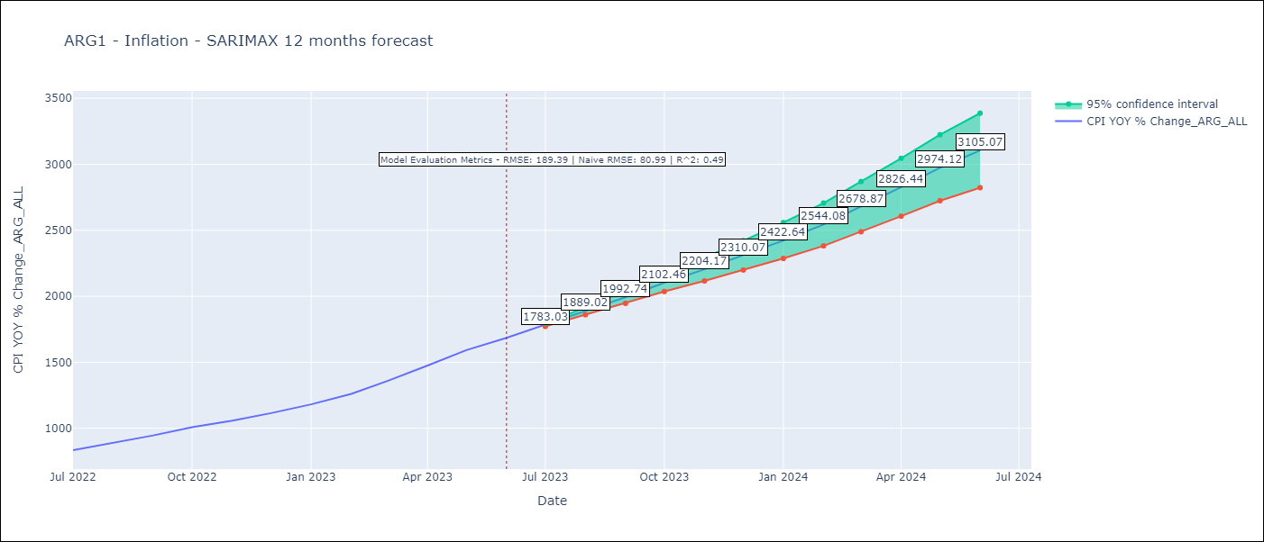

Test Metrics
RMSE | 189.39
Naive RMSE | 80.98927982334227
R^2 | 0.49

Test Predictions
Date | Predicted | Actual
2022-07-01 | 813.48 | 833.89
2022-08-01 | 847.13 | 891.85
2022-09-01 | 886.09 | 945.68
2022-10-01 | 926.57 | 1007.63
2022-11-01 | 959.7 | 1058
2022-12-01 | 1003.74 | 1114.54
2023-01-01 | 1046.53 | 1180.97
2023-02-01 | 1092.34 | 1260
2023-03-01 | 1151.04 | 1358.5
2023-04-01 | 1210.33 | 1475.1
2023-05-01 | 1265.04 | 1592.45
2023-06-01 | 1325.4 | 1685.16

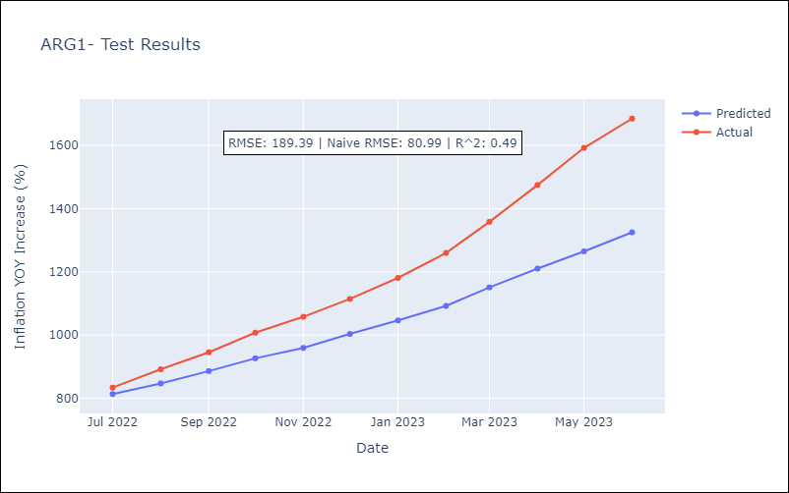

Appendix A: Model Summary
Model | SARIMAX(0, 2, 2)x(1, 0, [], 12)
Sample | 12-01-2016- 06-01-2023
No. of Observations | 79
Terms | P-value (Statistical significance)
exchange rate | 0.558
m1 money supply | 0.946
m2 money supply | 0.977
exchange rate (real broad effective) | 0.890
ma.L1 | 0.019
ma.L2 | 0.000
ar.S.L12 | 0.001
sigma2 | 0.000
Assumptions | P-value | Interpretation
Ljung-Box (L1) | 0.70 | Residuals are independent.
Heteroskedasticity | 0.00 | Residuals have different variances.
Jarque-Bera | 0.00 | Residuals are not normally distributed.
Skew | -0.30 | Negative skew - Model overestimates the mean.
Kurtosis | 7.04 | Residuals contain more extreme outliers than in a normal distribution.

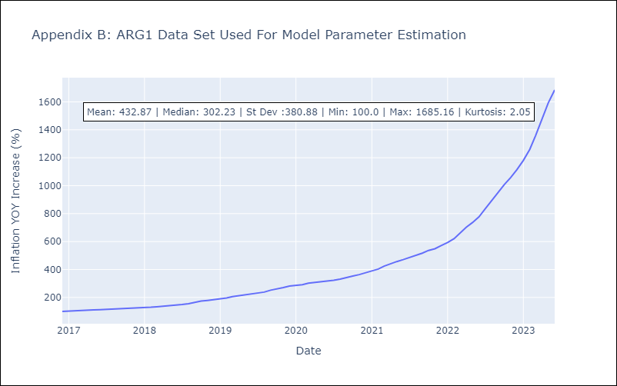

Appendix C: Residuals Analysis
Mean | 1.49
Variance | 236.26
White Noise? | No - Correlation at Lags [1 2 3 4 5 6 7]
Heteroskedastic? - ARCH | No
Normal? | No

