ARG2000
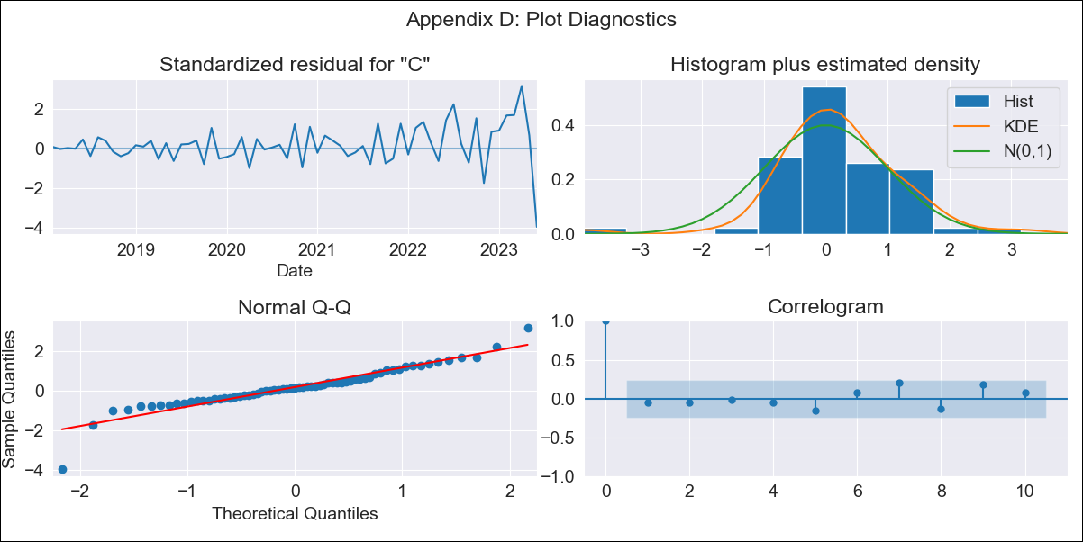
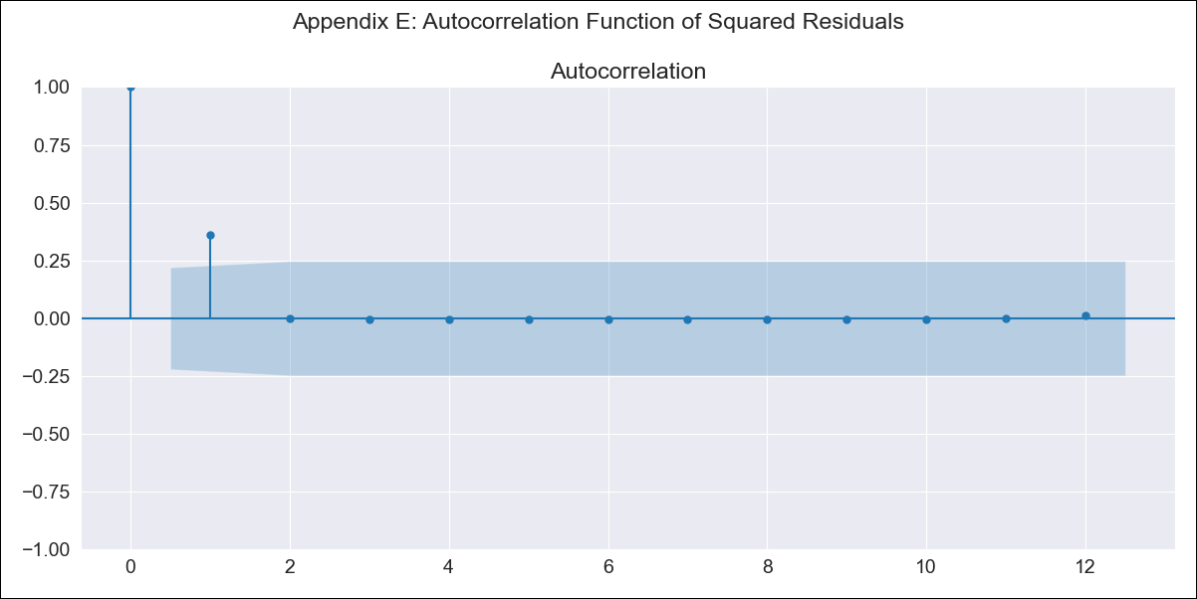
ARG2000 - Inflation - Next 12 months forecast as of: 2023-06-01

Model | ARIMA - [(0, 2, 2), (1, 0, 0, 12)]
Training Data | 2016-12-01 to 2022-07-01
Test Data | 2022-07-01 to 2023-06-01

Date | Inflation Change YoY % | Lower Bound - 95% Confidence Interval | Upper Bound - 95% Confidence Interval
2023-07-01 | 1781.59
2023-08-01 | 1885.67
2023-09-01 | 1987.25
2023-10-01 | 2093.74
2023-11-01 | 2193.23
2023-12-01 | 2296.45
2024-01-01 | 2405.65
2024-02-01 | 2522.46
2024-03-01 | 2651.05
2024-04-01 | 2790.57
2024-05-01 | 2930.55
2024-06-01 | 3055.64

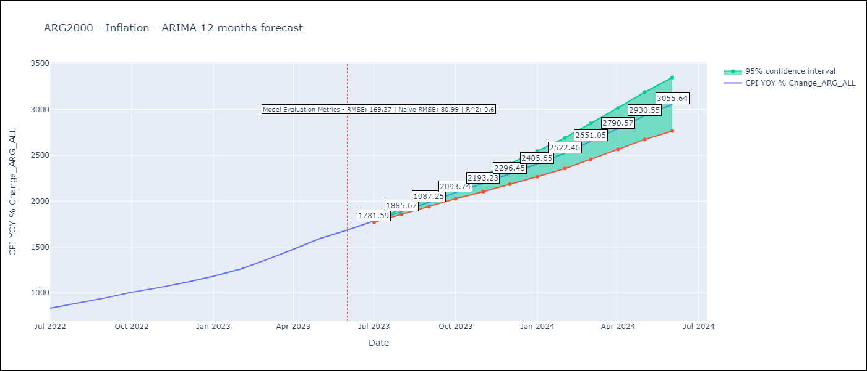

Test Metrics
RMSE | 169.37
Naive RMSE | 80.98927982334227
R^2 | 0.6

Test Predictions
Date | Predicted | Actual
2022-07-01 | 814.93 | 833.89
2022-08-01 | 852.38 | 891.85
2022-09-01 | 895.28 | 945.68
2022-10-01 | 938.51 | 1007.63
2022-11-01 | 975.57 | 1058
2022-12-01 | 1021.15 | 1114.54
2023-01-01 | 1066.84 | 1180.97
2023-02-01 | 1116.45 | 1260
2023-03-01 | 1178.09 | 1358.5
2023-04-01 | 1239.35 | 1475.1
2023-05-01 | 1294.42 | 1592.45
2023-06-01 | 1355.16 | 1685.16

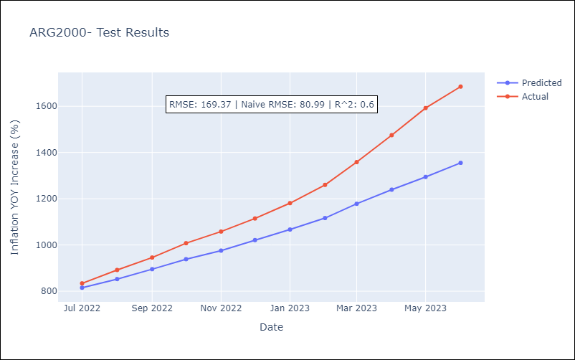

Appendix A: Model Summary
Model | ARIMA(0, 2, 2)x(1, 0, [], 12)
Sample | 12-01-2016- 06-01-2023
No. of Observations | 79
Terms | P-value (Statistical significance)
ma.L1 | 0.072
ma.L2 | 0.000
ar.S.L12 | 0.001
sigma2 | 0.000
Assumptions | P-value | Interpretation
Ljung-Box (L1) | 0.69 | Residuals are independent.
Heteroskedasticity | 0.00 | Residuals have different variances.
Jarque-Bera | 0.00 | Residuals are not normally distributed.
Skew | -0.54 | Negative skew - Model overestimates the mean.
Kurtosis | 7.14 | Residuals contain more extreme outliers than in a normal distribution.

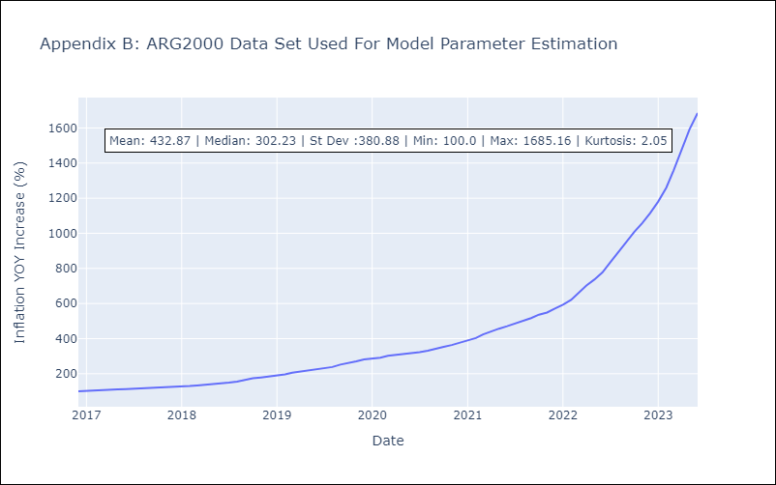

Appendix C: Residuals Analysis
Mean | 1.49
Variance | 216.8
White Noise? | No - Correlation at Lags [1 2 3 4 5 6]
Heteroskedastic? - ARCH | Yes
Normal? | No

