ARG200000
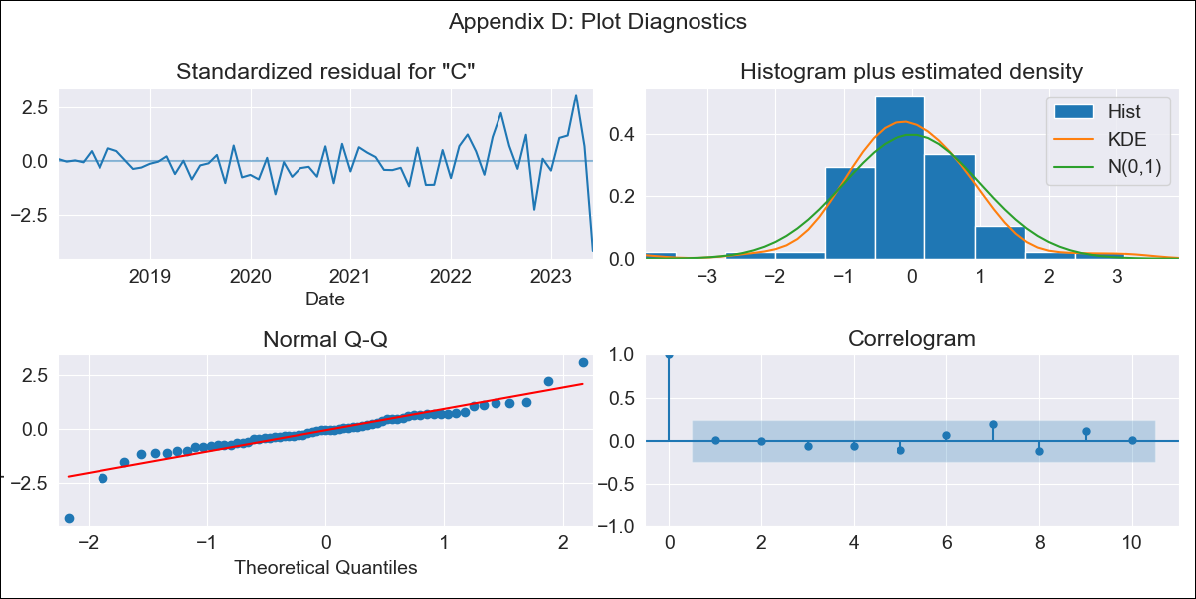
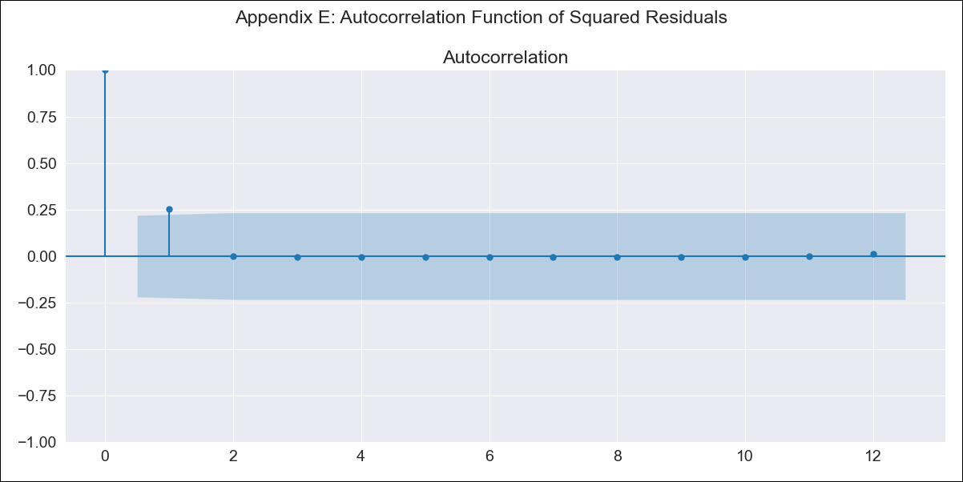
ARG200000 - Inflation - Next 12 months forecast as of: 2023-06-01

Model | ARIMA - [(1, 1, 2), (1, 0, 0, 12)]
Training Data | 2016-12-01 to 2022-07-01
Test Data | 2022-07-01 to 2023-06-01

Date | Inflation Change YoY % | Lower Bound - 95% Confidence Interval | Upper Bound - 95% Confidence Interval
2023-07-01 | 1792.67
2023-08-01 | 1923.1
2023-09-01 | 2059.69
2023-10-01 | 2208.95
2023-11-01 | 2362.17
2023-12-01 | 2528.56
2024-01-01 | 2710.71
2024-02-01 | 2910.79
2024-03-01 | 3133.03
2024-04-01 | 3377.78
2024-05-01 | 3637.86
2024-06-01 | 3902.37

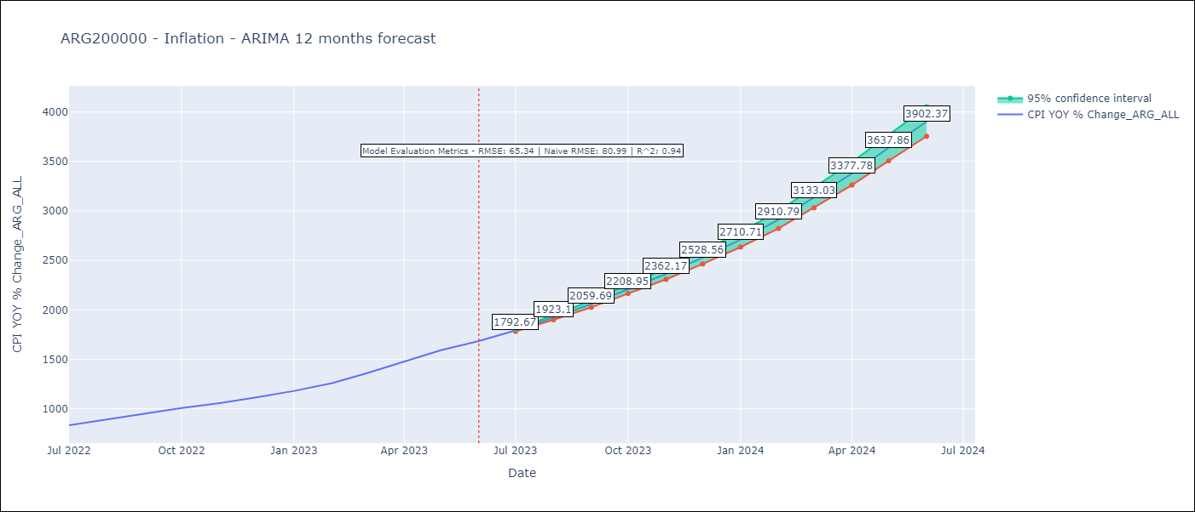

Test Metrics
RMSE | 65.34
Naive RMSE | 80.98927982334227
R^2 | 0.94

Test Predictions
Date | Predicted | Actual
2022-07-01 | 818.78 | 833.89
2022-08-01 | 861.52 | 891.85
2022-09-01 | 911.28 | 945.68
2022-10-01 | 964.05 | 1007.63
2022-11-01 | 1014.69 | 1058
2022-12-01 | 1075.48 | 1114.54
2023-01-01 | 1139.75 | 1180.97
2023-02-01 | 1210.89 | 1260
2023-03-01 | 1295.82 | 1358.5
2023-04-01 | 1384.66 | 1475.1
2023-05-01 | 1472.93 | 1592.45
2023-06-01 | 1570.73 | 1685.16

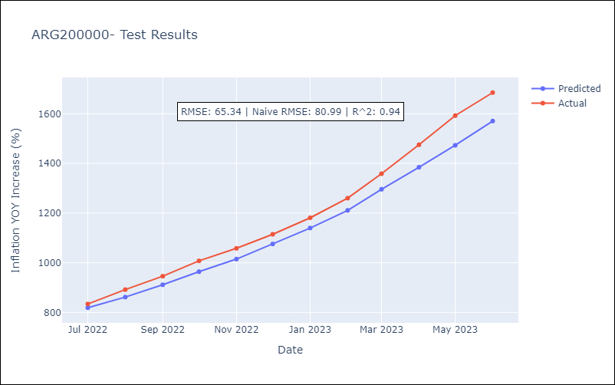

Appendix A: Model Summary
Model | ARIMA(1, 1, 2)x(1, 0, [], 12)
Sample | 12-01-2016- 06-01-2023
No. of Observations | 79
Terms | P-value (Statistical significance)
ar.L1 | 0.000
ma.L1 | 0.208
ma.L2 | 0.000
ar.S.L12 | 0.014
sigma2 | 0.000
Assumptions | P-value | Interpretation
Ljung-Box (L1) | 0.92 | Residuals are independent.
Heteroskedasticity | 0.00 | Residuals have different variances.
Jarque-Bera | 0.00 | Residuals are not normally distributed.
Skew | -0.54 | Negative skew - Model overestimates the mean.
Kurtosis | 7.34 | Residuals contain more extreme outliers than in a normal distribution.

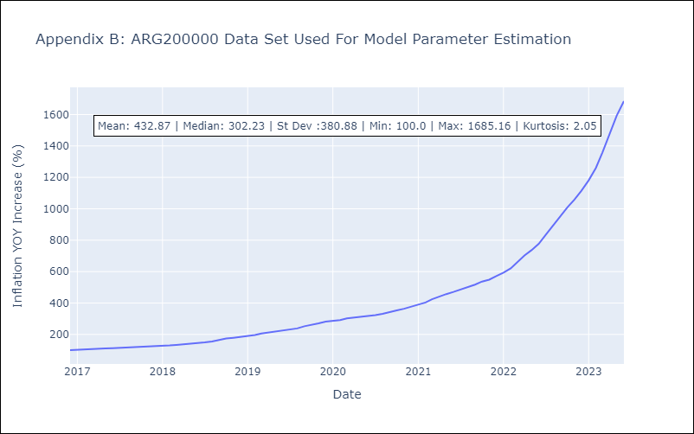

Appendix C: Residuals Analysis
Mean | 0.3
Variance | 193.46
White Noise? | No - Correlation at Lags [1 2 3 4]
Heteroskedastic? - ARCH | Yes
Normal? | No

