ARG2000000
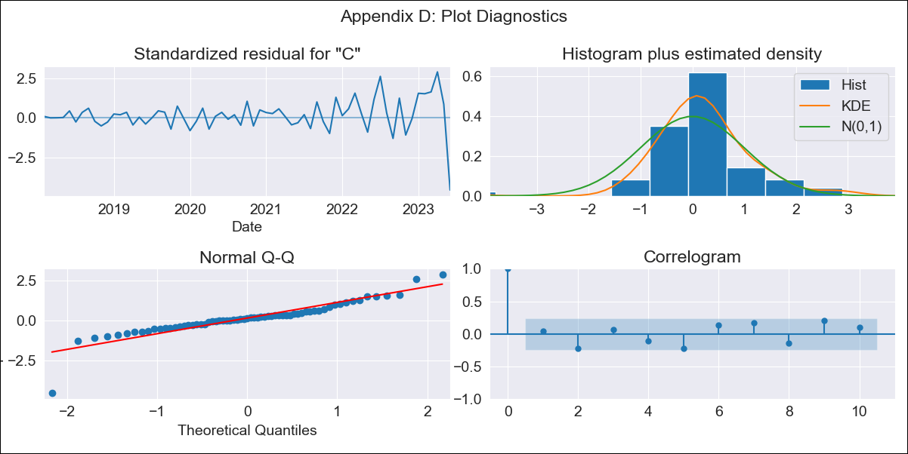
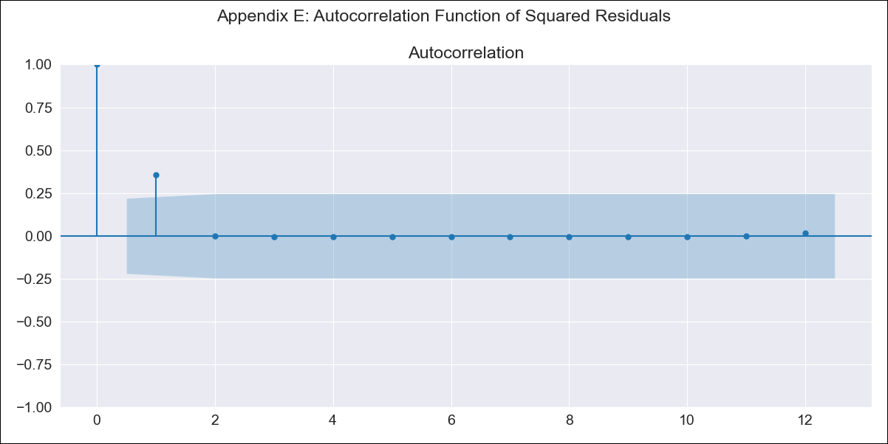
ARG2000000 - Inflation - Next 12 months forecast as of: 2023-06-01

Model | ARIMA - [(0, 2, 0), (1, 0, 0, 12)]
Training Data | 2016-12-01 to 2022-07-01
Test Data | 2022-07-01 to 2023-06-01

Date | Inflation Change YoY % | Lower Bound - 95% Confidence Interval | Upper Bound - 95% Confidence Interval
2023-07-01 | 1788.65
2023-08-01 | 1892.62
2023-09-01 | 1993.95
2023-10-01 | 2100.45
2023-11-01 | 2199.58
2023-12-01 | 2302.63
2024-01-01 | 2411.99
2024-02-01 | 2529.38
2024-03-01 | 2659.19
2024-04-01 | 2800.52
2024-05-01 | 2942.33
2024-06-01 | 3068.44

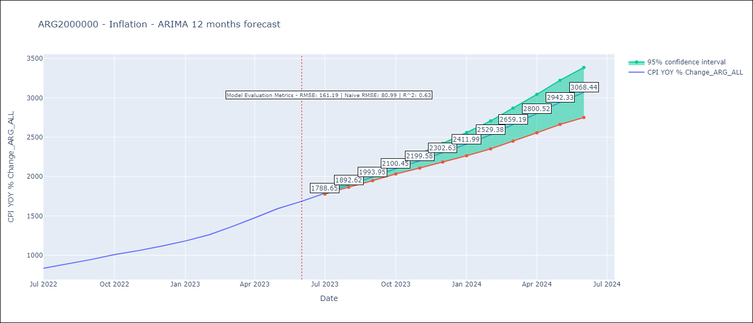

Test Metrics
RMSE | 161.19
Naive RMSE | 80.98927982334227
R^2 | 0.63

Test Predictions
Date | Predicted | Actual
2022-07-01 | 817.37 | 833.89
2022-08-01 | 856.64 | 891.85
2022-09-01 | 900.85 | 945.68
2022-10-01 | 945.35 | 1007.63
2022-11-01 | 984.26 | 1058
2022-12-01 | 1030.9 | 1114.54
2023-01-01 | 1077.64 | 1180.97
2023-02-01 | 1127.94 | 1260
2023-03-01 | 1189.16 | 1358.5
2023-04-01 | 1250.04 | 1475.1
2023-05-01 | 1305.29 | 1592.45
2023-06-01 | 1365.69 | 1685.16

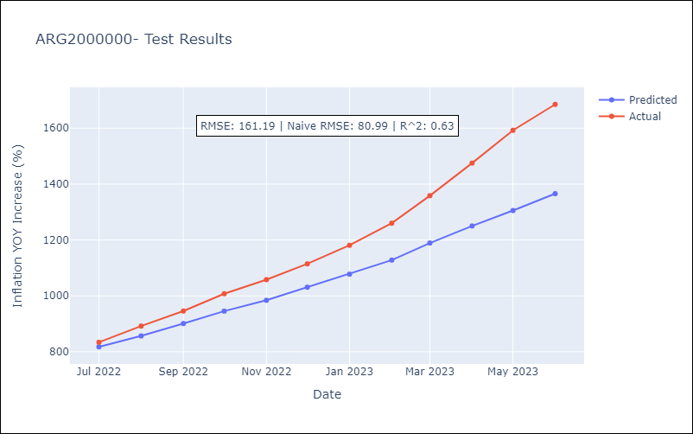

Appendix A: Model Summary
Model | ARIMA(0, 2, 0)x(1, 0, 0, 12)
Sample | 12-01-2016- 06-01-2023
No. of Observations | 79
Terms | P-value (Statistical significance)
ar.S.L12 | 0.000
sigma2 | 0.000
Assumptions | P-value | Interpretation
Ljung-Box (L1) | 0.76 | Residuals are independent.
Heteroskedasticity | 0.00 | Residuals have different variances.
Jarque-Bera | 0.00 | Residuals are not normally distributed.
Skew | -1.04 | Negative skew - Model overestimates the mean.
Kurtosis | 10.02 | Residuals contain more extreme outliers than in a normal distribution.

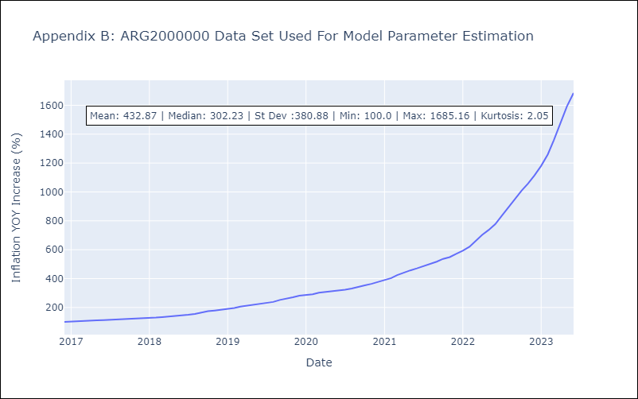

Appendix C: Residuals Analysis
Mean | 1.39
Variance | 220.92
White Noise? | No - Correlation at Lags [1 2 3 4 5]
Heteroskedastic? - ARCH | Yes
Normal? | No

