newPCT2_ARG
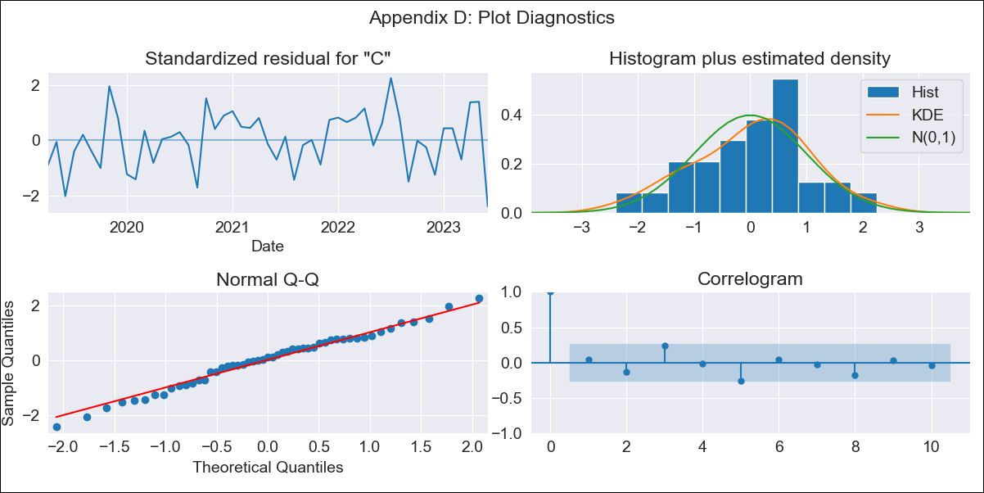
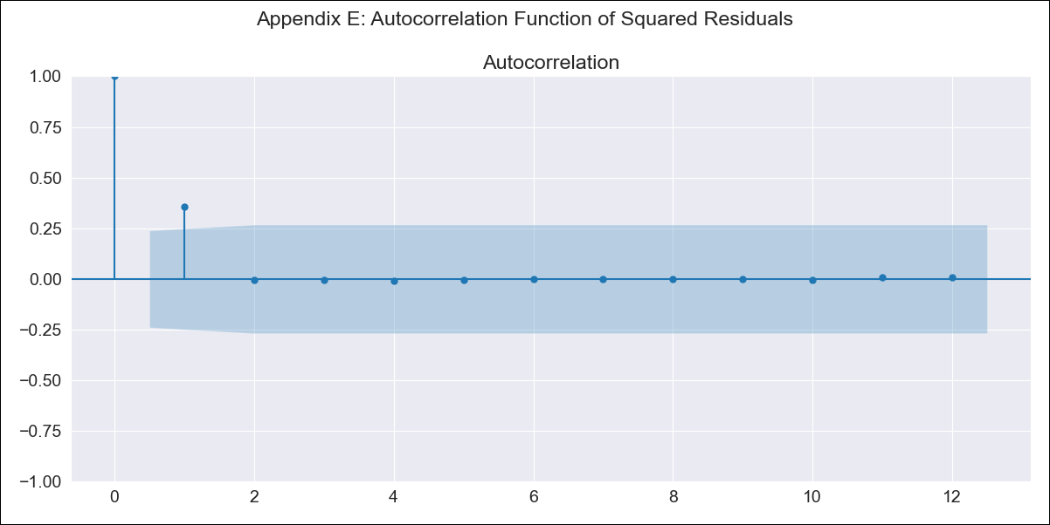
newPCT2_ARG - Inflation - Next 12 months forecast as of: 2023-06-01

Model | ARIMA - [(0, 2, 1), (0, 0, 1, 12)]
Training Data | 2017-12-01 to 2022-07-01
Test Data | 2022-07-01 to 2023-06-01

Date | Inflation Change YoY % | Lower Bound - 95% Confidence Interval | Upper Bound - 95% Confidence Interval
2023-07-01 | 1.18 | 3.16 | 3.38
2023-08-01 | 1.2 | 3.12 | 3.53
2023-09-01 | 1.23 | 3.11 | 3.75
2023-10-01 | 1.25 | 3.07 | 3.97
2023-11-01 | 1.28 | 3.03 | 4.23
2023-12-01 | 1.31 | 3.01 | 4.54
2024-01-01 | 1.33 | 2.95 | 4.87
2024-02-01 | 1.36 | 2.89 | 5.23
2024-03-01 | 1.39 | 2.83 | 5.65
2024-04-01 | 1.41 | 2.74 | 6.07
2024-05-01 | 1.42 | 2.64 | 6.5
2024-06-01 | 1.45 | 2.58 | 7.1

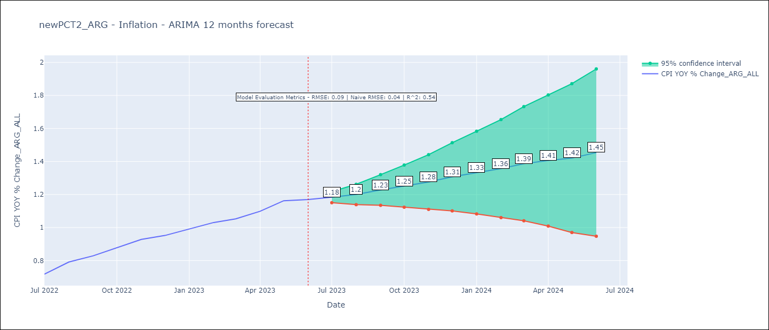

Test Metrics
RMSE | 0.09
Naive RMSE | 0.04477940112542987
R^2 | 0.54

Test Predictions
Date | Predicted | Actual
2022-07-01 | 0.68 | 0.72
2022-08-01 | 0.72 | 0.79
2022-09-01 | 0.76 | 0.83
2022-10-01 | 0.8 | 0.88
2022-11-01 | 0.85 | 0.93
2022-12-01 | 0.88 | 0.95
2023-01-01 | 0.91 | 0.99
2023-02-01 | 0.94 | 1.03
2023-03-01 | 0.97 | 1.05
2023-04-01 | 0.98 | 1.1
2023-05-01 | 1.01 | 1.16
2023-06-01 | 1.03 | 1.17

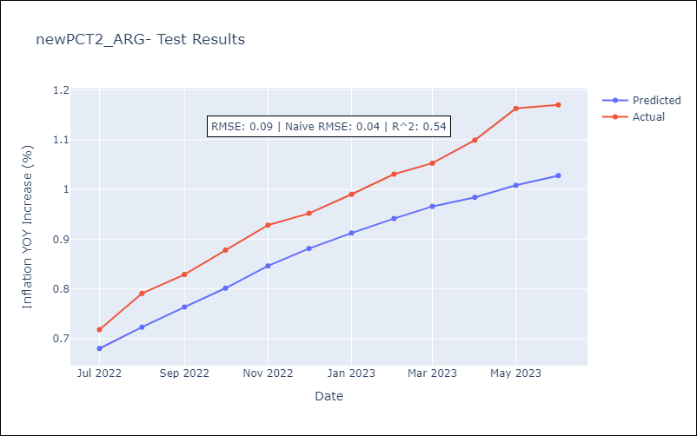

Appendix A: Model Summary
Model | ARIMA(0, 2, 1)x(0, 0, 1, 12)
Sample | 12-01-2017- 06-01-2023
No. of Observations | 67
Terms | P-value (Statistical significance)
ma.L1 | 0.000
ma.S.L12 | 0.136
sigma2 | 0.000
Assumptions | P-value | Interpretation
Ljung-Box (L1) | 0.74 | Residuals are independent.
Heteroskedasticity | 0.42 | Residuals have the same variance.
Jarque-Bera | 0.73 | Residuals are normally distributed.
Skew | -0.24 | Negative skew - Model overestimates the mean.
Kurtosis | 2.75 | Residuals do not contain more extreme outliers than in a normal distribution.

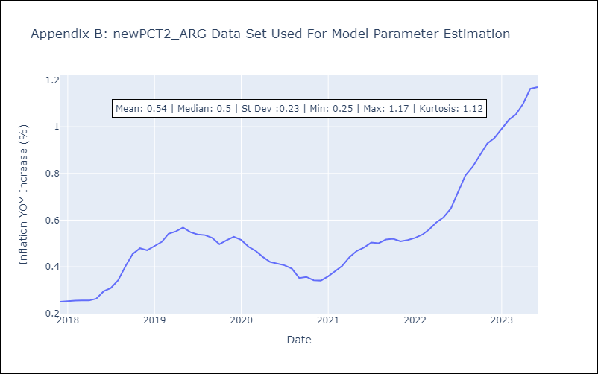

Appendix C: Residuals Analysis
Mean | 0.0
Variance | 0.0
White Noise? | No - Correlation at Lags [1 2 3]
Heteroskedastic? - ARCH | No
Normal? | No

