ARG_912_1
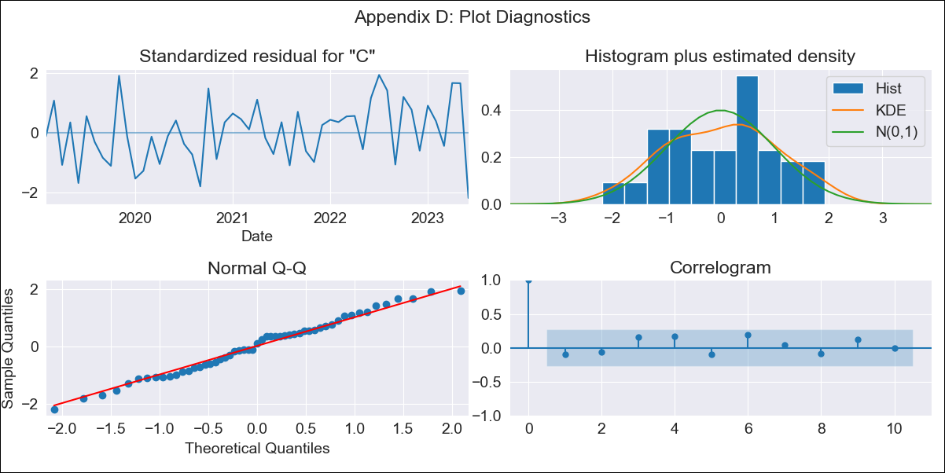
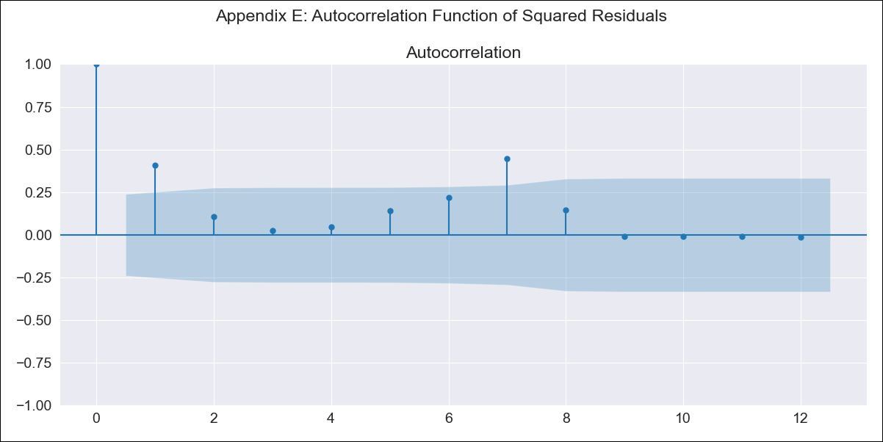
ARG_912_1 - Inflation - Next 12 months forecast as of: 2023-06-01

Model | SARIMAX - [(2, 0, 0), (1, 0, 0, 12)] | Exogenous Variables | exchange rate, m1 money supply, m2 money supply, exchange rate (real broad effective)
Training Data | 2017-12-01 to 2022-07-01
Test Data | 2022-07-01 to 2023-06-01

Date | Inflation Change YoY % | Lower Bound - 95% Confidence Interval | Upper Bound - 95% Confidence Interval
2023-07-01 | 116.72 | 1.4968792904E+49 | 1.5959117431E+52
2023-08-01 | 117.47 | 1.0409436407E+48 | 1.0288160222E+54
2023-09-01 | 117.45 | 3.3063795418E+46 | 3.1620423415E+55
2023-10-01 | 117.82 | 1.7341052143E+45 | 1.2516364239E+57
2023-11-01 | 118.31 | 1.2358177625E+44 | 4.6459615617E+58
2023-12-01 | 118.71 | 9.9529490818E+42 | 1.2937330382E+60
2024-01-01 | 118.97 | 8.478047583E+41 | 2.5349507124E+61
2024-02-01 | 119.08 | 7.588022665E+40 | 3.5481805275E+62
2024-03-01 | 119.3 | 9.0480624697E+39 | 4.6348406652E+63
2024-04-01 | 119.54 | 1.2878282172E+39 | 5.2277101415E+64
2024-05-01 | 119.43 | 1.5118553164E+38 | 3.6305225837E+65
2024-06-01 | 119.57 | 2.55526423E+37 | 2.7902782739E+66

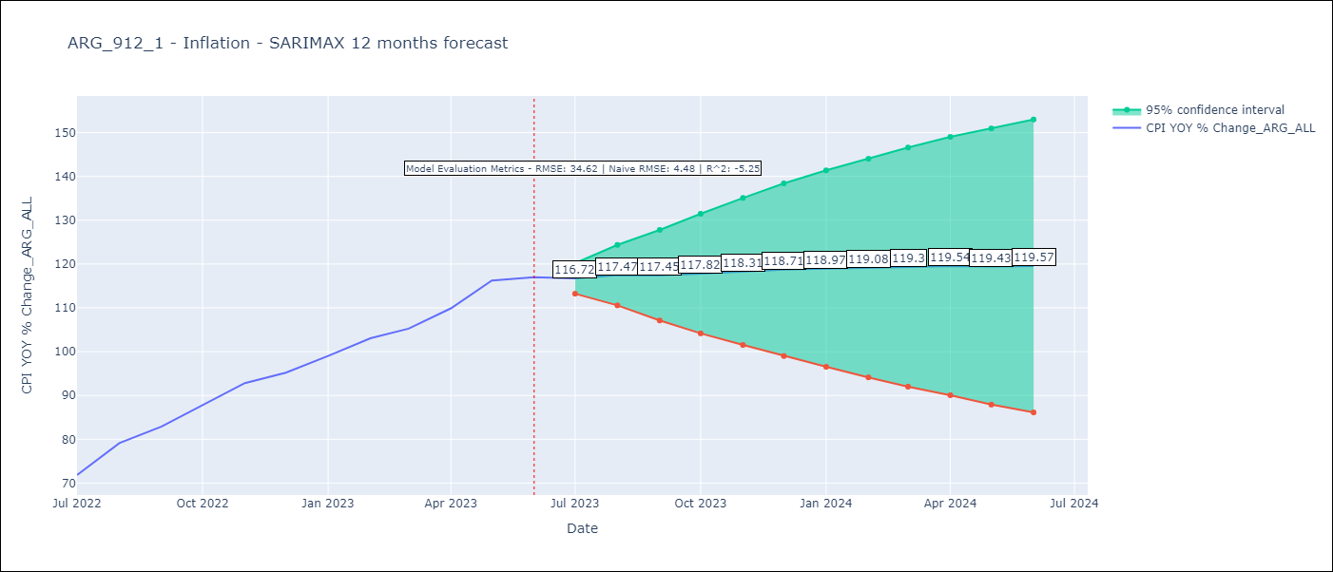

Test Metrics
RMSE | 34.62
Naive RMSE | 4.477940112542986
R^2 | -5.25

Test Predictions
Date | Predicted | Actual
2022-07-01 | 66.58 | 71.83
2022-08-01 | 67.63 | 79.11
2022-09-01 | 67.77 | 82.9
2022-10-01 | 67.37 | 87.8
2022-11-01 | 67.25 | 92.82
2022-12-01 | 66.36 | 95.19
2023-01-01 | 65.65 | 99.01
2023-02-01 | 65.3 | 103.06
2023-03-01 | 64.92 | 105.25
2023-04-01 | 64.19 | 109.89
2023-05-01 | 63.12 | 116.26
2023-06-01 | 62.1 | 116.97

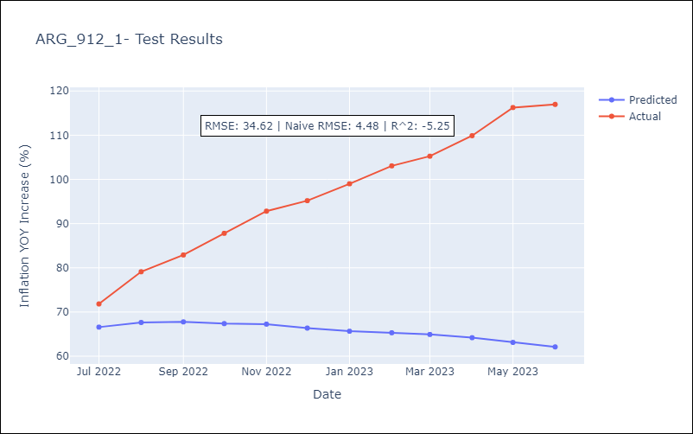

Appendix A: Model Summary
Model | SARIMAX(2, 0, 0)x(1, 0, 0, 12)
Sample | 12-01-2017- 06-01-2023
No. of Observations | 67
Terms | P-value (Statistical significance)
exchange rate | 0.408
m1 money supply | 0.821
m2 money supply | 0.905
exchange rate (real broad effective) | 0.368
ar.L1 | 0.000
ar.L2 | 0.000
ar.S.L12 | 0.798
sigma2 | 0.000
Assumptions | P-value | Interpretation
Ljung-Box (L1) | 0.45 | Residuals are independent.
Heteroskedasticity | 0.49 | Residuals have the same variance.
Jarque-Bera | 0.57 | Residuals are normally distributed.
Skew | -0.04 | Negative skew - Model overestimates the mean.
Kurtosis | 2.30 | Residuals do not contain more extreme outliers than in a normal distribution.

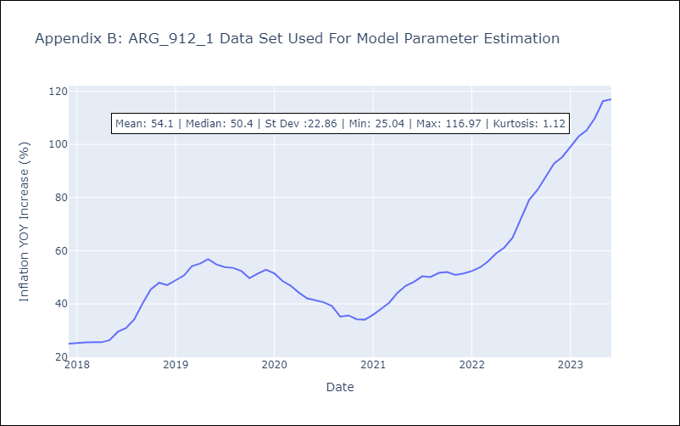

Appendix C: Residuals Analysis
Mean | -0.53
Variance | 806.79
White Noise? | No - Correlation at Lags [ 1 2 3 4 5 6 7 8 9 10 11 12]
Heteroskedastic? - ARCH | Yes
Normal? | No

