ARG_912_1
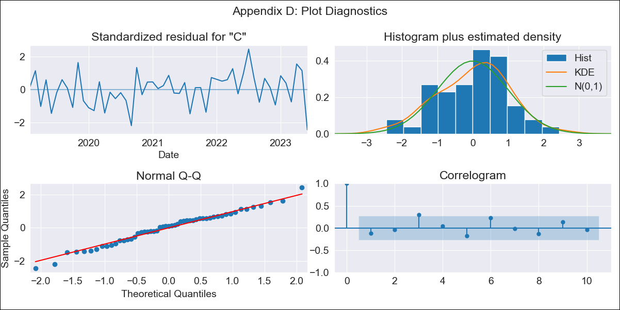
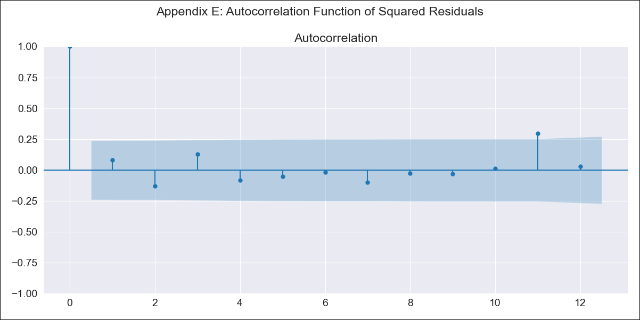
ARG_912_1 - Inflation - Next 12 months forecast as of: 2023-06-01

Model | ARIMA - [(2, 0, 0), (1, 0, 0, 12)]
Training Data | 2017-12-01 to 2022-07-01
Test Data | 2022-07-01 to 2023-06-01

Date | Inflation Change YoY % | Lower Bound - 95% Confidence Interval | Upper Bound - 95% Confidence Interval
2023-07-01 | 117.16 | 2.8222321334E+49 | 2.0437458771E+52
2023-08-01 | 117.7 | 1.9837536877E+48 | 8.5943307319E+53
2023-09-01 | 120.06 | 8.2460552785E+47 | 2.3103973041E+56
2023-10-01 | 122.3 | 3.2644093347E+47 | 5.2232456145E+58
2023-11-01 | 124.79 | 1.8005066219E+47 | 1.3658094161E+61
2023-12-01 | 128.6 | 4.096426696E+47 | 1.2226489078E+64
2024-01-01 | 132.07 | 7.1866261581E+47 | 7.1820872766E+66
2024-02-01 | 135.68 | 1.5466284411E+48 | 4.5564324774E+69
2024-03-01 | 140.27 | 9.3073278535E+48 | 7.3732134756E+72
2024-04-01 | 144.11 | 2.7186209626E+49 | 5.463831494E+75
2024-05-01 | 147.49 | 5.0824351568E+49 | 2.521408944E+78
2024-06-01 | 153.39 | 1.1864862897E+51 | 1.4533938788E+82

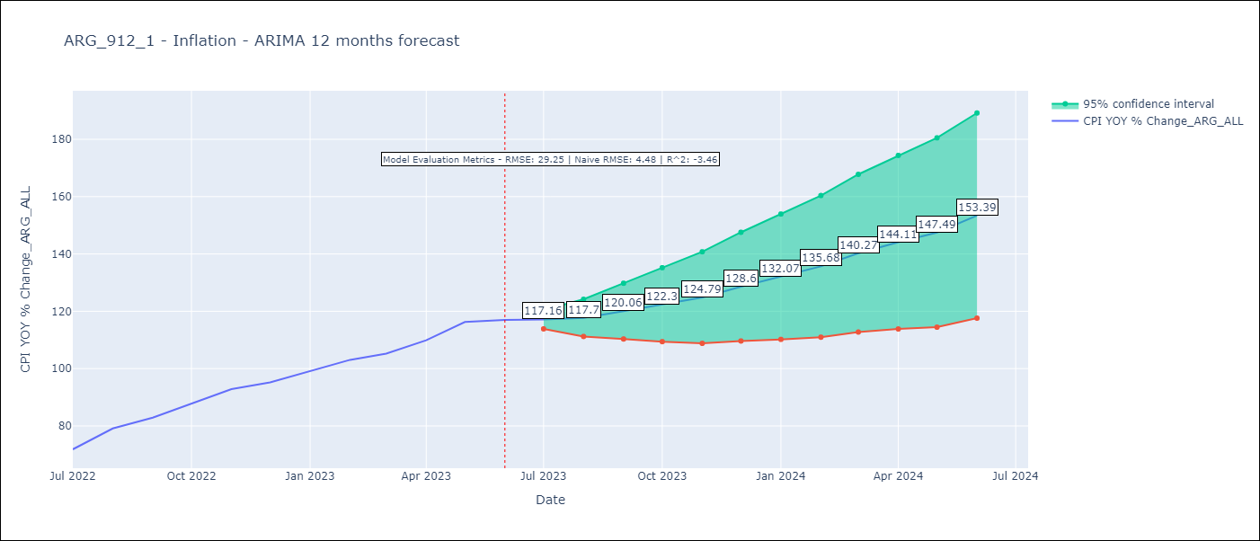

Test Metrics
RMSE | 29.25
Naive RMSE | 4.477940112542986
R^2 | -3.46

Test Predictions
Date | Predicted | Actual
2022-07-01 | 67.22 | 71.83
2022-08-01 | 69.34 | 79.11
2022-09-01 | 70.23 | 82.9
2022-10-01 | 71.1 | 87.8
2022-11-01 | 72.11 | 92.82
2022-12-01 | 72.41 | 95.19
2023-01-01 | 72.42 | 99.01
2023-02-01 | 72.19 | 103.06
2023-03-01 | 71.64 | 105.25
2023-04-01 | 70.73 | 109.89
2023-05-01 | 70.1 | 116.26
2023-06-01 | 68.93 | 116.97

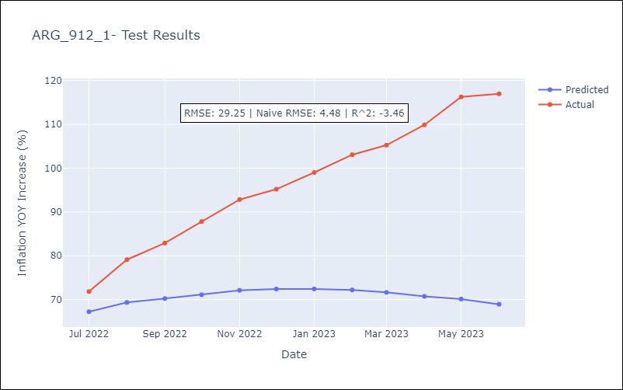

Appendix A: Model Summary
Model | ARIMA(2, 0, 0)x(1, 0, 0, 12)
Sample | 12-01-2017- 06-01-2023
No. of Observations | 67
Terms | P-value (Statistical significance)
const | 0.285
ar.L1 | 0.000
ar.L2 | 0.000
ar.S.L12 | 0.036
sigma2 | 0.000
Assumptions | P-value | Interpretation
Ljung-Box (L1) | 0.37 | Residuals are independent.
Heteroskedasticity | 0.38 | Residuals have the same variance.
Jarque-Bera | 0.78 | Residuals are normally distributed.
Skew | -0.23 | Negative skew - Model overestimates the mean.
Kurtosis | 2.93 | Residuals do not contain more extreme outliers than in a normal distribution.

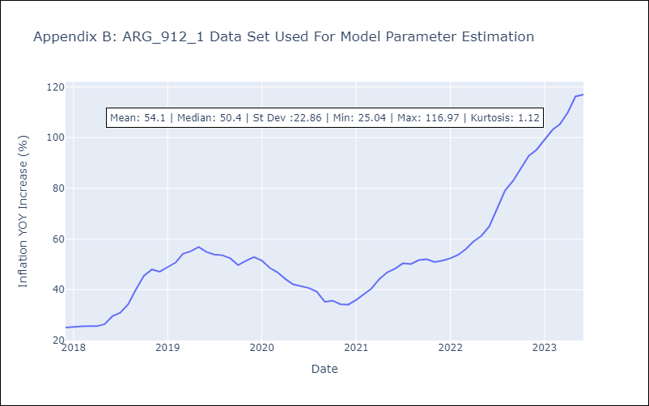

Appendix C: Residuals Analysis
Mean | 0.1
Variance | 3.31
White Noise? | Yes
Heteroskedastic? - ARCH | No
Normal? | Yes

