ARG_912_2
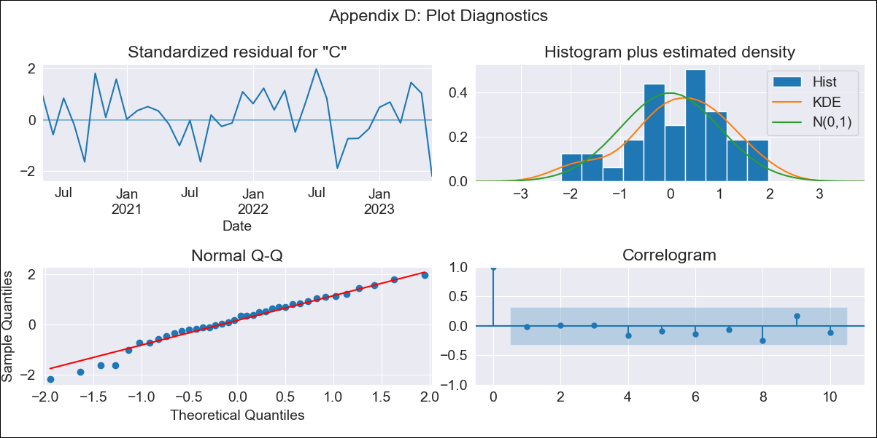
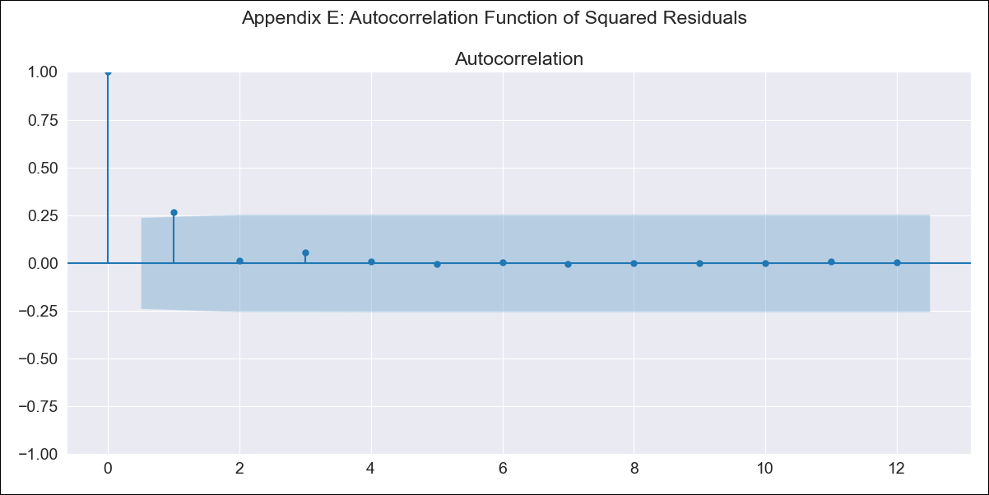
ARG_912_2 - Inflation - Next 12 months forecast as of: 2023-06-01

Model | ARIMA - [(3, 2, 0), (2, 0, 0, 12)]
Training Data | 2017-12-01 to 2022-07-01
Test Data | 2022-07-01 to 2023-06-01

Date | Inflation Change YoY % | Lower Bound - 95% Confidence Interval | Upper Bound - 95% Confidence Interval
2023-07-01 | 118.65 | 1.8497532698E+50 | 6.1887806016E+52
2023-08-01 | 121.66 | 2.4879835421E+50 | 1.8822947346E+55
2023-09-01 | 123.07 | 6.723467725E+49 | 1.1704752047E+57
2023-10-01 | 125.7 | 1.8606653E+49 | 8.2073059669E+59
2023-11-01 | 129.26 | 8.841138854E+48 | 2.1159609846E+63
2023-12-01 | 132.08 | 1.7861090732E+48 | 2.9354338827E+66
2024-01-01 | 135 | 2.0624119115E+47 | 8.7892689215E+69
2024-02-01 | 138.18 | 2.2159659805E+46 | 4.7739249836E+73
2024-03-01 | 141.11 | 1.5329674379E+45 | 2.3977581965E+77
2024-04-01 | 143.21 | 2.9679021506E+43 | 8.2124125899E+80
2024-05-01 | 144.97 | 3.0708692792E+41 | 2.6964804729E+84
2024-06-01 | 148.46 | 1.4660147743E+40 | 6.1506155612E+88

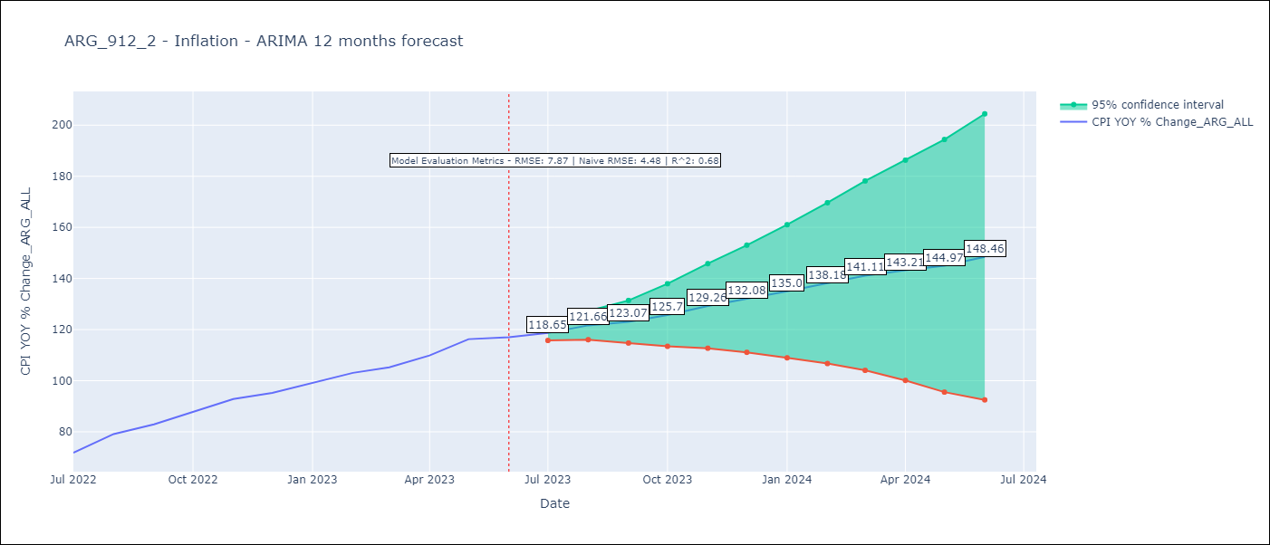

Test Metrics
RMSE | 7.87
Naive RMSE | 4.477940112542986
R^2 | 0.68

Test Predictions
Date | Predicted | Actual
2022-07-01 | 68.12 | 71.83
2022-08-01 | 72.59 | 79.11
2022-09-01 | 77.56 | 82.9
2022-10-01 | 81.28 | 87.8
2022-11-01 | 86.53 | 92.82
2022-12-01 | 90.63 | 95.19
2023-01-01 | 93.69 | 99.01
2023-02-01 | 96.46 | 103.06
2023-03-01 | 98.87 | 105.25
2023-04-01 | 100.23 | 109.89
2023-05-01 | 102.51 | 116.26
2023-06-01 | 104.33 | 116.97

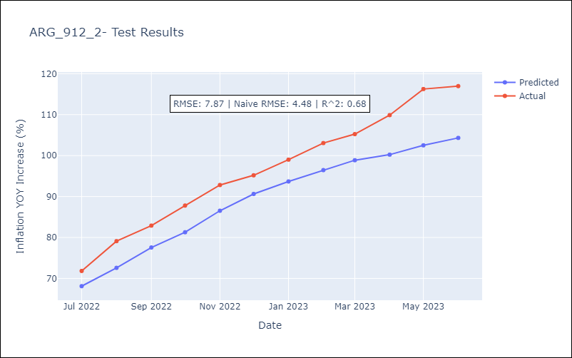

Appendix A: Model Summary
Model | ARIMA(3, 2, 0)x(2, 0, 0, 12)
Sample | 12-01-2017- 06-01-2023
No. of Observations | 67
Terms | P-value (Statistical significance)
ar.L1 | 0.068
ar.L2 | 0.125
ar.L3 | 0.097
ar.S.L12 | 0.038
ar.S.L24 | 0.202
sigma2 | 0.001
Assumptions | P-value | Interpretation
Ljung-Box (L1) | 0.94 | Residuals are independent.
Heteroskedasticity | 0.36 | Residuals have the same variance.
Jarque-Bera | 0.50 | Residuals are normally distributed.
Skew | -0.46 | Negative skew - Model overestimates the mean.
Kurtosis | 2.84 | Residuals do not contain more extreme outliers than in a normal distribution.

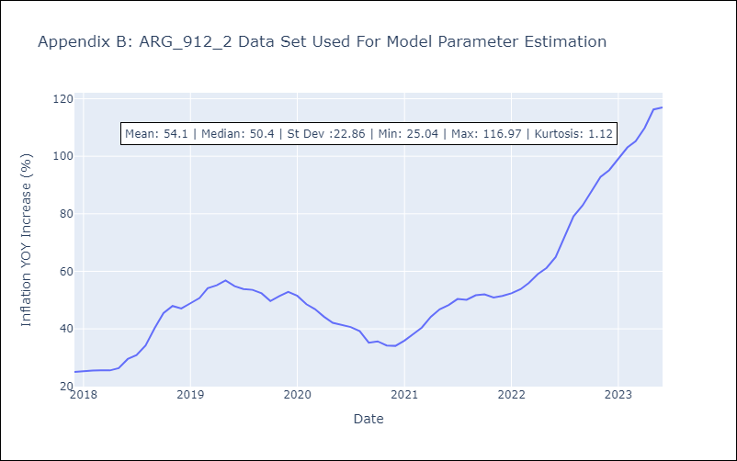

Appendix C: Residuals Analysis
Mean | 0.15
Variance | 15.56
White Noise? | No - Correlation at Lags [1 2 3 4]
Heteroskedastic? - ARCH | No
Normal? | No

