BRA_912_2
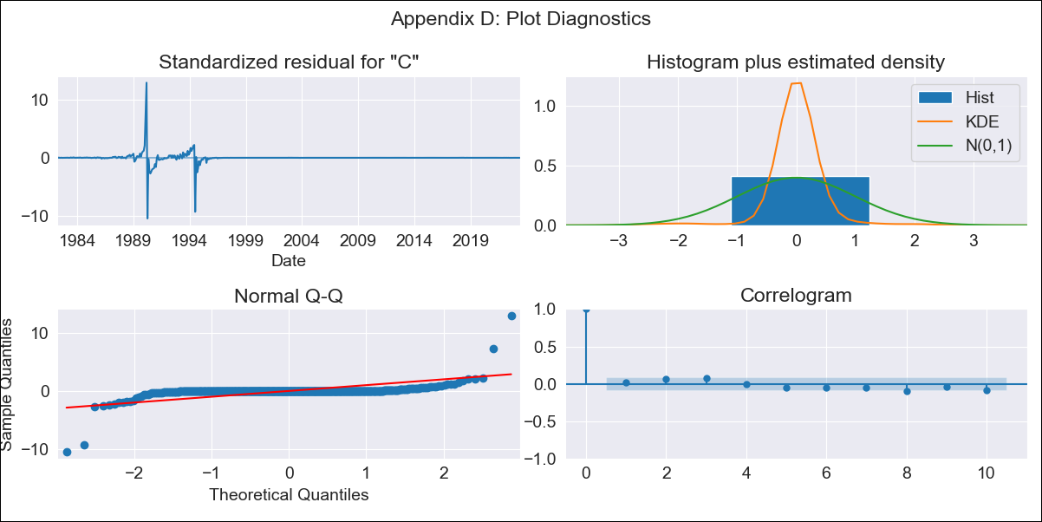
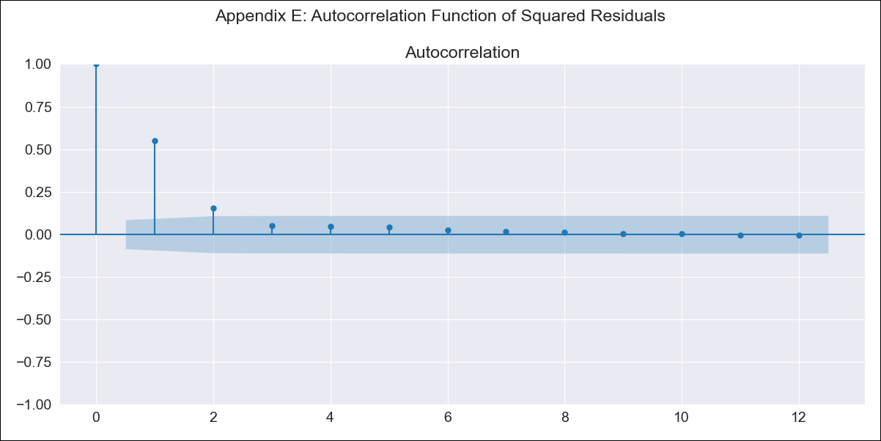
BRA_912_2 - Inflation - Next 12 months forecast as of: 2023-06-01

Model | ARIMA - [(0, 1, 2), (0, 0, 1, 12)]
Training Data | 1980-12-01 to 2022-07-01
Test Data | 2022-07-01 to 2023-06-01

Date | Inflation Change YoY % | Lower Bound - 95% Confidence Interval | Upper Bound - 95% Confidence Interval
2023-07-01 | 2.73 | 0 | 9.2965040482E+115
2023-08-01 | 2.65 | 0 | 3.0632114265E+242
2023-09-01 | 2.82 | 0
2023-10-01 | 2.9 | 0
2023-11-01 | 2.96 | 0
2023-12-01 | 2.98 | 0
2024-01-01 | 2.98 | 0
2024-02-01 | 3 | 0
2024-03-01 | 3.1 | 0
2024-04-01 | 3.14 | 0
2024-05-01 | 3.17 | 0
2024-06-01 | 3.26 | 0

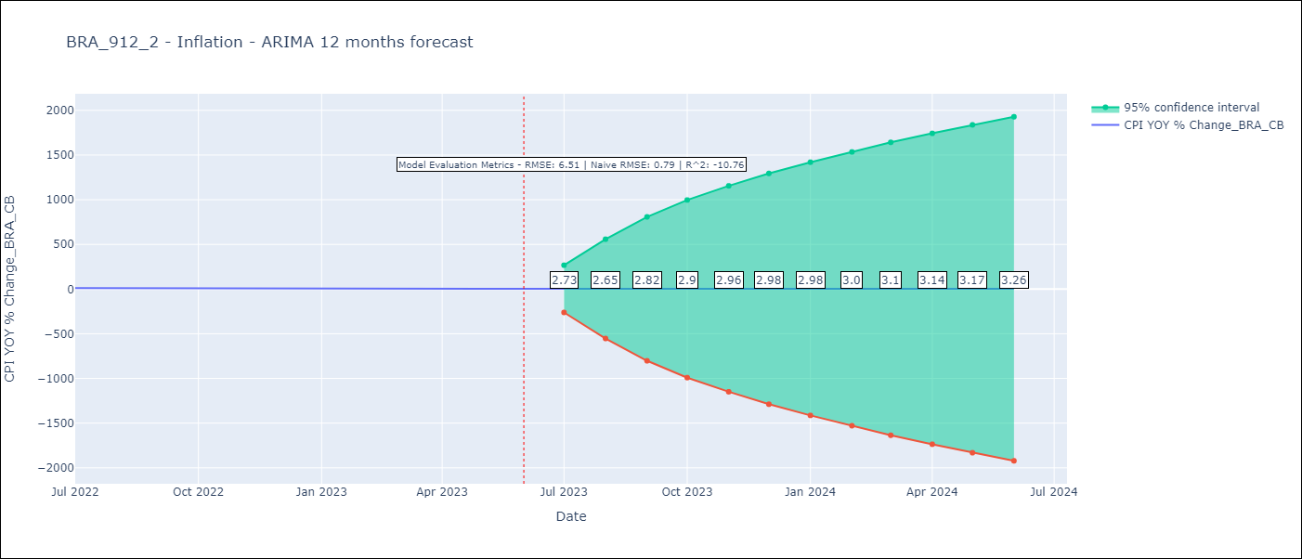

Test Metrics
RMSE | 6.51
Naive RMSE | 0.7905636654254413
R^2 | -10.76

Test Predictions
Date | Predicted | Actual
2022-07-01 | 12.18 | 10.07
2022-08-01 | 12.38 | 8.73
2022-09-01 | 12.3 | 7.17
2022-10-01 | 12.24 | 6.47
2022-11-01 | 12.23 | 5.9
2022-12-01 | 12.3 | 5.79
2023-01-01 | 12.27 | 5.77
2023-02-01 | 12.24 | 5.6
2023-03-01 | 12.14 | 4.65
2023-04-01 | 12.04 | 4.18
2023-05-01 | 12.07 | 3.94
2023-06-01 | 12.04 | 3.16

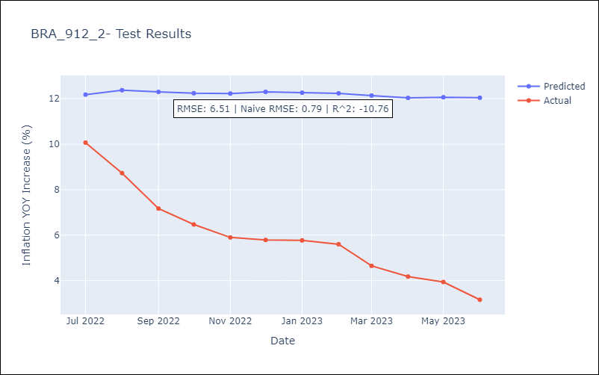

Appendix A: Model Summary
Model | ARIMA(0, 1, 2)x(0, 0, [1], 12)
Sample | 12-01-1980- 06-01-2023
No. of Observations | 511
Terms | P-value (Statistical significance)
ma.L1 | 0.000
ma.L2 | 0.000
ma.S.L12 | 0.139
sigma2 | 0.000
Assumptions | P-value | Interpretation
Ljung-Box (L1) | 0.60 | Residuals are independent.
Heteroskedasticity | 0.00 | Residuals have different variances.
Jarque-Bera | 0.00 | Residuals are not normally distributed.
Skew | 1.11 | Positive skew - model underestimates the mean.
Kurtosis | 102.11 | Residuals contain more extreme outliers than in a normal distribution.

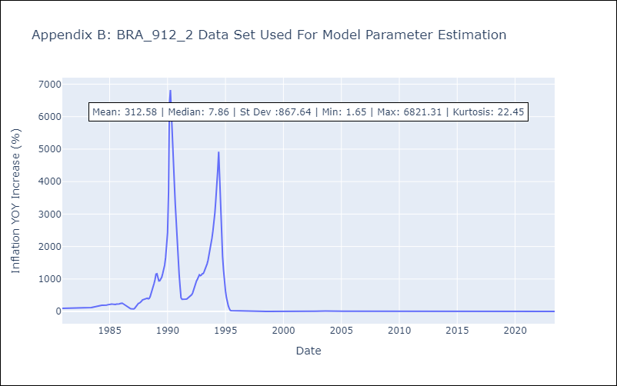

Appendix C: Residuals Analysis
Mean | 0.1
Variance | 17668.38
White Noise? | No - Correlation at Lags [10 11 12]
Heteroskedastic? - ARCH | Yes
Normal? | No

