BRA912_3
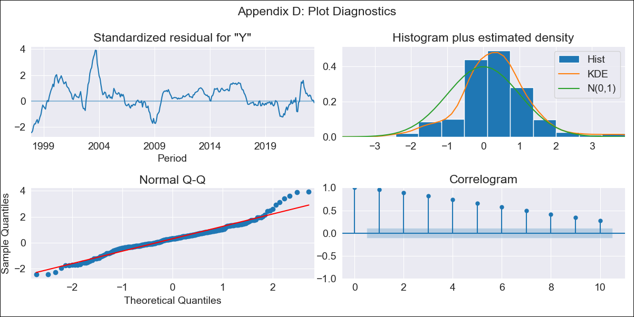
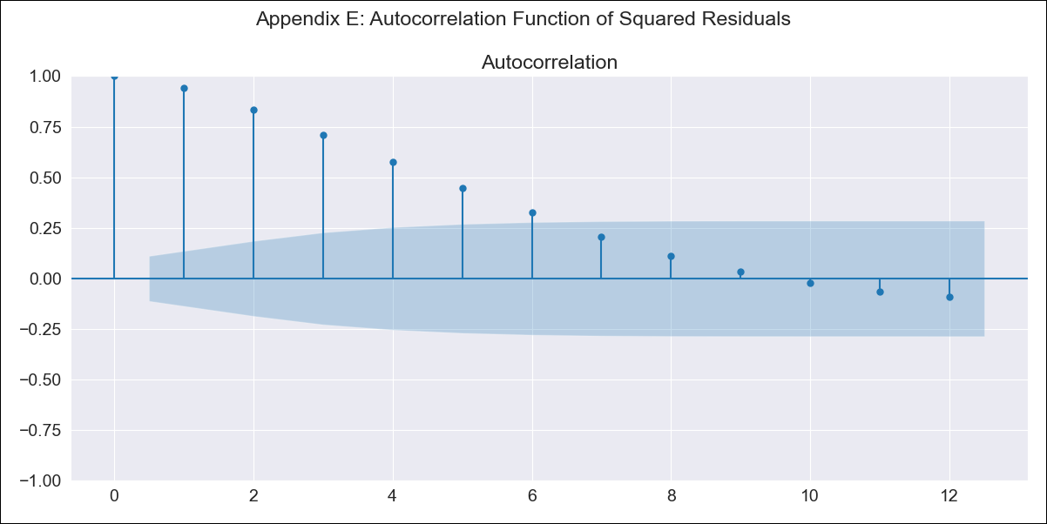
BRA912_3 - Inflation - Next 12 months forecast as of: 2023-06-01

Model | SARIMAX - [(0, 0, 0), (0, 0, 0, 12)] | Exogenous Variables | Exchange Rate - U.S Dollar, Interest Rates (Discount Rate), Interest Rates (Gov Securities/Treasury Bills), Unemployment, M1 Money Supply, m2 money supply
Training Data | 1997-10-01 to 2022-07-01
Test Data | 2022-07-01 to 2023-06-01

Date | Inflation Change YoY % | Lower Bound - 95% Confidence Interval | Upper Bound - 95% Confidence Interval
2023-07-01 | 5.79 | -1.32 | 12.9
2023-08-01 | 5.26 | -1.86 | 12.37
2023-09-01 | 4.75 | -2.36 | 11.87
2023-10-01 | 4 | -3.11 | 11.12
2023-11-01 | 4.14 | -2.97 | 11.26
2023-12-01 | 4.34 | -2.78 | 11.45
2024-01-01 | 3.95 | -3.16 | 11.07
2024-02-01 | 4.05 | -3.06 | 11.17
2024-03-01 | 4.06 | -3.05 | 11.18
2024-04-01 | 3.96 | -3.16 | 11.07
2024-05-01 | 3.72 | -3.39 | 10.84
2024-06-01 | 3.64 | -3.47 | 10.76

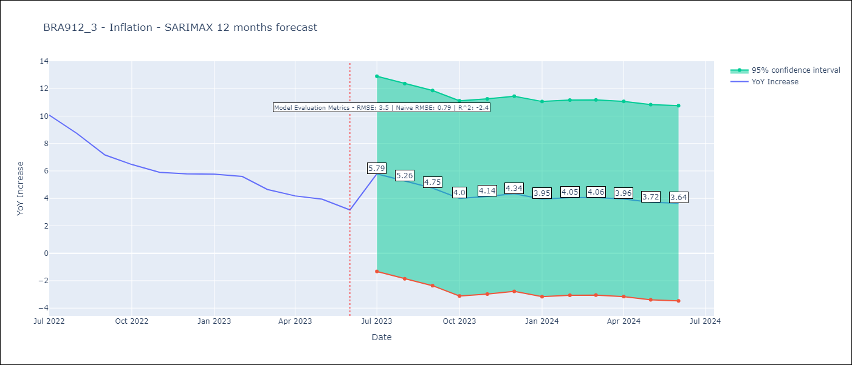

Test Metrics
RMSE | 3.5
Naive RMSE | 0.79
R^2 | -2.4

Test Predictions
Date | Predicted | Actual
2022-07-01 | 8.1 | 10.07
2022-08-01 | 8.08 | 8.73
2022-09-01 | 9.35 | 7.17
2022-10-01 | 8.53 | 6.47
2022-11-01 | 12.72 | 5.9
2022-12-01 | 12.1 | 5.79
2023-01-01 | 9.7 | 5.77
2023-02-01 | 9.54 | 5.6
2023-03-01 | 7.48 | 4.65
2023-04-01 | 5.6 | 4.18
2023-05-01 | 5.61 | 3.94
2023-06-01 | 5.04 | 3.16

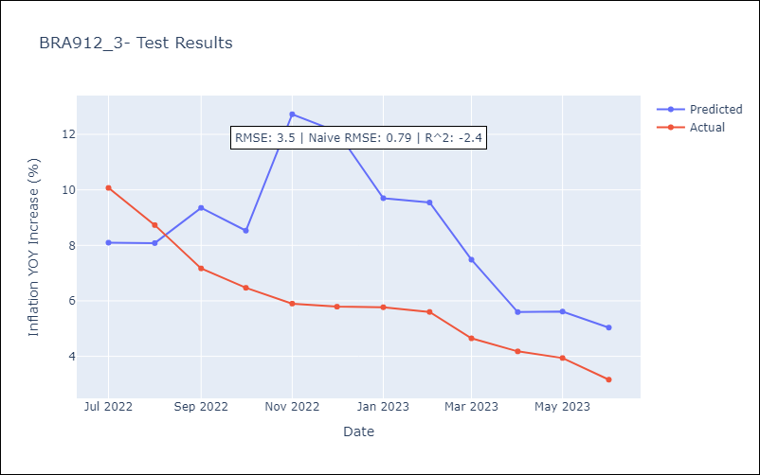

Appendix A: Model Summary
Model | SARIMAX
Sample | 10-01-1997- 06-01-2023
No. of Observations | 309
Terms | P-value (Statistical significance)
Exchange Rate - U.S Dollar | 0.003
Interest Rates (Discount Rate) | 0.524
Interest Rates (Gov Securities/Treasury Bills) | 0.005
Unemployment | 0.000
M1 Money Supply | 0.000
m2 money supply | 0.000
sigma2 | 0.000
Assumptions | P-value | Interpretation
Ljung-Box (L1) | 0.00 | Residuals are not independent.
Heteroskedasticity | 0.00 | Residuals have different variances.
Jarque-Bera | 0.00 | Residuals are not normally distributed.
Skew | 0.37 | Positive skew - model underestimates the mean.
Kurtosis | 4.89 | Residuals contain more extreme outliers than in a normal distribution.

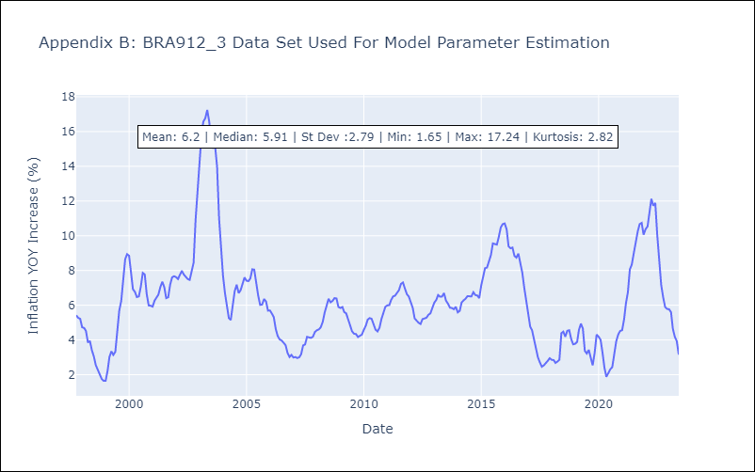

Appendix C: Residuals Analysis
Mean | 1.08
Variance | 12.13
White Noise? | No - Correlation at Lags [ 1 2 3 4 5 6 7 8 9 10 11 12]
Heteroskedastic? - ARCH | Yes
Normal? | No

