BRA912_7
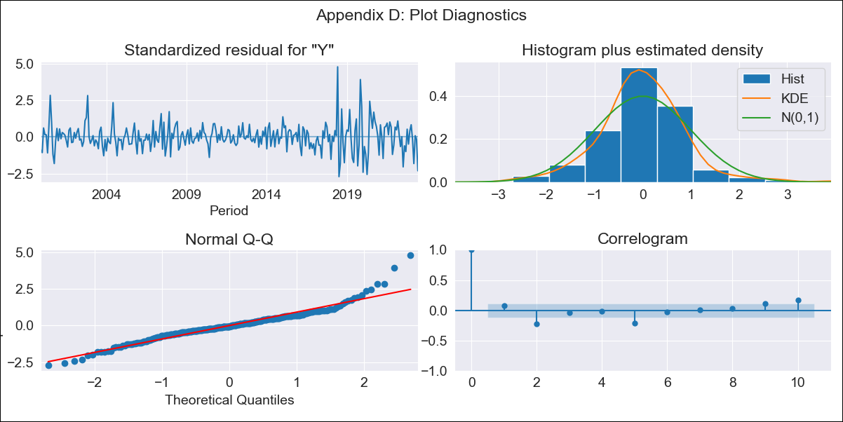

BRA912_7 - Inflation - Next 12 months forecast as of: 2023-06-01

Model | SARIMAX - [(2, 0, 1), (2, 0, 0, 12)] | Exogenous Variables | Exchange Rate - U.S Dollar, Interest Rates (Discount Rate), Interest Rates (Gov Securities/Treasury Bills), Unemployment, M1 Money Supply, m2 money supply
Training Data | 1997-10-01 to 2022-07-01
Test Data | 2022-07-01 to 2023-06-01

Date | Inflation Change YoY % | Lower Bound - 95% Confidence Interval | Upper Bound - 95% Confidence Interval
2023-07-01 | 1.09 | 0.95 | 1.23
2023-08-01 | 1.03 | 0.77 | 1.3
2023-09-01 | 1.02 | 0.63 | 1.41
2023-10-01 | 1 | 0.48 | 1.51
2023-11-01 | 0.97 | 0.33 | 1.6
2023-12-01 | 0.93 | 0.18 | 1.69
2024-01-01 | 0.91 | 0.04 | 1.77
2024-02-01 | 0.88 | -0.09 | 1.85
2024-03-01 | 0.93 | -0.14 | 2.01
2024-04-01 | 0.95 | -0.22 | 2.12
2024-05-01 | 0.96 | -0.31 | 2.22
2024-06-01 | 1.03 | -0.32 | 2.39

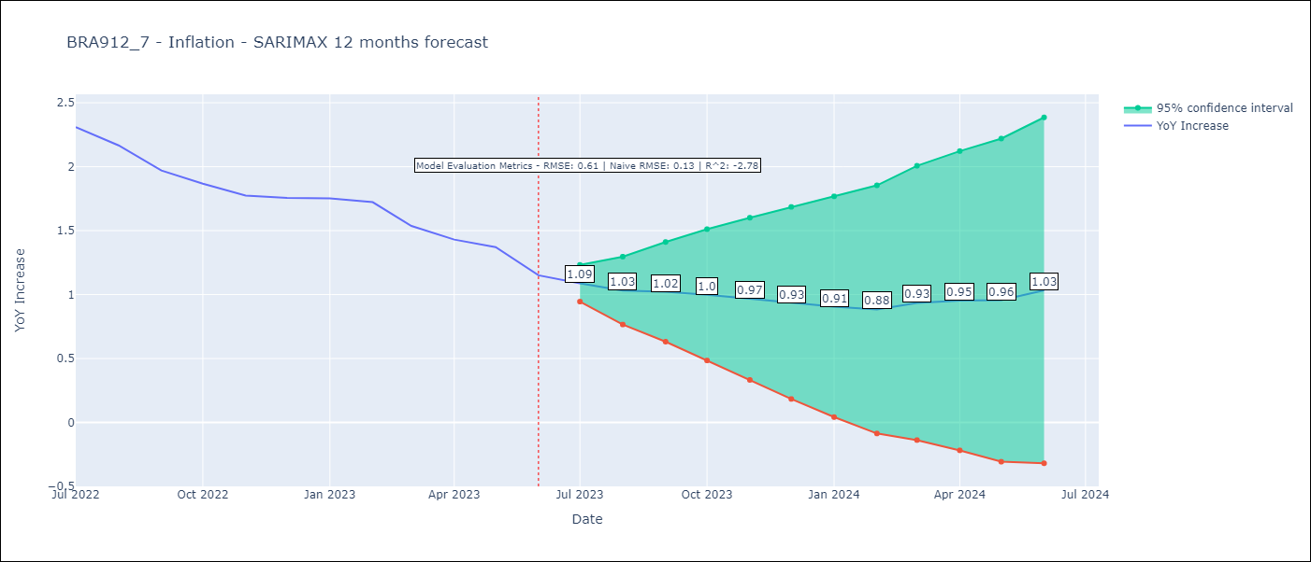

Test Metrics
RMSE | 0.61
Naive RMSE | 0.13
R^2 | -2.78

Test Predictions
Date | Predicted | Actual
2022-07-01 | 2.46 | 2.31
2022-08-01 | 2.44 | 2.17
2022-09-01 | 2.37 | 1.97
2022-10-01 | 2.34 | 1.87
2022-11-01 | 2.29 | 1.77
2022-12-01 | 2.33 | 1.76
2023-01-01 | 2.34 | 1.75
2023-02-01 | 2.3 | 1.72
2023-03-01 | 2.25 | 1.54
2023-04-01 | 2.2 | 1.43
2023-05-01 | 2.18 | 1.37
2023-06-01 | 2.16 | 1.15

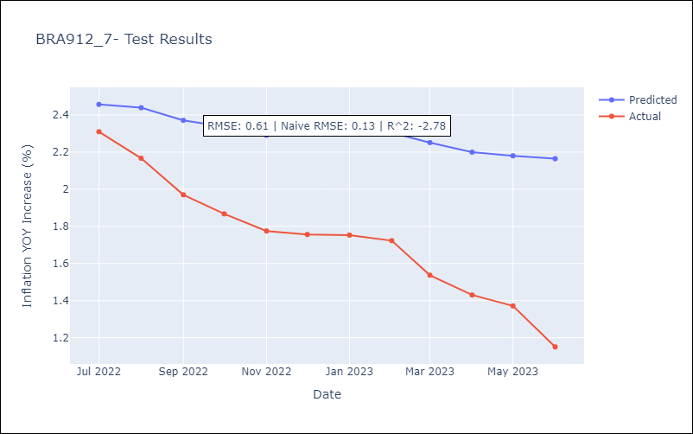

Appendix A: Model Summary
Model | SARIMAX(2, 0, 1)x(2, 0, [], 12)
Sample | 10-01-1997- 06-01-2023
No. of Observations | 309
Terms | P-value (Statistical significance)
Exchange Rate - U.S Dollar | 0.247
Interest Rates (Discount Rate) | 0.795
Interest Rates (Gov Securities/Treasury Bills) | 0.285
Unemployment | 0.991
M1 Money Supply | 0.030
m2 money supply | 0.250
ar.L1 | 0.000
ar.L2 | 0.000
ma.L1 | 0.008
ar.S.L12 | 0.000
ar.S.L24 | 0.440
sigma2 | 0.000
Assumptions | P-value | Interpretation
Ljung-Box (L1) | 0.19 | Residuals are independent.
Heteroskedasticity | 0.00 | Residuals have different variances.
Jarque-Bera | 0.00 | Residuals are not normally distributed.
Skew | 0.72 | Positive skew - model underestimates the mean.
Kurtosis | 6.90 | Residuals contain more extreme outliers than in a normal distribution.

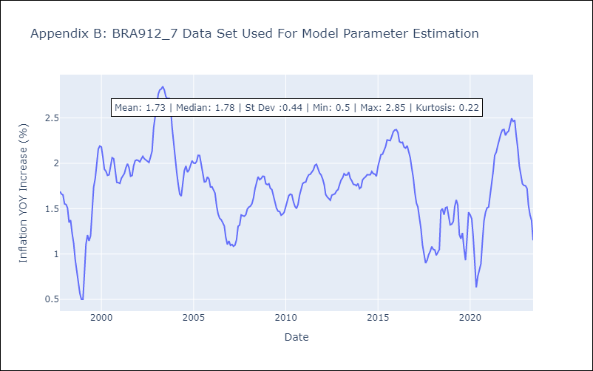

Appendix C: Residuals Analysis
Mean | 0.0
Variance | 0.03
White Noise? | No - Correlation at Lags [ 1 2 3 4 5 6 7 8 9 10 11 12]
Heteroskedastic? - ARCH | Yes
Normal? | No

