BRA912_11
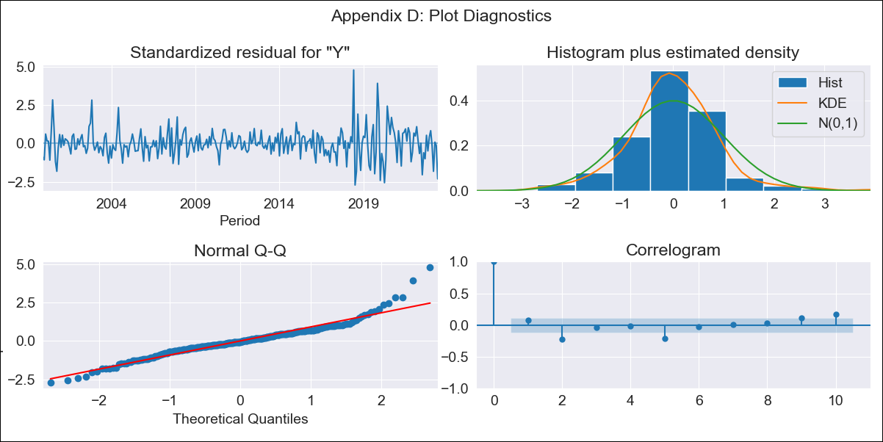

BRA912_11 - Inflation - Next 12 months forecast as of: 2023-06-01

Model | SARIMAX - [(2, 0, 1), (2, 0, 0, 12)] | Exogenous Variables | Exchange Rate - U.S Dollar, Interest Rates (Discount Rate), Interest Rates (Gov Securities/Treasury Bills), Unemployment, M1 Money Supply, m2 money supply
Training Data | 1997-10-01 to 2022-07-01
Test Data | 2022-07-01 to 2023-06-01

Date | Inflation Change YoY % | Lower Bound - 95% Confidence Interval | Upper Bound - 95% Confidence Interval
2023-07-01 | 2.97 | 2.57 | 3.43
2023-08-01 | 2.8 | 2.15 | 3.66
2023-09-01 | 2.78 | 1.88 | 4.1
2023-10-01 | 2.71 | 1.62 | 4.53
2023-11-01 | 2.63 | 1.39 | 4.96
2023-12-01 | 2.55 | 1.2 | 5.4
2024-01-01 | 2.47 | 1.04 | 5.86
2024-02-01 | 2.42 | 0.92 | 6.39
2024-03-01 | 2.55 | 0.87 | 7.44
2024-04-01 | 2.59 | 0.8 | 8.35
2024-05-01 | 2.6 | 0.74 | 9.21
2024-06-01 | 2.81 | 0.73 | 10.87

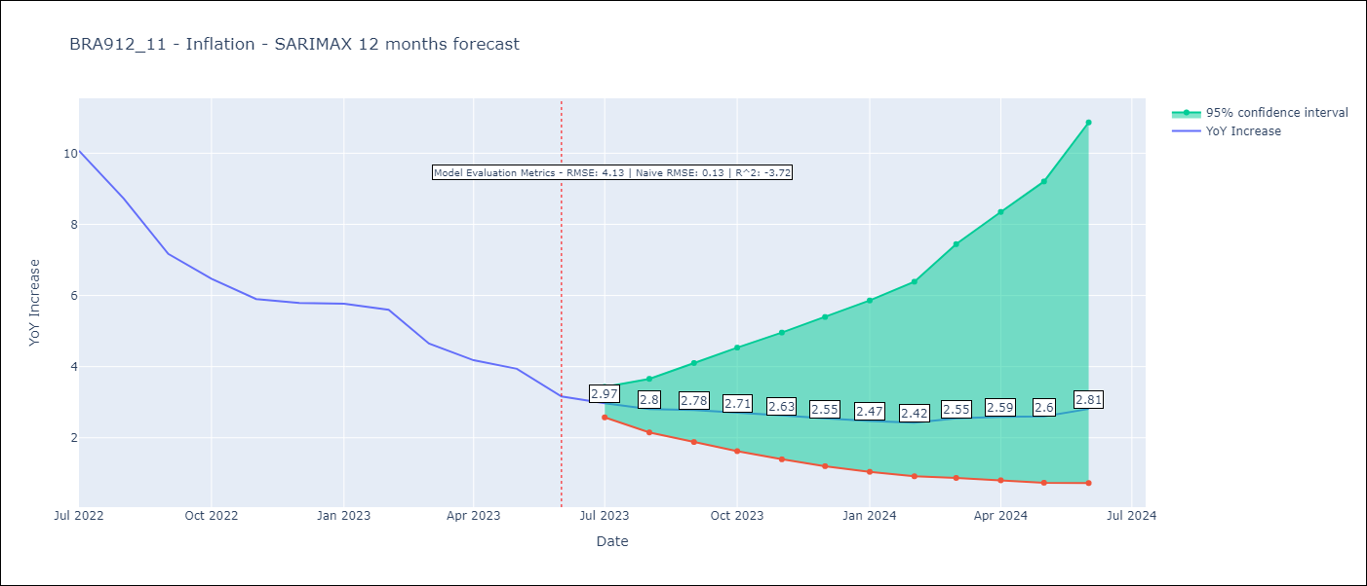

Test Metrics
RMSE | 4.13
Naive RMSE | 0.13
R^2 | -3.72

Test Predictions
Date | Predicted | Actual
2022-07-01 | 11.64 | 10.07
2022-08-01 | 11.39 | 8.73
2022-09-01 | 10.61 | 7.17
2022-10-01 | 10.24 | 6.47
2022-11-01 | 9.74 | 5.9
2022-12-01 | 10.14 | 5.79
2023-01-01 | 10.23 | 5.77
2023-02-01 | 9.91 | 5.6
2023-03-01 | 9.39 | 4.65
2023-04-01 | 8.91 | 4.18
2023-05-01 | 8.7 | 3.94
2023-06-01 | 8.54 | 3.16

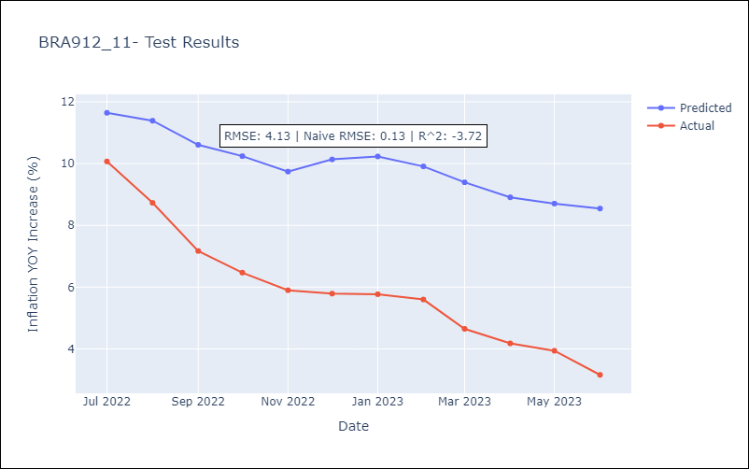

Appendix A: Model Summary
Model | SARIMAX(2, 0, 1)x(2, 0, [], 12)
Sample | 10-01-1997- 06-01-2023
No. of Observations | 309
Terms | P-value (Statistical significance)
Exchange Rate - U.S Dollar | 0.247
Interest Rates (Discount Rate) | 0.795
Interest Rates (Gov Securities/Treasury Bills) | 0.285
Unemployment | 0.991
M1 Money Supply | 0.030
m2 money supply | 0.250
ar.L1 | 0.000
ar.L2 | 0.000
ma.L1 | 0.008
ar.S.L12 | 0.000
ar.S.L24 | 0.440
sigma2 | 0.000
Assumptions | P-value | Interpretation
Ljung-Box (L1) | 0.19 | Residuals are independent.
Heteroskedasticity | 0.00 | Residuals have different variances.
Jarque-Bera | 0.00 | Residuals are not normally distributed.
Skew | 0.72 | Positive skew - model underestimates the mean.
Kurtosis | 6.90 | Residuals contain more extreme outliers than in a normal distribution.

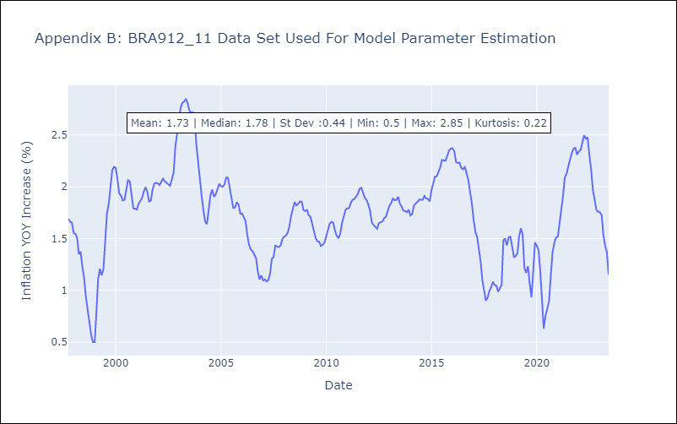

Appendix C: Residuals Analysis
Mean | 0.0
Variance | 0.03
White Noise? | No - Correlation at Lags [ 1 2 3 4 5 6 7 8 9 10 11 12]
Heteroskedastic? - ARCH | Yes
Normal? | No

