BRA912_11
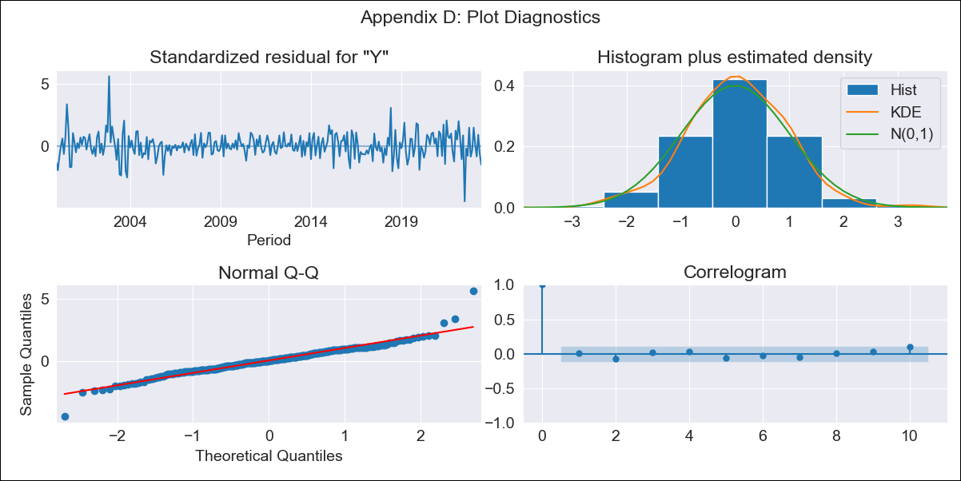

BRA912_11 - Inflation - Next 12 months forecast as of: 2023-06-01

Model | SARIMAX - [(2, 0, 1), (2, 0, 0, 12)] | Exogenous Variables | Exchange Rate - U.S Dollar, Interest Rates (Discount Rate), Interest Rates (Gov Securities/Treasury Bills), Unemployment, M1 Money Supply, m2 money supply
Training Data | 1997-10-01 to 2022-07-01
Test Data | 2022-07-01 to 2023-06-01

Date | Inflation Change YoY % | Lower Bound - 95% Confidence Interval | Upper Bound - 95% Confidence Interval
2023-07-01 | 3.63 | 2.93 | 4.33
2023-08-01 | 3.86 | 2.51 | 5.22
2023-09-01 | 4.34 | 2.34 | 6.35
2023-10-01 | 4.45 | 1.82 | 7.08
2023-11-01 | 4.58 | 1.37 | 7.79
2023-12-01 | 4.73 | 0.97 | 8.48
2024-01-01 | 4.56 | 0.29 | 8.82
2024-02-01 | 4.49 | -0.24 | 9.23
2024-03-01 | 4.7 | -0.47 | 9.87
2024-04-01 | 4.59 | -0.99 | 10.17
2024-05-01 | 4.76 | -1.2 | 10.73
2024-06-01 | 5.1 | -1.23 | 11.43

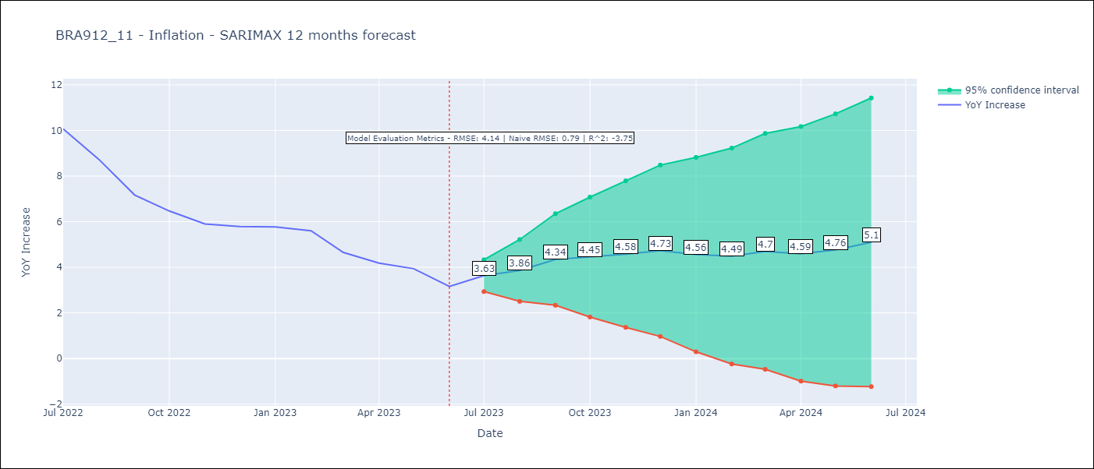

Test Metrics
RMSE | 4.14
Naive RMSE | 0.79
R^2 | -3.75

Test Predictions
Date | Predicted | Actual
2022-07-01 | 11.7 | 10.07
2022-08-01 | 11.44 | 8.73
2022-09-01 | 10.93 | 7.17
2022-10-01 | 10.48 | 6.47
2022-11-01 | 10.23 | 5.9
2022-12-01 | 10.56 | 5.79
2023-01-01 | 10.39 | 5.77
2023-02-01 | 10.03 | 5.6
2023-03-01 | 9.27 | 4.65
2023-04-01 | 8.53 | 4.18
2023-05-01 | 8.28 | 3.94
2023-06-01 | 8.03 | 3.16

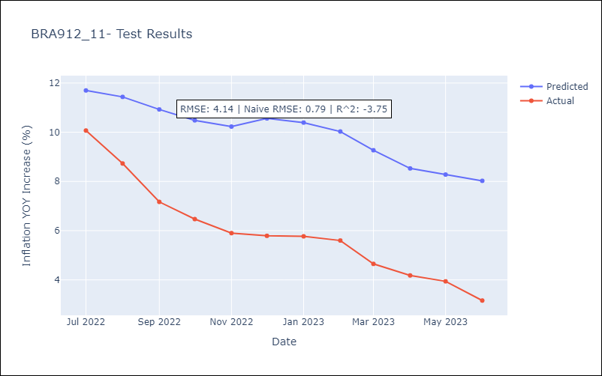

Appendix A: Model Summary
Model | SARIMAX(2, 0, 1)x(2, 0, [], 12)
Sample | 10-01-1997- 06-01-2023
No. of Observations | 309
Terms | P-value (Statistical significance)
Exchange Rate - U.S Dollar | 0.042
Interest Rates (Discount Rate) | 0.532
Interest Rates (Gov Securities/Treasury Bills) | 0.613
Unemployment | 0.536
M1 Money Supply | 0.063
m2 money supply | 0.175
ar.L1 | 0.000
ar.L2 | 0.000
ma.L1 | 0.738
ar.S.L12 | 0.000
ar.S.L24 | 0.000
sigma2 | 0.000
Assumptions | P-value | Interpretation
Ljung-Box (L1) | 0.99 | Residuals are independent.
Heteroskedasticity | 0.89 | Residuals have the same variance.
Jarque-Bera | 0.00 | Residuals are not normally distributed.
Skew | 0.31 | Positive skew - model underestimates the mean.
Kurtosis | 7.32 | Residuals contain more extreme outliers than in a normal distribution.

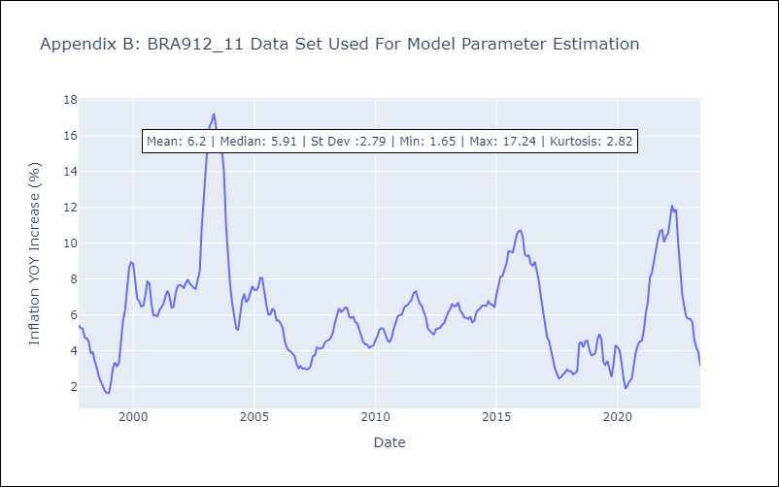

Appendix C: Residuals Analysis
Mean | 0.03
Variance | 0.4
White Noise? | No - Correlation at Lags [ 1 2 3 4 5 6 7 8 9 10 11 12]
Heteroskedastic? - ARCH | Yes
Normal? | No

