BRA912_12
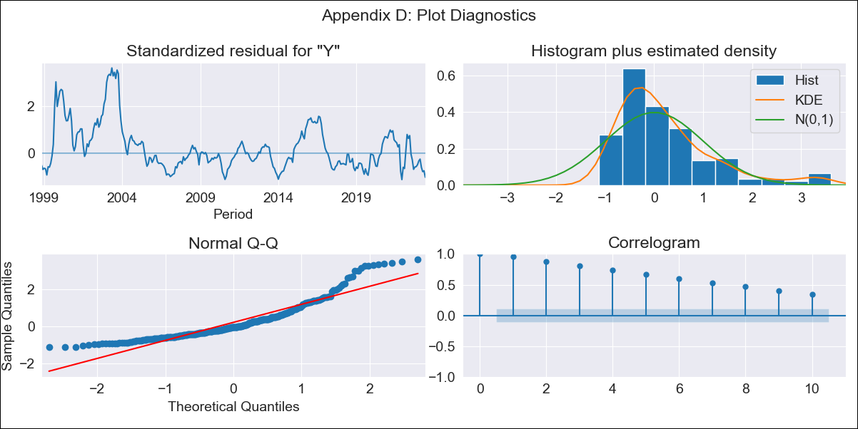
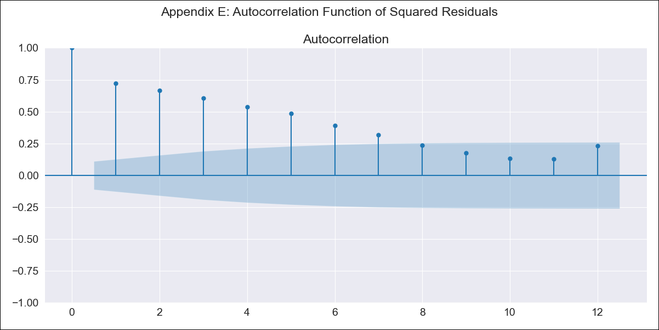
BRA912_12 - Inflation - Next 12 months forecast as of: 2023-06-01

Model | SARIMAX - [(0, 0, 0), (1, 0, 1, 12)] | Exogenous Variables | Exchange Rate - U.S Dollar, Interest Rates (Discount Rate), Interest Rates (Gov Securities/Treasury Bills), Unemployment, M1 Money Supply, m2 money supply
Training Data | 1997-10-01 to 2022-07-01
Test Data | 2022-07-01 to 2023-06-01

Date | Inflation Change YoY % | Lower Bound - 95% Confidence Interval | Upper Bound - 95% Confidence Interval
2023-07-01 | 5.24 | 0.71 | 9.76
2023-08-01 | 5.24 | 0.71 | 9.77
2023-09-01 | 5.01 | 0.49 | 9.54
2023-10-01 | 5.16 | 0.63 | 9.69
2023-11-01 | 4.63 | 0.1 | 9.15
2023-12-01 | 4.69 | 0.17 | 9.22
2024-01-01 | 4.98 | 0.45 | 9.5
2024-02-01 | 4.93 | 0.4 | 9.45
2024-03-01 | 5.11 | 0.58 | 9.63
2024-04-01 | 5.25 | 0.72 | 9.77
2024-05-01 | 5.24 | 0.72 | 9.77
2024-06-01 | 5.16 | 0.64 | 9.69

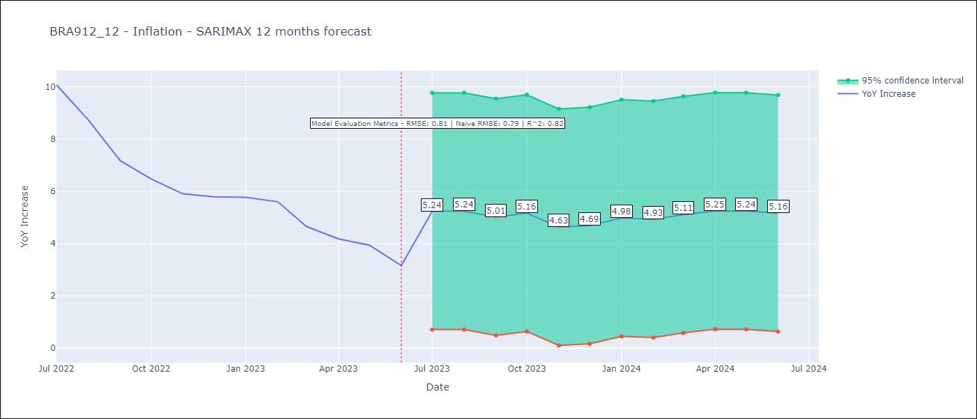

Test Metrics
RMSE | 0.81
Naive RMSE | 0.79
R^2 | 0.82

Test Predictions
Date | Predicted | Actual
2022-07-01 | 10.2 | 10.07
2022-08-01 | 9.55 | 8.73
2022-09-01 | 8.58 | 7.17
2022-10-01 | 8.17 | 6.47
2022-11-01 | 5.93 | 5.9
2022-12-01 | 5.68 | 5.79
2023-01-01 | 5.9 | 5.77
2023-02-01 | 5.11 | 5.6
2023-03-01 | 5.22 | 4.65
2023-04-01 | 5.15 | 4.18
2023-05-01 | 4.45 | 3.94
2023-06-01 | 3.81 | 3.16

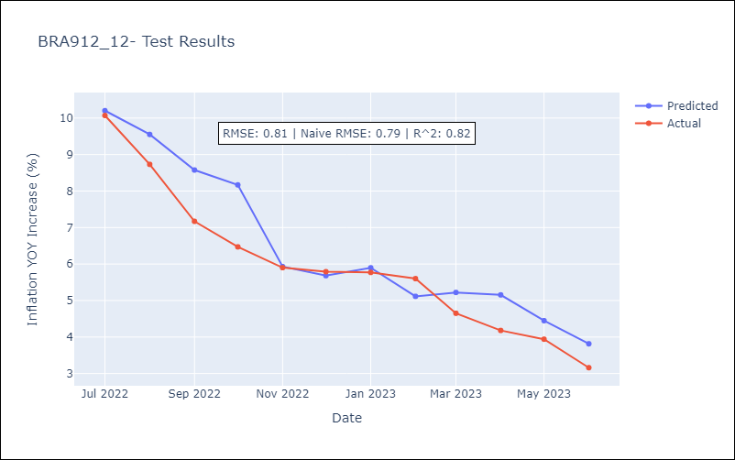

Appendix A: Model Summary
Model | SARIMAX(1, 0, [1], 12)
Sample | 10-01-1997- 06-01-2023
No. of Observations | 309
Terms | P-value (Statistical significance)
Exchange Rate - U.S Dollar | 0.002
Interest Rates (Discount Rate) | 0.000
Interest Rates (Gov Securities/Treasury Bills) | 0.009
Unemployment | 0.029
M1 Money Supply | 0.027
m2 money supply | 0.069
ar.S.L12 | 0.000
ma.S.L12 | 0.987
sigma2 | 0.987
Assumptions | P-value | Interpretation
Ljung-Box (L1) | 0.00 | Residuals are not independent.
Heteroskedasticity | 0.00 | Residuals have different variances.
Jarque-Bera | 0.00 | Residuals are not normally distributed.
Skew | 1.45 | Positive skew - model underestimates the mean.
Kurtosis | 5.05 | Residuals contain more extreme outliers than in a normal distribution.

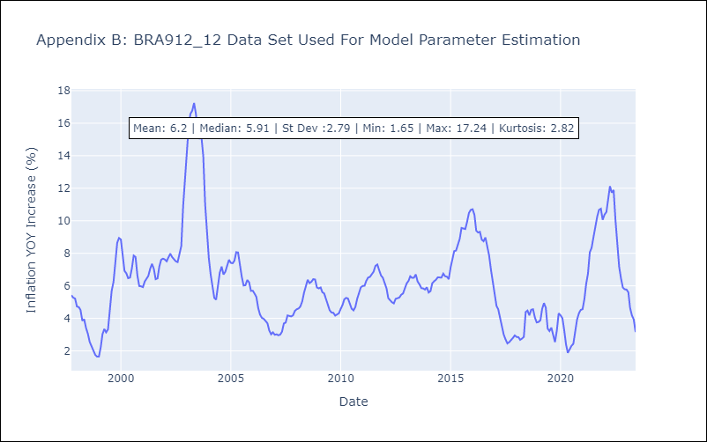

Appendix C: Residuals Analysis
Mean | 0.71
Variance | 7.16
White Noise? | No - Correlation at Lags [ 1 2 3 4 5 6 7 8 9 10 11 12]
Heteroskedastic? - ARCH | Yes
Normal? | No

