ARG
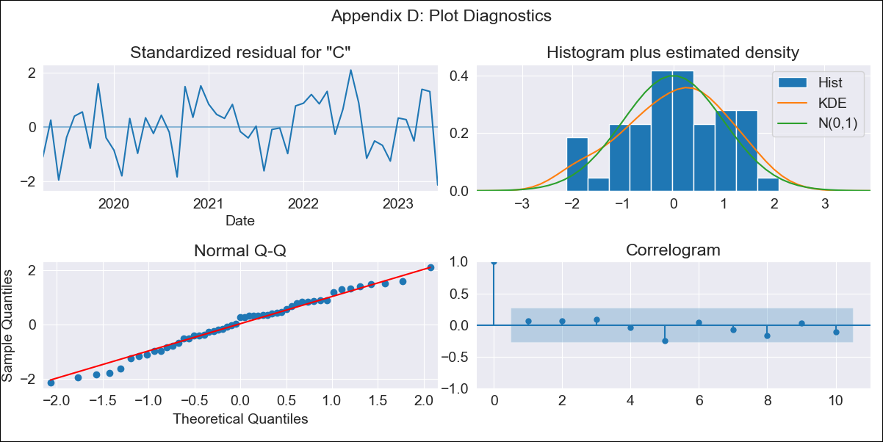
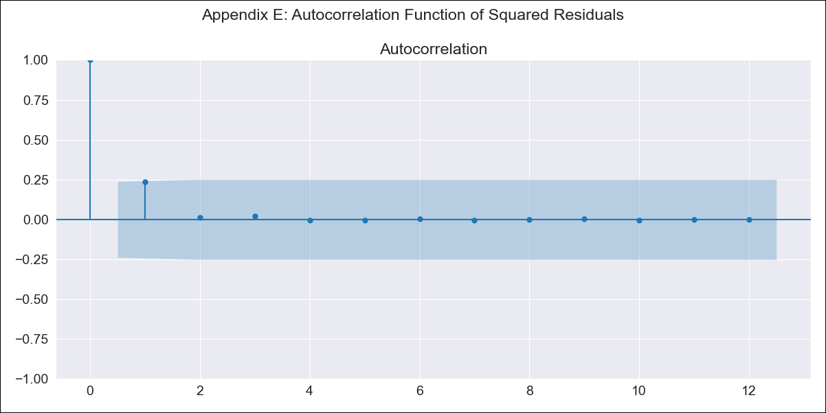
ARG - Inflation - Next 12 months forecast as of: 2023-06-01

Model | ARIMA - [(2, 2, 0), (1, 0, 0, 12)]
Training Data | 2017-12-01 to 2022-07-01
Test Data | 2022-07-01 to 2023-06-01

Date | Inflation Change YoY % | Lower Bound - 95% Confidence Interval | Upper Bound - 95% Confidence Interval
2023-07-01 | 118.32 | 115.16 | 121.48
2023-08-01 | 120.41 | 114.6 | 126.21
2023-09-01 | 122.8 | 114.34 | 131.26
2023-10-01 | 124.93 | 113.19 | 136.66
2023-11-01 | 127.3 | 111.91 | 142.68
2023-12-01 | 130.5 | 111.24 | 149.76
2024-01-01 | 133.14 | 109.69 | 156.58
2024-02-01 | 135.75 | 107.84 | 163.66
2024-03-01 | 139.06 | 106.44 | 171.67
2024-04-01 | 141.4 | 103.84 | 178.96
2024-05-01 | 143.09 | 100.36 | 185.83
2024-06-01 | 146.97 | 98.84 | 195.1

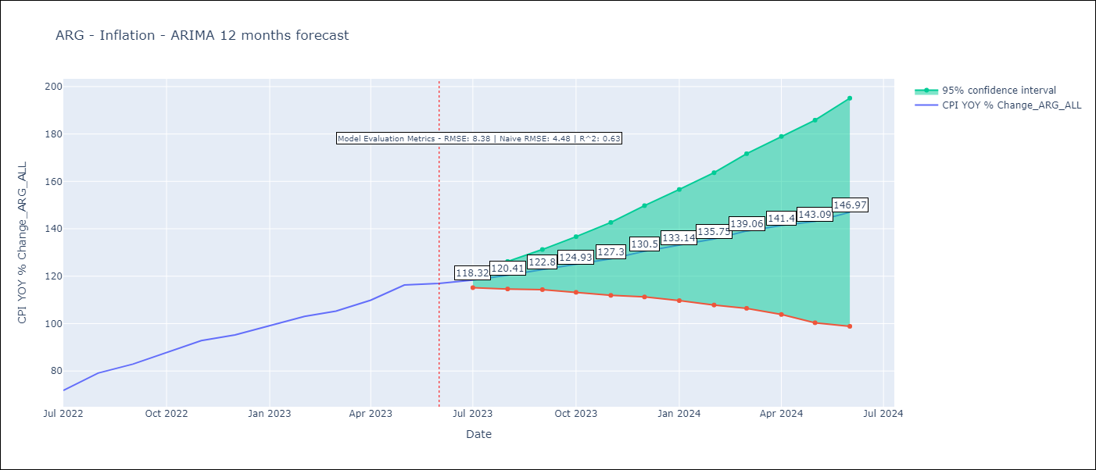

Test Metrics
RMSE | 8.38
Naive RMSE | 4.48
R^2 | 0.63

Test Predictions
Date | Predicted | Actual
2022-07-01 | 68.15 | 71.83
2022-08-01 | 72.21 | 79.11
2022-09-01 | 75.64 | 82.9
2022-10-01 | 79.5 | 87.8
2022-11-01 | 83.86 | 92.82
2022-12-01 | 87.66 | 95.19
2023-01-01 | 91.3 | 99.01
2023-02-01 | 94.76 | 103.06
2023-03-01 | 97.95 | 105.25
2023-04-01 | 100.79 | 109.89
2023-05-01 | 103.98 | 116.26
2023-06-01 | 106.58 | 116.97

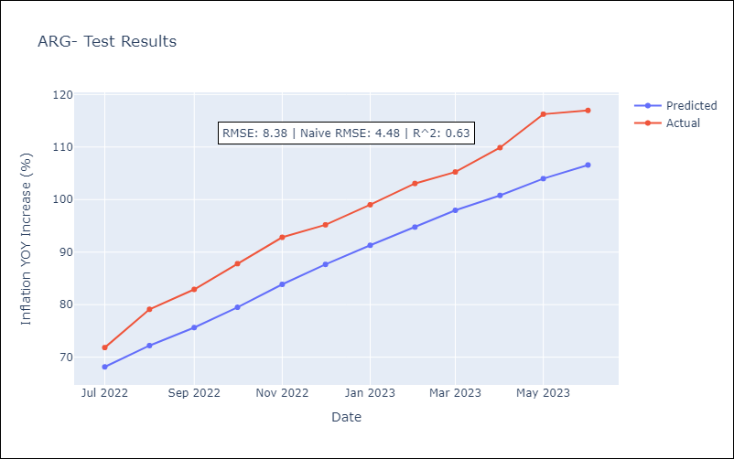

Appendix A: Model Summary
Model | ARIMA(2, 2, 0)x(1, 0, 0, 12)
Sample | 12-01-2017- 06-01-2023
No. of Observations | 67
Terms | P-value (Statistical significance)
ar.L1 | 0.003
ar.L2 | 0.006
ar.S.L12 | 0.027
sigma2 | 0.000
Assumptions | P-value | Interpretation
Ljung-Box (L1) | 0.64 | Residuals are independent.
Heteroskedasticity | 0.40 | Residuals have the same variance.
Jarque-Bera | 0.56 | Residuals are normally distributed.
Skew | -0.25 | Negative skew - Model overestimates the mean.
Kurtosis | 2.45 | Residuals do not contain more extreme outliers than in a normal distribution.

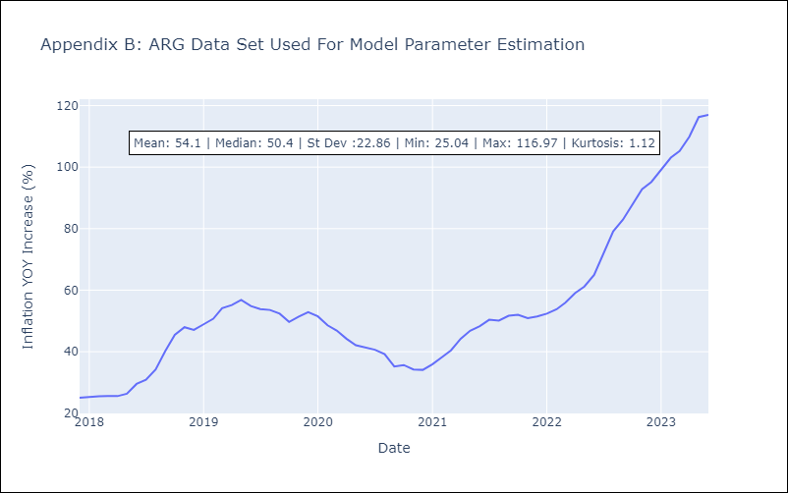

Appendix C: Residuals Analysis
Mean | 0.16
Variance | 14.87
White Noise? | No - Correlation at Lags [1]
Heteroskedastic? - ARCH | No
Normal? | No

