ARG_EXOG
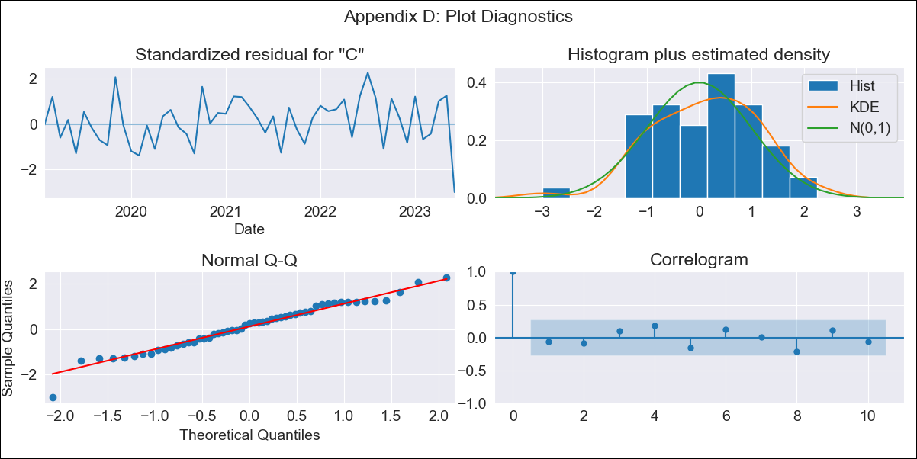
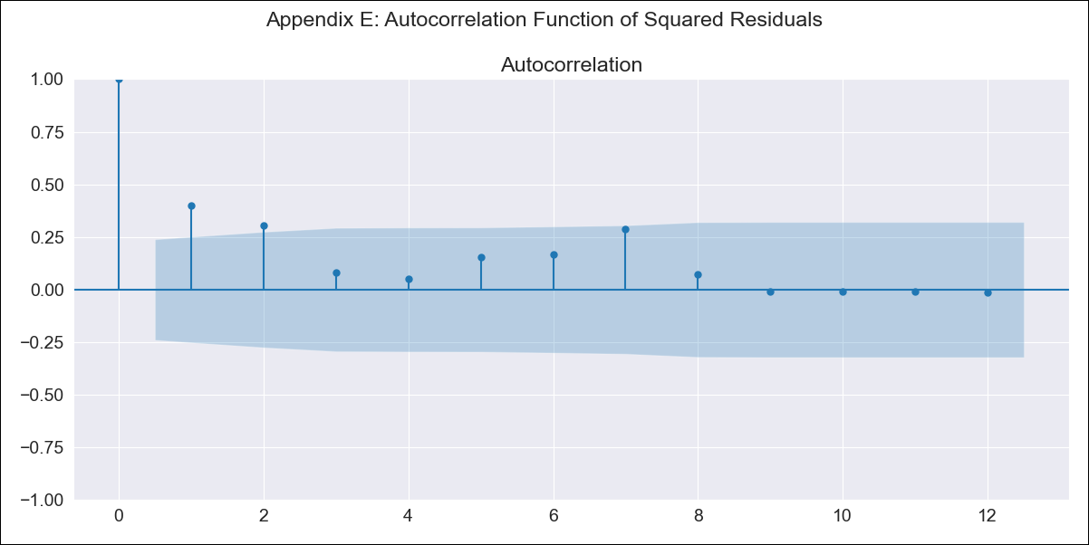
ARG_EXOG - Inflation - Next 12 months forecast as of: 2023-06-01

Model | SARIMAX - [(2, 0, 0), (1, 0, 0, 12)] | Exogenous Variables | exchange rate, Imports value (goods), m1 money supply, m2 money supply, exchange rate (real broad effective), Total Reserves ex. Gold, Exports Value (Goods)
Training Data | 2017-12-01 to 2022-07-01
Test Data | 2022-07-01 to 2023-06-01

Date | Inflation Change YoY % | Lower Bound - 95% Confidence Interval | Upper Bound - 95% Confidence Interval
2023-07-01 | 118.12 | 114.78 | 121.46
2023-08-01 | 120.53 | 113.98 | 127.07
2023-09-01 | 123.46 | 113.68 | 133.24
2023-10-01 | 127.09 | 114.13 | 140.04
2023-11-01 | 130.86 | 114.8 | 146.92
2023-12-01 | 134.8 | 115.69 | 153.91
2024-01-01 | 140.14 | 118.02 | 162.26
2024-02-01 | 144.53 | 119.41 | 169.66
2024-03-01 | 149.99 | 121.86 | 178.13
2024-04-01 | 155.41 | 124.23 | 186.58
2024-05-01 | 161.22 | 126.96 | 195.48
2024-06-01 | 167.49 | 130.08 | 204.91

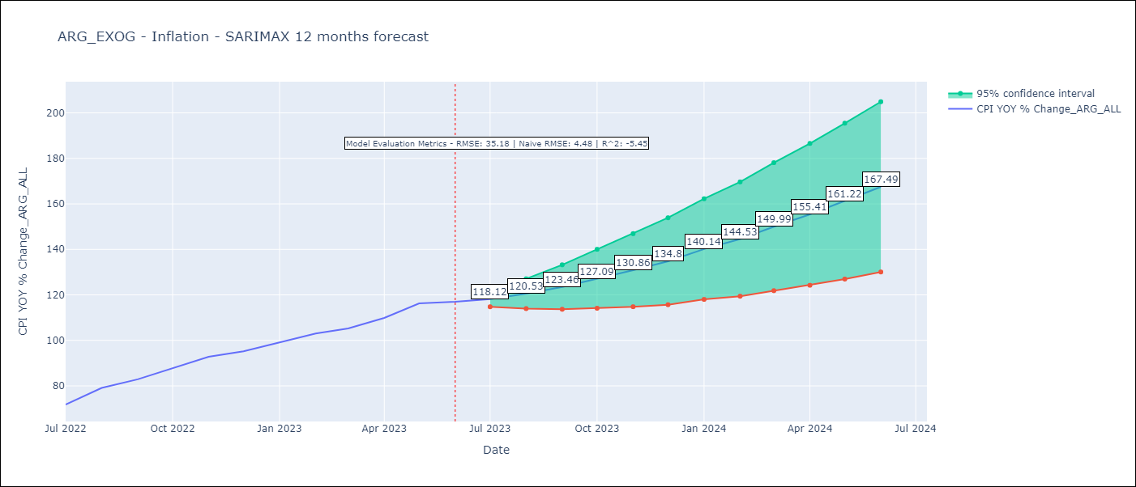

Test Metrics
RMSE | 35.18
Naive RMSE | 4.48
R^2 | -5.45

Test Predictions
Date | Predicted | Actual
2022-07-01 | 67.1 | 71.83
2022-08-01 | 68.01 | 79.11
2022-09-01 | 68.55 | 82.9
2022-10-01 | 68.54 | 87.8
2022-11-01 | 68.3 | 92.82
2022-12-01 | 67.06 | 95.19
2023-01-01 | 66.05 | 99.01
2023-02-01 | 64.75 | 103.06
2023-03-01 | 63.73 | 105.25
2023-04-01 | 62.43 | 109.89
2023-05-01 | 61.59 | 116.26
2023-06-01 | 60.25 | 116.97

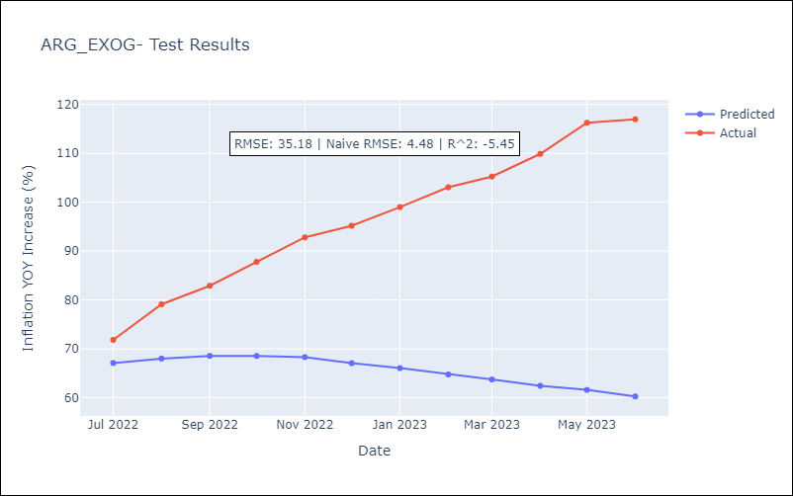

Appendix A: Model Summary
Model | SARIMAX(2, 0, 0)x(1, 0, 0, 12)
Sample | 12-01-2017- 06-01-2023
No. of Observations | 67
Terms | P-value (Statistical significance)
exchange rate | 0.362
Imports value (goods) | 0.095
m1 money supply | 0.775
m2 money supply | 0.959
exchange rate (real broad effective) | 0.363
Total Reserves ex. Gold | 0.829
Exports Value (Goods) | 0.417
ar.L1 | 0.000
ar.L2 | 0.000
ar.S.L12 | 0.660
sigma2 | 0.001
Assumptions | P-value | Interpretation
Ljung-Box (L1) | 0.61 | Residuals are independent.
Heteroskedasticity | 0.18 | Residuals have the same variance.
Jarque-Bera | 0.52 | Residuals are normally distributed.
Skew | -0.36 | Negative skew - Model overestimates the mean.
Kurtosis | 3.29 | Residuals contain more extreme outliers than in a normal distribution.

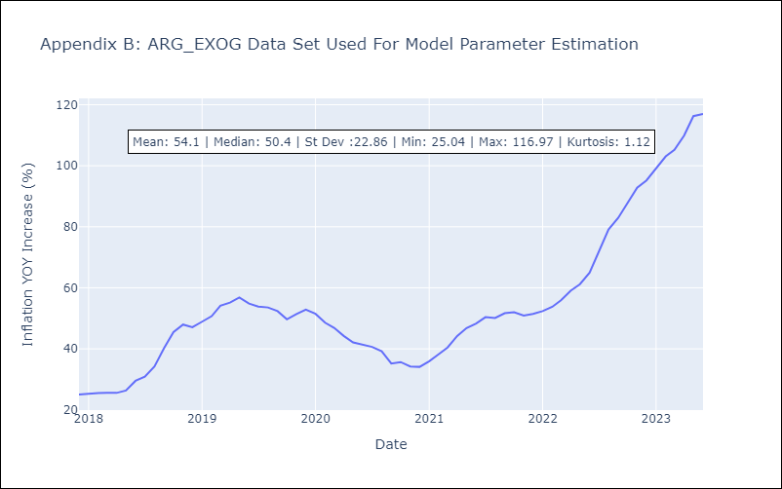

Appendix C: Residuals Analysis
Mean | 0.26
Variance | 46.34
White Noise? | No - Correlation at Lags [ 1 2 3 4 5 6 7 8 9 10 11 12]
Heteroskedastic? - ARCH | No
Normal? | No

