ARG_EXOG1
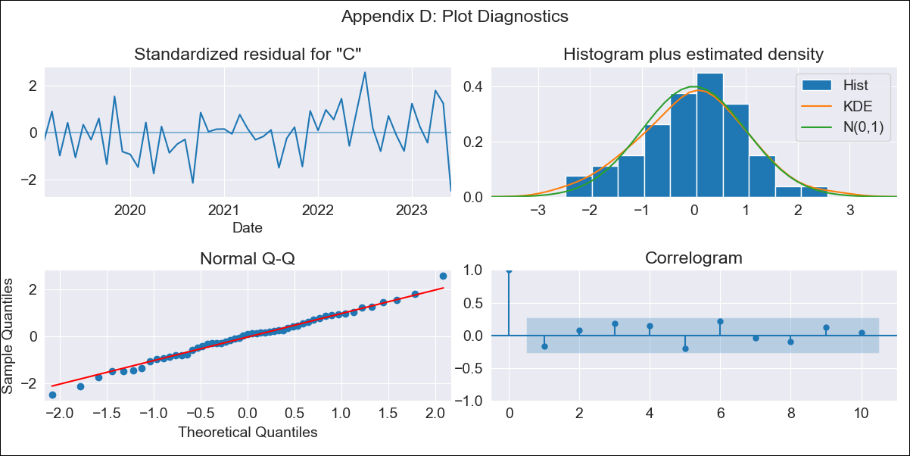
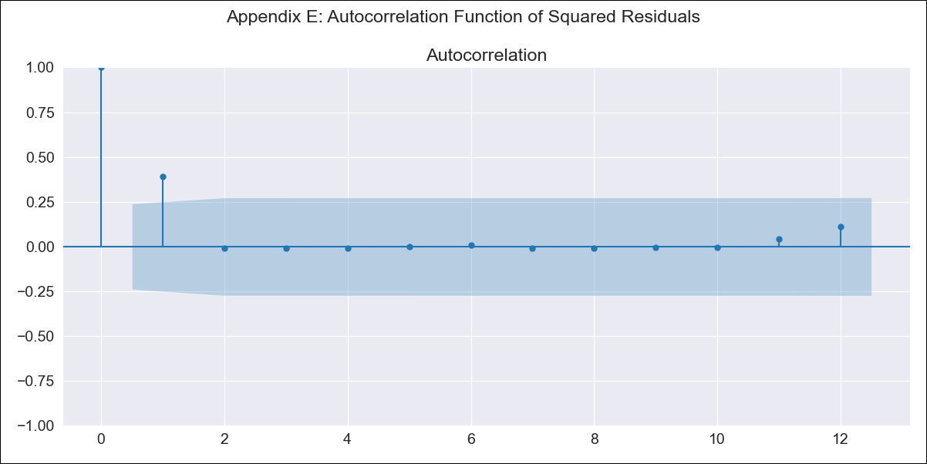
ARG_EXOG1 - Inflation - Next 12 months forecast as of: 2023-06-01

Model | SARIMAX - [(2, 0, 0), (1, 0, 0, 12)] | Exogenous Variables | exchange rate, Imports value (goods), m1 money supply
Training Data | 2017-12-01 to 2022-07-01
Test Data | 2022-07-01 to 2023-06-01

Date | Inflation Change YoY % | Lower Bound - 95% Confidence Interval | Upper Bound - 95% Confidence Interval
2023-07-01 | 116.14 | 113.02 | 119.27
2023-08-01 | 115.55 | 109.36 | 121.74
2023-09-01 | 116.78 | 107.48 | 126.09
2023-10-01 | 117.67 | 105.31 | 130.02
2023-11-01 | 118.7 | 103.41 | 133.99
2023-12-01 | 121.18 | 103.07 | 139.28
2024-01-01 | 122.81 | 102.01 | 143.61
2024-02-01 | 124.65 | 101.25 | 148.05
2024-03-01 | 127.42 | 101.51 | 153.32
2024-04-01 | 129.16 | 100.83 | 157.49
2024-05-01 | 130.09 | 99.39 | 160.79
2024-06-01 | 133.91 | 100.9 | 166.92

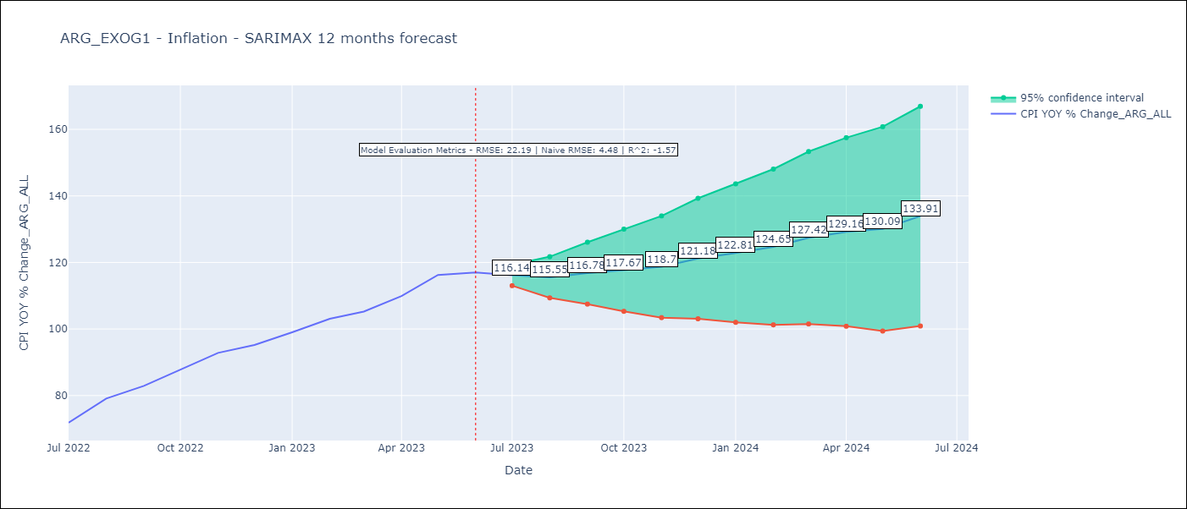

Test Metrics
RMSE | 22.19
Naive RMSE | 4.48
R^2 | -1.57

Test Predictions
Date | Predicted | Actual
2022-07-01 | 67.4 | 71.83
2022-08-01 | 70.52 | 79.11
2022-09-01 | 72.67 | 82.9
2022-10-01 | 74.3 | 87.8
2022-11-01 | 76.46 | 92.82
2022-12-01 | 77.87 | 95.19
2023-01-01 | 78.76 | 99.01
2023-02-01 | 79.66 | 103.06
2023-03-01 | 80.5 | 105.25
2023-04-01 | 80.63 | 109.89
2023-05-01 | 81.11 | 116.26
2023-06-01 | 80.92 | 116.97

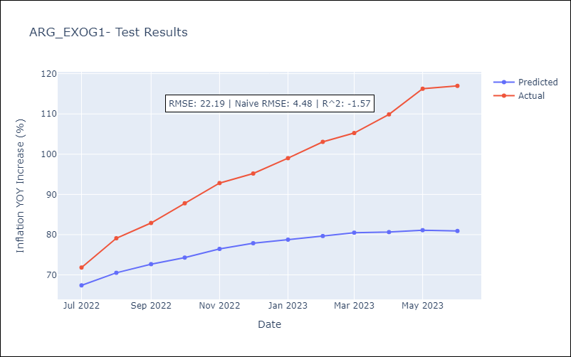

Appendix A: Model Summary
Model | SARIMAX(2, 0, 0)x(1, 0, 0, 12)
Sample | 12-01-2017- 06-01-2023
No. of Observations | 67
Terms | P-value (Statistical significance)
exchange rate | 0.335
Imports value (goods) | 0.353
m1 money supply | 0.620
ar.L1 | 0.000
ar.L2 | 0.000
ar.S.L12 | 0.013
sigma2 | 0.000
Assumptions | P-value | Interpretation
Ljung-Box (L1) | 0.22 | Residuals are independent.
Heteroskedasticity | 0.30 | Residuals have the same variance.
Jarque-Bera | 0.97 | Residuals are normally distributed.
Skew | -0.08 | Negative skew - Model overestimates the mean.
Kurtosis | 3.06 | Residuals contain more extreme outliers than in a normal distribution.

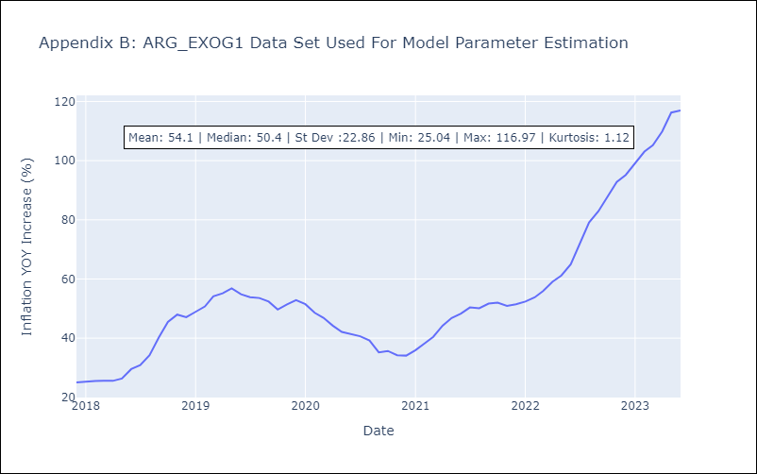

Appendix C: Residuals Analysis
Mean | 0.19
Variance | 14.76
White Noise? | No - Correlation at Lags [1 2 3 4 5 6]
Heteroskedastic? - ARCH | No
Normal? | No

