CHL-DO
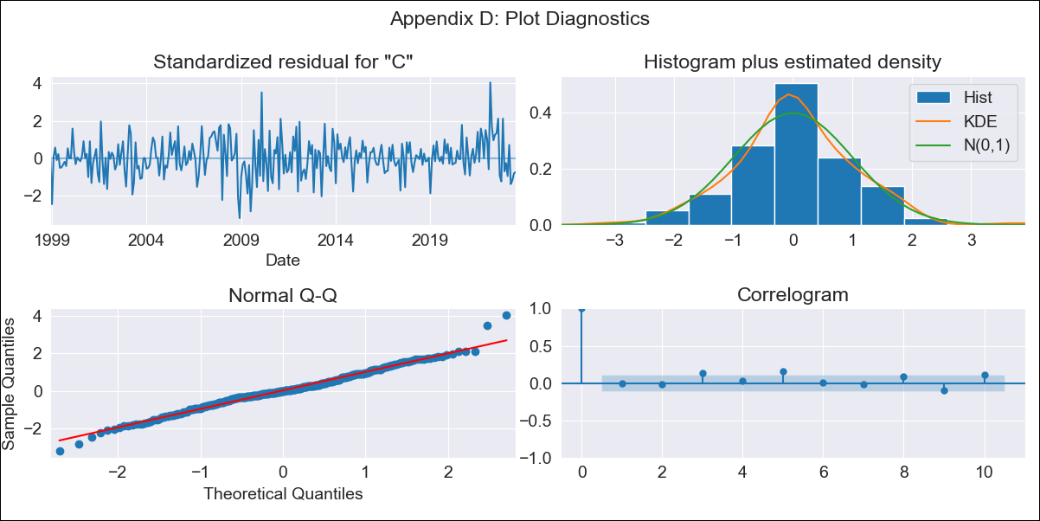

CHL-DO - Inflation - Next 12 months forecast as of: 2023-07-01

Model | SARIMAX - [(2, 0, 1), (0, 0, 1, 12)] | Exogenous Variables | Exchange Rate - U.S Dollar, Interest Rates (Discount Rate), Interest Rates (Gov Securities/Treasury Bills), Unemployment, M1 Money Supply, m2 money supply
Training Data | 1997-10-01 to 2022-08-01
Test Data | 2022-08-01 to 2023-07-01

Date | Inflation Change YoY % | Lower Bound - 95% Confidence Interval | Upper Bound - 95% Confidence Interval
2023-08-01 | 5.62 | 4.85 | 6.4
2023-09-01 | 5.46 | 4.18 | 6.74
2023-10-01 | 5.66 | 3.93 | 7.38
2023-11-01 | 5.19 | 3.08 | 7.3
2023-12-01 | 5.19 | 2.73 | 7.65
2024-01-01 | 5.26 | 2.49 | 8.02
2024-02-01 | 5.48 | 2.43 | 8.53
2024-03-01 | 5.38 | 2.07 | 8.7
2024-04-01 | 5.65 | 2.1 | 9.21
2024-05-01 | 5.99 | 2.21 | 9.78
2024-06-01 | 6.27 | 2.28 | 10.27
2024-07-01 | 6.59 | 2.39 | 10.79

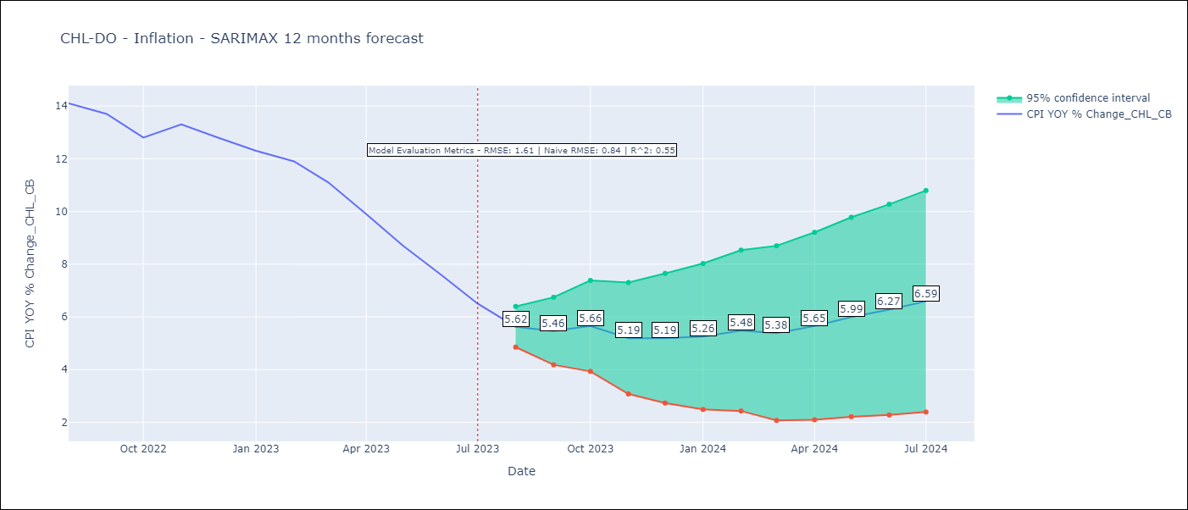

Test Metrics
RMSE | 1.61
Naive RMSE | 0.84
R^2 | 0.55

Test Predictions
Date | Predicted | Actual
2022-08-01 | 13.47 | 14.1
2022-09-01 | 13.39 | 13.7
2022-10-01 | 13.29 | 12.8
2022-11-01 | 13.16 | 13.3
2022-12-01 | 12.95 | 12.8
2023-01-01 | 12.78 | 12.3
2023-02-01 | 12.89 | 11.9
2023-03-01 | 12.1 | 11.1
2023-04-01 | 11.5 | 9.9
2023-05-01 | 10.97 | 8.7
2023-06-01 | 10.45 | 7.6
2023-07-01 | 9.99 | 6.5

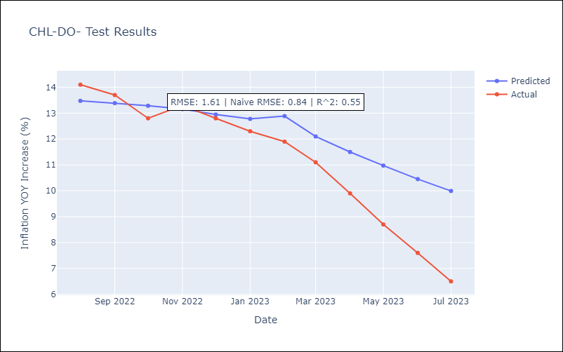

Appendix A: Model Summary
Model | SARIMAX(2, 0, 1)x(0, 0, 1, 12)
Sample | 10-01-1997- 07-01-2023
No. of Observations | 310
Terms | P-value (Statistical significance)
Exchange Rate - U.S Dollar | 0.159
Interest Rates (Discount Rate) | 0.632
Interest Rates (Gov Securities/Treasury Bills) | 0.280
Unemployment | 0.821
M1 Money Supply | 0.000
m2 money supply | 0.322
ar.L1 | 0.000
ar.L2 | 0.000
ma.L1 | 0.207
ma.S.L12 | 0.000
sigma2 | 0.000
Assumptions | P-value | Interpretation
Ljung-Box (L1) | 0.92 | Residuals are independent.
Heteroskedasticity | 0.37 | Residuals have the same variance.
Jarque-Bera | 0.00 | Residuals are not normally distributed.
Skew | 0.13 | Positive skew - model underestimates the mean.
Kurtosis | 4.09 | Residuals contain more extreme outliers than in a normal distribution.

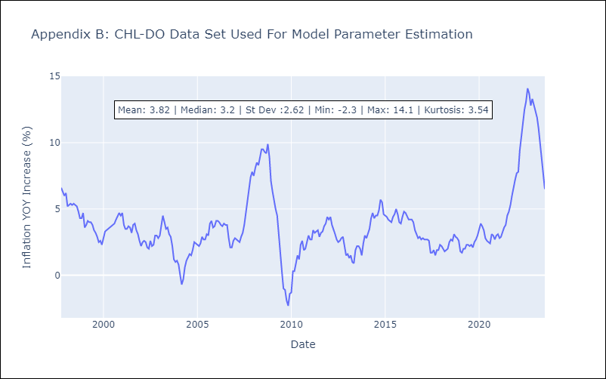

Appendix C: Residuals Analysis
Mean | 0.02
Variance | 0.44
White Noise? | No - Correlation at Lags [ 1 2 3 4 5 6 7 8 9 10 11 12]
Heteroskedastic? - ARCH | Yes
Normal? | No

