CHL-DO1


CHL-DO1 - Inflation - Next 12 months forecast as of: 2023-07-01

Model | SARIMAX - [(1, 0, 1), (0, 0, 1, 12)] | Exogenous Variables | interest rates (long term government bond yields), unemployment, M1 Money Supply, spot exchange rate
Training Data | 2005-07-01 to 2022-08-01
Test Data | 2022-08-01 to 2023-07-01

Date | Inflation Change YoY % | Lower Bound - 95% Confidence Interval | Upper Bound - 95% Confidence Interval
2023-08-01 | 5.66 | 4.8 | 6.52
2023-09-01 | 5.62 | 4.19 | 7.05
2023-10-01 | 5.88 | 4.05 | 7.72
2023-11-01 | 5.56 | 3.4 | 7.72
2023-12-01 | 5.67 | 3.22 | 8.12
2024-01-01 | 5.77 | 3.06 | 8.47
2024-02-01 | 6.01 | 3.07 | 8.95
2024-03-01 | 6.08 | 2.92 | 9.25
2024-04-01 | 6.46 | 3.1 | 9.83
2024-05-01 | 6.81 | 3.24 | 10.37
2024-06-01 | 7.12 | 3.37 | 10.86
2024-07-01 | 7.44 | 3.51 | 11.36

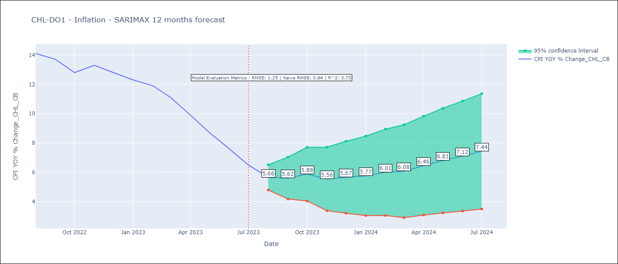

Test Metrics
RMSE | 1.25
Naive RMSE | 0.84
R^2 | 0.73

Test Predictions
Date | Predicted | Actual
2022-08-01 | 13.28 | 14.1
2022-09-01 | 12.92 | 13.7
2022-10-01 | 12.64 | 12.8
2022-11-01 | 12.52 | 13.3
2022-12-01 | 12.3 | 12.8
2023-01-01 | 12.12 | 12.3
2023-02-01 | 12.23 | 11.9
2023-03-01 | 11.5 | 11.1
2023-04-01 | 10.8 | 9.9
2023-05-01 | 10.3 | 8.7
2023-06-01 | 9.74 | 7.6
2023-07-01 | 9.37 | 6.5

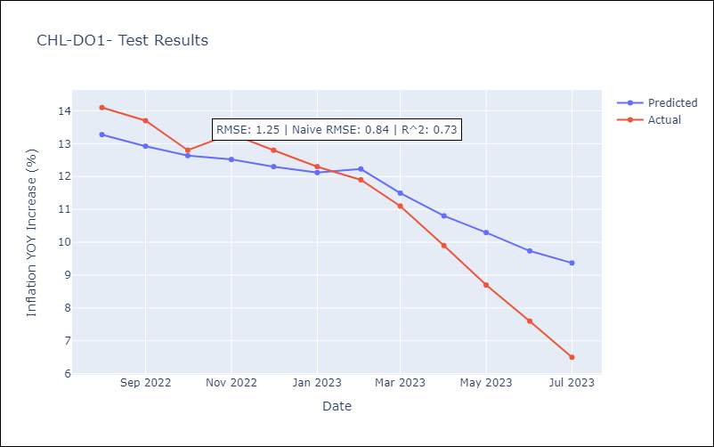

Appendix A: Model Summary
Model | SARIMAX(1, 0, 1)x(0, 0, 1, 12)
Sample | 07-01-2005- 07-01-2023
No. of Observations | 217
Terms | P-value (Statistical significance)
interest rates (long term government bond yields) | 0.090
unemployment | 0.256
M1 Money Supply | 0.330
spot exchange rate | 0.319
ar.L1 | 0.000
ma.L1 | 0.000
ma.S.L12 | 0.000
sigma2 | 0.000
Assumptions | P-value | Interpretation
Ljung-Box (L1) | 0.50 | Residuals are independent.
Heteroskedasticity | 0.07 | Residuals have the same variance.
Jarque-Bera | 0.00 | Residuals are not normally distributed.
Skew | 0.26 | Positive skew - model underestimates the mean.
Kurtosis | 4.10 | Residuals contain more extreme outliers than in a normal distribution.

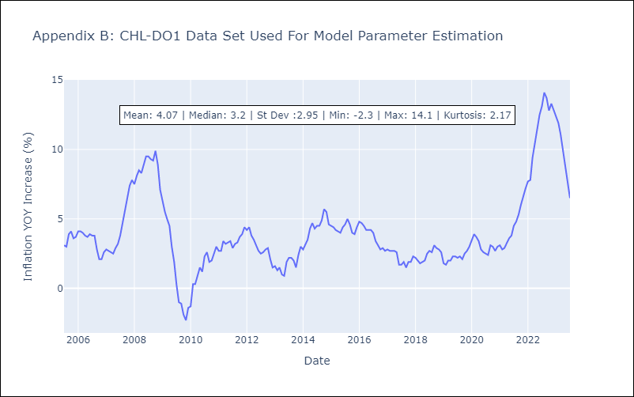

Appendix C: Residuals Analysis
Mean | 0.03
Variance | 0.25
White Noise? | No - Correlation at Lags [ 2 3 4 5 6 7 8 9 10 11 12]
Heteroskedastic? - ARCH | Yes
Normal? | No

