CHL-DO2
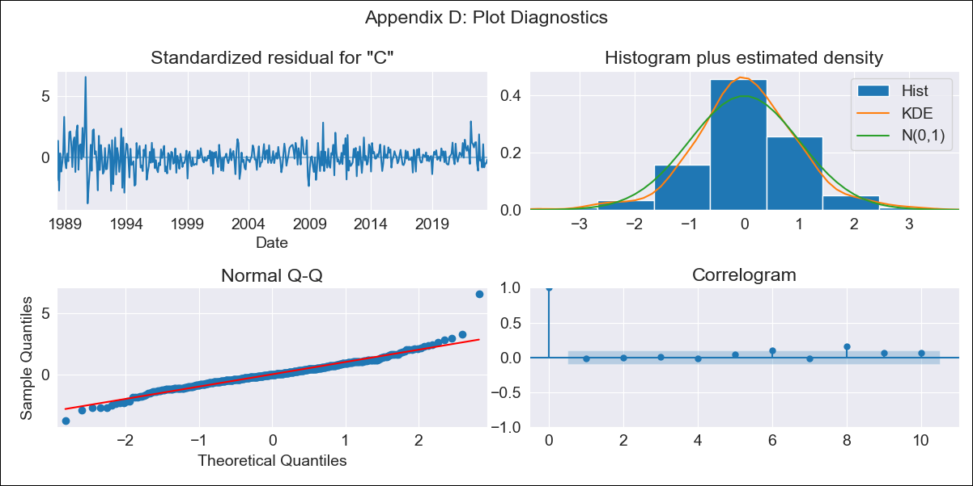

CHL-DO2 - Inflation - Next 12 months forecast as of: 2023-07-01

Model | SARIMAX - [(3, 0, 3), (0, 0, 1, 12)] | Exogenous Variables | unemployment, M1 Money Supply, spot exchange rate
Training Data | 1987-01-01 to 2022-08-01
Test Data | 2022-08-01 to 2023-07-01

Date | Inflation Change YoY % | Lower Bound - 95% Confidence Interval | Upper Bound - 95% Confidence Interval
2023-08-01 | 5.45 | 4.42 | 6.49
2023-09-01 | 5.07 | 3.34 | 6.81
2023-10-01 | 5.15 | 2.82 | 7.49
2023-11-01 | 4.4 | 1.47 | 7.32
2023-12-01 | 4.21 | 0.77 | 7.65
2024-01-01 | 4.14 | 0.23 | 8.05
2024-02-01 | 4.28 | -0.06 | 8.61
2024-03-01 | 3.96 | -0.76 | 8.69
2024-04-01 | 4.11 | -0.98 | 9.19
2024-05-01 | 4.31 | -1.1 | 9.72
2024-06-01 | 4.45 | -1.27 | 10.17
2024-07-01 | 4.59 | -1.42 | 10.6

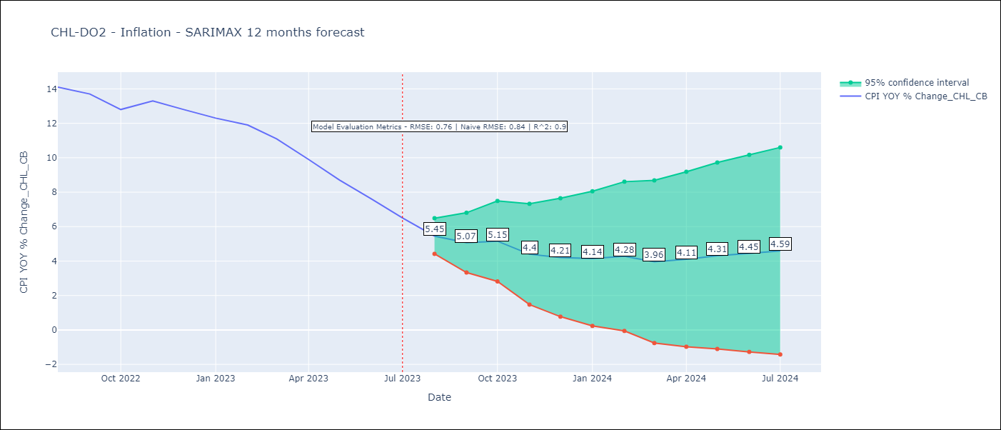

Test Metrics
RMSE | 0.76
Naive RMSE | 0.84
R^2 | 0.9

Test Predictions
Date | Predicted | Actual
2022-08-01 | 13.5 | 14.1
2022-09-01 | 13.24 | 13.7
2022-10-01 | 13.06 | 12.8
2022-11-01 | 12.87 | 13.3
2022-12-01 | 12.5 | 12.8
2023-01-01 | 12.24 | 12.3
2023-02-01 | 12.33 | 11.9
2023-03-01 | 11.27 | 11.1
2023-04-01 | 10.41 | 9.9
2023-05-01 | 9.7 | 8.7
2023-06-01 | 8.94 | 7.6
2023-07-01 | 8.18 | 6.5

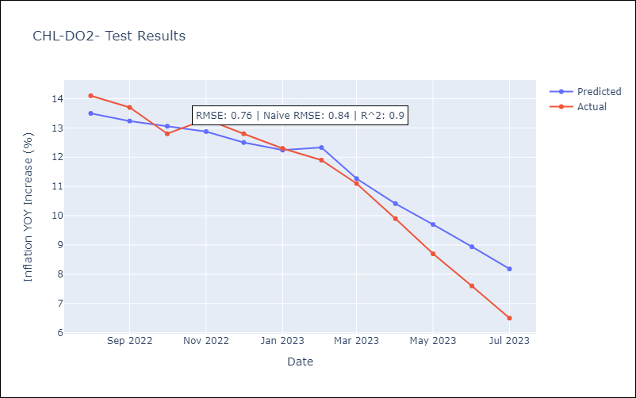

Appendix A: Model Summary
Model | SARIMAX(3, 0, 3)x(0, 0, [1], 12)
Sample | 01-01-1987- 07-01-2023
No. of Observations | 439
Terms | P-value (Statistical significance)
unemployment | 0.533
M1 Money Supply | 0.334
spot exchange rate | 0.874
ar.L1 | 0.000
ar.L2 | 0.106
ar.L3 | 0.029
ma.L1 | 0.017
ma.L2 | 0.336
ma.L3 | 0.282
ma.S.L12 | 0.000
sigma2 | 0.000
Assumptions | P-value | Interpretation
Ljung-Box (L1) | 0.71 | Residuals are independent.
Heteroskedasticity | 0.00 | Residuals have different variances.
Jarque-Bera | 0.00 | Residuals are not normally distributed.
Skew | 0.57 | Positive skew - model underestimates the mean.
Kurtosis | 7.72 | Residuals contain more extreme outliers than in a normal distribution.

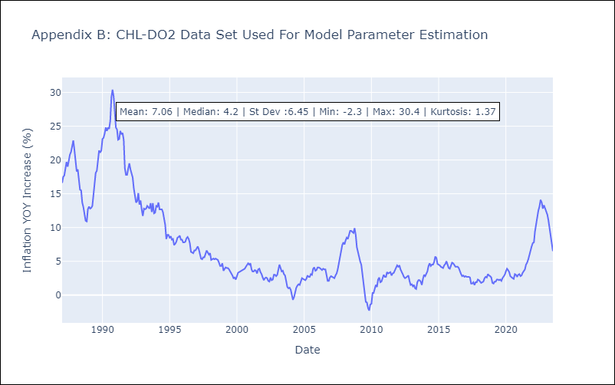

Appendix C: Residuals Analysis
Mean | 0.06
Variance | 1.06
White Noise? | No - Correlation at Lags [ 2 3 4 5 6 7 8 9 10 11 12]
Heteroskedastic? - ARCH | Yes
Normal? | No

