CHL-DO2
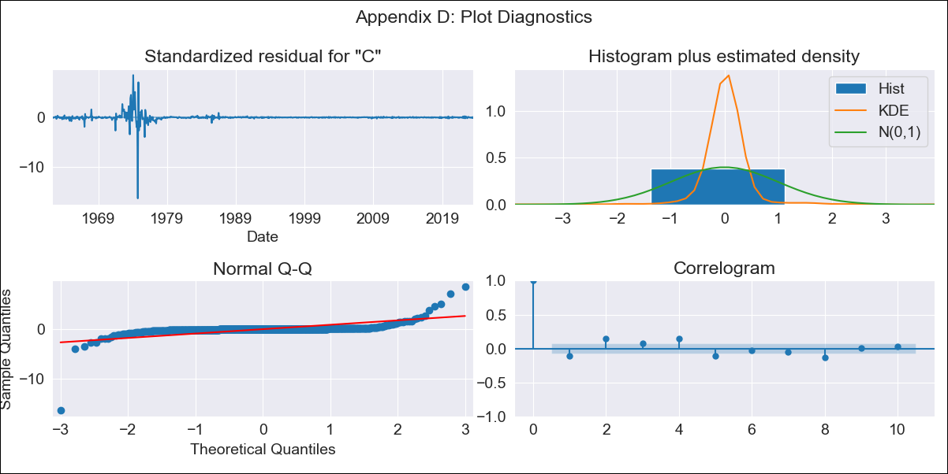
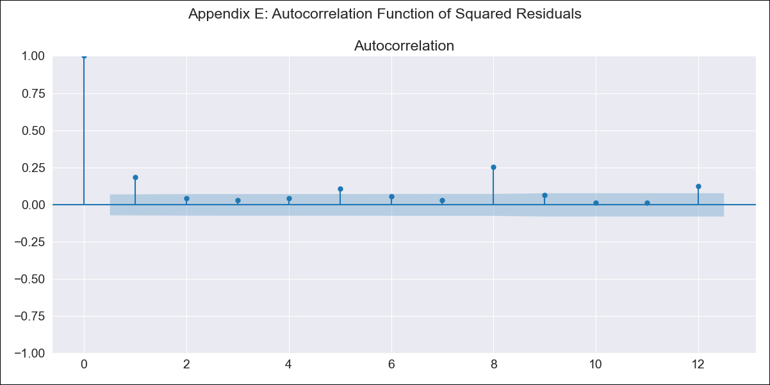
CHL-DO2 - Inflation - Next 12 months forecast as of: 2023-07-01

Model | SARIMAX - [(3, 0, 3), (0, 0, 1, 12)] | Exogenous Variables | spot exchange rate
Training Data | 1961-01-01 to 2022-08-01
Test Data | 2022-08-01 to 2023-07-01

Date | Inflation Change YoY % | Lower Bound - 95% Confidence Interval | Upper Bound - 95% Confidence Interval
2023-08-01 | 5.81 | -20.11 | 31.73
2023-09-01 | 4.97 | -38.74 | 48.68
2023-10-01 | 4.6 | -51.38 | 60.58
2023-11-01 | 4.34 | -61.39 | 70.06
2023-12-01 | 4.04 | -70.01 | 78.08
2024-01-01 | 3.7 | -77.63 | 85.03
2024-02-01 | 3.05 | -84.82 | 90.92
2024-03-01 | 2.8 | -91 | 96.61
2024-04-01 | 2.45 | -96.8 | 101.71
2024-05-01 | 2.01 | -102.28 | 106.3
2024-06-01 | 1.8 | -107.18 | 110.78
2024-07-01 | 1.44 | -111.92 | 114.8

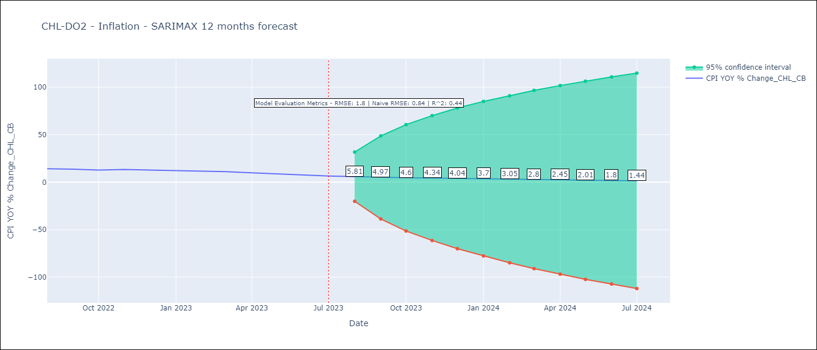

Test Metrics
RMSE | 1.8
Naive RMSE | 0.84
R^2 | 0.44

Test Predictions
Date | Predicted | Actual
2022-08-01 | 13.01 | 14.1
2022-09-01 | 12.31 | 13.7
2022-10-01 | 11.72 | 12.8
2022-11-01 | 11.04 | 13.3
2022-12-01 | 10.17 | 12.8
2023-01-01 | 9.98 | 12.3
2023-02-01 | 9.38 | 11.9
2023-03-01 | 8.97 | 11.1
2023-04-01 | 7.92 | 9.9
2023-05-01 | 7.61 | 8.7
2023-06-01 | 6.59 | 7.6
2023-07-01 | 6.14 | 6.5

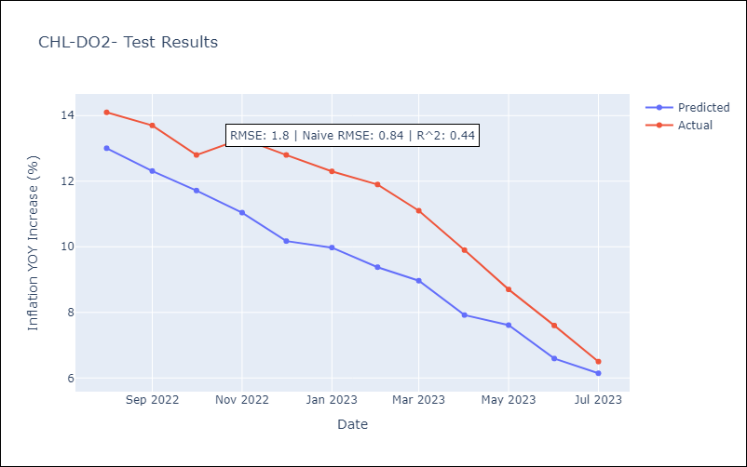

Appendix A: Model Summary
Model | SARIMAX(3, 0, 3)x(0, 0, [1], 12)
Sample | 01-01-1961- 07-01-2023
No. of Observations | 751
Terms | P-value (Statistical significance)
spot exchange rate | 0.000
ar.L1 | 0.205
ar.L2 | 0.852
ar.L3 | 0.502
ma.L1 | 0.956
ma.L2 | 0.248
ma.L3 | 0.478
ma.S.L12 | 0.000
sigma2 | 0.000
Assumptions | P-value | Interpretation
Ljung-Box (L1) | 0.00 | Residuals are not independent.
Heteroskedasticity | 0.00 | Residuals have different variances.
Jarque-Bera | 0.00 | Residuals are not normally distributed.
Skew | -6.19 | Negative skew - Model overestimates the mean.
Kurtosis | 178.04 | Residuals contain more extreme outliers than in a normal distribution.

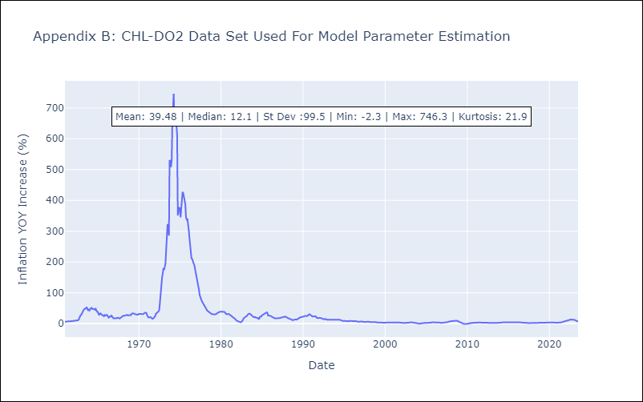

Appendix C: Residuals Analysis
Mean | 0.47
Variance | 137.0
White Noise? | No - Correlation at Lags [ 1 2 3 4 5 6 7 8 9 10 11 12]
Heteroskedastic? - ARCH | Yes
Normal? | No

