CHL-DO3
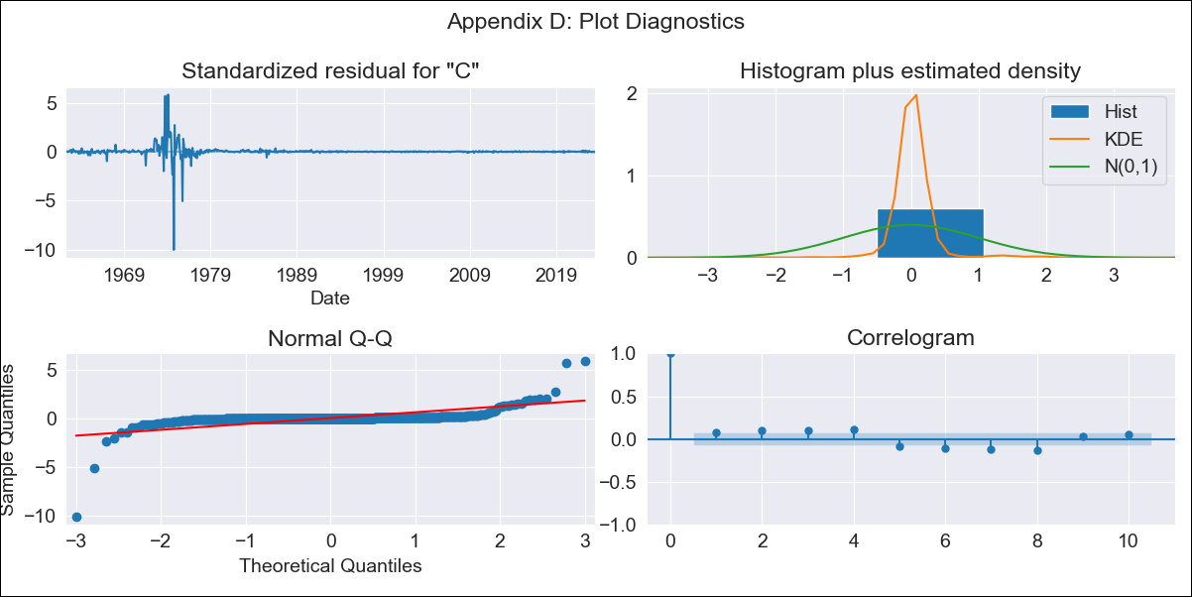
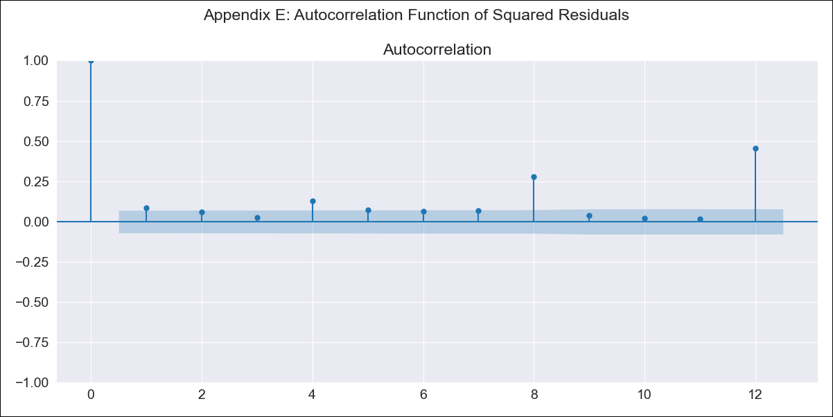
CHL-DO3 - Inflation - Next 12 months forecast as of: 2023-07-01

Model | SARIMAX - [(3, 0, 2), (1, 0, 1, 12)] | Exogenous Variables | spot exchange rate
Training Data | 1961-01-01 to 2022-08-01
Test Data | 2022-08-01 to 2023-07-01

Date | Inflation Change YoY % | Lower Bound - 95% Confidence Interval | Upper Bound - 95% Confidence Interval
2023-08-01 | 6.4 | -32.12 | 44.93
2023-09-01 | 6.37 | -53.21 | 65.95
2023-10-01 | 6.41 | -69.34 | 82.17
2023-11-01 | 5.96 | -83.52 | 95.43
2023-12-01 | 5.82 | -95.87 | 107.51
2024-01-01 | 5.69 | -107.17 | 118.54
2024-02-01 | 5.62 | -117.63 | 128.86
2024-03-01 | 5.51 | -127.5 | 138.52
2024-04-01 | 5.63 | -136.63 | 147.89
2024-05-01 | 5.78 | -145.29 | 156.85
2024-06-01 | 5.9 | -153.59 | 165.4
2024-07-01 | 6.07 | -161.51 | 173.64

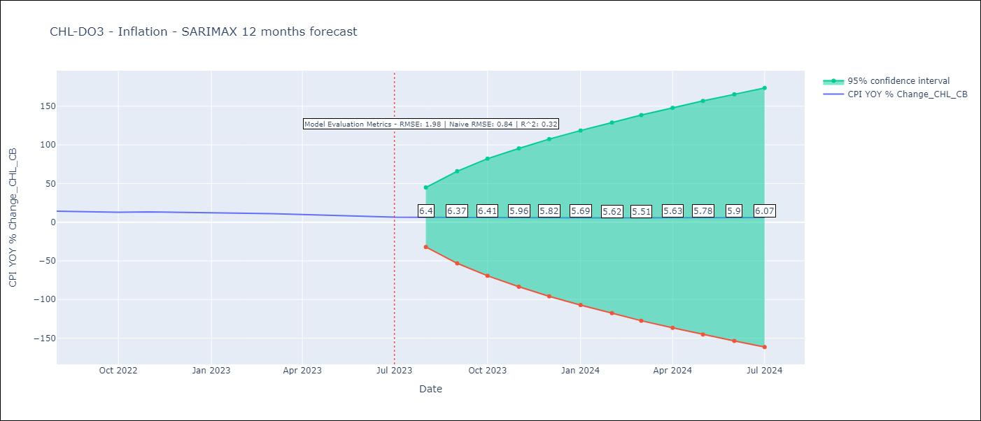

Test Metrics
RMSE | 1.98
Naive RMSE | 0.84
R^2 | 0.32

Test Predictions
Date | Predicted | Actual
2022-08-01 | 13.61 | 14.1
2022-09-01 | 13.92 | 13.7
2022-10-01 | 14.09 | 12.8
2022-11-01 | 14.23 | 13.3
2022-12-01 | 14.3 | 12.8
2023-01-01 | 13.77 | 12.3
2023-02-01 | 13.73 | 11.9
2023-03-01 | 12.51 | 11.1
2023-04-01 | 12.01 | 9.9
2023-05-01 | 11.08 | 8.7
2023-06-01 | 10.79 | 7.6
2023-07-01 | 10.25 | 6.5

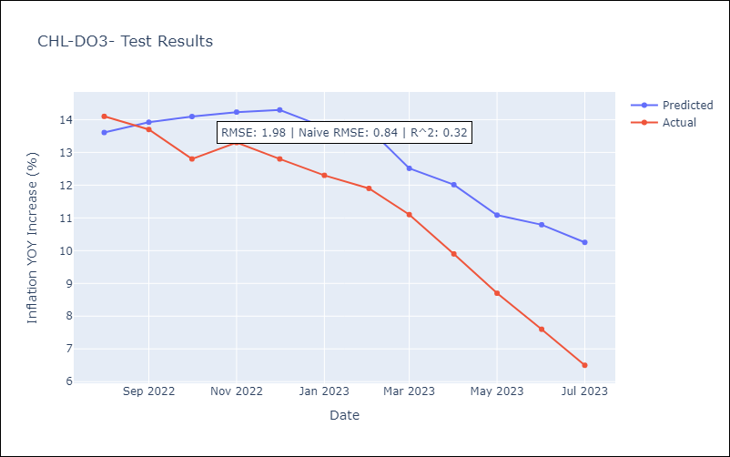

Appendix A: Model Summary
Model | SARIMAX(3, 0, 2)x(1, 0, [1], 12)
Sample | 01-01-1961- 07-01-2023
No. of Observations | 751
Terms | P-value (Statistical significance)
spot exchange rate | 0.000
ar.L1 | 0.000
ar.L2 | 0.187
ar.L3 | 0.844
ma.L1 | 0.063
ma.L2 | 0.843
ar.S.L12 | 0.935
ma.S.L12 | 0.099
sigma2 | 0.000
Assumptions | P-value | Interpretation
Ljung-Box (L1) | 0.03 | Residuals are not independent.
Heteroskedasticity | 0.00 | Residuals have different variances.
Jarque-Bera | 0.00 | Residuals are not normally distributed.
Skew | -4.62 | Negative skew - Model overestimates the mean.
Kurtosis | 141.44 | Residuals contain more extreme outliers than in a normal distribution.

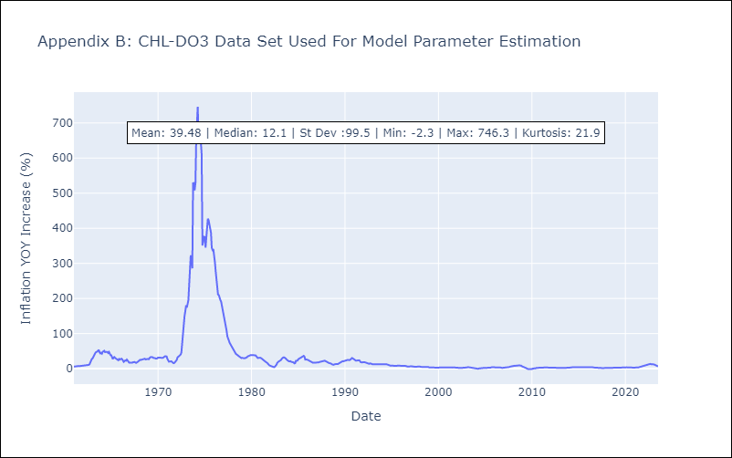

Appendix C: Residuals Analysis
Mean | 0.59
Variance | 136.02
White Noise? | No - Correlation at Lags [ 1 2 3 4 5 6 7 8 9 10 11 12]
Heteroskedastic? - ARCH | Yes
Normal? | No

