CHL-DO5
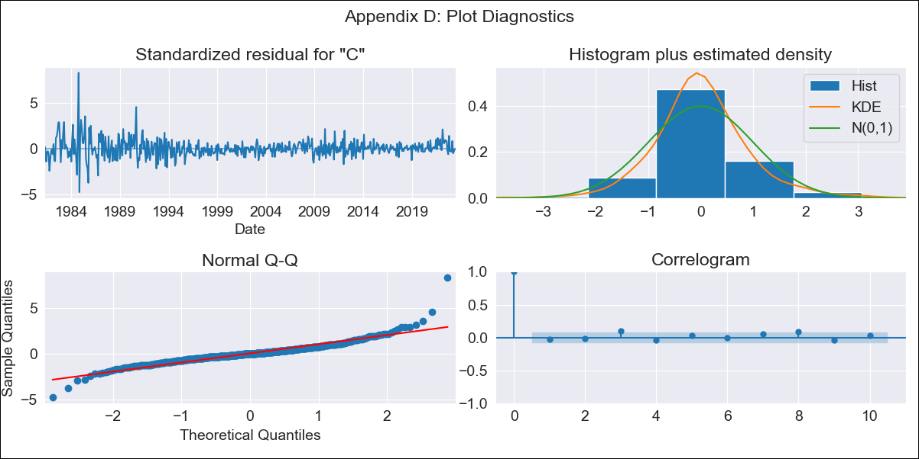
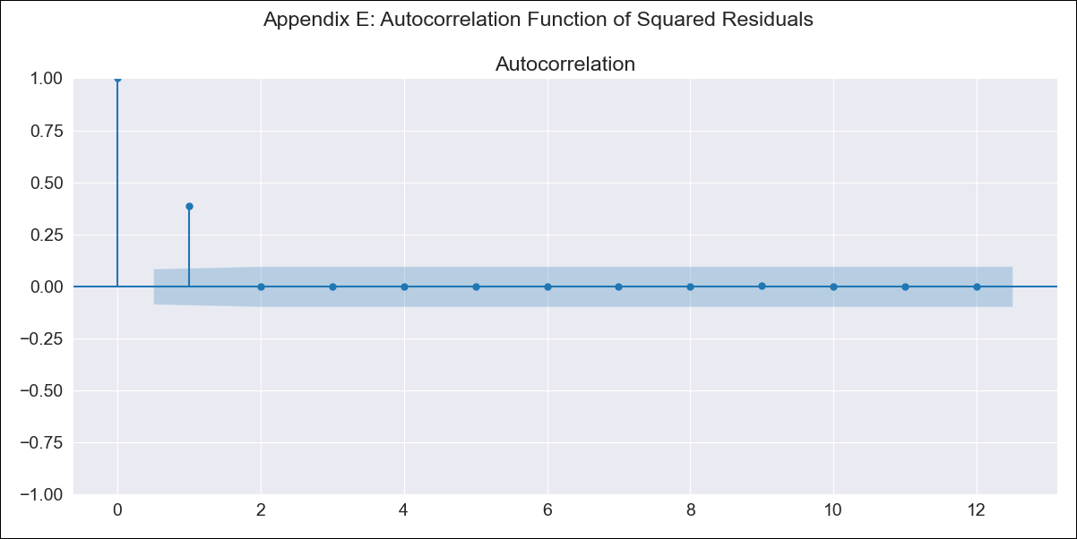
CHL-DO5 - Inflation - Next 12 months forecast as of: 2023-07-01

Model | SARIMAX - [(2, 0, 2), (0, 0, 1, 12)] | Exogenous Variables | spot exchange rate
Training Data | 1980-01-01 to 2022-08-01
Test Data | 2022-08-01 to 2023-07-01

Date | Inflation Change YoY % | Lower Bound - 95% Confidence Interval | Upper Bound - 95% Confidence Interval
2023-08-01 | 5.39 | 3.99 | 6.79
2023-09-01 | 5 | 2.5 | 7.51
2023-10-01 | 5.07 | 1.64 | 8.5
2023-11-01 | 4.18 | -0.08 | 8.44
2023-12-01 | 3.86 | -1.16 | 8.88
2024-01-01 | 3.83 | -1.88 | 9.55
2024-02-01 | 4.01 | -2.35 | 10.36
2024-03-01 | 3.53 | -3.42 | 10.49
2024-04-01 | 3.61 | -3.9 | 11.13
2024-05-01 | 3.84 | -4.2 | 11.87
2024-06-01 | 3.94 | -4.59 | 12.47
2024-07-01 | 4.01 | -4.98 | 13

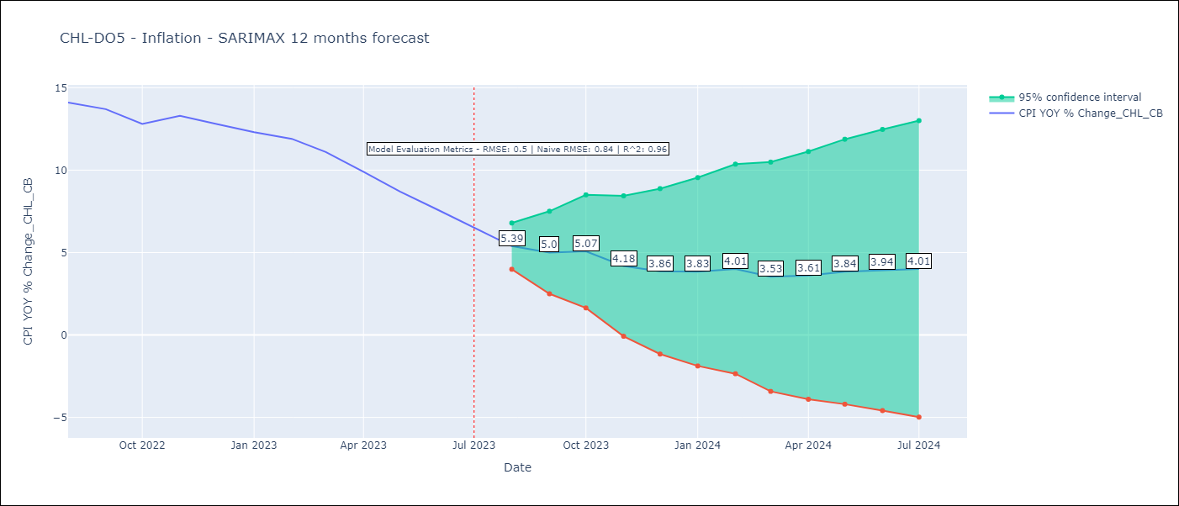

Test Metrics
RMSE | 0.5
Naive RMSE | 0.84
R^2 | 0.96

Test Predictions
Date | Predicted | Actual
2022-08-01 | 13.5 | 14.1
2022-09-01 | 13.19 | 13.7
2022-10-01 | 12.83 | 12.8
2022-11-01 | 12.61 | 13.3
2022-12-01 | 12.01 | 12.8
2023-01-01 | 11.74 | 12.3
2023-02-01 | 11.79 | 11.9
2023-03-01 | 10.58 | 11.1
2023-04-01 | 9.65 | 9.9
2023-05-01 | 8.86 | 8.7
2023-06-01 | 8.02 | 7.6
2023-07-01 | 7.11 | 6.5

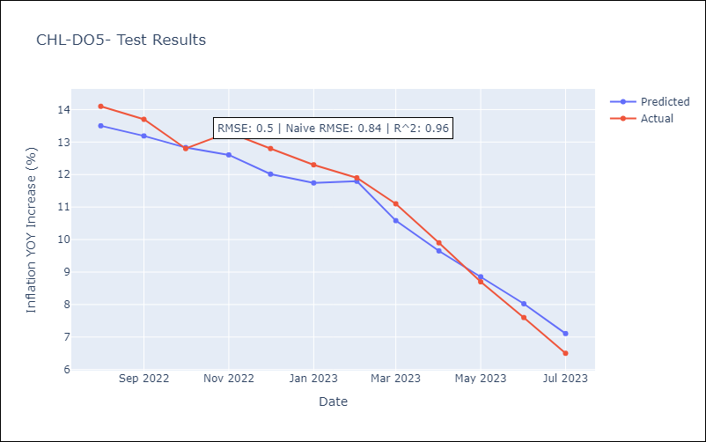

Appendix A: Model Summary
Model | SARIMAX(2, 0, 2)x(0, 0, [1], 12)
Sample | 01-01-1980- 07-01-2023
No. of Observations | 523
Terms | P-value (Statistical significance)
spot exchange rate | 0.111
ar.L1 | 0.000
ar.L2 | 0.000
ma.L1 | 0.004
ma.L2 | 0.004
ma.S.L12 | 0.000
sigma2 | 0.000
Assumptions | P-value | Interpretation
Ljung-Box (L1) | 0.48 | Residuals are independent.
Heteroskedasticity | 0.00 | Residuals have different variances.
Jarque-Bera | 0.00 | Residuals are not normally distributed.
Skew | 1.20 | Positive skew - model underestimates the mean.
Kurtosis | 14.09 | Residuals contain more extreme outliers than in a normal distribution.

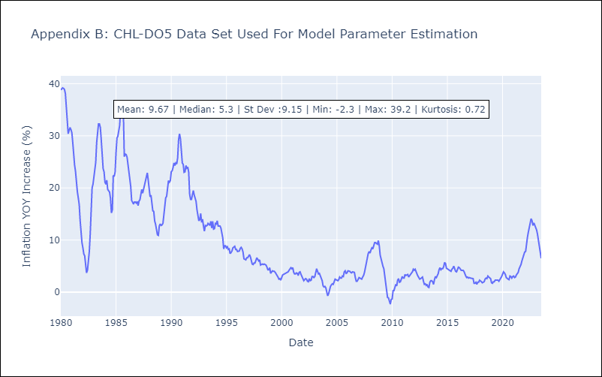

Appendix C: Residuals Analysis
Mean | 0.03
Variance | 4.83
White Noise? | No - Correlation at Lags [ 1 2 3 4 5 6 7 8 9 10 11 12]
Heteroskedastic? - ARCH | Yes
Normal? | No

