BOL_new_exog
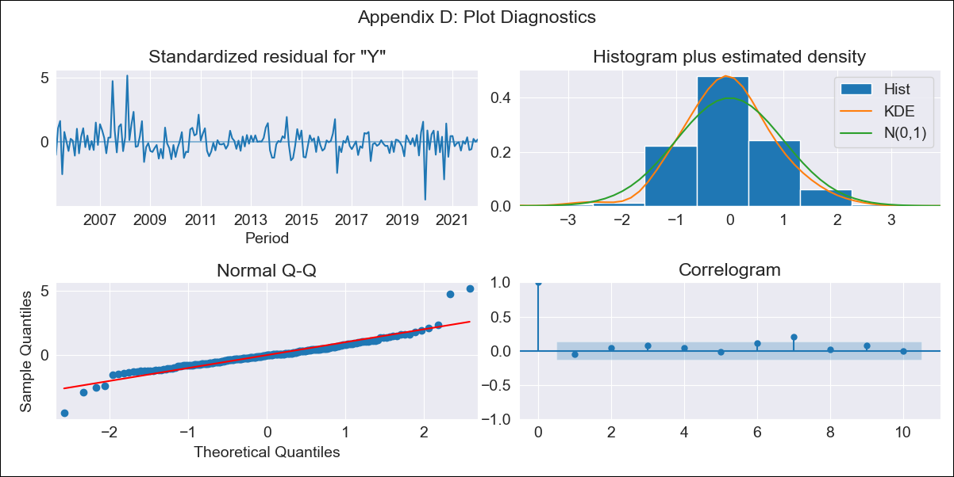

BOL_new_exog - Inflation - Next 12 months forecast as of: 2022-01-01

Model | SARIMAX - [(2, 0, 0), (2, 0, 1, 12)] | Exogenous Variables | Exchange rates (nominal), Monetary Policiy rate, M1 money supply ($mm local currency)
Training Data | 2003-02-01 to 2021-02-01
Test Data | 2021-02-01 to 2022-01-01

Date | Inflation Change YoY % | Lower Bound - 95% Confidence Interval | Upper Bound - 95% Confidence Interval
2022-02-01 | 0.69 | -0.3 | 1.69
2022-03-01 | 0.79 | -0.91 | 2.49
2022-04-01 | 0.91 | -1.37 | 3.19
2022-05-01 | 1.29 | -1.48 | 4.06
2022-06-01 | 1.4 | -1.79 | 4.6
2022-07-01 | 1.48 | -2.09 | 5.05
2022-08-01 | 1.4 | -2.51 | 5.31
2022-09-01 | 1.51 | -2.71 | 5.73
2022-10-01 | 1.94 | -2.57 | 6.45
2022-11-01 | 2.19 | -2.58 | 6.97
2022-12-01 | 1.67 | -3.36 | 6.69
2023-01-01 | 1.5 | -3.77 | 6.76

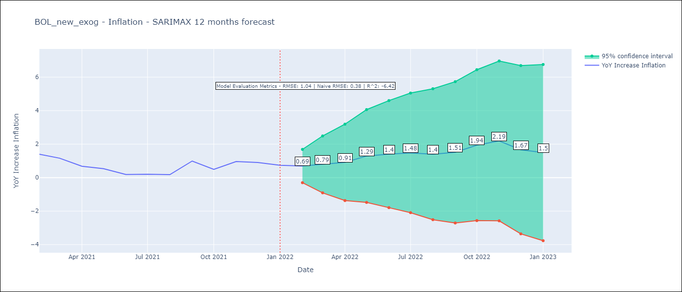

Test Metrics
RMSE | 1.04
Naive RMSE | 0.38
R^2 | -6.42

Test Predictions
Date | Predicted | Actual
2021-02-01 | 1.58 | 1.4
2021-03-01 | 1.46 | 1.16
2021-04-01 | 1.02 | 0.68
2021-05-01 | 1.28 | 0.54
2021-06-01 | 1.04 | 0.19
2021-07-01 | 1.16 | 0.2
2021-08-01 | 0.99 | 0.18
2021-09-01 | 2.08 | 0.99
2021-10-01 | 1.98 | 0.49
2021-11-01 | 2.51 | 0.96
2021-12-01 | 2.38 | 0.9
2022-01-01 | 2.12 | 0.74

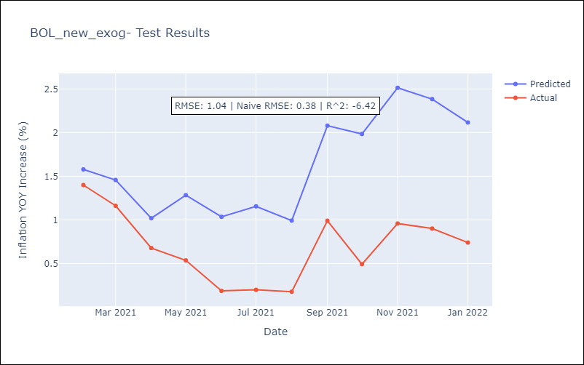

Appendix A: Model Summary
Model | SARIMAX(2, 0, 0)x(2, 0, [1], 12)
Sample | 02-01-2003- 01-01-2022
No. of Observations | 228
Terms | P-value (Statistical significance)
Exchange rates (nominal) | 0.546
Monetary Policiy rate | 0.810
M1 money supply ($mm local currency) | 0.664
ar.L1 | 0.000
ar.L2 | 0.000
ar.S.L12 | 0.002
ar.S.L24 | 0.000
ma.S.L12 | 0.000
sigma2 | 0.000
Assumptions | P-value | Interpretation
Ljung-Box (L1) | 0.48 | Residuals are independent.
Heteroskedasticity | 0.00 | Residuals have different variances.
Jarque-Bera | 0.00 | Residuals are not normally distributed.
Skew | 0.68 | Positive skew - model underestimates the mean.
Kurtosis | 9.56 | Residuals contain more extreme outliers than in a normal distribution.

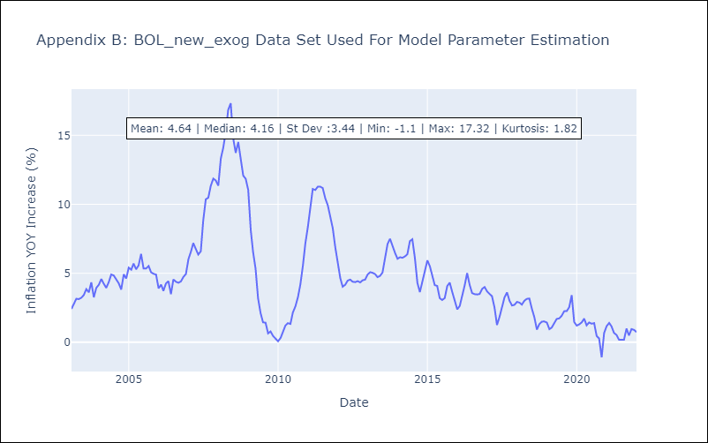

Appendix C: Residuals Analysis
Mean | 0.02
Variance | 0.3
White Noise? | No - Correlation at Lags [7]
Heteroskedastic? - ARCH | Yes
Normal? | No

