peru913_1
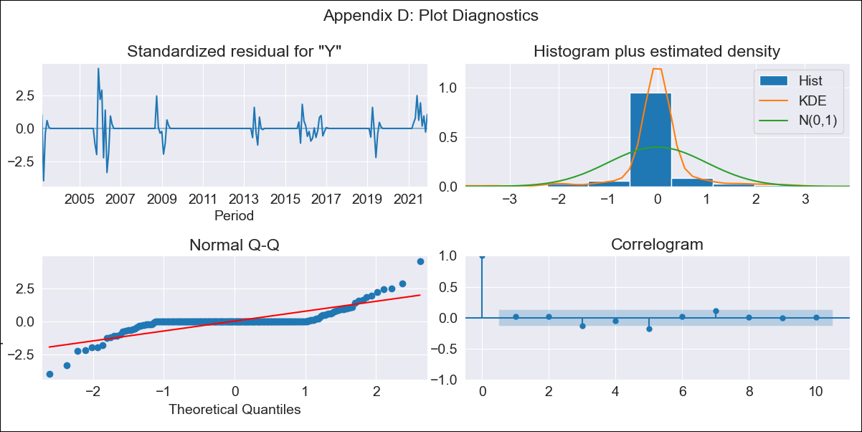
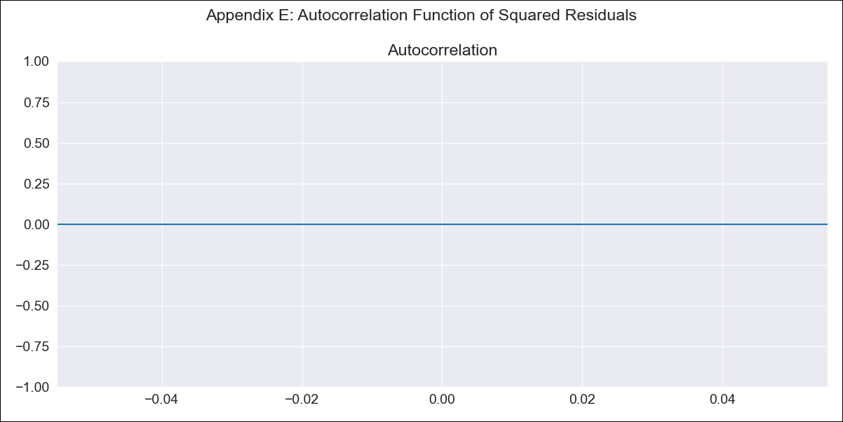
peru913_1 - Inflation - Next 12 months forecast as of: 2021-12-01

Model | ARIMA - [(2, 1, 0), (0, 0, 0, 12)]
Training Data | 2002-12-01 to 2019-05-01
Test Data | 2019-05-01 to 2021-12-01

Date | Inflation Change YoY % | Lower Bound - 95% Confidence Interval | Upper Bound - 95% Confidence Interval
2022-01-01 | 1.97 | 1.8 | 2.14
2022-02-01 | 2 | 1.73 | 2.26
2022-03-01 | 2 | 1.64 | 2.37
2022-04-01 | 2.01 | 1.57 | 2.45
2022-05-01 | 2.01 | 1.5 | 2.52
2022-06-01 | 2.01 | 1.43 | 2.59
2022-07-01 | 2.01 | 1.38 | 2.65
2022-08-01 | 2.01 | 1.32 | 2.7
2022-09-01 | 2.01 | 1.27 | 2.75
2022-10-01 | 2.01 | 1.23 | 2.8
2022-11-01 | 2.01 | 1.18 | 2.85
2022-12-01 | 2.01 | 1.14 | 2.89

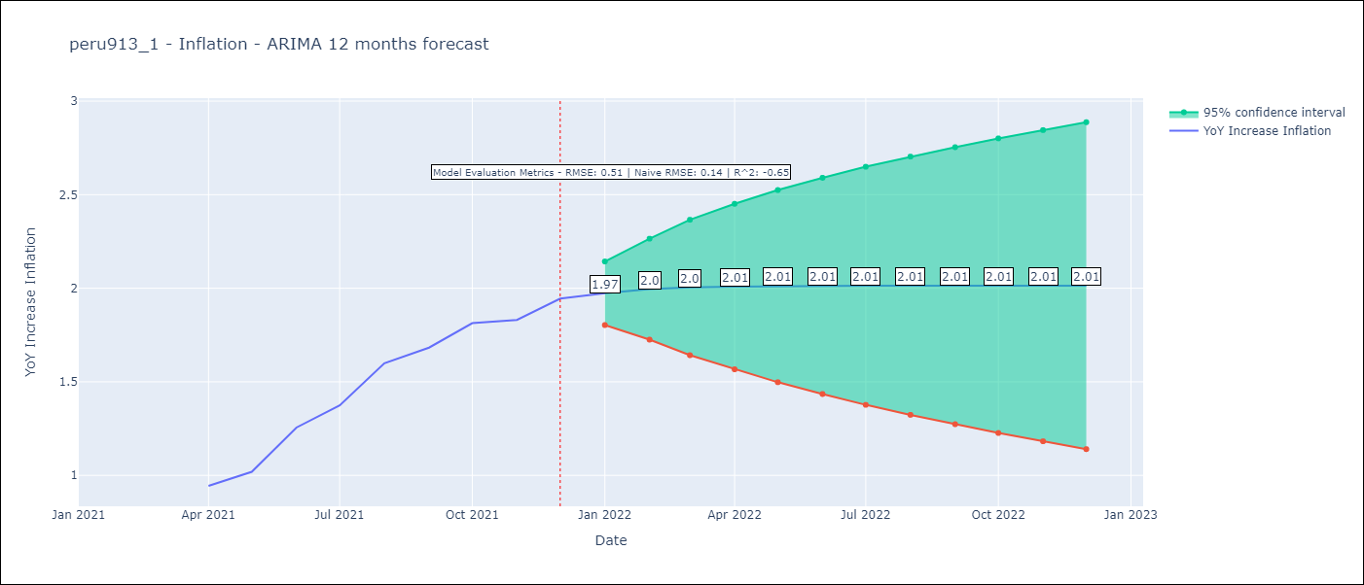

Test Metrics
RMSE | 0.51
Naive RMSE | 0.14
R^2 | -0.65

Test Predictions
Date | Predicted | Actual
2019-05-01 | 1.03 | 1.03
2019-06-01 | 1.03 | 0.86
2019-07-01 | 1.02 | 0.79
2021-04-01 | 1.02 | 0.94
2021-05-01 | 1.02 | 1.02
2021-06-01 | 1.02 | 1.26
2021-07-01 | 1.02 | 1.37
2021-08-01 | 1.02 | 1.6
2021-09-01 | 1.02 | 1.68
2021-10-01 | 1.02 | 1.81
2021-11-01 | 1.02 | 1.83
2021-12-01 | 1.02 | 1.94

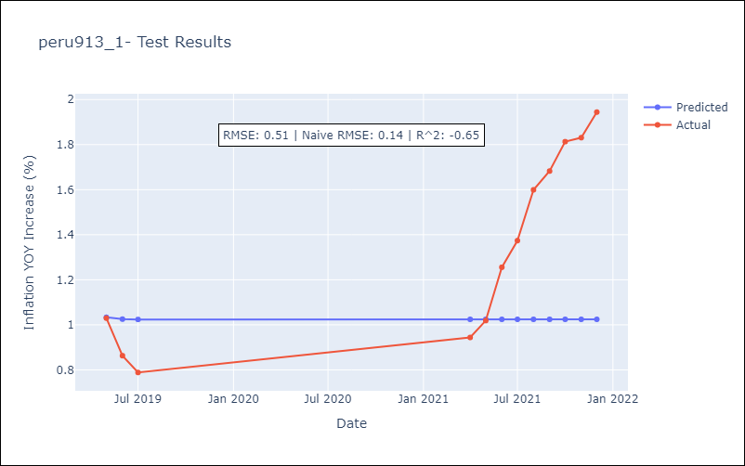

Appendix A: Model Summary
Model | ARIMA(2, 1, 0)
Sample | 12-01-2002- 12-01-2021
No. of Observations | 229
Terms | P-value (Statistical significance)
ar.L1 | 0.000
ar.L2 | 0.013
sigma2 | 0.000
Assumptions | P-value | Interpretation
Ljung-Box (L1) | 0.83 | Residuals are independent.
Heteroskedasticity | 0.00 | Residuals have different variances.
Jarque-Bera | 0.00 | Residuals are not normally distributed.
Skew | 0.32 | Positive skew - model underestimates the mean.
Kurtosis | 15.57 | Residuals contain more extreme outliers than in a normal distribution.

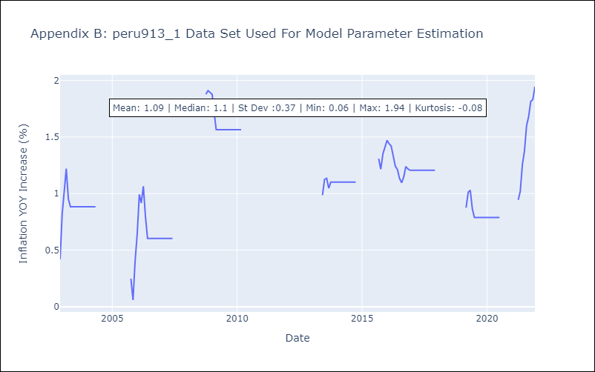

Appendix C: Residuals Analysis
Mean | 0.01
Variance | 0.03
White Noise? | Yes
Heteroskedastic? - ARCH | No
Normal? | Yes

