PER3
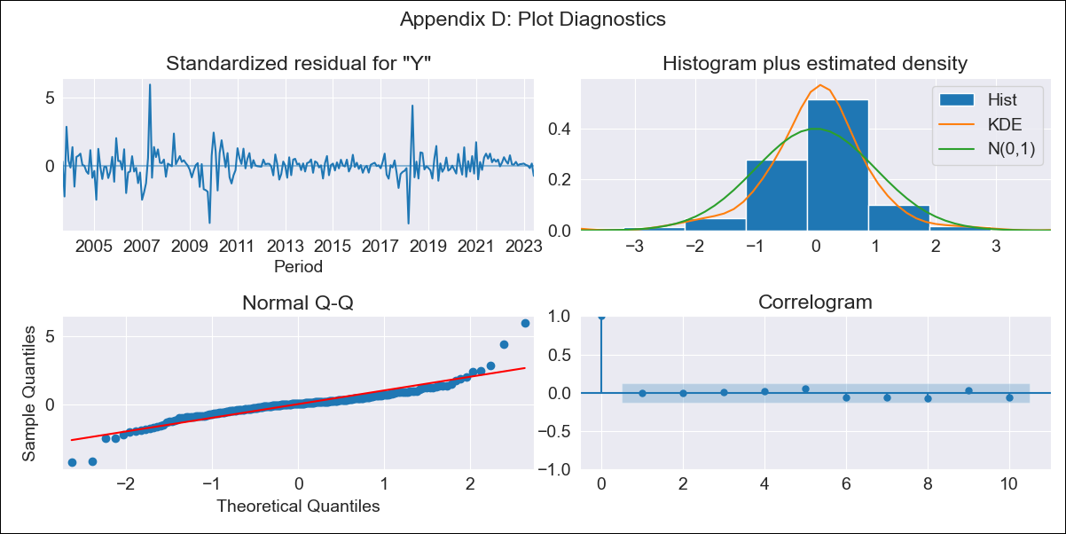

PER3 - Inflation - Next 12 months forecast as of: 2023-06-01

Model | ARIMA - [(1, 1, 3), (0, 0, 1, 12)]
Training Data | 2002-04-01 to 2022-07-01
Test Data | 2022-07-01 to 2023-06-01

Date | Inflation Change YoY % | Lower Bound - 95% Confidence Interval | Upper Bound - 95% Confidence Interval
2023-07-01 | 1.83 | 1.47 | 2.18
2023-08-01 | 1.8 | 1.17 | 2.43
2023-09-01 | 1.81 | 0.98 | 2.64
2023-10-01 | 1.81 | 0.85 | 2.77
2023-11-01 | 1.81 | 0.74 | 2.87
2023-12-01 | 1.8 | 0.64 | 2.95
2024-01-01 | 1.78 | 0.55 | 3.02
2024-02-01 | 1.77 | 0.46 | 3.09
2024-03-01 | 1.77 | 0.39 | 3.16
2024-04-01 | 1.78 | 0.33 | 3.24
2024-05-01 | 1.78 | 0.26 | 3.3
2024-06-01 | 1.82 | 0.25 | 3.4

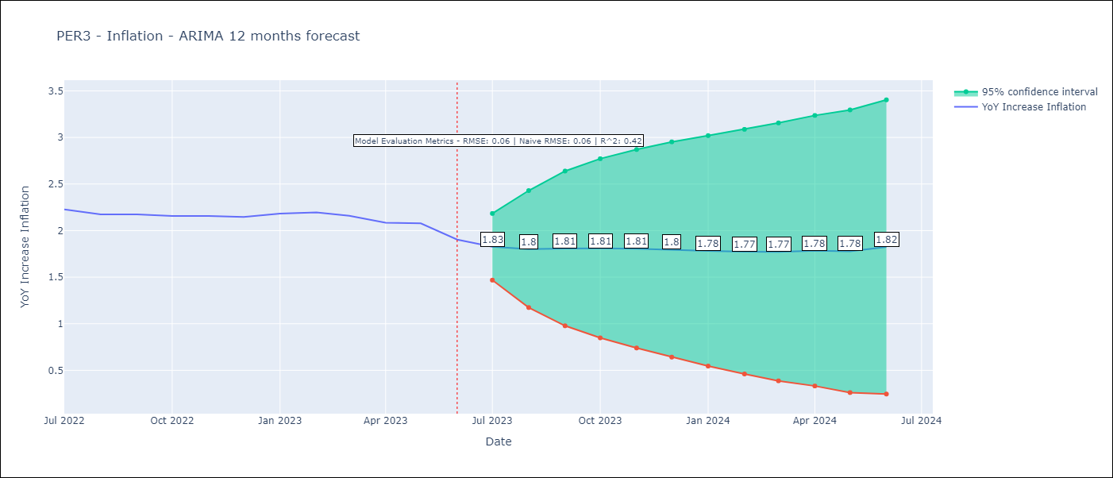

Test Metrics
RMSE | 0.06
Naive RMSE | 0.06
R^2 | 0.42

Test Predictions
Date | Predicted | Actual
2022-07-01 | 2.23 | 2.23
2022-08-01 | 2.19 | 2.17
2022-09-01 | 2.15 | 2.17
2022-10-01 | 2.13 | 2.16
2022-11-01 | 2.12 | 2.16
2022-12-01 | 2.1 | 2.15
2023-01-01 | 2.1 | 2.18
2023-02-01 | 2.09 | 2.2
2023-03-01 | 2.07 | 2.16
2023-04-01 | 2.04 | 2.08
2023-05-01 | 2.03 | 2.08
2023-06-01 | 2 | 1.9

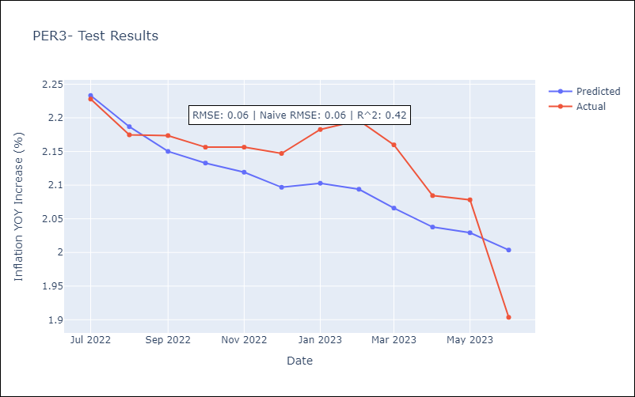

Appendix A: Model Summary
Model | ARIMA(1, 1, 3)x(0, 0, [1], 12)
Sample | 04-01-2002- 06-01-2023 |  | 2002-04-01
No. of Observations | 255 |  | 2023-06-01
Terms | P-value (Statistical significance) |  | 7731
ar.L1 | 0.108 |  | 257.7
ma.L1 | 0.993
ma.L2 | 0.322
ma.L3 | 0.001
ma.S.L12 | 0.000
sigma2 | 0.000
Assumptions | P-value | Interpretation
Ljung-Box (L1) | 0.98 | Residuals are independent.
Heteroskedasticity | 0.00 | Residuals have different variances.
Jarque-Bera | 0.00 | Residuals are not normally distributed.
Skew | 0.53 | Positive skew - model underestimates the mean.
Kurtosis | 11.26 | Residuals contain more extreme outliers than in a normal distribution.

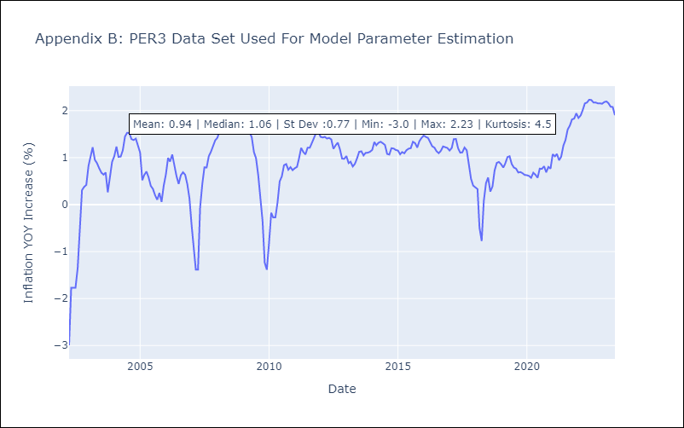

Appendix C: Residuals Analysis
Mean | 0.0
Variance | 0.09
White Noise? | No - Correlation at Lags [ 1 2 3 4 5 6 7 8 9 10 11 12]
Heteroskedastic? - ARCH | No
Normal? | No

