PER4
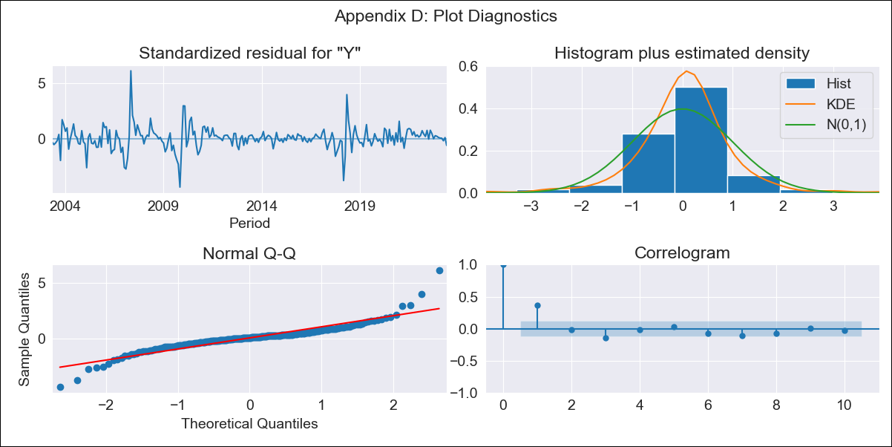

PER4 - Inflation - Next 12 months forecast as of: 2023-06-01

Model | SARIMAX - [(1, 0, 0), (0, 0, 1, 12)] | Exogenous Variables | Exchange rates (nominal), Monetary Policiy rate, M1 money supply ($mm local currency)
Training Data | 2002-04-01 to 2022-07-01
Test Data | 2022-07-01 to 2023-06-01

Date | Inflation Change YoY % | Lower Bound - 95% Confidence Interval | Upper Bound - 95% Confidence Interval
2023-07-01 | 1.84 | 1.45 | 2.23
2023-08-01 | 1.84 | 1.29 | 2.39
2023-09-01 | 1.83 | 1.16 | 2.5
2023-10-01 | 1.82 | 1.04 | 2.59
2023-11-01 | 1.82 | 0.96 | 2.68
2023-12-01 | 1.81 | 0.86 | 2.75
2024-01-01 | 1.8 | 0.79 | 2.82
2024-02-01 | 1.79 | 0.71 | 2.88
2024-03-01 | 1.79 | 0.64 | 2.94
2024-04-01 | 1.79 | 0.58 | 3
2024-05-01 | 1.78 | 0.52 | 3.05
2024-06-01 | 1.82 | 0.5 | 3.14

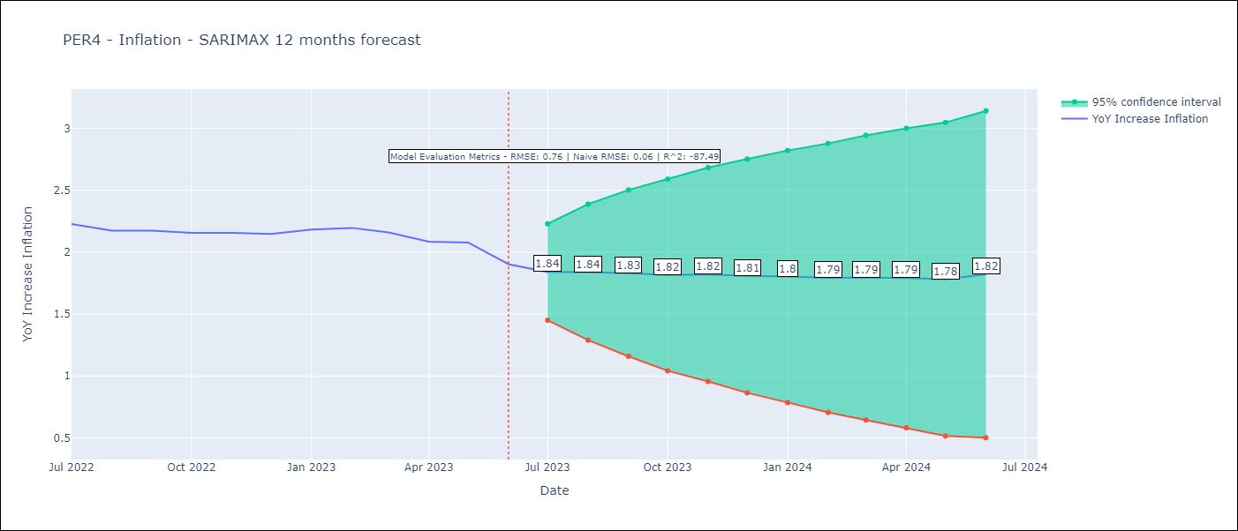

Test Metrics
RMSE | 0.76
Naive RMSE | 0.06
R^2 | -87.49

Test Predictions
Date | Predicted | Actual
2022-07-01 | 2.29 | 2.23
2022-08-01 | 2.31 | 2.17
2022-09-01 | 2.4 | 2.17
2022-10-01 | 2.51 | 2.16
2022-11-01 | 2.61 | 2.16
2022-12-01 | 2.69 | 2.15
2023-01-01 | 2.84 | 2.18
2023-02-01 | 2.97 | 2.2
2023-03-01 | 3.07 | 2.16
2023-04-01 | 3.13 | 2.08
2023-05-01 | 3.23 | 2.08
2023-06-01 | 3.31 | 1.9

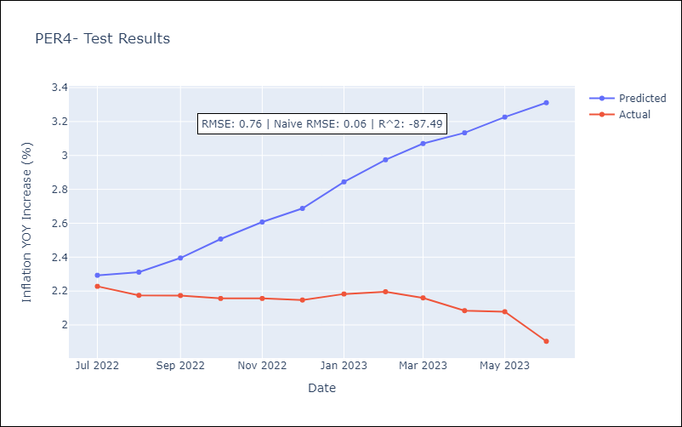

Appendix A: Model Summary
Model | SARIMAX(1, 0, 0)x(0, 0, [1], 12)
Sample | 04-01-2002- 06-01-2023
No. of Observations | 255
Terms | P-value (Statistical significance)
Exchange rates (nominal) | 0.221
Monetary Policiy rate | 0.711
M1 money supply ($mm local currency) | 0.278
ar.L1 | 0.000
ma.S.L12 | 0.000
sigma2 | 0.000
Assumptions | P-value | Interpretation
Ljung-Box (L1) | 0.00 | Residuals are not independent.
Heteroskedasticity | 0.00 | Residuals have different variances.
Jarque-Bera | 0.00 | Residuals are not normally distributed.
Skew | 0.52 | Positive skew - model underestimates the mean.
Kurtosis | 11.27 | Residuals contain more extreme outliers than in a normal distribution.

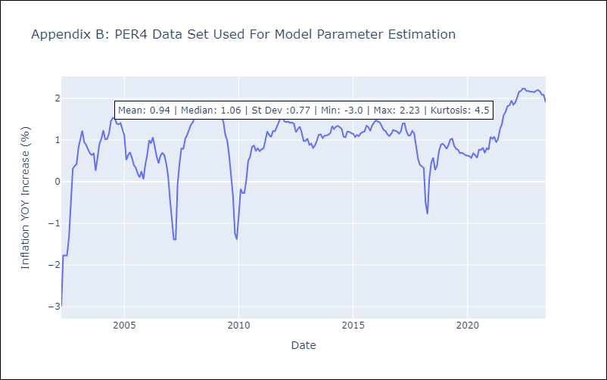

Appendix C: Residuals Analysis
Mean | 0.01
Variance | 0.08
White Noise? | Yes
Heteroskedastic? - ARCH | Yes
Normal? | No

