newbr
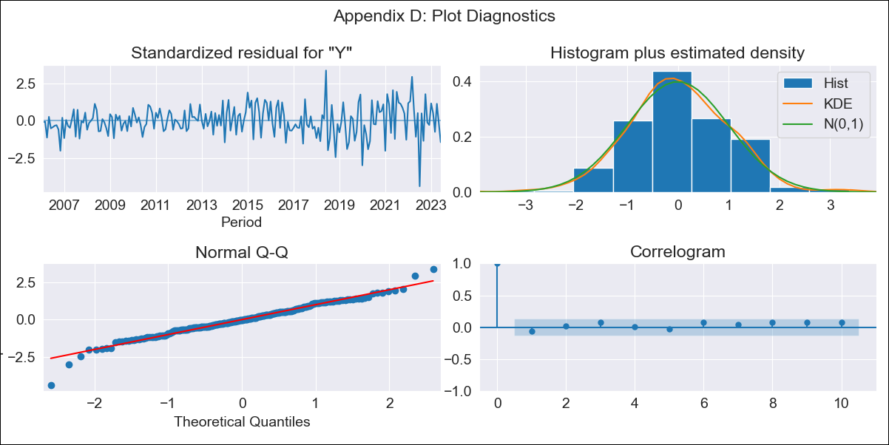

newbr - Inflation - Next 12 months forecast as of: 2023-06-01

Model | ARIMA - [(2, 0, 0), (3, 0, 0, 12)]
Training Data | 2002-12-01 to 2022-07-01
Test Data | 2022-07-01 to 2023-06-01

Date | Inflation Change YoY % | Lower Bound - 95% Confidence Interval | Upper Bound - 95% Confidence Interval
2023-07-01 | 3.71 | 3.12 | 4.31
2023-08-01 | 4 | 2.88 | 5.13
2023-09-01 | 4.42 | 2.8 | 6.05
2023-10-01 | 4.34 | 2.28 | 6.41
2023-11-01 | 4.49 | 2.03 | 6.95
2023-12-01 | 4.79 | 1.99 | 7.59
2024-01-01 | 4.54 | 1.44 | 7.64
2024-02-01 | 4.34 | 0.97 | 7.7
2024-03-01 | 4.29 | 0.69 | 7.88
2024-04-01 | 3.94 | 0.14 | 7.73
2024-05-01 | 3.93 | -0.04 | 7.9
2024-06-01 | 4.26 | 0.13 | 8.39

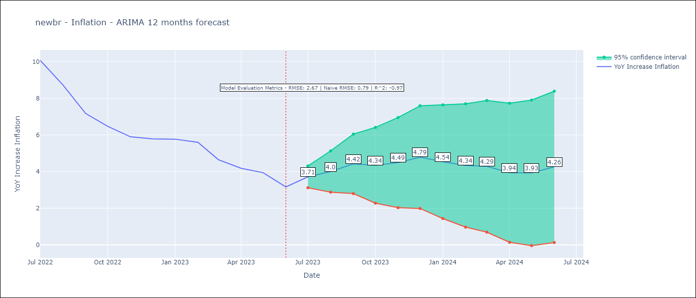

Test Metrics
RMSE | 2.67
Naive RMSE | 0.79
R^2 | -0.97

Test Predictions
Date | Predicted | Actual
2022-07-01 | 11.5 | 10.07
2022-08-01 | 10.94 | 8.73
2022-09-01 | 10.26 | 7.17
2022-10-01 | 9.57 | 6.47
2022-11-01 | 9.08 | 5.9
2022-12-01 | 9.1 | 5.79
2023-01-01 | 8.76 | 5.77
2023-02-01 | 8.23 | 5.6
2023-03-01 | 7.28 | 4.65
2023-04-01 | 6.44 | 4.18
2023-05-01 | 6.03 | 3.94
2023-06-01 | 5.6 | 3.16

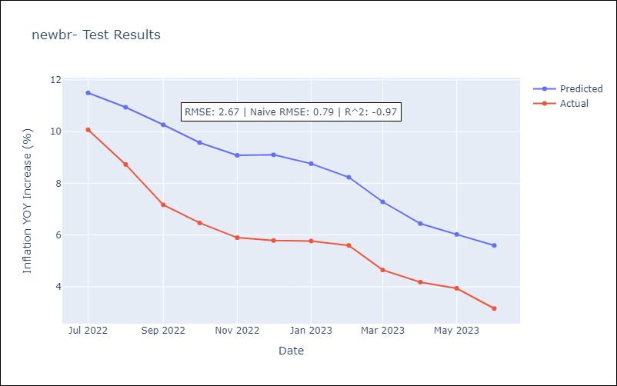

Appendix A: Model Summary
Model | ARIMA(2, 0, 0)x(3, 0, 0, 12)
Sample | 12-01-2002- 06-01-2023
No. of Observations | 247
Terms | P-value (Statistical significance)
const | 0.000
ar.L1 | 0.000
ar.L2 | 0.000
ar.S.L12 | 0.000
ar.S.L24 | 0.000
ar.S.L36 | 0.000
sigma2 | 0.000
Assumptions | P-value | Interpretation
Ljung-Box (L1) | 0.33 | Residuals are independent.
Heteroskedasticity | 0.00 | Residuals have different variances.
Jarque-Bera | 0.00 | Residuals are not normally distributed.
Skew | -0.25 | Negative skew - Model overestimates the mean.
Kurtosis | 4.72 | Residuals contain more extreme outliers than in a normal distribution.

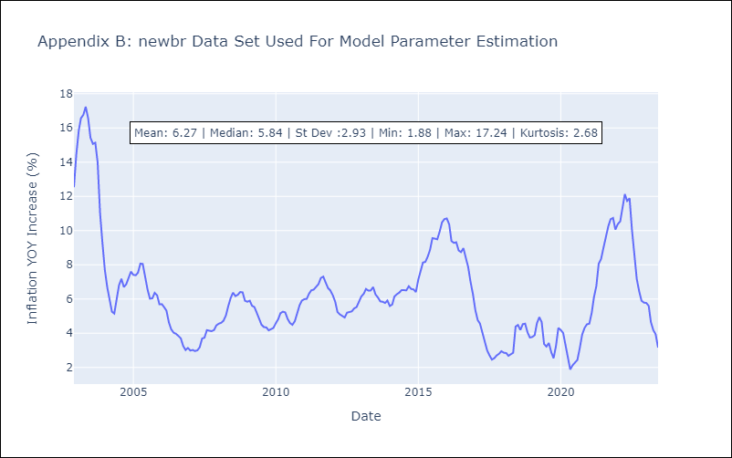

Appendix C: Residuals Analysis
Mean | 0.02
Variance | 0.55
White Noise? | No - Correlation at Lags [ 1 2 3 4 5 6 7 8 9 10 11 12]
Heteroskedastic? - ARCH | Yes
Normal? | No

