newbr
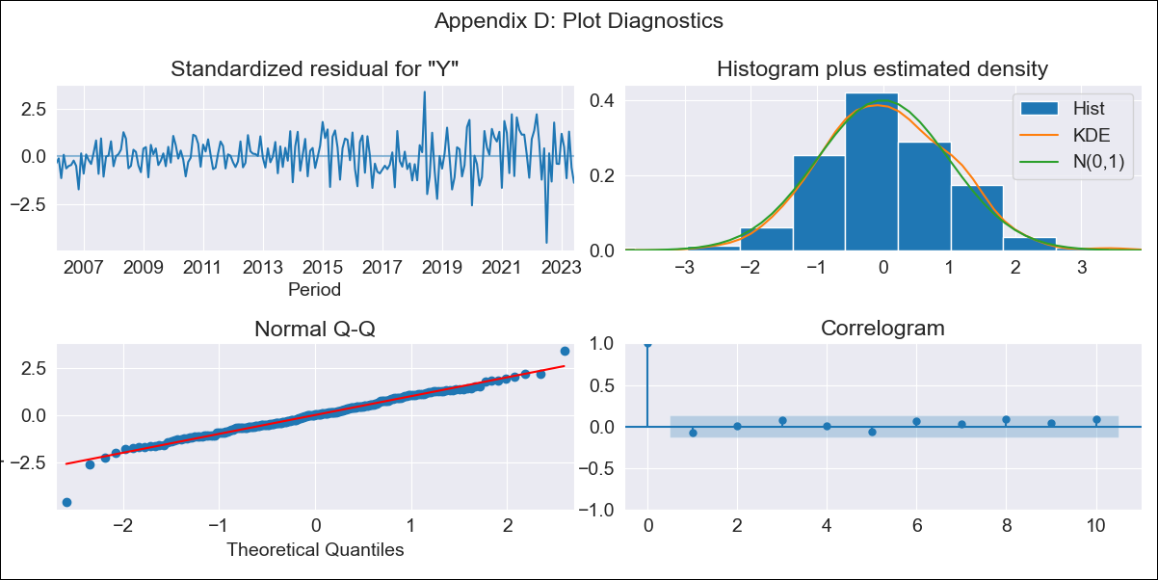
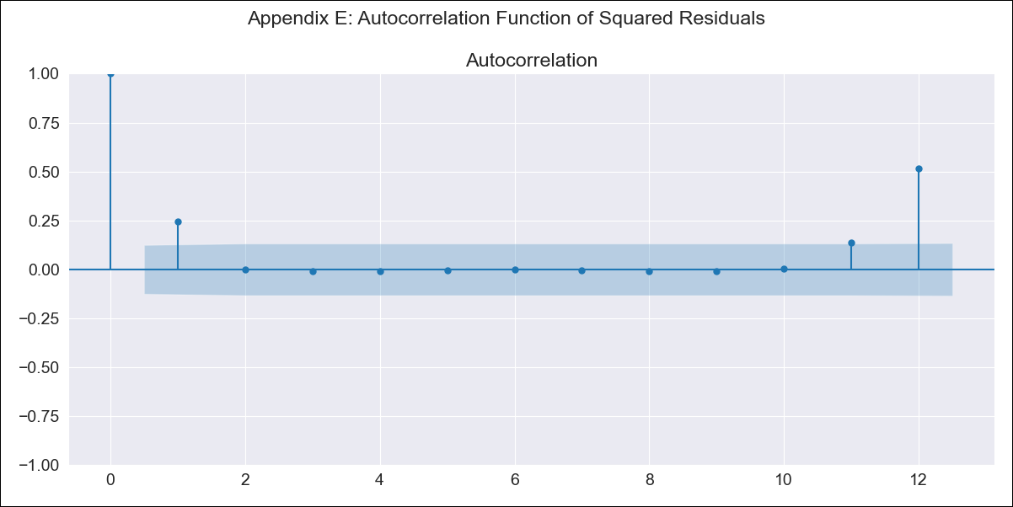
newbr - Inflation - Next 12 months forecast as of: 2023-06-01

Model | SARIMAX - [(2, 0, 0), (3, 0, 0, 12)] | Exogenous Variables | Exchange rates (nominal), Monetary Policiy rate, M1 money supply ($mm local currency)
Training Data | 2002-12-01 to 2022-07-01
Test Data | 2022-07-01 to 2023-06-01

Date | Inflation Change YoY % | Lower Bound - 95% Confidence Interval | Upper Bound - 95% Confidence Interval
2023-07-01 | 3.79 | 3.19 | 4.39
2023-08-01 | 4.16 | 3.01 | 5.31
2023-09-01 | 4.69 | 3.01 | 6.37
2023-10-01 | 4.69 | 2.52 | 6.87
2023-11-01 | 4.89 | 2.26 | 7.53
2023-12-01 | 5.19 | 2.14 | 8.24
2024-01-01 | 4.97 | 1.54 | 8.41
2024-02-01 | 4.79 | 1 | 8.58
2024-03-01 | 4.9 | 0.78 | 9.02
2024-04-01 | 4.62 | 0.19 | 9.05
2024-05-01 | 4.7 | -0.01 | 9.42
2024-06-01 | 5.1 | 0.11 | 10.09

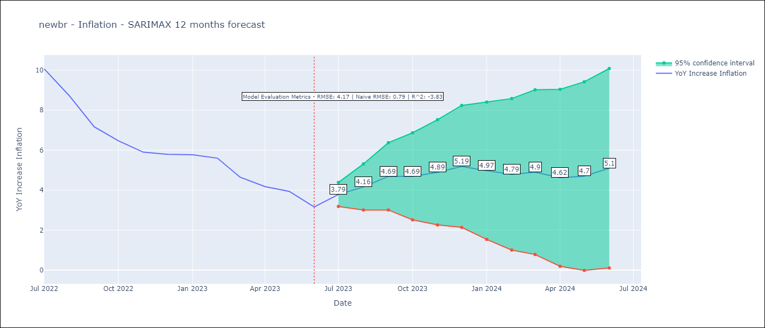

Test Metrics
RMSE | 4.17
Naive RMSE | 0.79
R^2 | -3.83

Test Predictions
Date | Predicted | Actual
2022-07-01 | 11.73 | 10.07
2022-08-01 | 11.33 | 8.73
2022-09-01 | 10.93 | 7.17
2022-10-01 | 10.43 | 6.47
2022-11-01 | 10.25 | 5.9
2022-12-01 | 10.47 | 5.79
2023-01-01 | 10.4 | 5.77
2023-02-01 | 10.04 | 5.6
2023-03-01 | 9.36 | 4.65
2023-04-01 | 8.67 | 4.18
2023-05-01 | 8.47 | 3.94
2023-06-01 | 8.15 | 3.16

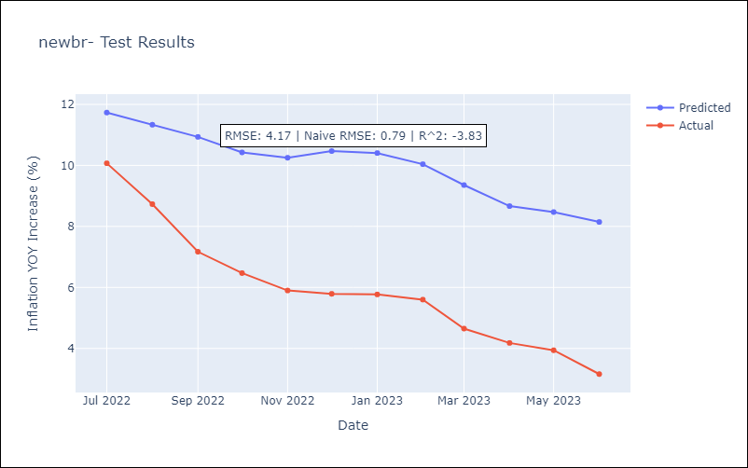

Appendix A: Model Summary
Model | SARIMAX(2, 0, 0)x(3, 0, 0, 12)
Sample | 12-01-2002- 06-01-2023
No. of Observations | 247
Terms | P-value (Statistical significance)
Exchange rates (nominal) | 0.309
Monetary Policiy rate | 0.161
M1 money supply ($mm local currency) | 0.910
ar.L1 | 0.000
ar.L2 | 0.000
ar.S.L12 | 0.000
ar.S.L24 | 0.000
ar.S.L36 | 0.000
sigma2 | 0.000
Assumptions | P-value | Interpretation
Ljung-Box (L1) | 0.30 | Residuals are independent.
Heteroskedasticity | 0.00 | Residuals have different variances.
Jarque-Bera | 0.00 | Residuals are not normally distributed.
Skew | -0.28 | Negative skew - Model overestimates the mean.
Kurtosis | 4.70 | Residuals contain more extreme outliers than in a normal distribution.

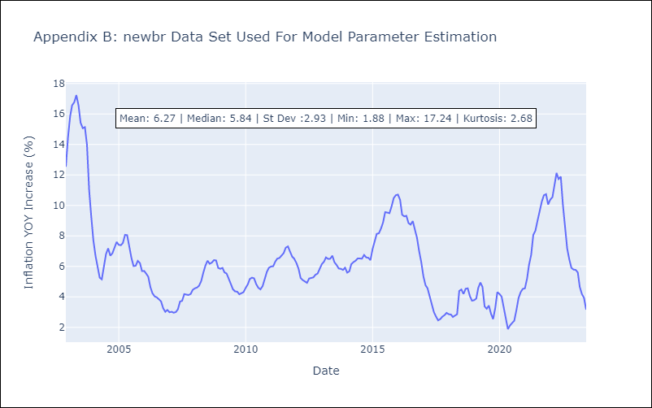

Appendix C: Residuals Analysis
Mean | 0.04
Variance | 1.73
White Noise? | No - Correlation at Lags [ 1 2 3 4 5 6 7 8 9 10 11 12]
Heteroskedastic? - ARCH | Yes
Normal? | No

