BOL_new_exog
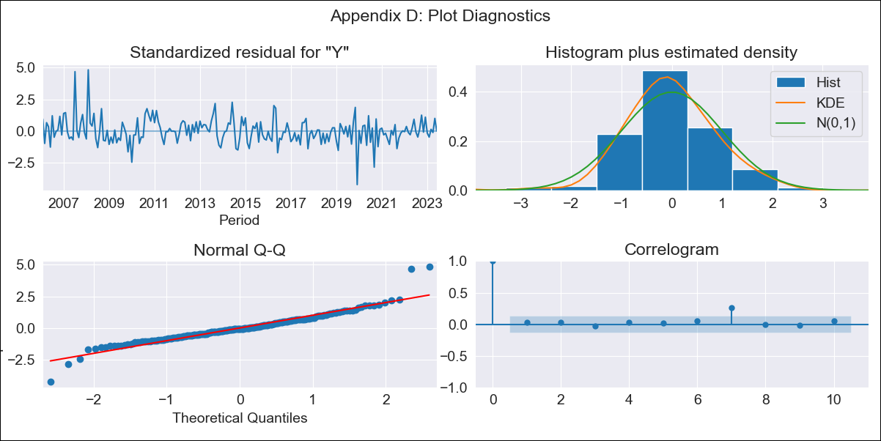

BOL_new_exog - Inflation - Next 12 months forecast as of: 2023-06-01

Model | SARIMAX - [(2, 0, 0), (2, 0, 1, 12)] | Exogenous Variables | Exchange rates (nominal), Monetary Policiy rate, M1 money supply ($mm local currency)
Training Data | 2003-12-01 to 2022-07-01
Test Data | 2022-07-01 to 2023-06-01

Date | Inflation Change YoY % | Lower Bound - 95% Confidence Interval | Upper Bound - 95% Confidence Interval
2023-07-01 | 2.67 | 1.76 | 3.59
2023-08-01 | 2.95 | 1.55 | 4.36
2023-09-01 | 2.68 | 0.89 | 4.46
2023-10-01 | 2.17 | 0.08 | 4.27
2023-11-01 | 1.9 | -0.46 | 4.27
2023-12-01 | 1.69 | -0.91 | 4.3
2024-01-01 | 1.71 | -1.11 | 4.53
2024-02-01 | 1.98 | -1.05 | 5
2024-03-01 | 1.93 | -1.28 | 5.14
2024-04-01 | 1.89 | -1.5 | 5.27
2024-05-01 | 1.37 | -2.18 | 4.92
2024-06-01 | 1.26 | -2.45 | 4.97

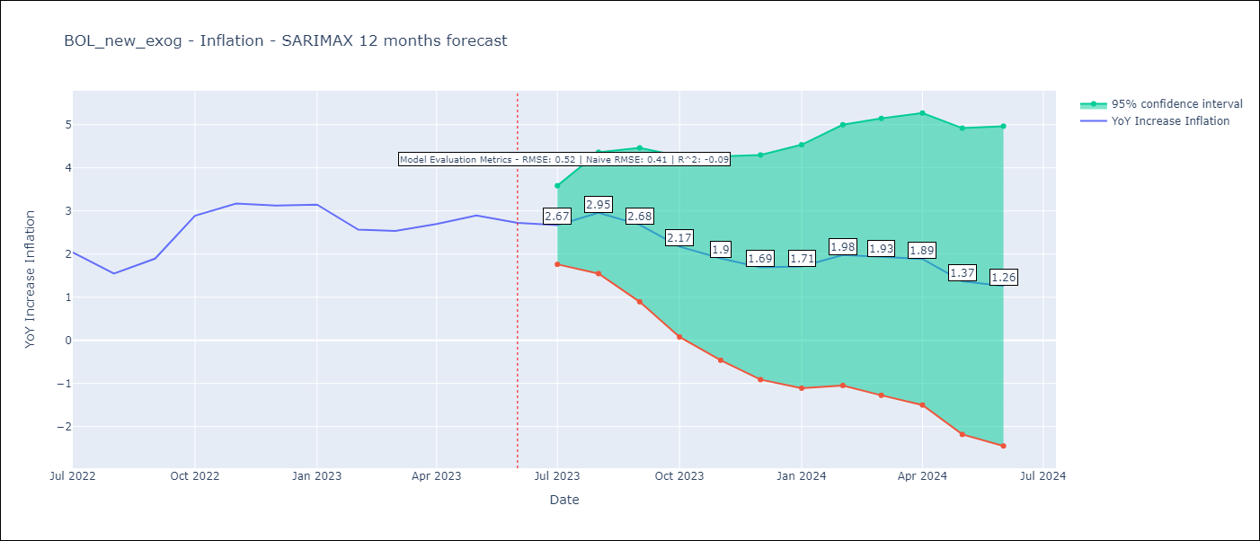

Test Metrics
RMSE | 0.52
Naive RMSE | 0.41
R^2 | -0.09

Test Predictions
Date | Predicted | Actual
2022-07-01 | 1.92 | 2.04
2022-08-01 | 1.71 | 1.55
2022-09-01 | 2.1 | 1.89
2022-10-01 | 2.5 | 2.89
2022-11-01 | 2.81 | 3.17
2022-12-01 | 2.35 | 3.12
2023-01-01 | 2.33 | 3.14
2023-02-01 | 2.11 | 2.57
2023-03-01 | 2.16 | 2.53
2023-04-01 | 2.33 | 2.7
2023-05-01 | 2.18 | 2.9
2023-06-01 | 1.9 | 2.73

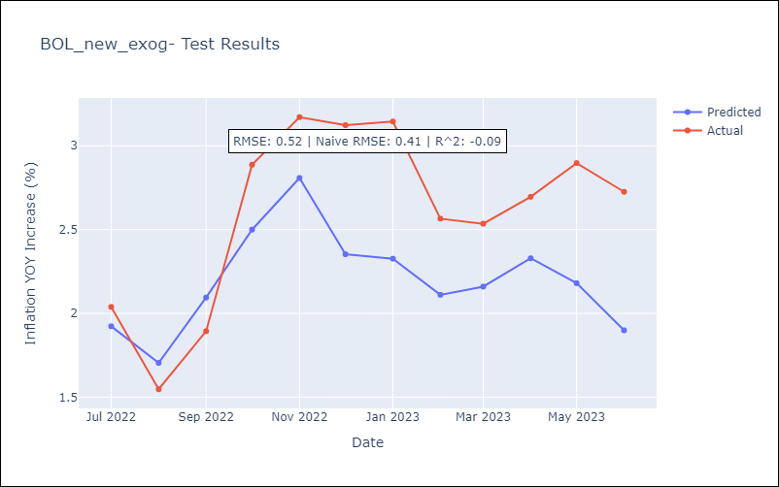

Appendix A: Model Summary
Model | SARIMAX(2, 0, 0)x(2, 0, [1], 12)
Sample | 12-01-2003- 06-01-2023
No. of Observations | 235
Terms | P-value (Statistical significance)
Exchange rates (nominal) | 0.000
Monetary Policiy rate | 0.117
M1 money supply ($mm local currency) | 0.028
ar.L1 | 0.000
ar.L2 | 0.027
ar.S.L12 | 0.001
ar.S.L24 | 0.000
ma.S.L12 | 0.000
sigma2 | 0.000
Assumptions | P-value | Interpretation
Ljung-Box (L1) | 0.64 | Residuals are independent.
Heteroskedasticity | 0.02 | Residuals have different variances.
Jarque-Bera | 0.00 | Residuals are not normally distributed.
Skew | 0.66 | Positive skew - model underestimates the mean.
Kurtosis | 8.01 | Residuals contain more extreme outliers than in a normal distribution.

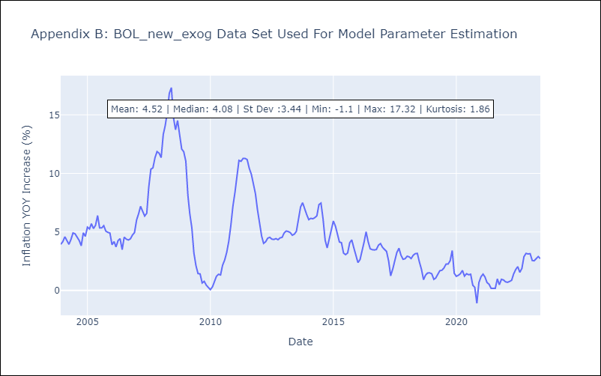

Appendix C: Residuals Analysis
Mean | 0.03
Variance | 0.42
White Noise? | Yes
Heteroskedastic? - ARCH | Yes
Normal? | No

