BRA_0
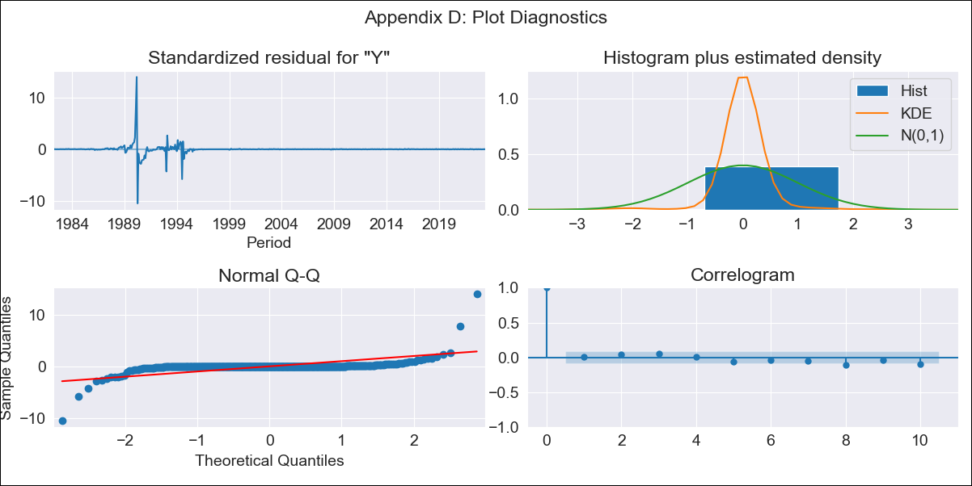
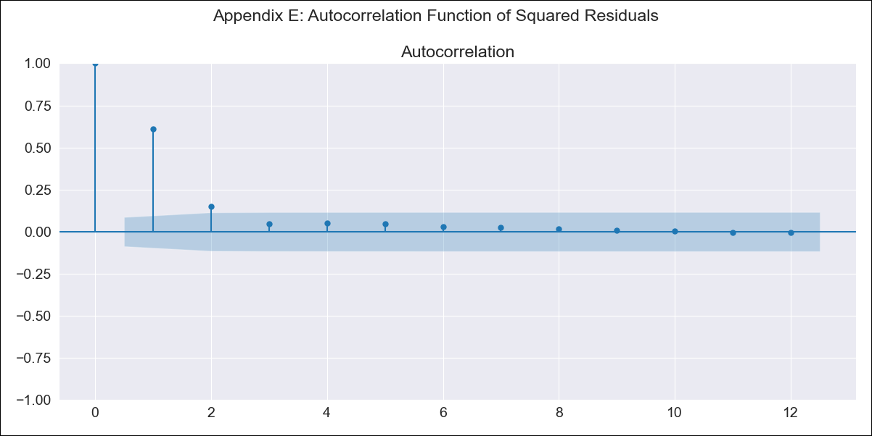
BRA_0 - Inflation - Next 12 months forecast as of: 2023-06-01

Model | SARIMAX - [(0, 1, 2), (0, 0, 1, 12)] | Exogenous Variables | Exchange rates (nominal), Monetary Policiy rate, M1 money supply ($mm local currency)
Training Data | 1980-12-01 to 2022-07-01
Test Data | 2022-07-01 to 2023-06-01

Date | Inflation Change YoY % | Lower Bound - 95% Confidence Interval | Upper Bound - 95% Confidence Interval
2023-07-01 | 3.78 | -246.75 | 254.3
2023-08-01 | 5.38 | -511.47 | 522.22
2023-09-01 | 9.06 | -733.72 | 751.84
2023-10-01 | 12.69 | -901.81 | 927.2
2023-11-01 | 16.52 | -1042.21 | 1075.25
2023-12-01 | 20.21 | -1165.33 | 1205.76
2024-01-01 | 23.84 | -1276.2 | 1323.88
2024-02-01 | 27.62 | -1377.62 | 1432.86
2024-03-01 | 31.09 | -1472.01 | 1534.18
2024-04-01 | 34.23 | -1560.73 | 1629.18
2024-05-01 | 36.71 | -1645.1 | 1718.52
2024-06-01 | 39.02 | -1725.37 | 1803.42

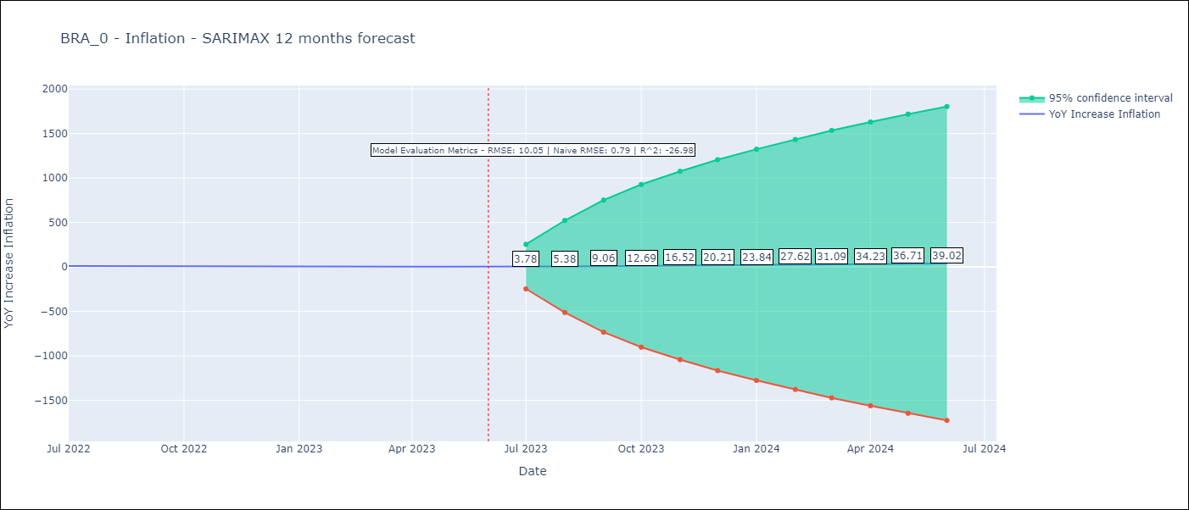

Test Metrics
RMSE | 10.05
Naive RMSE | 0.79
R^2 | -26.98

Test Predictions
Date | Predicted | Actual
2022-07-01 | 12.68 | 10.07
2022-08-01 | 14.35 | 8.73
2022-09-01 | 15.56 | 7.17
2022-10-01 | 16.55 | 6.47
2022-11-01 | 16.94 | 5.9
2022-12-01 | 17.49 | 5.79
2023-01-01 | 17.2 | 5.77
2023-02-01 | 16.69 | 5.6
2023-03-01 | 15.53 | 4.65
2023-04-01 | 14.85 | 4.18
2023-05-01 | 14.82 | 3.94
2023-06-01 | 14.89 | 3.16

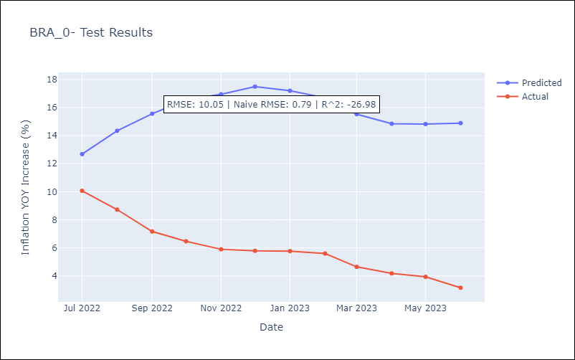

Appendix A: Model Summary
Model | SARIMAX(0, 1, 2)x(0, 0, [1], 12)
Sample | 12-01-1980- 06-01-2023
No. of Observations | 511
Terms | P-value (Statistical significance)
Exchange rates (nominal) | 0.000
Monetary Policiy rate | 0.999
M1 money supply ($mm local currency) | 0.997
ma.L1 | 0.000
ma.L2 | 0.000
ma.S.L12 | 0.211
sigma2 | 0.000
Assumptions | P-value | Interpretation
Ljung-Box (L1) | 0.84 | Residuals are independent.
Heteroskedasticity | 0.00 | Residuals have different variances.
Jarque-Bera | 0.00 | Residuals are not normally distributed.
Skew | 3.49 | Positive skew - model underestimates the mean.
Kurtosis | 112.37 | Residuals contain more extreme outliers than in a normal distribution.

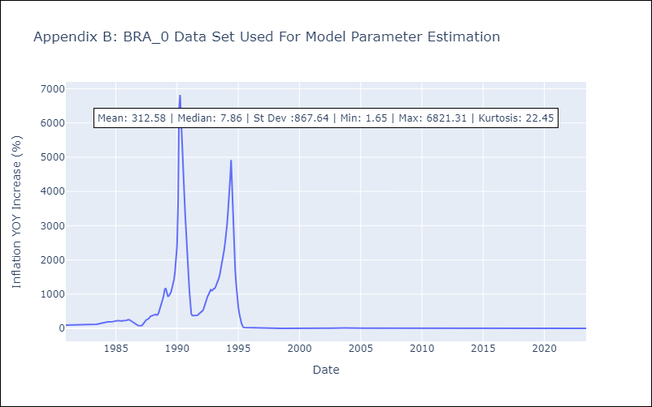

Appendix C: Residuals Analysis
Mean | 0.09
Variance | 15878.1
White Noise? | No - Correlation at Lags [10 11 12]
Heteroskedastic? - ARCH | Yes
Normal? | No

