BRA_0
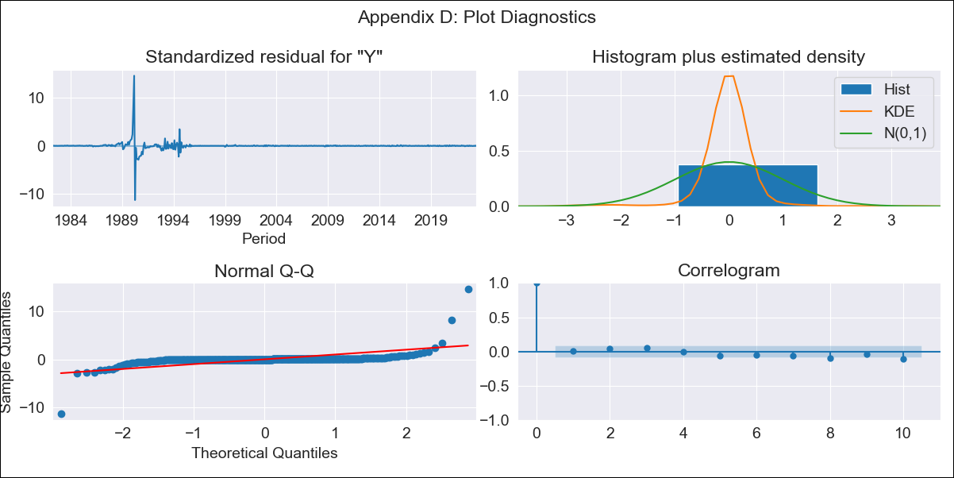
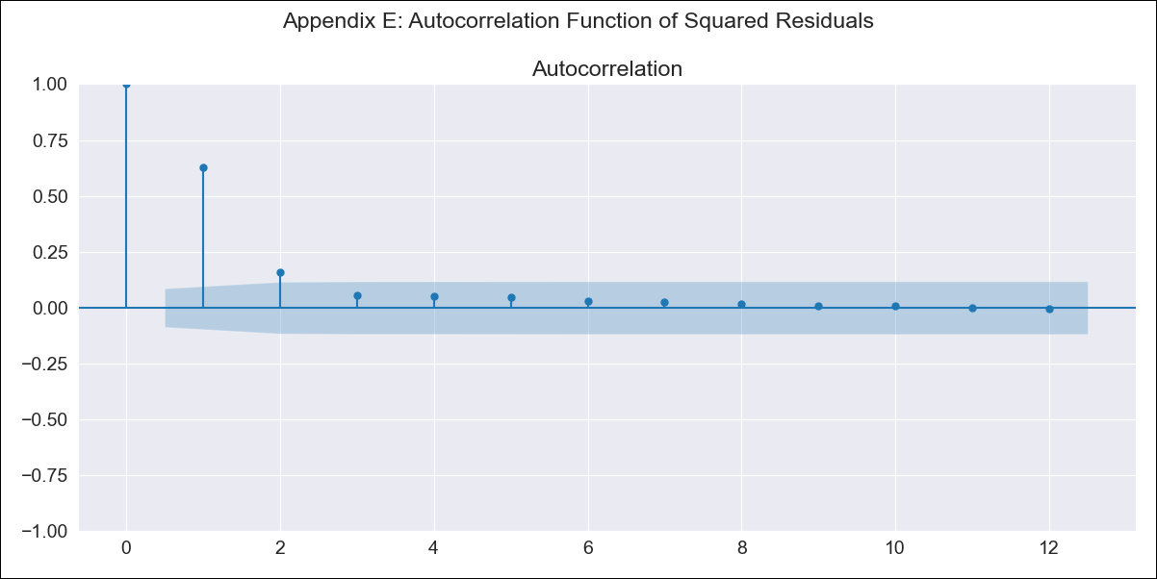
BRA_0 - Inflation - Next 12 months forecast as of: 2023-06-01

Model | SARIMAX - [(0, 1, 2), (0, 0, 1, 12)] | Exogenous Variables | Exchange rates (nominal), Monetary Policiy rate, M1 money supply ($mm local currency)
Training Data | 1980-12-01 to 2022-07-01
Test Data | 2022-07-01 to 2023-06-01

Date | Inflation Change YoY % | Lower Bound - 95% Confidence Interval | Upper Bound - 95% Confidence Interval
2023-07-01 | 7.01 | -230.72 | 244.75
2023-08-01 | 11.61 | -483.96 | 507.19
2023-09-01 | 19.58 | -693.32 | 732.47
2023-10-01 | 27.11 | -850.86 | 905.09
2023-11-01 | 34.91 | -981.69 | 1051.5
2023-12-01 | 42.31 | -1096.14 | 1180.77
2024-01-01 | 49.46 | -1199.02 | 1297.94
2024-02-01 | 56.83 | -1292.74 | 1406.4
2024-03-01 | 63.55 | -1380.04 | 1507.14
2024-04-01 | 69.66 | -1462.2 | 1601.51
2024-05-01 | 74.35 | -1540.96 | 1689.65
2024-06-01 | 78.83 | -1615.81 | 1773.48

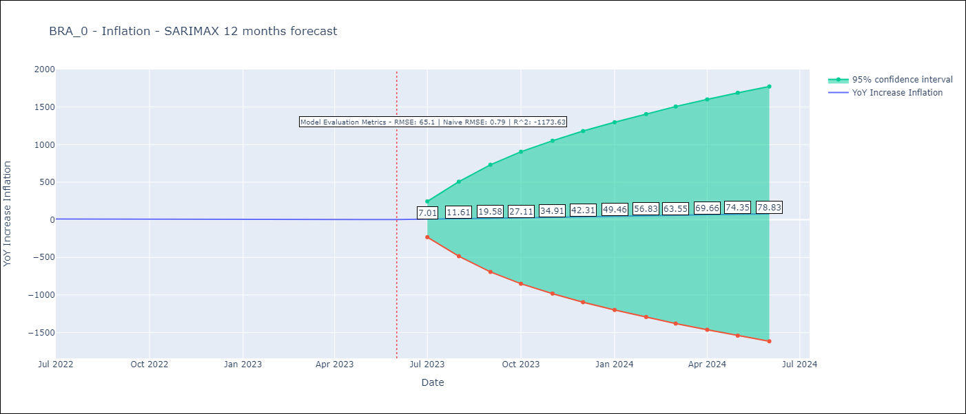

Test Metrics
RMSE | 65.1
Naive RMSE | 0.79
R^2 | -1173.63

Test Predictions
Date | Predicted | Actual
2022-07-01 | 15.52 | 10.07
2022-08-01 | 23.75 | 8.73
2022-09-01 | 33.49 | 7.17
2022-10-01 | 43.68 | 6.47
2022-11-01 | 53.98 | 5.9
2022-12-01 | 64.1 | 5.79
2023-01-01 | 72.44 | 5.77
2023-02-01 | 79.28 | 5.6
2023-03-01 | 85.57 | 4.65
2023-04-01 | 91.18 | 4.18
2023-05-01 | 97.68 | 3.94
2023-06-01 | 103.3 | 3.16

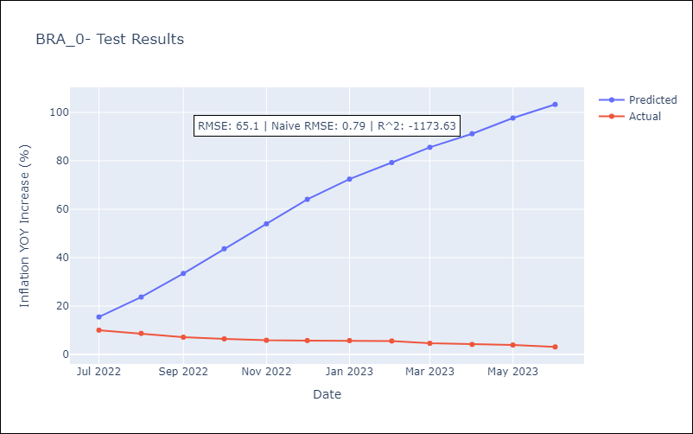

Appendix A: Model Summary
Model | SARIMAX(0, 1, 2)x(0, 0, [1], 12)
Sample | 12-01-1980- 06-01-2023
No. of Observations | 511
Terms | P-value (Statistical significance)
Exchange rates (nominal) | 0.000
Monetary Policiy rate | 0.997
M1 money supply ($mm local currency) | 0.993
ma.L1 | 0.000
ma.L2 | 0.000
ma.S.L12 | 0.073
sigma2 | 0.000
Assumptions | P-value | Interpretation
Ljung-Box (L1) | 0.79 | Residuals are independent.
Heteroskedasticity | 0.00 | Residuals have different variances.
Jarque-Bera | 0.00 | Residuals are not normally distributed.
Skew | 4.31 | Positive skew - model underestimates the mean.
Kurtosis | 133.21 | Residuals contain more extreme outliers than in a normal distribution.

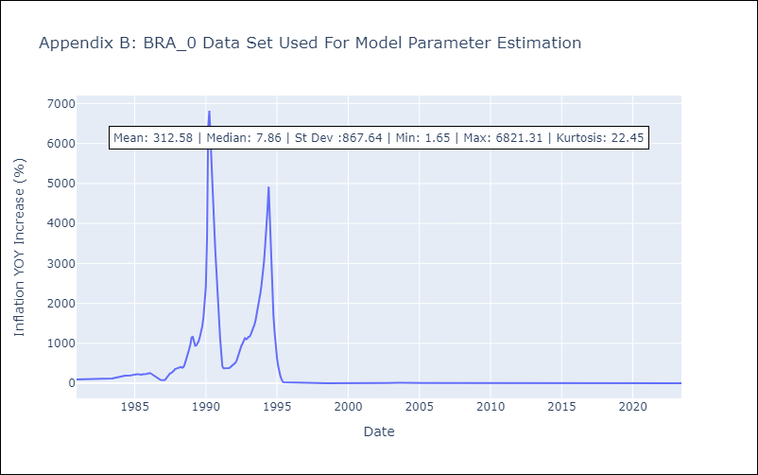

Appendix C: Residuals Analysis
Mean | 0.09
Variance | 14286.95
White Noise? | No - Correlation at Lags [10 11 12]
Heteroskedastic? - ARCH | Yes
Normal? | No

