BRA_002
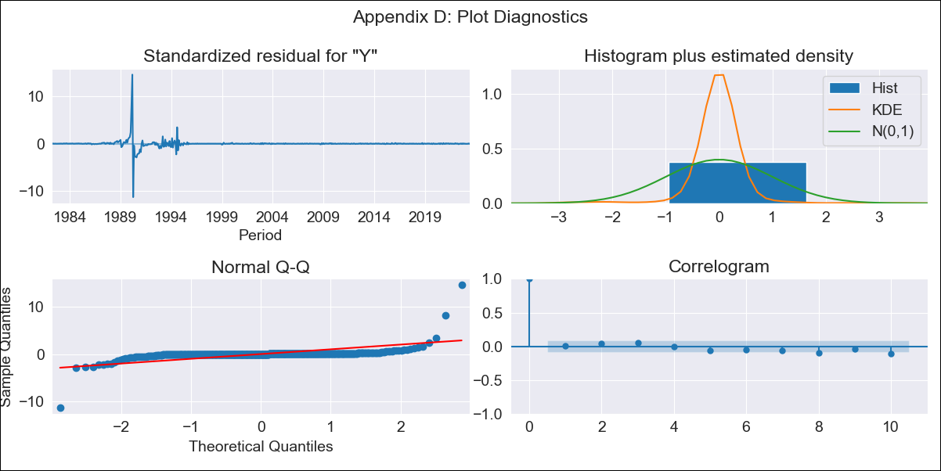
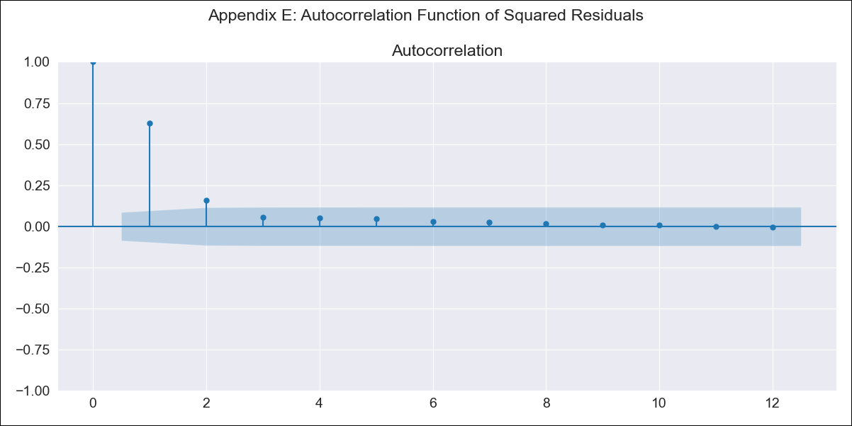
BRA_002 - Inflation - Next 12 months forecast as of: 2023-06-01

Model | SARIMAX - [(0, 1, 2), (0, 0, 1, 12)] | Exogenous Variables | Exchange rates (nominal), Monetary Policiy rate, M1 money supply ($mm local currency)
Training Data | 1980-12-01 to 2022-07-01
Test Data | 2022-07-01 to 2023-06-01

Date | Inflation Change YoY % | Lower Bound - 95% Confidence Interval | Upper Bound - 95% Confidence Interval
2023-07-01 | 5.49 | -232.24 | 243.23
2023-08-01 | 8.54 | -487.04 | 504.11
2023-09-01 | 16.32 | -696.58 | 729.21
2023-10-01 | 23.73 | -854.25 | 901.7
2023-11-01 | 31.32 | -985.27 | 1047.92
2023-12-01 | 38.45 | -1100.01 | 1176.9
2024-01-01 | 45.23 | -1203.25 | 1293.71
2024-02-01 | 52.22 | -1297.35 | 1401.78
2024-03-01 | 58.58 | -1385.01 | 1502.17
2024-04-01 | 64.36 | -1467.49 | 1596.22
2024-05-01 | 68.79 | -1546.51 | 1684.09
2024-06-01 | 73.08 | -1621.56 | 1767.73

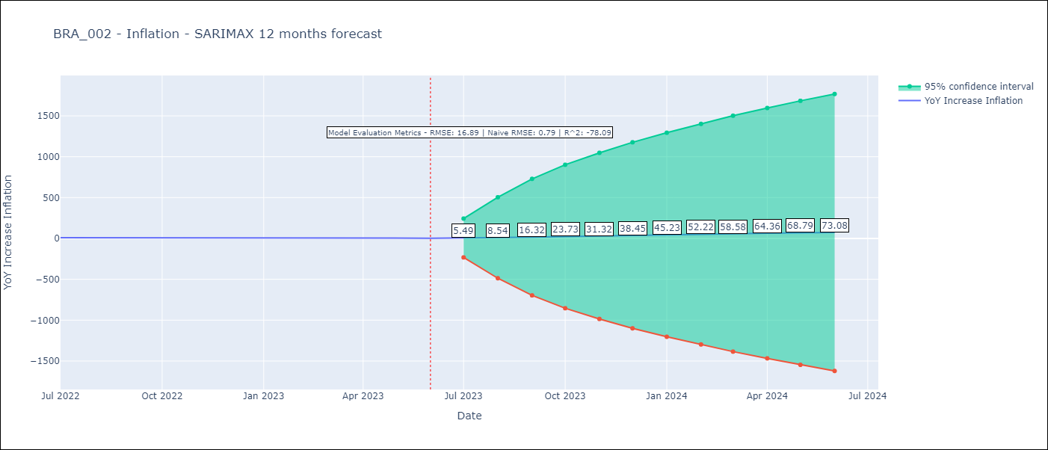

Test Metrics
RMSE | 16.89
Naive RMSE | 0.79
R^2 | -78.09

Test Predictions
Date | Predicted | Actual
2022-07-01 | 14.8 | 10.07
2022-08-01 | 18.44 | 8.73
2022-09-01 | 21.43 | 7.17
2022-10-01 | 22.99 | 6.47
2022-11-01 | 24.42 | 5.9
2022-12-01 | 25.75 | 5.79
2023-01-01 | 25.79 | 5.77
2023-02-01 | 24.92 | 5.6
2023-03-01 | 22.98 | 4.65
2023-04-01 | 21.42 | 4.18
2023-05-01 | 22.07 | 3.94
2023-06-01 | 21.96 | 3.16

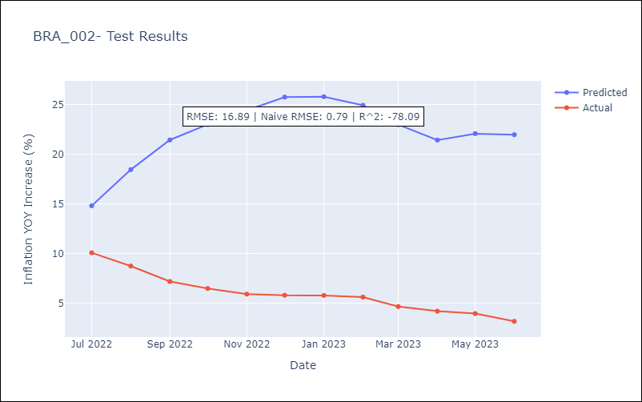

Appendix A: Model Summary
Model | SARIMAX(0, 1, 2)x(0, 0, [1], 12)
Sample | 12-01-1980- 06-01-2023
No. of Observations | 511
Terms | P-value (Statistical significance)
Exchange rates (nominal) | 0.000
Monetary Policiy rate | 0.997
M1 money supply ($mm local currency) | 0.993
ma.L1 | 0.000
ma.L2 | 0.000
ma.S.L12 | 0.073
sigma2 | 0.000
Assumptions | P-value | Interpretation
Ljung-Box (L1) | 0.79 | Residuals are independent.
Heteroskedasticity | 0.00 | Residuals have different variances.
Jarque-Bera | 0.00 | Residuals are not normally distributed.
Skew | 4.31 | Positive skew - model underestimates the mean.
Kurtosis | 133.21 | Residuals contain more extreme outliers than in a normal distribution.

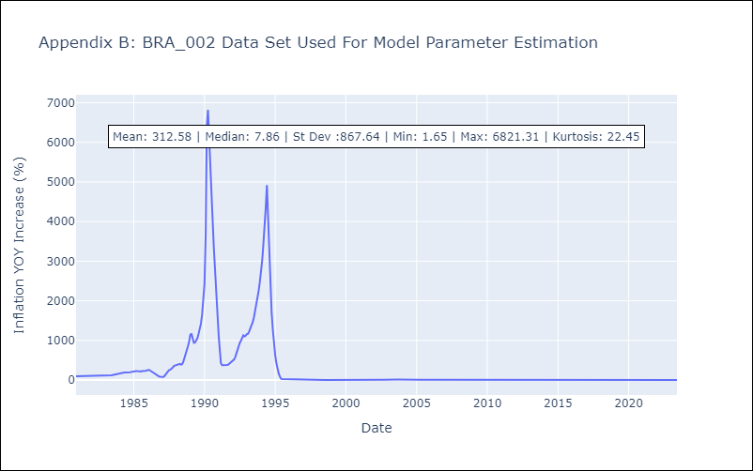

Appendix C: Residuals Analysis
Mean | 0.09
Variance | 14286.95
White Noise? | No - Correlation at Lags [10 11 12]
Heteroskedastic? - ARCH | Yes
Normal? | No

